page 1
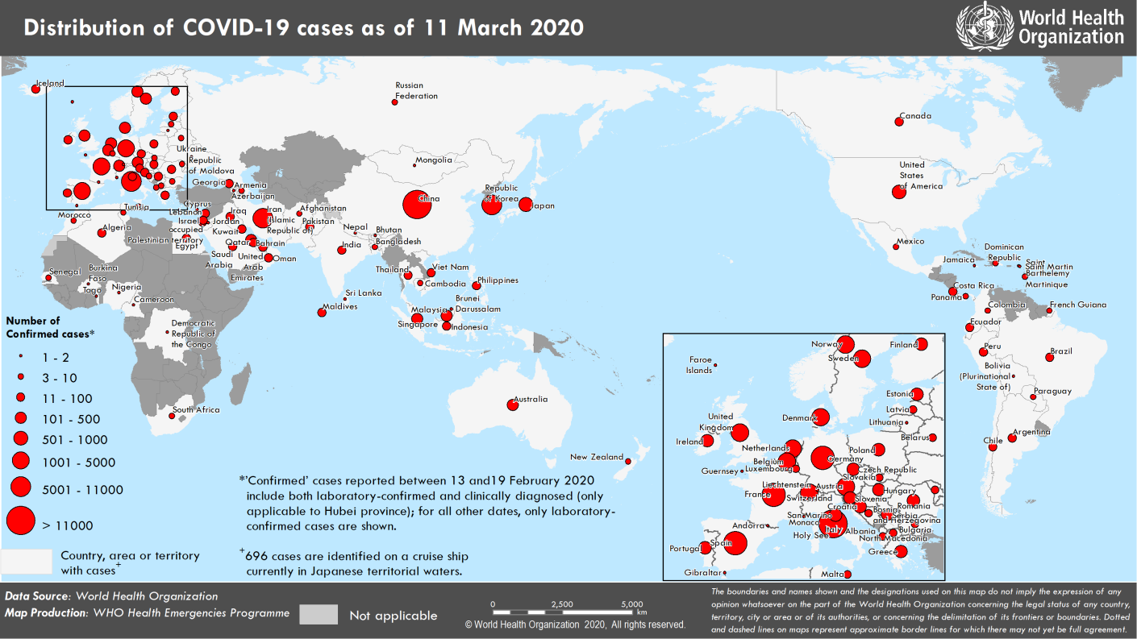
Coronavirus disease 2019 (COVID-19)
Situation Report – 51
Data as reported by national authorities by 10 AM CET 11 March 2020

HIGHLIGHTS • WHO Director-General in his regular media briefing today stated that WHO has been assessing this outbreak around the clock and we are deeply concerned both by the alarming levels of spread and severity, and by the alarming levels of inaction. WHO therefore have made the assessment that COVID-19 can be characterized as a pandemic. For detailed information, please see here. • Four new countries/territories/areas (Bolivia [Plurinational State of], Jamaica, Burkina Faso and Democratic Republic of the Congo) have reported cases of COVID-19 in the past 24 hours. • The COVID-19 virus infects people of all ages. However, evidence to date suggests that two groups of people are at a higher risk of getting severe COVID-19 disease. These are older people; and those with underlying medical conditions. WHO emphasizes that all must protect themselves from COVID-19 in order to protect others. For more information, please see ‘subject in focus’. • On 10 March, the IFRC, UNICEF and WHO issued a new guidance to help protect children and schools from transmission of the COVID-19 virus. The guidance provides critical considerations and practical checklists to keep schools safe. More information can be found here. | SITUATION IN NUMBERS total and new cases in last 24 hours Globally 118 319 confirmed (4620 new) 4292 deaths (280 new) China 80 955 confirmed (31 new) 3162 deaths (22 new) Outside of China 37 364 confirmed (4589 new) 1130 deaths (258 new) 113 countries/territories/ areas (4 new) WHO RISK ASSESSMENT China Very High Regional Level Very High Global Level Very High Erratum: ‘Total cases’ and ‘new cases’ for Bulgaria and Paraguay have been corrected.

Figure 1. Countries, territories or areas with reported confirmed cases of COVID-19, 11 March 2020

page 7
Figure 2. Epidemic curve of confirmed COVID-19 cases reported outside of China , by date of report and WHO region through 11 March 2020
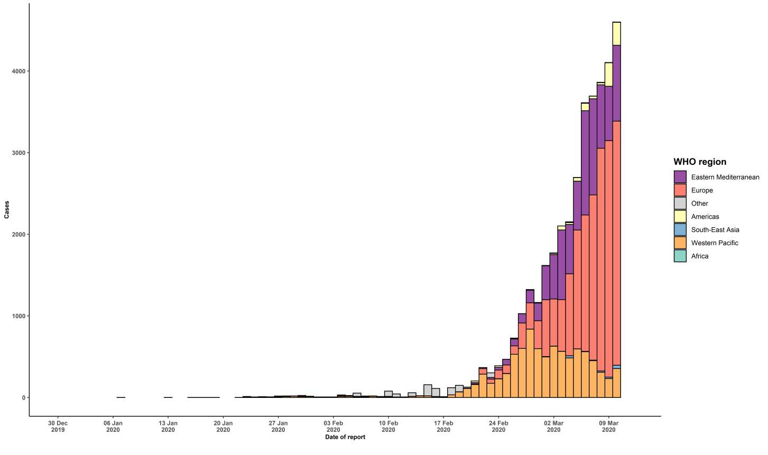

STRATEGIC OBJECTIVES WHO’s strategic objectives for this response are to: • Interrupt human-to-human transmission including reducing secondary infections among close contacts and health care workers, preventing transmission amplification events, and preventing further international spread*; • Identify, isolate and care for patients early, including providing optimized care for infected patients; • Identify and reduce transmission from the animal source; • Address crucial unknowns regarding clinical severity, extent of transmission and infection, treatment options, and accelerate the development of diagnostics, therapeutics and vaccines; • Communicate critical risk and event information to all communities and counter misinformation; • Minimize social and economic impact through multisectoral partnerships. *This can be achieved through a combination of public health measures, such as rapid identification, diagnosis and management of the cases, identification and follow up of the contacts, infection prevention and control in health care settings, implementation of health measures for travelers, awareness-raising in the population and risk communication.

