page 1
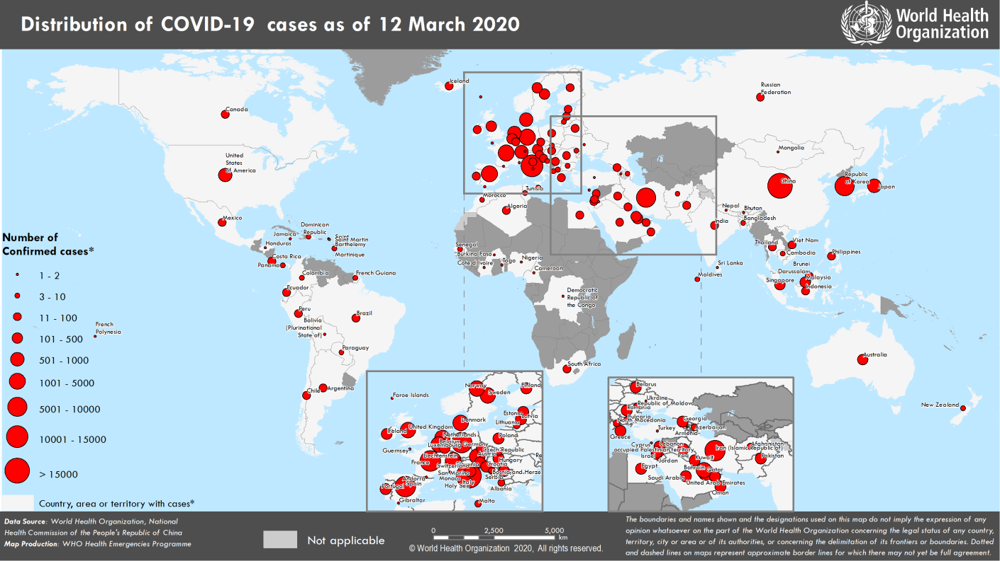
Coronavirus disease 2019 (COVID-19)
Situation Report – 52
Data as reported by national authorities by 10 AM CET 12 March 2020

HIGHLIGHTS • Four new countries/territories/areas (French Polynesia, Turkey, Honduras and Côte d’Ivoire) have reported cases of COVID-19 in the past 24 hours. • The Clinical Unit continues to convene clinicians around the globe, twice weekly by teleconference (COVID-19 Clinical Network) to share knowledge and experiences from clinicians caring for COVID-19 patients and highlight operational challenges and technical questions. For more details, please see ‘subject in focus’. • At the Member States information session held today, WHO Director-General reiterated that countries should not give up on stopping the outbreak now that WHO has characterized it as a pandemic. A shift from containment to mitigation would be wrong and dangerous. This is a controllable pandemic. For detailed information, please see here. • On 11 March, ICAO and WHO issued a joint statement to reminding all stakeholders of the importance of existing regulations and guidance. For more information, please see here. | SITUATION IN NUMBERS total and new cases in last 24 hours Globally 125 260 confirmed (6741 new) 4613 deaths (321 new) China 80 981 confirmed (26 new) 3173 deaths (11 new) Outside of China 44 279 confirmed (6915 new) 1440 deaths (310 new) 117 countries/territories/ areas (4 new) WHO RISK ASSESSMENT China Very High Regional Level Very High Global Level Very High

Figure 1. Countries, territories or areas with reported confirmed cases of COVID-19, 12 March 2020
Erratum: Total confirmed cases and total confirmed new cases for Norway have been corrected.

page 7
Figure 2. Epidemic curve of confirmed COVID-19 cases reported outside of China , by date of report and WHO region through 12 March 2020
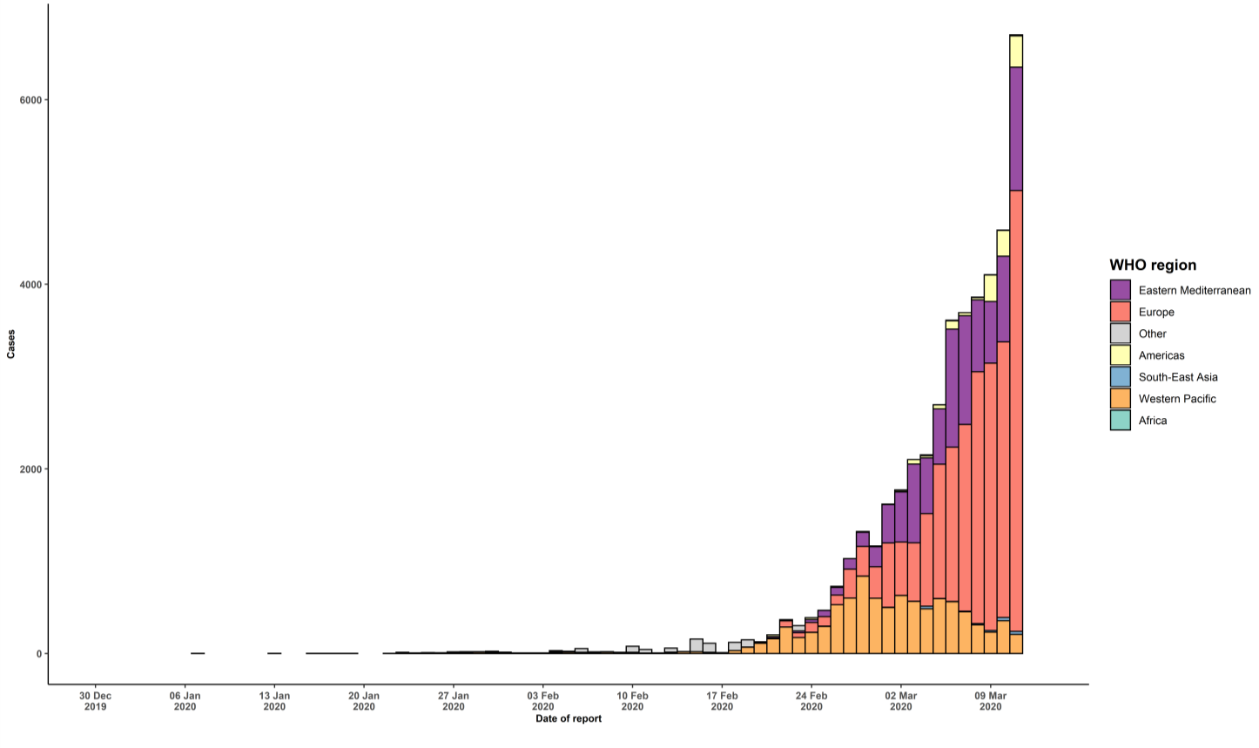

STRATEGIC OBJECTIVES WHO’s strategic objectives for this response are to: • Interrupt human-to-human transmission including reducing secondary infections among close contacts and health care workers, preventing transmission amplification events, and preventing further international spread*; • Identify, isolate and care for patients early, including providing optimized care for infected patients; • Identify and reduce transmission from the animal source; • Address crucial unknowns regarding clinical severity, extent of transmission and infection, treatment options, and accelerate the development of diagnostics, therapeutics and vaccines; • Communicate critical risk and event information to all communities and counter misinformation; • Minimize social and economic impact through multisectoral partnerships. *This can be achieved through a combination of public health measures, such as rapid identification, diagnosis and management of the cases, identification and follow up of the contacts, infection prevention and control in health care settings, implementation of health measures for travelers, awareness-raising in the population and risk communication.

