page 1
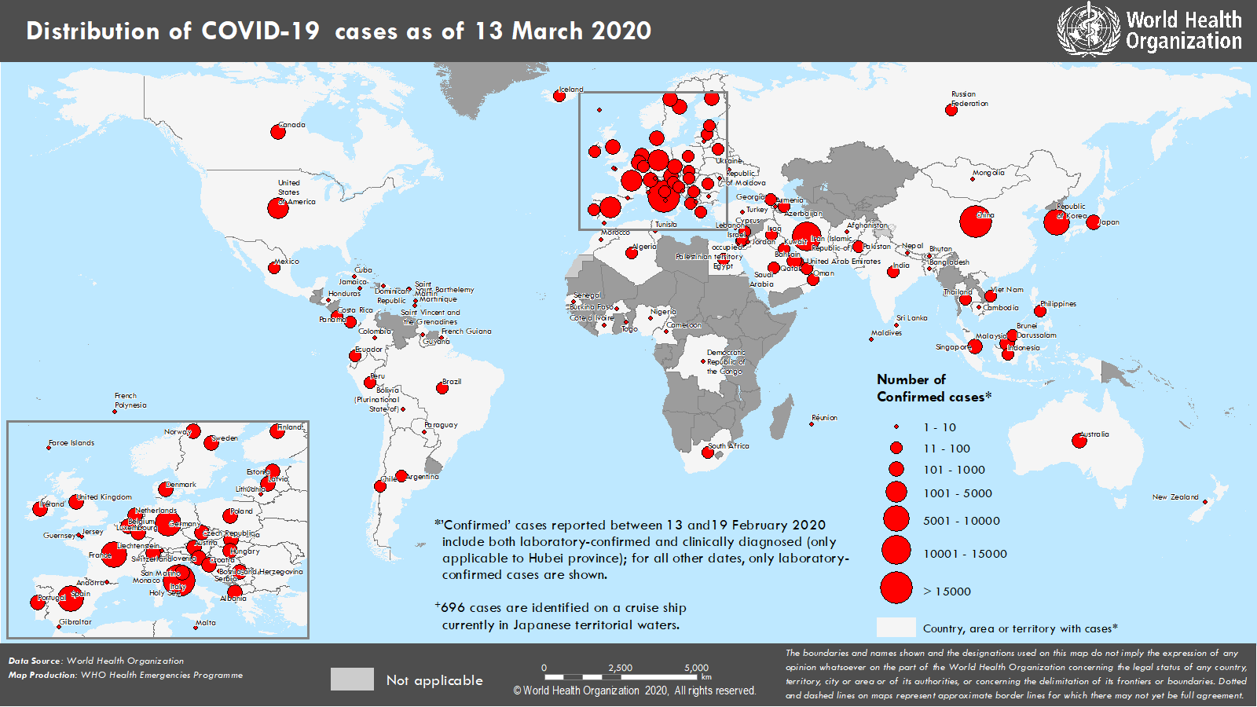
Coronavirus disease 2019 (COVID-19)
Situation Report – 53
Data as reported by national authorities by 10 AM CET 13 March 2020

HIGHLIGHTS • Five new countries/territories/areas (Jersey, Réunion, Saint Vincent and the Grenadines, Cuba and Guyana) have reported cases of COVID-19 in the past 24 hours. • The WHO, UN Foundation and partners launched a first-of-its-kind COVID-19 Solidarity Response Fund today. The fund will raise money from a wide range of donors to support the work of the WHO and partners to help countries respond to the COVID-19 pandemic. For more details, please see here. • Since the onset of the COVID-19 outbreak, Infection Prevention and Control (IPC) has been a major factor in preventive and mitigation measures. To ensure evidence-based quality guidance and prompt response to global demand, WHO convened a WHO Health Emergencies Programme Experts Advisory Panel for IPC. For more information, please see ‘subject in focus’. • A team of experts from WHO, Global Outbreak Alert and Response Network partners, the Robert Koch Institute in Germany and the Chinese Center for Disease Control concluded a technical support mission on COVID-19 to Iran on 10 March 2020. During the team’s mission in Iran, the Ministry of Health and Medical Education (MOHME) launched a national campaign to control COVID- 19. For more information on the mission, please see here. | SITUATION IN NUMBERS total and new cases in last 24 hours Globally 132 758 confirmed (7499 new) 4955 deaths (342 new) China 80 991 confirmed (11 new) 3180 deaths (07 new) Outside of China 51 767 confirmed (7488 new) 1775 deaths (335 new) 122 countries/territories/ areas (5 new) WHO RISK ASSESSMENT China Very High Regional Level Very High Global Level Very High

Figure 1. Countries, territories or areas with reported confirmed cases of COVID-19, 13 March 2020

page 7
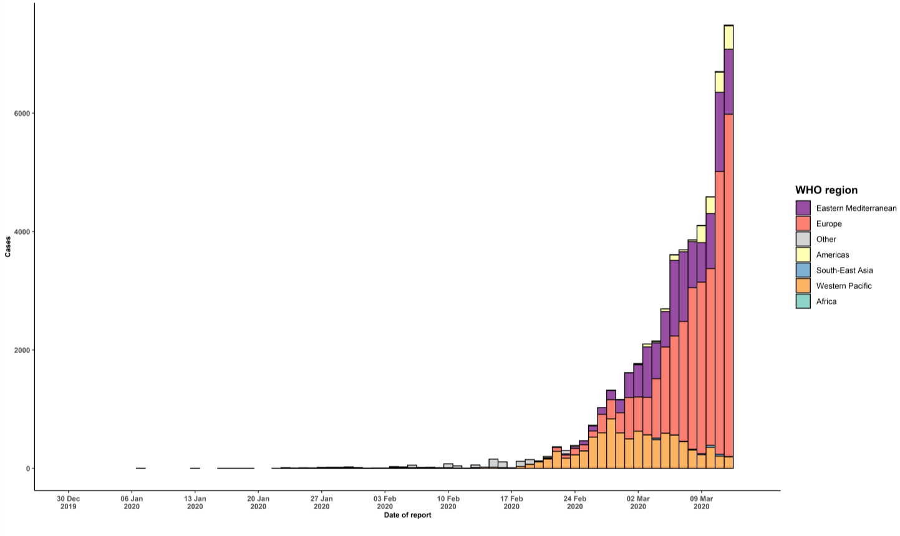
- Community transmission is evidenced by the inability to relate confirmed cases through chains of transmission for a large number of cases, or by increasing positive tests through sentinel samples (routine systematic testing of respiratory samples from established laboratories). - Local transmission indicates locations where the source of infection is within the reporting location. - Imported cases only indicates locations where all cases have been acquired outside the location of reporting. - Under investigation indicates locations where type of transmission has not been determined for any cases. - Interrupted transmission indicates locations where interruption of transmission has been demonstrated (details to be determined) ** “Territories” include territories, areas, overseas dependencies and other jurisdictions of similar status Figure 2. Epidemic curve of confirmed COVID-19 cases reported outside of China, by date of report and WHO region through 13 March 2020

