page 1
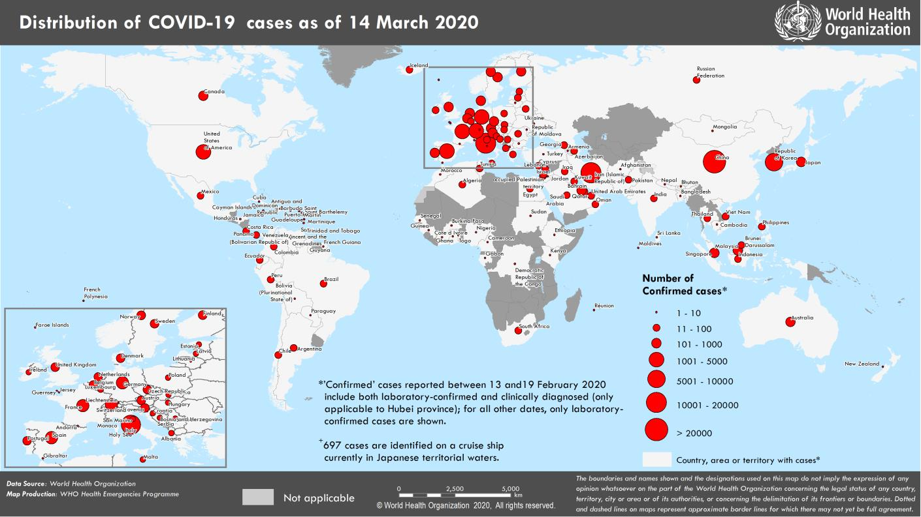
Coronavirus disease 2019 (COVID-19)
Situation Report – 54
Data as reported by national authorities by 10 AM CET 14 March 2020

HIGHLIGHTS • 12 new countries/territories/areas have reported cases of COVID-19 in the past 24 hours. • The Director-General said yesterday that Europe has now become the epicenter of the pandemic, with more reported cases and deaths than the rest of the world combined, apart from China. Many countries are now acting on the eight pillars of WHO’s Strategic Preparedness and Response Plan. For more details, please see here. • WHO published guidance on ‘Clinical management of severe acute respiratory infection (SARI) when COVID-19 disease is suspected’ on 13 March. The document provides clinicians with updated interim guidance on timely, effective, and safe supportive management of patients with suspected and confirmed COVID-19. For more details, please see here. |  | SITUATION IN NUMBERS total and new cases in last 24 hours Globally 142 534 confirmed (9764 new) 5392 deaths (437 new) China 81 021 confirmed (18 new) 3194 deaths (14 new) Outside of China 61 513 confirmed (9746 new) 2198 deaths (423 new) 134 countries/territories/ areas (12 new) WHO RISK ASSESSMENT

China | Very High
Regional Level | Very High
Global Level | Very High
Erratum: 1. Total number for ‘new countries/territories/areas’ have been corrected. 2. Total cases for Guyana has been corrected 3. Total deaths in Lebanon has been corrected.
Figure 1. Countries, territories or areas with reported confirmed cases of COVID-19, 14 March 2020

page 6
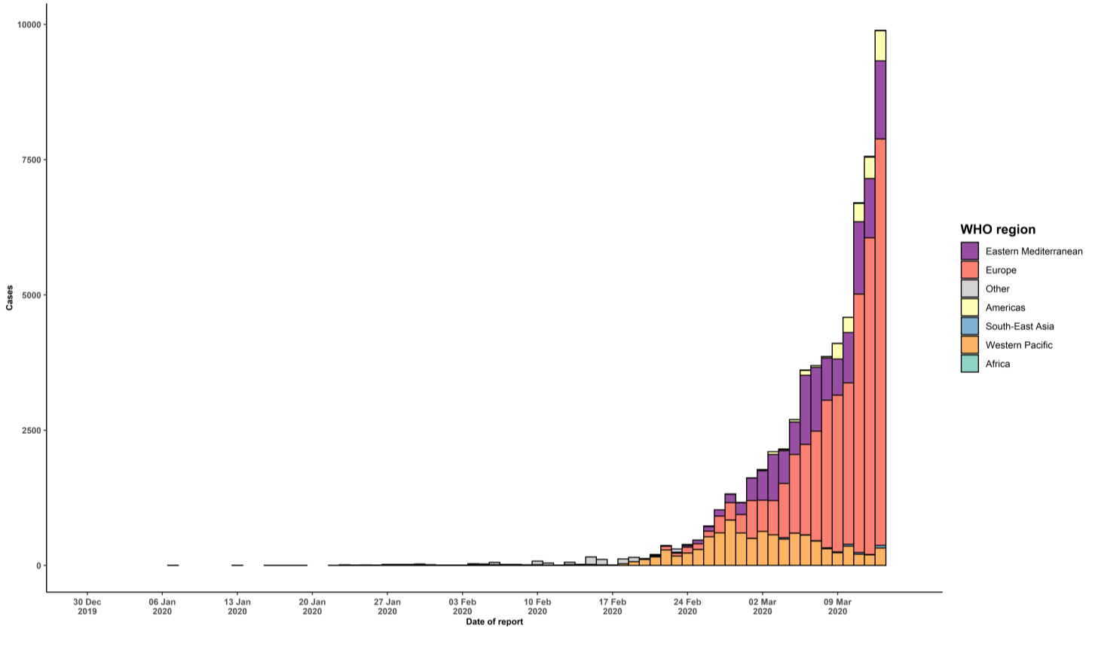
(Diamond Princess)
Grand total | 61513 | 9746 | 2198 | 423
*Numbers include both domestic and repatriated cases †The designations employed and the presentation of the material in this publication do not imply the expression of any opinion whatsoever on the part of WHO concerning the legal status of any country, territory, city or area or of its authorities, or concerning the delimitation of its frontiers or boundaries. Dotted and dashed lines on maps represent approximate border lines for which there may not yet be full agreement. ‡Case classifications are based on WHO case definitions for COVID-19. §Transmission classification is based on WHO analysis of available official data and may be subject to reclassification as additional data become available. Countries/territories/areas experiencing multiple types of transmission are classified in the highest category for which there is evidence; they may be removed from a given category if interruption of transmission can be demonstrated. It should be noted that even within categories, different countries/territories/areas may have differing degrees of transmission as indicated by the differing numbers of cases and other factors. Not all locations within a given country/territory/area are equally affected. Terms: - Community transmission is evidenced by the inability to relate confirmed cases through chains of transmission for a large number of cases, or by increasing positive tests through sentinel samples (routine systematic testing of respiratory samples from established laboratories). - Local transmission indicates locations where the source of infection is within the reporting location. - Imported cases only indicates locations where all cases have been acquired outside the location of reporting. - Under investigation indicates locations where type of transmission has not been determined for any cases. - Interrupted transmission indicates locations where interruption of transmission has been demonstrated (details to be determined) ** “Terri

