page 1
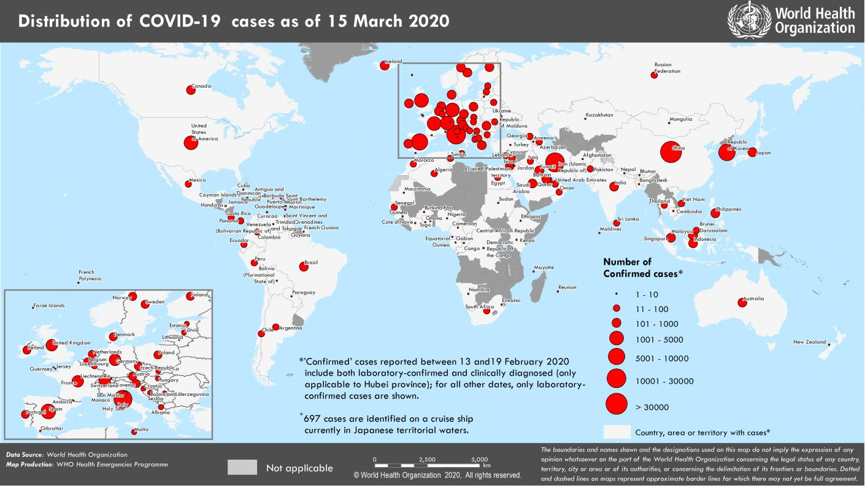
Coronavirus disease 2019 (COVID-19) Situation Report – 55
Data as reported by national authorities by 10 AM CET 15 March 2020 HIGHLIGHTS • Nine new countries/territories/areas (African Region [7], European Region [1] and Region of Americas [1]) in have reported cases of COVID-19 in the past 24 hours. • A WHO high-level technical mission concluded a visit to Iraq to support the Iraqi Ministry of Health in their COVID-19 prevention and containment measures. WHO is working around the clock to establish 3 negative-pressure [contagious respiratory disease isolation] rooms in Baghdad, Erbil and Basra to accommodate patients who might require more sophisticated medical treatment. For detailed information, please see here. | SITUATION IN NUMBERS total and new cases in last 24 hours Globally 153 517 confirmed (10 982 new) 5735 deaths (343 new) China 81 048 confirmed (27 new) 3204 deaths (10 new) Outside of China 72 469 confirmed (10 955) 2531 deaths (333 new) 143 countries/territories/ areas (09 new) WHO RISK ASSESSMENT China Very High Regional Level Very High Global Level Very High

Figure 1. Countries, territories or areas with reported confirmed cases of COVID-19, 15 March 2020

page 6
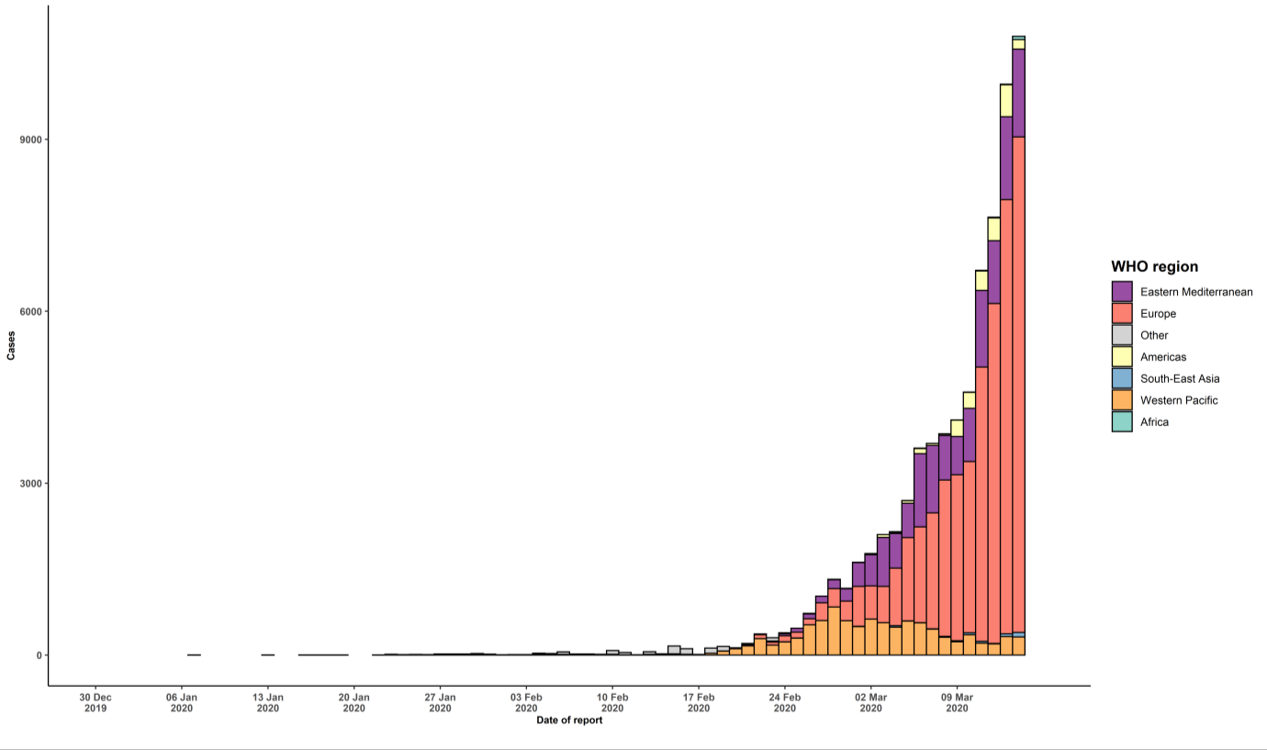
Kenya | 1 | 0 | 0 | 0 | Imported cases only | 1
Mauritania | 1 | 1 | 0 | 0 | Imported cases only | 0
Togo | 1 | 0 | 0 | 0 | Imported cases only | 8
Territories**
Réunion | 6 | 1 | 0 | 0 | Imported cases only | 0
Mayotte | 1 | 1 | 0 | 0 | Imported cases only | 0
Subtotal for all regions | 71772 | 10955 | 2524 | 333
International conveyance (Diamond Princess) | 697 | 0 | 7 | 0 | Local transmission | 1
Grand total | 72469 | 10955 | 2531 | 333
*Numbers include both domestic and repatriated cases †The designations employed and the presentation of the material in this publication do not imply the expression of any opinion whatsoever on the part of WHO concerning the legal status of any country, territory, city or area or of its authorities, or concerning the delimitation of its frontiers or boundaries. Dotted and dashed lines on maps represent approximate border lines for which there may not yet be full agreement. ‡Case classifications are based on WHO case definitions for COVID-19. §Transmission classification is based on WHO analysis of available official data and may be subject to reclassification as additional data become available. Countries/territories/areas experiencing multiple types of transmission are classified in the highest category for which there is evidence; they may be removed from a given category if interruption of transmission can be demonstrated. It should be noted that even within categories, different countries/territories/areas may have differing degrees of transmission as indicated by the differing numbers of cases and other factors. Not all locations within a given country/territory/area are equally affected. Terms: - Community transmission is evidenced by the inability to relate confirmed cases through chains of transmission for a large number of cases, or by increasing positive tests through sentinel samples (routine systematic testing of respiratory samples from established laboratories). - Local transmission indicates locations where the source of infection is within the reporting location. - Imported cases only indicates locations where all cases have been acquired outside the location of reporting. - Under investigation indicates locations where type of transmission has not been determined for any cases. - Interrupted transmission indicates locations where interruption of transmission has been demonstrated (details to be determined) ** “Terri

