page 1
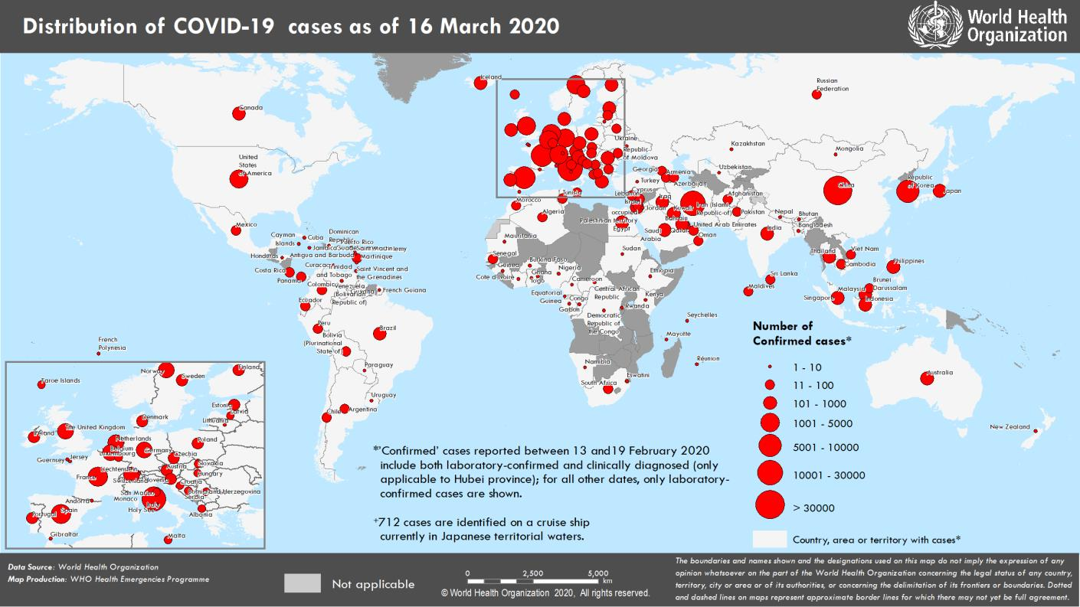
Coronavirus disease 2019 (COVID-19)
Situation Report – 56
Data as reported by national authorities by 10 AM CET 16 March 2020

HIGHLIGHTS • Four new countries/territories/areas (African Region [2], European Region [1] and Region of the Americas [1]) in have reported cases of COVID-19 in the past 24 hours. • The total number of cases and deaths outside China has overtaken the total number of cases in China. From today, total cases from China will no longer be featured separately (former Table 1). • The WHO COVID-19 Incident Management Team is working closely with partners across all levels to provide support to countries, strengthen technical and operational networking and collaboration, and support operational coordination of the global response. For more information, please see the Subject in Focus below. • Two new technical guidance documents were published today: Critical preparedness, readiness and response actions for COVID-19 and Risk Communication and Community Engagement (RCCE) Action Plan Guidance |  | SITUATION IN NUMBERS total and new cases in last 24 hours Globally 167 515 confirmed (13 903 new) 6606 deaths (862 new) China 81 077 confirmed (29 new) 3218 deaths (14 new) Outside of China 86 438 confirmed (13 874 new) 3388 deaths (848 new) 150 countries/territories/ areas (4 new) WHO RISK ASSESSMENT

China | Very High
Regional Level | Very High
Global Level | Very High
Erratum: Total number for ‘new countries/territories/areas’ have been corrected. Total cases for Serbia†† and Ghana have been corrected.
Figure 1. Countries, territories or areas with reported confirmed cases of COVID-19, 16 March 2020

page 7
Figure 2. Epidemic curve of confirmed COVID-19 cases reported outside of China, by date of report and WHO region through 16 March 2020
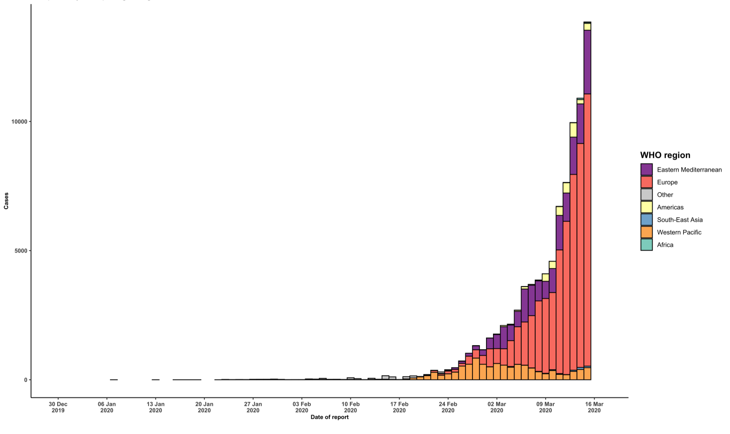

STRATEGIC OBJECTIVES WHO’s strategic objectives for this response are to: • Interrupt human-to-human transmission including reducing secondary infections among close contacts and health care workers, preventing transmission amplification events, and preventing further international spread*; • Identify, isolate and care for patients early, including providing optimized care for infected patients; • Identify and reduce transmission from the animal source; • Address crucial unknowns regarding clinical severity, extent of transmission and infection, treatment options, and accelerate the development of diagnostics, therapeutics and vaccines; • Communicate critical risk and event information to all communities and counter misinformation; • Minimize social and economic impact through multisectoral partnerships. *This can be achieved through a combination of public health measures, such as rapid identification, diagnosis and management of the cases, identification and follow up of the contacts, infection prevention and control in health care settings, implementation of health measures for travelers, awareness-raising in the population and risk communication.

