page 1
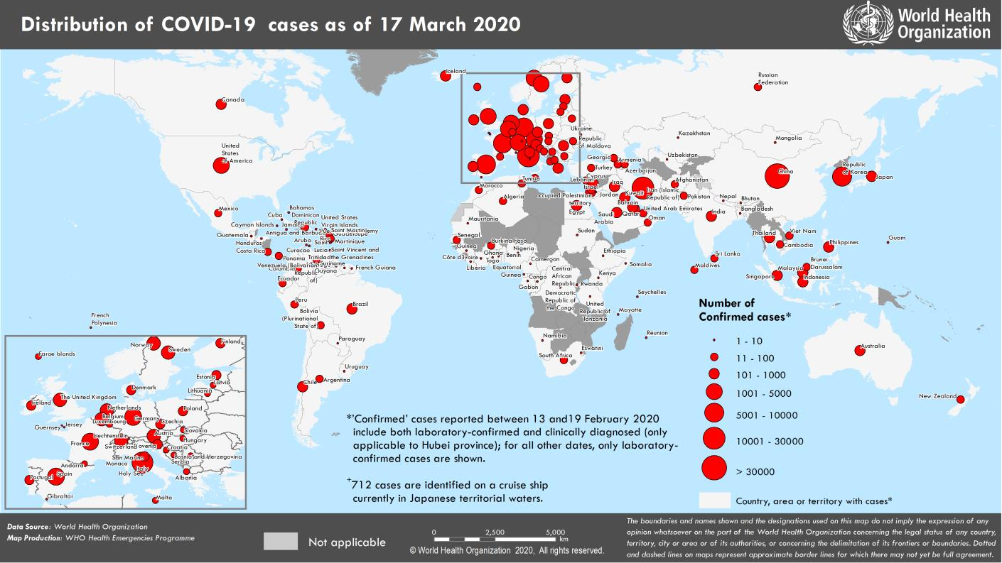
Coronavirus disease 2019 (COVID-19)
Situation Report – 57
Data as reported by national authorities by 10 AM CET 17 March 2020

HIGHLIGHTS • 8 new countries/territories/areas (African Region [3], Eastern Mediterranean Region [1], Region of the Americas [3], and Western Pacific Region [1]) in have reported cases of COVID-19 in the past 24 hours. • As the on-going COVID-19 pandemic continues to develop, WHO is committed to working together with the travel, transport and tourism sectors on emergency preparedness and response. For more information, please see the Subject in Focus section below. • OpenWHO is an interactive, web-based, knowledge-transfer platform offering free online courses to improve the response to health emergencies. COVID-19 resources are available in the official WHO languages here and in additional national languages here. The OpenWHO team is continuing to work with WHO Country Offices, public health institutes and educational entities who have offered voluntary translation support to help localize the response efforts. Resources in the pipeline include courses in Hindi and Macedonian. For more information, please see the Preparedness and Response section of the Situation Report. | SITUATION IN NUMBERS total (new) cases in last 24 hours Globally 179 111 confirmed (11 525) 7426 deaths (475) Western Pacific Region 91 779 confirmed (289) 3357 deaths (23) European Region 64 188 confirmed (8506) 3108 deaths (428) South-East Asia 508 confirmed (124) 9 deaths (2) Eastern Mediterranean Region 16 786 confirmed (330) 873 deaths (3) Regions of the Americas 4910 confirmed (2234) 68 deaths (18) African Region 228 confirmed (42) 4 deaths (1) WHO RISK ASSESSMENT Global Level Very High

Erratum: Total cases and new cases for Sudan have been corrected. Figure 1. Countries, territories or areas with reported confirmed cases of COVID-19, 17 March 2020

page 7
Figure 2. Epidemic curve of confirmed COVID-19, by date of report and WHO region through 17 March 2020
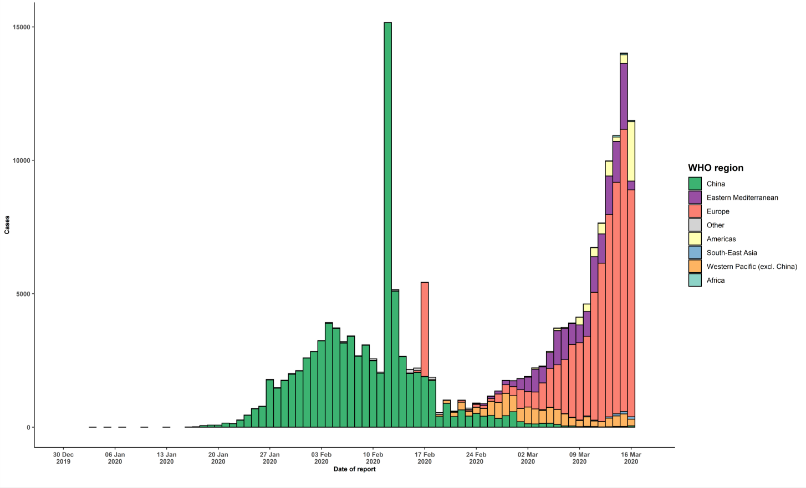

STRATEGIC OBJECTIVES WHO’s strategic objectives for this response are to: • Interrupt human-to-human transmission including reducing secondary infections among close contacts and health care workers, preventing transmission amplification events, and preventing further international spread*; • Identify, isolate and care for patients early, including providing optimized care for infected patients; • Identify and reduce transmission from the animal source; • Address crucial unknowns regarding clinical severity, extent of transmission and infection, treatment options, and accelerate the development of diagnostics, therapeutics and vaccines; • Communicate critical risk and event information to all communities and counter misinformation; • Minimize social and economic impact through multisectoral partnerships. *This can be achieved through a combination of public health measures, such as rapid identification, diagnosis and management of the cases, identification and follow up of the contacts, infection prevention and control in health care settings, implementation of health measures for travelers, awareness-raising in the population and risk communication.

