page 1
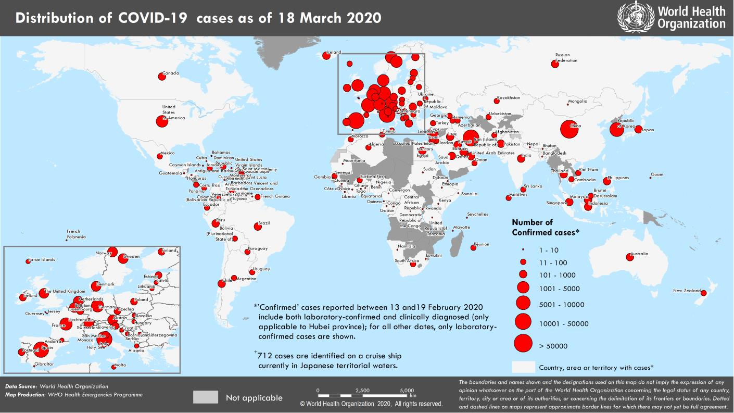
Coronavirus disease 2019 (COVID-19)
Situation Report – 58
Data as reported by national authorities by 00:00 CET 18 March 2020

HIGHLIGHTS • One new country/territory/area (European Region [1]) has reported cases of COVID-19. • Data presented in the COVID-19 Situation Reports has changed to reflect data reported as of 00:00 CET. As this is the first Situation Report with the new reporting period, there is overlap of data between Situation Report 57 and this report, thus the number of new cases may not equal the difference between total cases in the two reports. • WHO COVID-19 Situation Reports present official counts of confirmed COVID- 19 cases, thus differences between WHO reports and other sources of COVID- 19 data using different inclusion criteria and different data cutoff times are to be expected. • WHO, IFRC, and UNICEF jointly released the Risk Communication and Community Engagement (RCCE) Action Plan Guidance for COVID-19 on 16 March. For more information, please see the Subject in Focus section below. | SITUATION IN NUMBERS total (new) cases in last 24 hours Globally 191 127 confirmed (15 123) 7807 deaths (786) Western Pacific Region 91 845 confirmed (312) 3357 deaths (23) European Region 74 760 confirmed (10 911) 3352 deaths (604) South-East Asia Region 538 confirmed (63) 9 deaths (1) Eastern Mediterranean Region 18 060 confirmed (1552) 1010 deaths (140) Regions of the Americas 4979 confirmed (2243) 68 deaths (18) African Region 233 confirmed (42) 4 deaths (0) WHO RISK ASSESSMENT Global Level Very High

Figure 1. Countries, territories or areas with reported confirmed cases of COVID-19, 18 March 2020

page 7
Figure 2. Epidemic curve of confirmed COVID-19, by date of report and WHO region through 18 March 2020
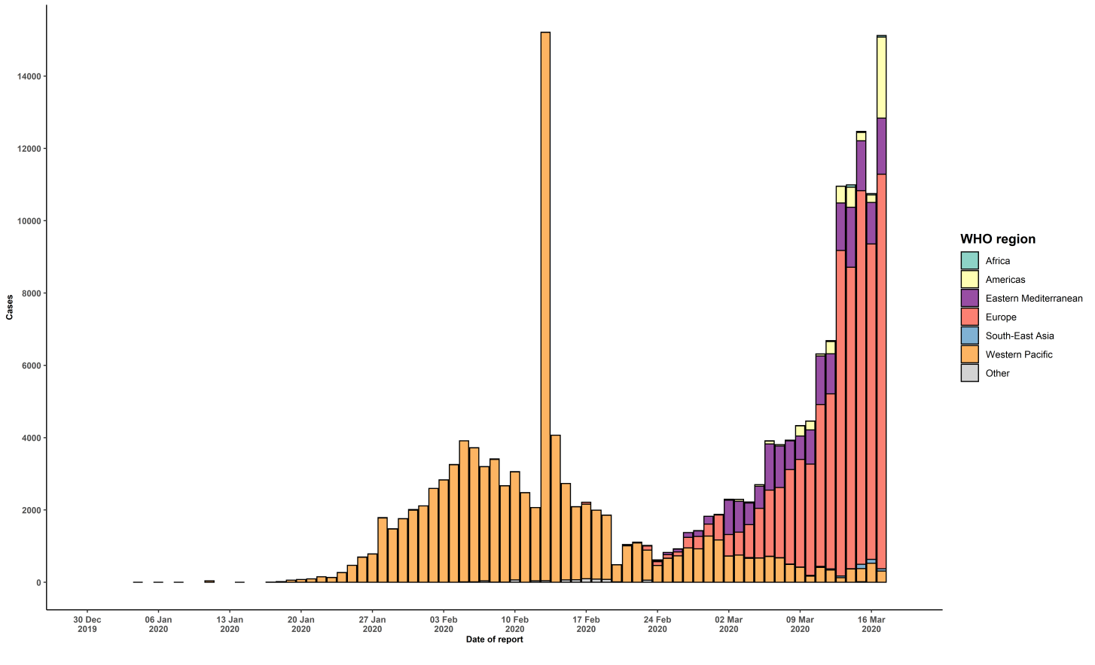

STRATEGIC OBJECTIVES WHO’s strategic objectives for this response are to: • Interrupt human-to-human transmission including reducing secondary infections among close contacts and health care workers, preventing transmission amplification events, and preventing further international spread*; • Identify, isolate and care for patients early, including providing optimized care for infected patients; • Identify and reduce transmission from the animal source; • Address crucial unknowns regarding clinical severity, extent of transmission and infection, treatment options, and accelerate the development of diagnostics, therapeutics and vaccines; • Communicate critical risk and event information to all communities and counter misinformation; • Minimize social and economic impact through multisectoral partnerships. *This can be achieved through a combination of public health measures, such as rapid identification, diagnosis and management of the cases, identification and follow up of the contacts, infection prevention and control in health care settings, implementation of health measures for travelers, awareness-raising in the population and risk communication.

