page 1
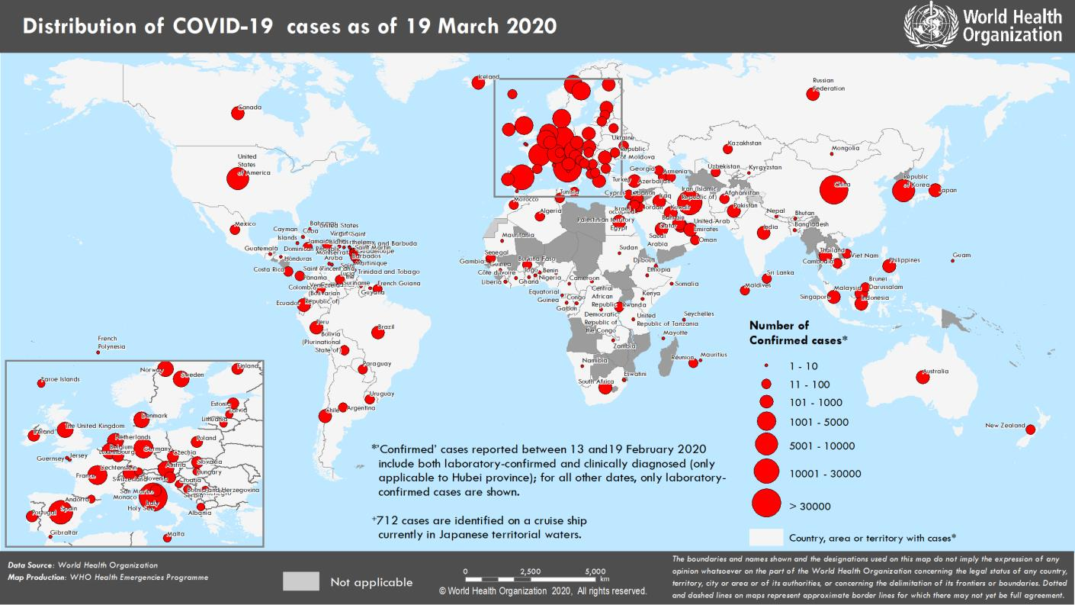
Coronavirus disease 2019 (COVID-19)
Situation Report – 59
Data as reported by national authorities by 00:00 CET 19 March 2020

HIGHLIGHTS • Seven new countries/territories/areas (African Region [3], Eastern Mediterranean Region [1], European Region [1], and Region of the Americas [2]) have reported cases of COVID-19. • The number of confirmed cases worldwide has exceeded 200 000. It took over three months to reach the first 100 00 confirmed cases, and only 12 days to reach the next 100 000. • A new protocol to investigate the extent of COVID-19 infection in the population, as determined by positive antibody tests in the general population has been developed. The protocol is titled the Population-based age-stratified seroepidemiological investigation protocol for COVID-19 virus infection. See Subject in Focus for details. | SITUATION IN NUMBERS total (new) cases in last 24 hours Globally 209 839 confirmed (16 556) 8778 deaths (828) Western Pacific Region 92 333 confirmed (488) 3377 deaths (20) European Region 87 108 confirmed (10 221) 4084 deaths (591) South-East Asia Region 657 confirmed (119) 23 deaths (14) Eastern Mediterranean Region 19 518 confirmed (1430) 1161 deaths (150) Region of the Americas 9144 confirmed (4166) 119 deaths (50) African Region 367 confirmed (132) 7 deaths (3) WHO RISK ASSESSMENT Global Level Very High

Figure 1. Countries, territories or areas with reported confirmed cases of COVID-19, 19 March 2020

page 8
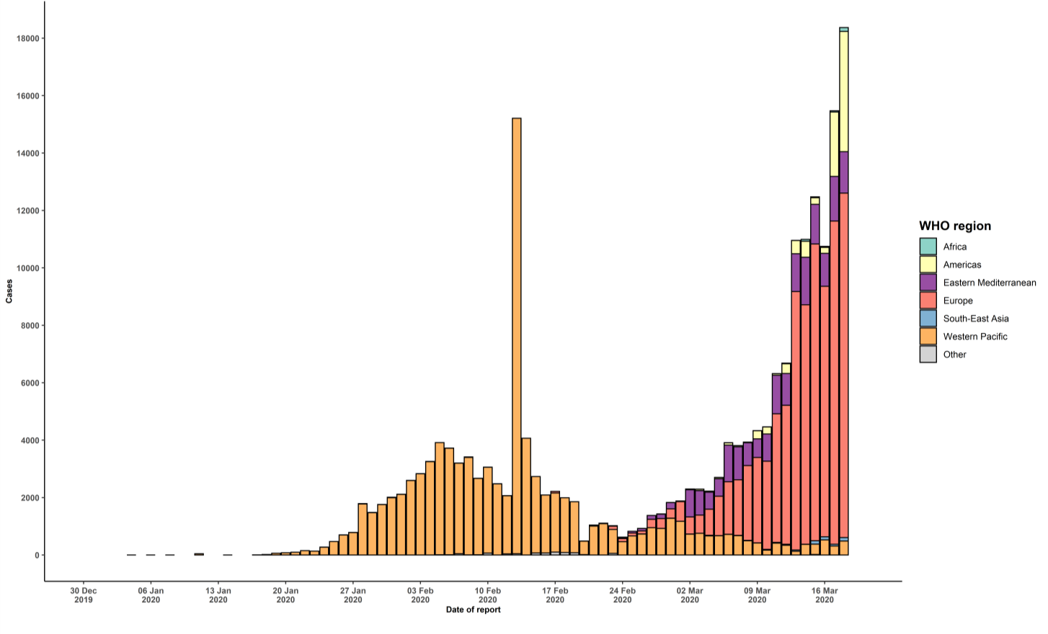
** “Territories” include territories, areas, overseas dependencies and other jurisdictions of similar status ††Including 13 cases from Kosovo[1] [1] All references to Kosovo should be understood to be in the context of the United Nations Security Council resolution 1244 (1999). Due to differences in reporting methods, retrospective data consolidation, and reporting delays, the number of new cases may not always reflect the exact difference between yesterday’s and today’s totals. WHO COVID-19 Situation Reports present official counts of confirmed COVID-19 cases, thus differences between WHO reports and other sources of COVID-19 data using different inclusion criteria and different data cutoff times are to be expected. New countries/territories/areas are shown in red. Figure 2. Epidemic curve of confirmed COVID-19, by date of report and WHO region through 19 March 2020

