page 1
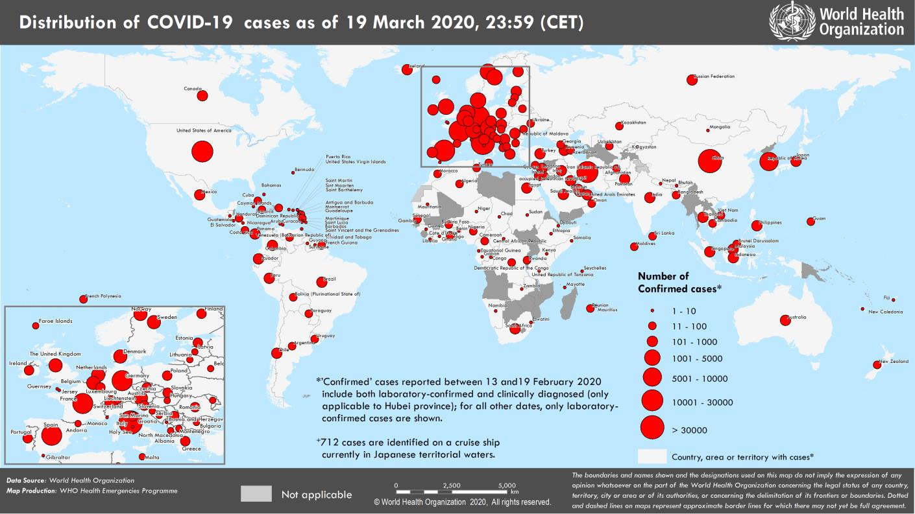
Coronavirus disease 2019 (COVID-19)
Situation Report – 60
Data as reported by national authorities by 23:59 CET 19 March 2020

HIGHLIGHTS • Six new countries/territories/areas (African Region [2], and Region of the Americas [2], and Western Pacific Region [2]) have reported cases of COVID- 19. • To increase access to reliable information, WHO has partnered with WhatsApp and Facebook to launch a WHO Health Alert messaging service. This service will provide the latest news and information on COVID-19, including details on symptoms and how people can protect themselves. The Health Alert service is now available in English and will be introduced in other languages next week. To access it, send the word "hi" to the following number on WhatsApp: +41 798 931 892. • The first vaccine trial has begun just 60 days after the genetic sequence of the virus was shared by China. This is an incredible achievement. To ensure clear evidence of which treatments are most effective, WHO and its partners are organizing a large international study, called the Solidarity Trial, in many countries to compare different treatments. • WHO and Global Citizen launched #TogetherAtHome, a virtual, no-contact concert series to promote physical distancing and action for global health. Chris Martin, lead singer of Coldplay, kicked it off earlier this week with a performance from his home. More Solidarity Sessions are planned to promote health, show support for people who are staying at home to protect themselves and others from COVID-19, and encourage donations to the COVID-19 Solidarity Response Fund. | SITUATION IN NUMBERS total (new) cases in last 24 hours Globally 234 073 confirmed (24 247) 9840 deaths (1061) Western Pacific Region 93 349 confirmed (1016) 3405 deaths (28) European Region 104 591 confirmed (17 506) 4899 deaths (816) South-East Asia Region 918 confirmed (261) 31 deaths (8) Eastern Mediterranean Region 20 759 confirmed (1254) 1312 deaths (151) Region of the Americas 13 271 confirmed (4104) 178 deaths (57) African Region 473 confirmed (106) 8 deaths (1) WHO RISK ASSESSMENT Global Level Very High

Figure 1. Countries, territories or areas with reported confirmed cases of COVID-19, 19 March 2020

page 6
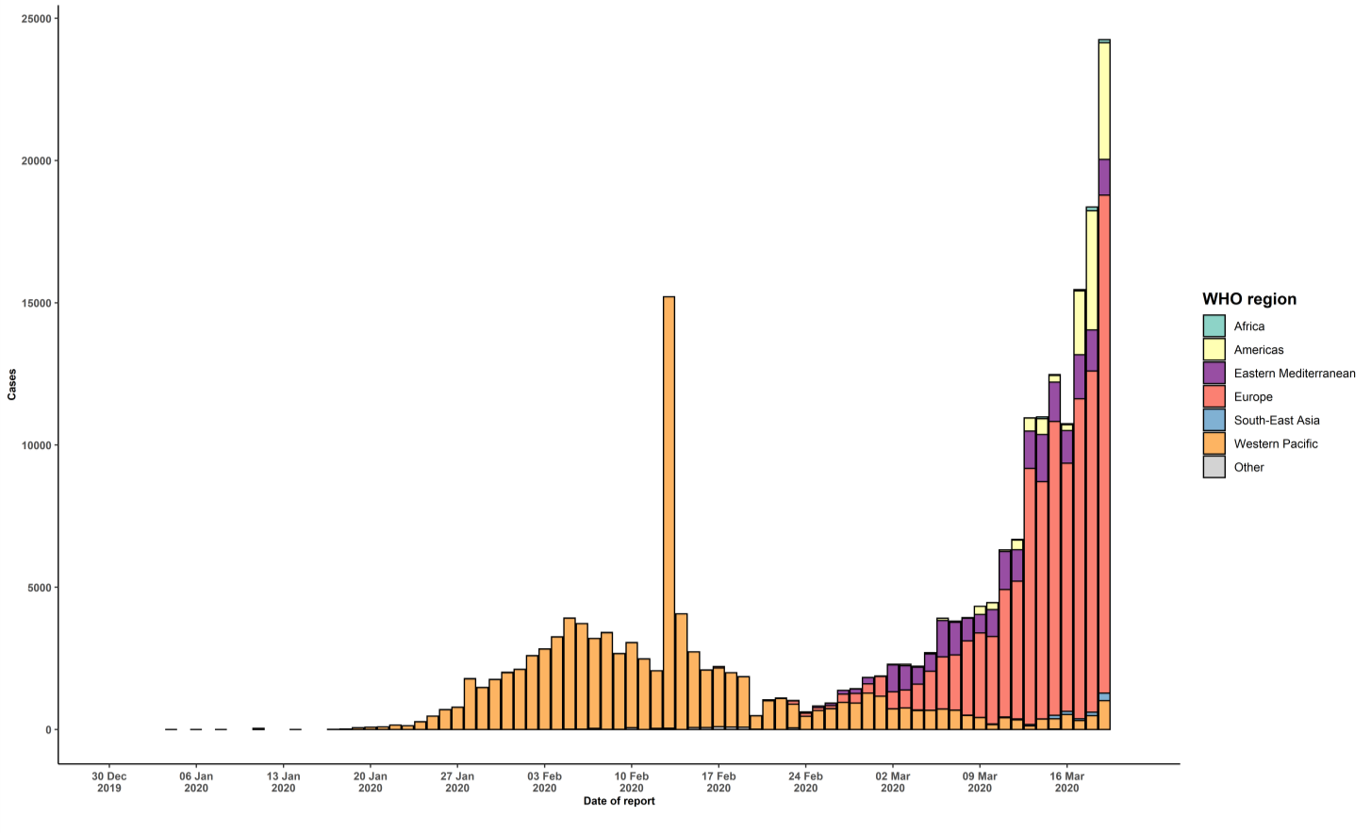
evidence; they may be removed from a given category if interruption of transmission can be demonstrated. It should be noted that even within categories, different countries/territories/areas may have differing degrees of transmission as indicated by the differing numbers of cases and other factors. Not all locations within a given country/territory/area are equally affected. Terms: - Community transmission is evidenced by the inability to relate confirmed cases through chains of transmission for a large number of cases, or by increasing positive tests through sentinel samples (routine systematic testing of respiratory samples from established laboratories). - Local transmission indicates locations where the source of infection is within the reporting location. - Imported cases only indicates locations where all cases have been acquired outside the location of reporting. - Under investigation indicates locations where type of transmission has not been determined for any cases. - Interrupted transmission indicates locations where interruption of transmission has been demonstrated (details to be determined) ** “Territories” include territories, areas, overseas dependencies and other jurisdictions of similar status ††Including 21 (8 new) cases from Kosovo[1] [1] All references to Kosovo should be understood to be in the context of the United Nations Security Council resolution 1244 (1999). Due to differences in reporting methods, retrospective data consolidation, and reporting delays, the number of new cases may not always reflect the exact difference between yesterday’s and today’s totals. WHO COVID-19 Situation Reports present official counts of confirmed COVID-19 cases, thus differences between WHO reports and other sources of COVID-19 data using different inclusion criteria and different data cutoff times are to be expected. New countries/territories/areas are shown in red. Erratum: Table 1 has been updated to include Saint Vi

