page 1
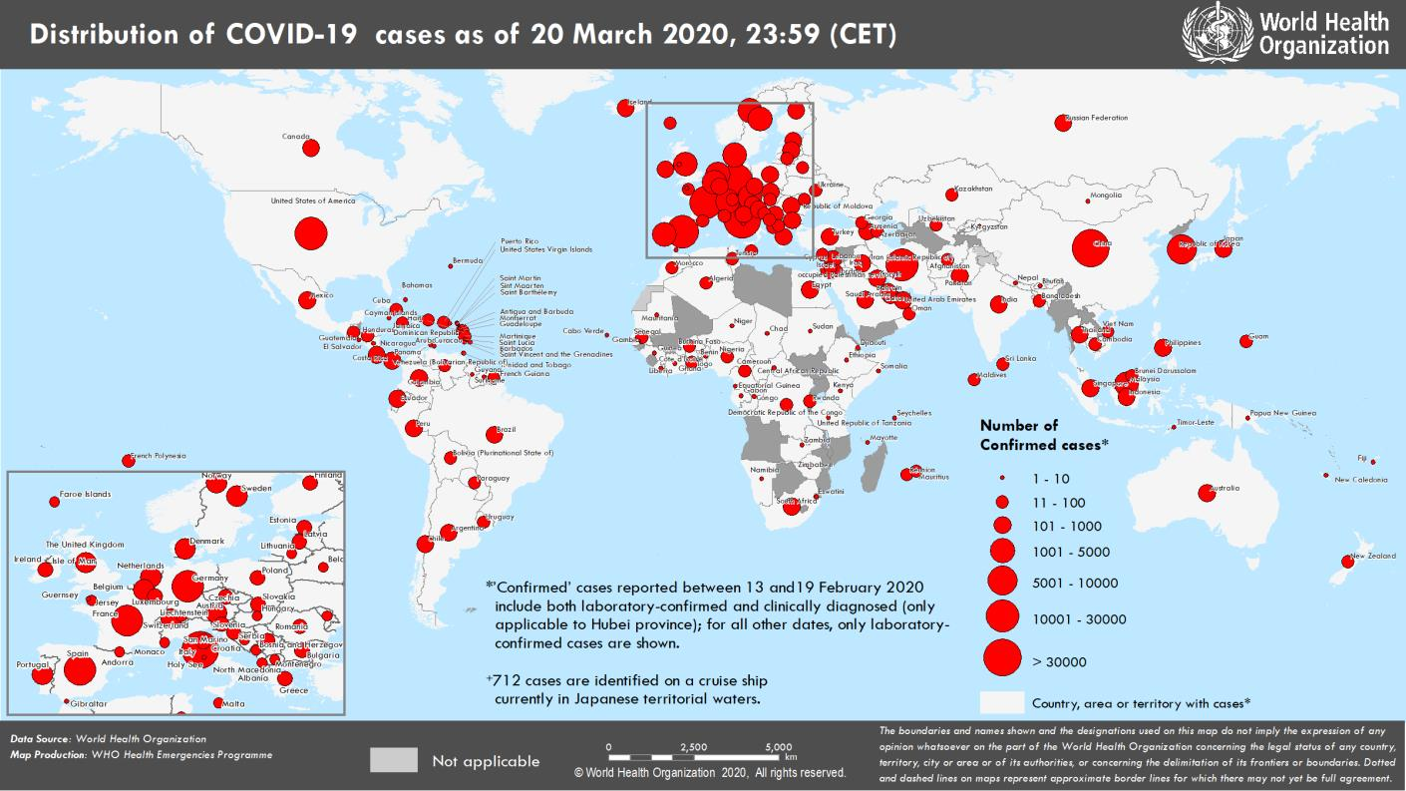
Coronavirus disease 2019 (COVID-19)
Situation Report – 61
Data as reported by national authorities by 23:59 CET 20 March 2020

HIGHLIGHTS • Six new countries/territories/areas (African Region [2], European Region [1], Region of the Americas [1], South East Asia Region [1] and Western Pacific Region [1]) have reported cases of COVID-19. • WHO has updated the case definitions. The full guidance document can be found here and in Case Definitions below. • WHO regional directors of Europe, the Western Pacific and Africa called for global solidarity to fight COVID-19. Ensuring international cooperation, investing in health, and engaging communities are keys to effectively tackle the pandemic. The full briefing can be found here. • Updated technical guidance on critical preparedness, readiness and response; advice on the use of masks; infection prevention and control; and laboratory testing can be found here. • OpenWHO is constantly updating and adding online open courses for COVID- 19 as a resource for health professionals, decision-makers and the public. As of 20 March, more than 500 000 learners have already enrolled. COVID-19 resources are hosted on 2 learning channels: one for courses in official WHO languages here and a second for courses in additional national languages here. | SITUATION IN NUMBERS total (new) cases in last 24 hours Globally 266 073 confirmed (32 000) 11 183 deaths (1343) Western Pacific Region 94 037 confirmed (688) 3426 deaths (21) European Region 128 541 confirmed (23 950) 5999 deaths (1 100) South-East Asia Region 979 confirmed (61) 38 deaths (7) Eastern Mediterranean Region 22 355 confirmed (1596) 1466 deaths (154) Region of the Americas 18 877 confirmed (5606) 235 deaths (57) African Region 572 confirmed (99) 12 deaths (4) WHO RISK ASSESSMENT Global Level Very High

Figure 1. Countries, territories or areas with reported confirmed cases of COVID-19, 20 March 2020

page 6
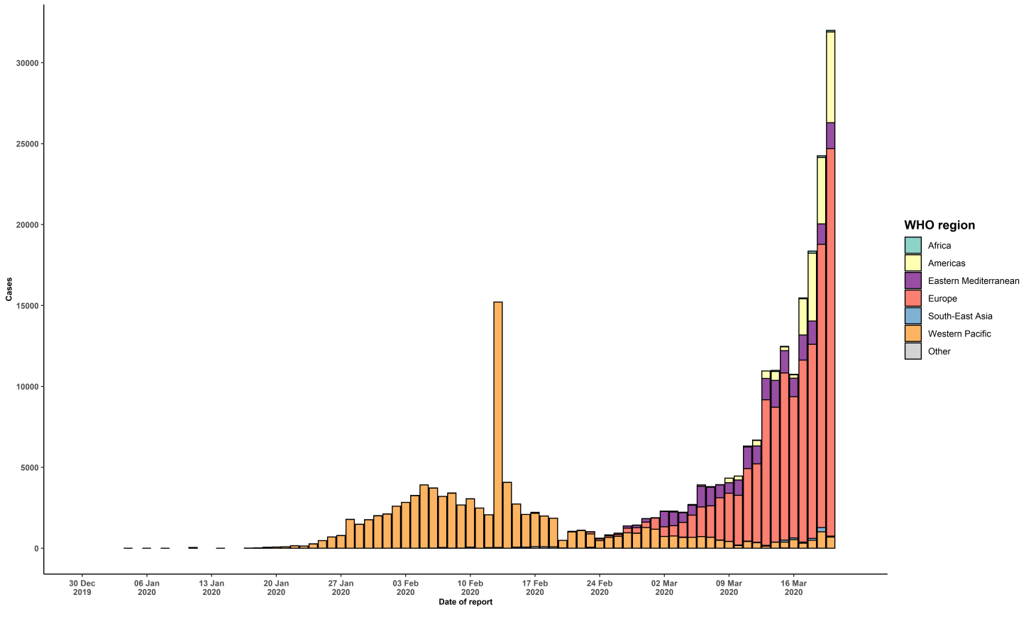
(Diamond Princess)
Grand total | 266073 | 32000 | 11183 | 1343
*Numbers include both domestic and repatriated cases †The designations employed and the presentation of the material in this publication do not imply the expression of any opinion whatsoever on the part of WHO concerning the legal status of any country, territory, city or area or of its authorities, or concerning the delimitation of its frontiers or boundaries. Dotted and dashed lines on maps represent approximate border lines for which there may not yet be full agreement. ‡Case classifications are based on WHO case definitions for COVID-19. §Transmission classification is based on WHO analysis of available official data and may be subject to reclassification as additional data become available. Countries/territories/areas experiencing multiple types of transmission are classified in the highest category for which there is evidence; they may be removed from a given category if interruption of transmission can be demonstrated. It should be noted that even within categories, different countries/territories/areas may have differing degrees of transmission as indicated by the differing numbers of cases and other factors. Not all locations within a given country/territory/area are equally affected. Terms: - Community transmission is evidenced by the inability to relate confirmed cases through chains of transmission for a large number of cases, or by increasing positive tests through sentinel samples (routine systematic testing of respiratory samples from established laboratories). - Local transmission indicates locations where the source of infection is within the reporting location. - Imported cases only indicates locations where all cases have been acquired outside the location of reporting. - Under investigation indicates locations where type of transmission has not been determined for any cases. - Interrupted transmission indicates locations where interruption of transmission has been demonstrated (details to be determined) ** “Terri

