page 1
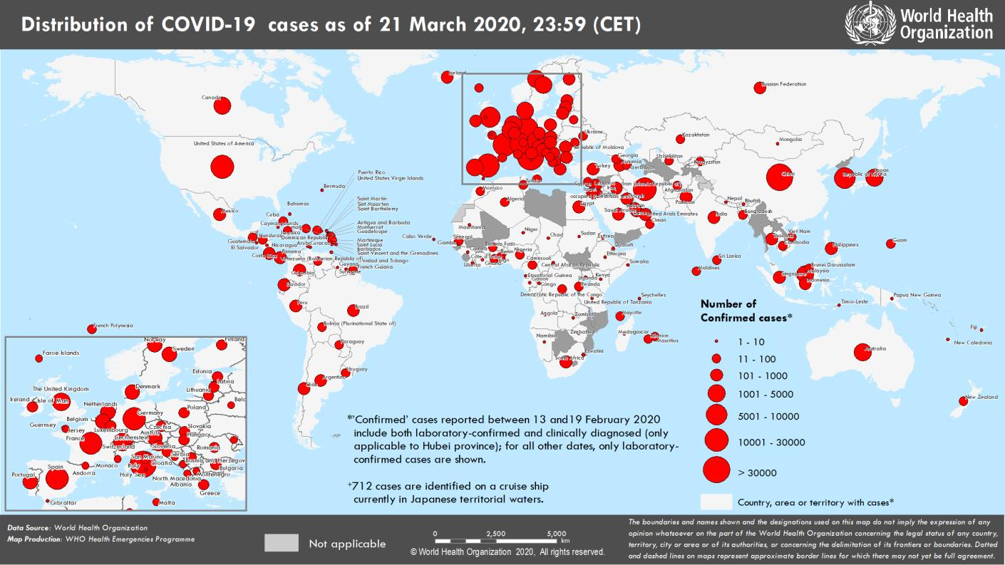
Coronavirus disease 2019 (COVID-19)
Situation Report – 62
Data as reported by national authorities by 23:59 CET 21 March 2020

HIGHLIGHTS • Four new countries/territories/areas from the African Region have reported cases of COVID-19. • As COVID-19 cases continue to increase, many countries are requesting individuals to stay at home in self-quarantine. WHO EURO has released a guide on how to stay physically active during self-quarantine. Information can be found here. • There has been a rise in criminals disguising themselves as WHO to steal money or sensitive information. WHO urges individuals to stay alert and to verify the authenticity of the request. Information on protecting yourselves against scams as well as reporting the scam to WHO can be found here. | SITUATION IN NUMBERS total (new) cases in last 24 hours Globally 292 142 confirmed (26 069) 12 783 deaths (1600) Western Pacific Region 94 787 confirmed (750) 3438 deaths (12) European Region 151 293 confirmed (22 752) 7425 deaths (1426) South-East Asia Region 1257 confirmed (278) 45 deaths (7) Eastern Mediterranean Region 23 669 confirmed (1314) 1596 deaths (130) Region of the Americas 19 685 confirmed (808) 252 deaths (17) African Region 739 confirmed (167) 20 deaths (8) WHO RISK ASSESSMENT Global Level Very High

Figure 1. Countries, territories or areas with reported confirmed cases of COVID-19, 21 March 2020

page 7
Note that the apparent decrease in number of cases may be due to a reporting bias during the weekend.
Figure 2. Epidemic curve of confirmed COVID-19, by date of report and WHO region through 21 March 2020
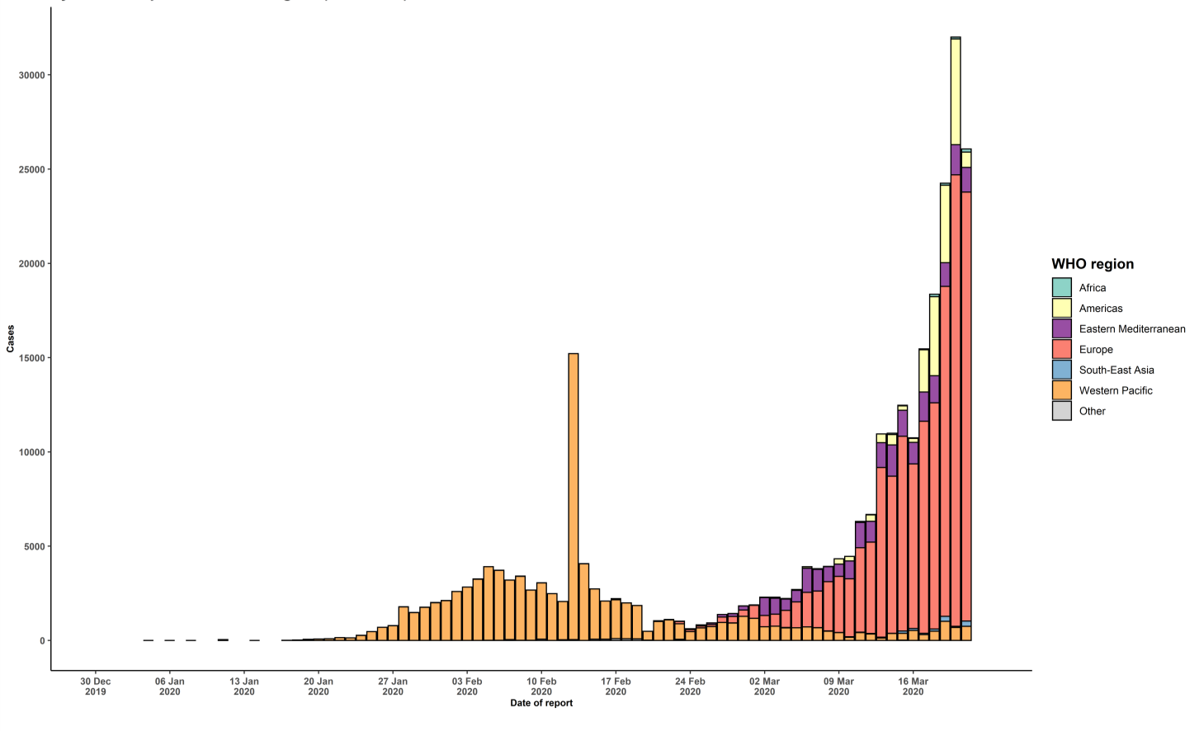

STRATEGIC OBJECTIVES WHO’s strategic objectives for this response are to: • Interrupt human-to-human transmission including reducing secondary infections among close contacts and health care workers, preventing transmission amplification events, and preventing further international spread*; • Identify, isolate and care for patients early, including providing optimized care for infected patients; • Identify and reduce transmission from the animal source; • Address crucial unknowns regarding clinical severity, extent of transmission and infection, treatment options, and accelerate the development of diagnostics, therapeutics and vaccines; • Communicate critical risk and event information to all communities and counter misinformation; • Minimize social and economic impact through multisectoral partnerships. *This can be achieved through a combination of public health measures, such as rapid identification, diagnosis and management of the cases, identification and follow up of the contacts, infection prevention and control in health care settings, implementation of health measures for travelers, awareness-raising in the population and risk communication.

