page 1
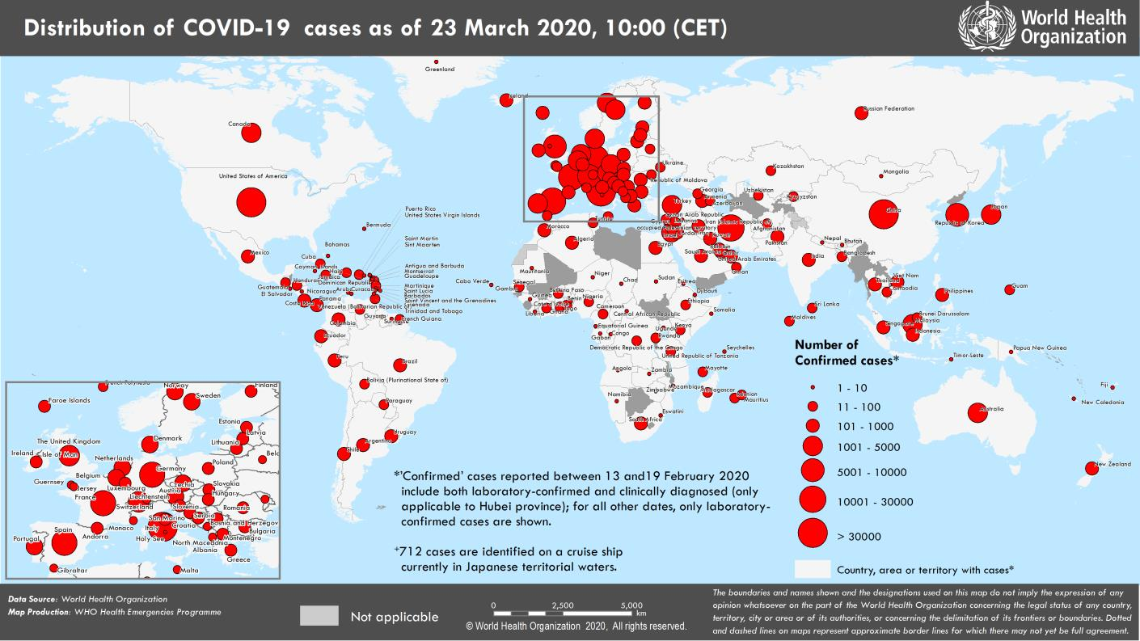
Coronavirus disease 2019 (COVID-19)
Situation Report – 63
Data as reported by national authorities by 10:00 CET 23 March 2020

HIGHLIGHTS • Three new countries/territories/areas from the African Region [1], Region of the Americas [1], and Eastern Mediterranean Region [1], have reported cases of COVID-19. • The number of COVID-19 cases surpassed 300,000 globally. • Data reported are based on information received from national authorities by 10:00 AM CET, 23 March 2020. • Diagnostic testing for COVID-19 is critical to tracking the virus, understanding epidemiology, informing case management, and to suppressing transmission. WHO has updated the Laboratory Testing Strategy document according to the 4Cs transmission scenarios. All technical guidance can be found here. • WHO Regional Office for Europe has published interim guidance on how to deal with COVID-19 in prisons and other places of detention, available here. • World Water Day 2020, celebrated on 22 March, highlighted the essential role of hand washing in hygiene to protect you and those around you. WHO Regional Office for Europe provides more information here. | SITUATION IN NUMBERS total (new) cases in last 24 hours Globally 332 930 confirmed (40 788) 14 509 deaths (1727) Western Pacific Region 95 637 confirmed (850) 3473 deaths (35) European Region 171 424 confirmed (20 131) 8742 deaths (1318) South-East Asia Region 1776 confirmed (519) 58 deaths (13) Eastern Mediterranean Region 25 375 confirmed (1706) 1741 deaths (145) Region of the Americas 37 016 confirmed (17 331) 465 deaths (213) African Region 990 confirmed (251) 23 deaths (3) WHO RISK ASSESSMENT Global Level Very High

Figure 1. Countries, territories or areas with reported confirmed cases of COVID-19, 23 March 2020

page 7
Figure 2. Epidemic curve of confirmed COVID-19, by date of report and WHO region through 23 March 2020
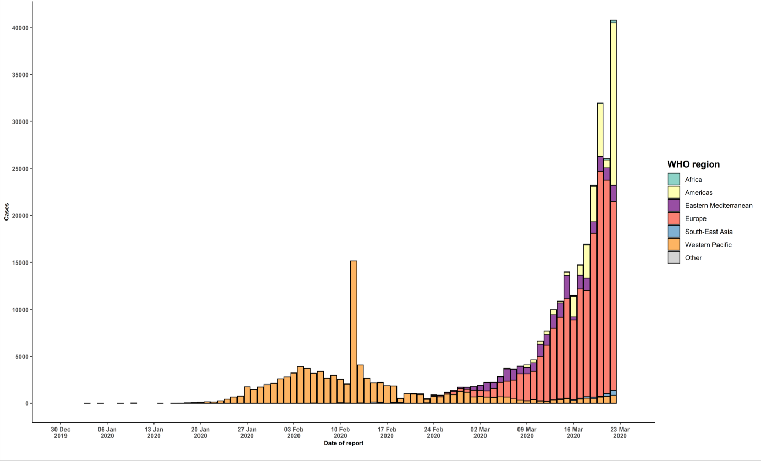

STRATEGIC OBJECTIVES WHO’s strategic objectives for this response are to: • Interrupt human-to-human transmission including reducing secondary infections among close contacts and health care workers, preventing transmission amplification events, and preventing further international spread*; • Identify, isolate and care for patients early, including providing optimized care for infected patients; • Identify and reduce transmission from the animal source; • Address crucial unknowns regarding clinical severity, extent of transmission and infection, treatment options, and accelerate the development of diagnostics, therapeutics and vaccines; • Communicate critical risk and event information to all communities and counter misinformation; • Minimize social and economic impact through multisectoral partnerships. *This can be achieved through a combination of public health measures, such as rapid identification, diagnosis and management of the cases, identification and follow up of the contacts, infection prevention and control in health care settings, implementation of health measures for travelers, awareness-raising in the population and risk communication.

