page 1
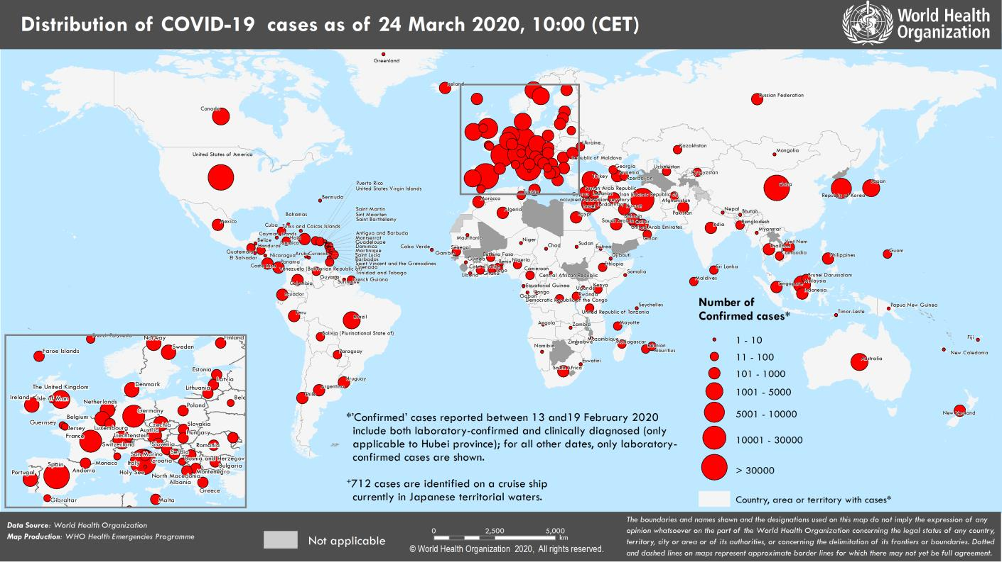
Coronavirus disease 2019 (COVID-19)
Situation Report – 64
Data as reported by national authorities by 10:00 CET 24 March 2020

HIGHLIGHTS • Four new countries/territories/areas from the South-East Asia Region [1], and Region of the Americas [3] have reported cases of COVID-19. • WHO has delivered a new shipment of emergency medical supplies to the Islamic Republic of Iran as part of COVID-19 response measures. Details can be found on the WHO Regional Office for the Eastern Mediterranean here. • The WHO WhatsApp Health Alert has now attracted 10 million users since launching Friday, and the COVID-19 Solidarity Response Fund has raised more than US$70 million, in just 10 days. The media briefing can be found here. • WHO and FIFA launched a joint campaign to equip the football community to tackle COVID-19. This awareness campaign calls on all people around the world to follow the five key steps to stop the spread of the disease. More information can be found here. • WHO and its partners are constantly working to strengthen the chains of essential COVID-19 supplies. As global demand rises, WHO and its partners aim to ensure assistance to areas most in need. More information can be found in Subject in Focus. | SITUATION IN NUMBERS total (new) cases in last 24 hours Globally 372 755 confirmed (39 825) 16 231 deaths (1722) Western Pacific Region 96 580 confirmed (943) 3502 deaths (29) European Region 195 509 confirmed (24 085) 10 189 deaths (1447) South-East Asia Region 1990 confirmed (214) 65 deaths (7) Eastern Mediterranean Region 27 215 confirmed (1840) 1877 deaths (136) Region of the Americas 49 444 confirmed (12 428) 565 deaths (100) African Region 1305 confirmed (315) 26 deaths (3) WHO RISK ASSESSMENT Global Level Very High

Figure 1. Countries, territories or areas with reported confirmed cases of COVID-19, 24 March 2020

page 8
Figure 2. Epidemic curve of confirmed COVID-19, by date of report and WHO region through 24 March 2020
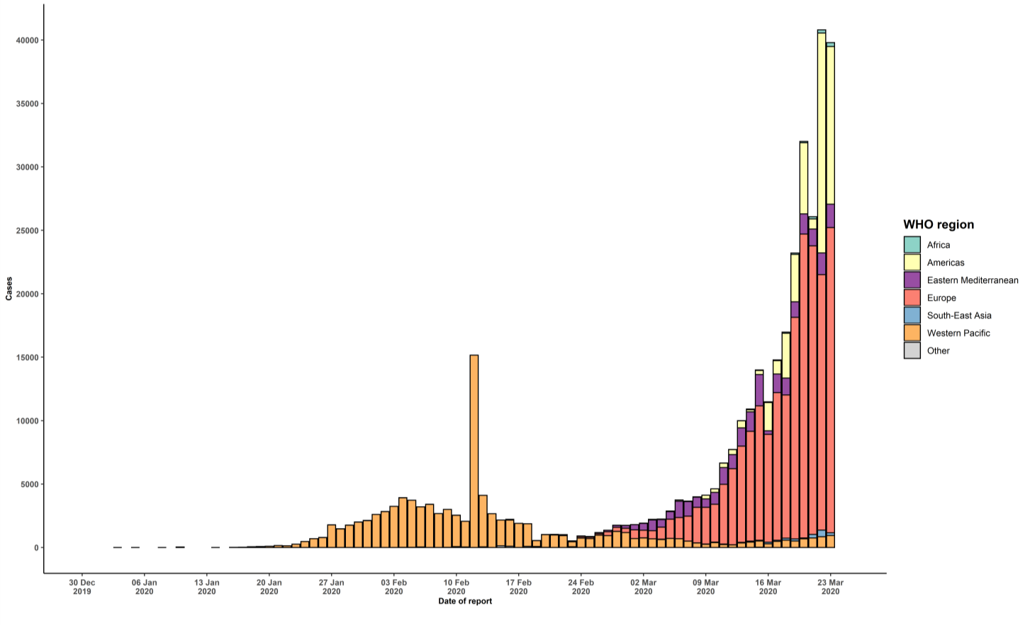

STRATEGIC OBJECTIVES WHO’s strategic objectives for this response are to: • Interrupt human-to-human transmission including reducing secondary infections among close contacts and health care workers, preventing transmission amplification events, and preventing further international spread*; • Identify, isolate and care for patients early, including providing optimized care for infected patients; • Identify and reduce transmission from the animal source; • Address crucial unknowns regarding clinical severity, extent of transmission and infection, treatment options, and accelerate the development of diagnostics, therapeutics and vaccines; • Communicate critical risk and event information to all communities and counter misinformation; • Minimize social and economic impact through multisectoral partnerships. *This can be achieved through a combination of public health measures, such as rapid identification, diagnosis and management of the cases, identification and follow up of the contacts, infection prevention and control in health care settings, implementation of health measures for travelers, awareness-raising in the population and risk communication.

