page 1
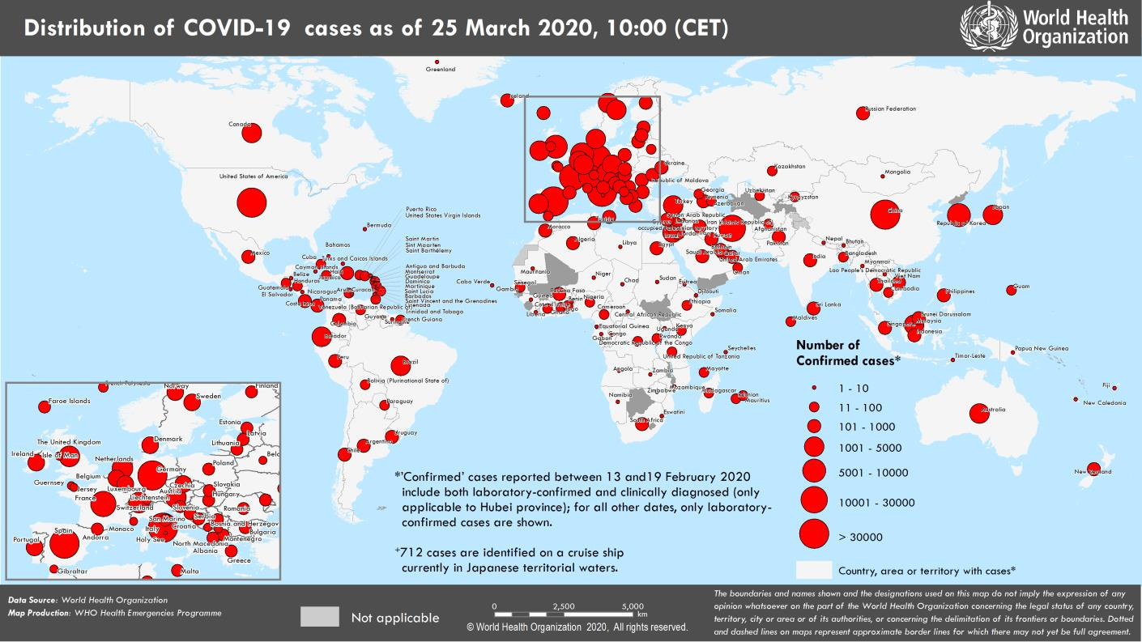
Coronavirus disease 2019 (COVID-19)
Situation Report – 65
Data as reported by national authorities by 10:00 CET 25 March 2020

HIGHLIGHTS • Two new countries/territories/areas from the Western Pacific Region [1], and Eastern Mediterranean Region [1] have reported cases of COVID-19. • OpenWHO released its introductory video on COVID-19 in Indian sign language yesterday, which is the first sign language resource on the platform. The video already has nearly 900 enrolments. Courses in additional languages can be found here. • As the world tackles the COVID-19 pandemic, it is important to ensure that essential health services and operations continue to be available to protect the lives of people with malaria, TB and other diseases or health conditions. More information can be found here and here. • EPI-WIN, WHO’s information network for epidemics, makes easy-to- understand advice and information available on a dedicated page on the WHO website. EPI-WIN is also providing employers and workers with timely information through regular calls. More information can be found on the web here and in Subject in Focus. | SITUATION IN NUMBERS total (new) cases in last 24 hours Globally 413 467 confirmed (40 712) 18 433 deaths (2202) Western Pacific Region 97 766 confirmed (1186) 3518 deaths (16) European Region 220 516 confirmed (25 007) 11 986 deaths (1797) South-East Asia Region 2344 confirmed (354) 72 deaths (7) Eastern Mediterranean Region 29 631 confirmed (2416) 2008 deaths (131) Region of the Americas 60 834 confirmed (11 390) 813 deaths (248) African Region 1664 confirmed (359) 29 deaths (3) WHO RISK ASSESSMENT Global Level Very High

Figure 1. Countries, territories or areas with reported confirmed cases of COVID-19, 25 March 2020

page 9
Figure 2. Epidemic curve of confirmed COVID-19, by date of report and WHO region through 25 March 2020
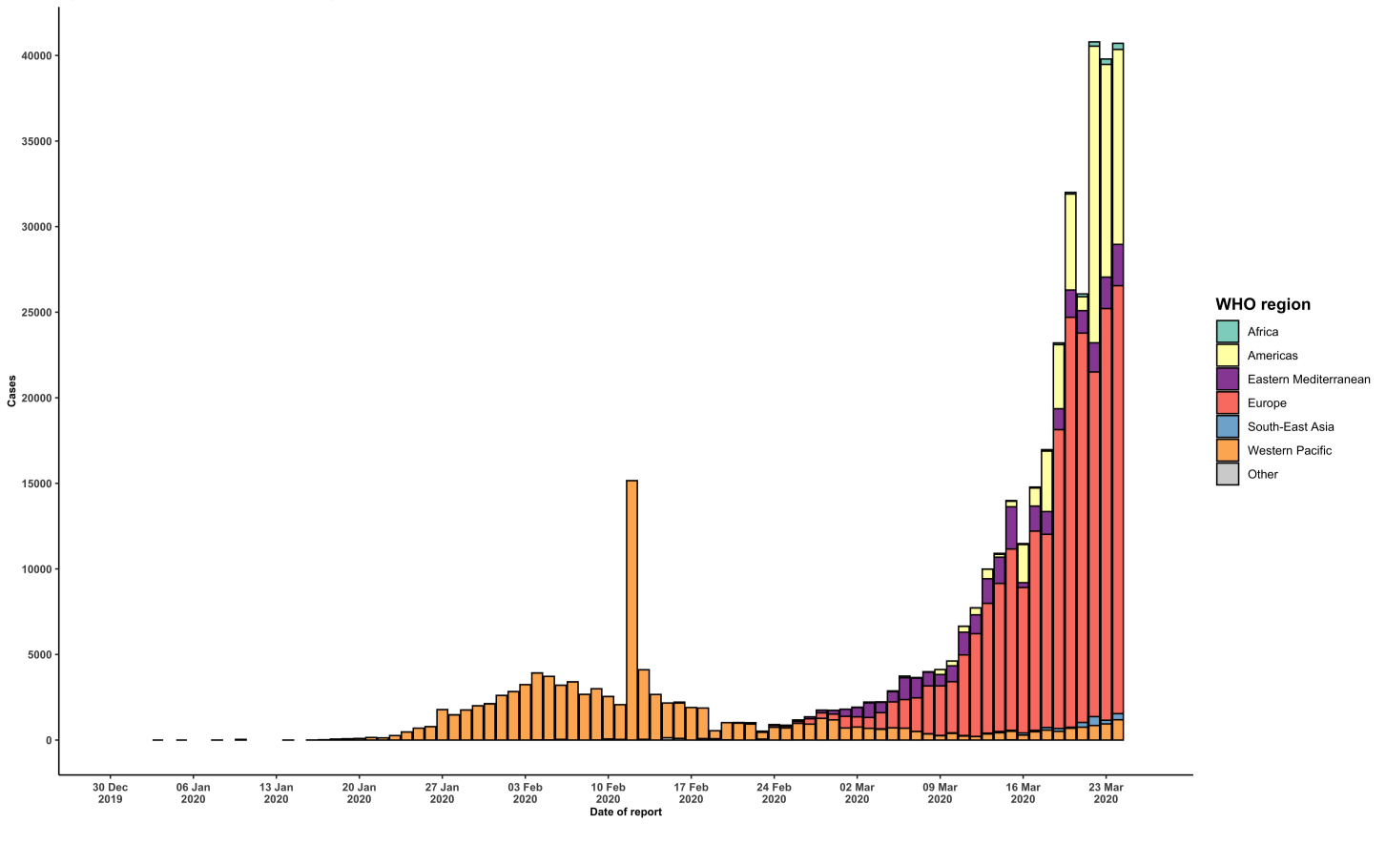

STRATEGIC OBJECTIVES WHO’s strategic objectives for this response are to: • Interrupt human-to-human transmission including reducing secondary infections among close contacts and health care workers, preventing transmission amplification events, and preventing further international spread*; • Identify, isolate and care for patients early, including providing optimized care for infected patients; • Identify and reduce transmission from the animal source; • Address crucial unknowns regarding clinical severity, extent of transmission and infection, treatment options, and accelerate the development of diagnostics, therapeutics and vaccines; • Communicate critical risk and event information to all communities and counter misinformation; • Minimize social and economic impact through multisectoral partnerships. *This can be achieved through a combination of public health measures, such as rapid identification, diagnosis and management of the cases, identification and follow up of the contacts, infection prevention and control in health care settings, implementation of health measures for travelers, awareness-raising in the population and risk communication.

