page 1
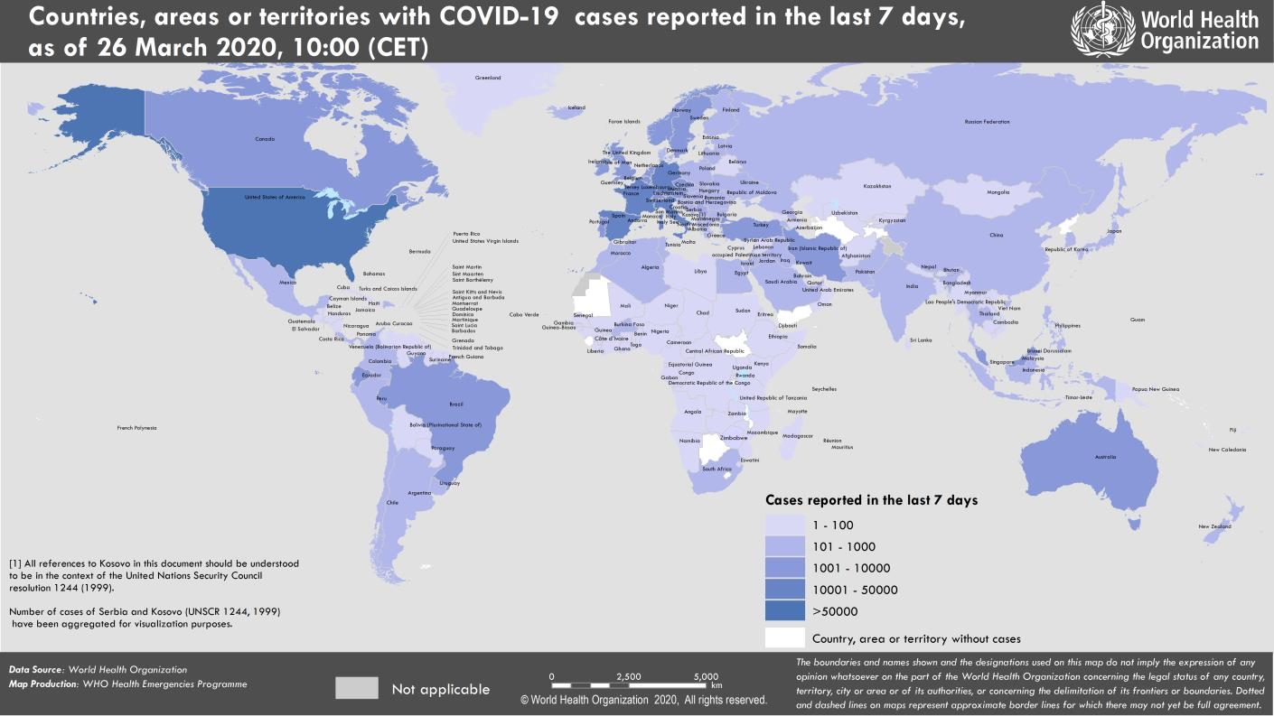
Coronavirus disease 2019 (COVID-19)
Situation Report – 66
Data as reported by national authorities by 10:00 CET 26 March 2020

HIGHLIGHTS • Three new countries/territories/areas from the Region of the Americas [1], and African Region [2] have reported cases of COVID-19. • The United Nations launched a US$2 billion COVID-19 Global Humanitarian Response Plan to support the world’s most vulnerable countries. More information can be found here. • The WHO Director-General mentioned many key issues and action steps to effectively combat COVID-19, as well as maintaining physical distance but not social distance. More information can be found here. • WHO published the COVID-19: Operational guidance for maintaining essential health services during an outbreak and the Handbook for public health capacity-building at ground crossings and cross-border collaboration on 25 March 2020. All guidance documents can be found here. • In line with current evidence, WHO maintains the recommendations of droplet and contact precautions for healthcare workers caring for COVID-19 patients. For those performing aerosol generating procedures, WHO recommends airborne and contact precautions. The use of medical masks, eye protection, gloves and gown are required for direct patient care; respirator masks are specifically required for aerosol generating procedures. Greater detail can be found in “Subject in Focus” below. | SITUATION IN NUMBERS total (new) cases in last 24 hours Globally 462 684 confirmed (49 219) 20 834 deaths (2401) Western Pacific Region 99 058 confirmed (1292) 3540 deaths (22) European Region 250 287 confirmed (29 771) 13 950 deaths (1964) South-East Asia Region 2536 confirmed (192) 79 deaths (7) Eastern Mediterranean Region 32 442 confirmed (2811) 2162 deaths (154) Region of the Americas 75 712 confirmed (14 878) 1065 deaths (252) African Region 1937 confirmed (275) 31 deaths (2) WHO RISK ASSESSMENT Global Level Very High

Figure 1. Countries, territories or areas with reported confirmed cases of COVID-19, 26 March 2020

page 8
Figure 2. Epidemic curve of confirmed COVID-19, by date of report and WHO region through 26 March 2020
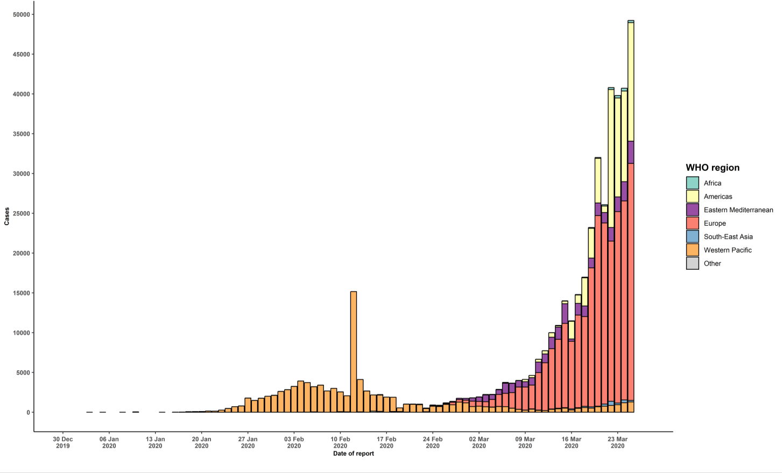

STRATEGIC OBJECTIVES WHO’s strategic objectives for this response are to: • Interrupt human-to-human transmission including reducing secondary infections among close contacts and health care workers, preventing transmission amplification events, and preventing further international spread*; • Identify, isolate and care for patients early, including providing optimized care for infected patients; • Identify and reduce transmission from the animal source; • Address crucial unknowns regarding clinical severity, extent of transmission and infection, treatment options, and accelerate the development of diagnostics, therapeutics and vaccines; • Communicate critical risk and event information to all communities and counter misinformation; • Minimize social and economic impact through multisectoral partnerships. *This can be achieved through a combination of public health measures, such as rapid identification, diagnosis and management of the cases, identification and follow up of the contacts, infection prevention and control in health care settings, implementation of health measures for travelers, awareness-raising in the population and risk communication.

