page 1
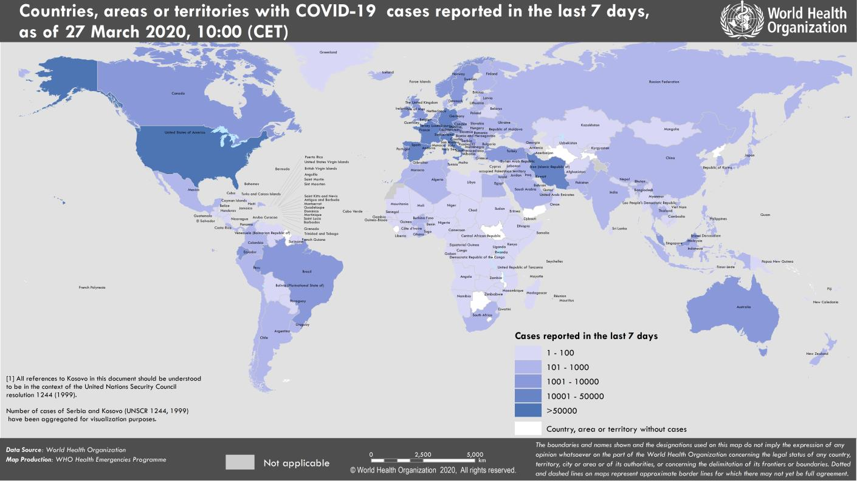
Coronavirus disease 2019 (COVID-19)
Situation Report – 67
Data as reported by national authorities by 10:00 CET 27 March 2020

HIGHLIGHTS • Two new countries/territories/areas from the Region of the Americas [2] have reported cases of COVID-19. • The total global number of COVID-19 cases has surpassed 500 000. • Addressing the Extraordinary Summit on COVID-19, the WHO Director-General called on G20 leaders to fight, unite, and ignite against COVID-19. More information can be found here. • WHO concluded the technical support mission to Egypt on 25 March 2020. More information can be found on the Eastern Mediterranean Regional Office site here. • OpenWHO celebrates 1 million enrollments today. Seventy percent of the total enrollments are on COVID-19 resources, reflecting the critical role the platform is playing in supporting the response to the pandemic. On 25 March, a new course was launched describing how to design and operate treatment centres for the COVID-19 pandemic. COVID-19 resources are hosted on two learning channels: one for courses in official WHO languages here and a second for courses in additional national languages here. • The number of countries implementing additional health measures that significantly interfere with international traffic has increased since the declaration of COVID-19 as a public health emergency of international concern. The United Nations World Tourism Organization launched a Crisis Committee to review the impact of the outbreak on the aviation, shipping and tourism sectors and propose innovative solutions for recovery. Greater detail can be found in Subject in Focus overleaf. | SITUATION IN NUMBERS total (new) cases in last 24 hours Globally 509 164 confirmed (46 484) 23 335 deaths (2501) Western Pacific Region 100 018 confirmed (960) 3567 deaths (27) European Region 286 697 confirmed (36 414) 16 105 deaths (2155) South-East Asia Region 2932 confirmed (396) 105 deaths (26) Eastern Mediterranean Region 35 249 confirmed (2807) 2336 deaths (174) Region of the Americas 81 137 confirmed (5425) 1176 deaths (111) African Region 2419 confirmed (482) 39 deaths (8) WHO RISK ASSESSMENT Global Level Very High

Figure 1. Countries, territories or areas with reported confirmed cases of COVID-19, 27 March 2020

page 3
Figure 1. Cumulative number of reported additional health measures WHO has maintained weekly technical coordination with the aviation and tourism sectors. Interim guidance on the management of ill travellers at Points of Entry was published on 19 March. IATA recently published the third economic analysis, providing estimates of the economic impact of these travel restrictions. On 25 March, the UN World Tourism Organization launched a Crisis Committee, bringing together actors from the aviation, shipping and tourism sectors to review the impact of the outbreak on these sectors and propose innovative solutions for recovery. WHO has a technical advisory role in this committee.

Cumulative # of reported measures
800
700
600
500
400
300
200
100
0

page 9
Figure 2. Epidemic curve of confirmed COVID-19, by date of report and WHO region through 27 March 2020
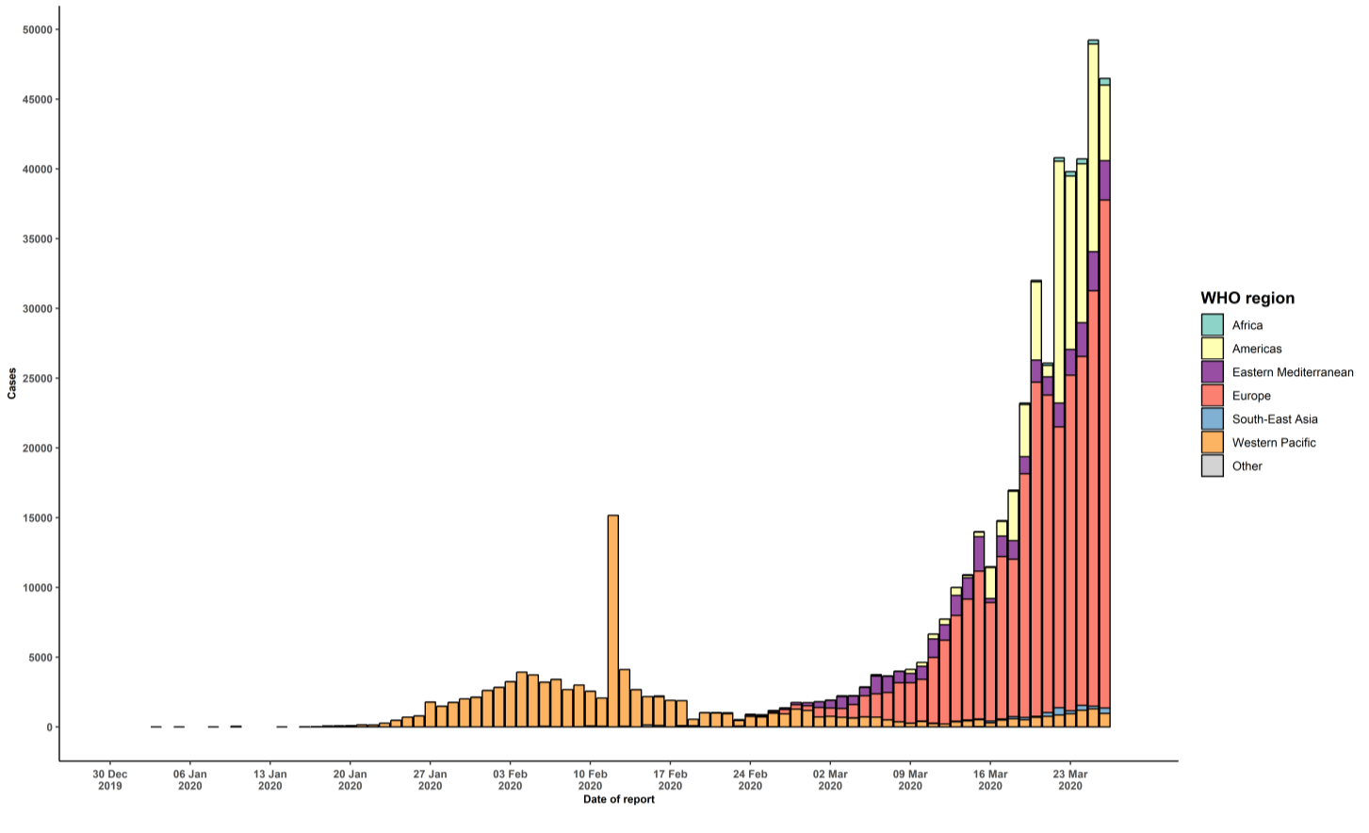

STRATEGIC OBJECTIVES WHO’s strategic objectives for this response are to: • Interrupt human-to-human transmission including reducing secondary infections among close contacts and health care workers, preventing transmission amplification events, and preventing further international spread*; • Identify, isolate and care for patients early, including providing optimized care for infected patients; • Identify and reduce transmission from the animal source; • Address crucial unknowns regarding clinical severity, extent of transmission and infection, treatment options, and accelerate the development of diagnostics, therapeutics and vaccines; • Communicate critical risk and event information to all communities and counter misinformation; • Minimize social and economic impact through multisectoral partnerships. *This can be achieved through a combination of public health measures, such as rapid identification, diagnosis and management of the cases, identification and follow up of the contacts, infection prevention and control in health care settings, implementation of health measures for travelers, awareness-raising in the population and risk communication.

