page 1
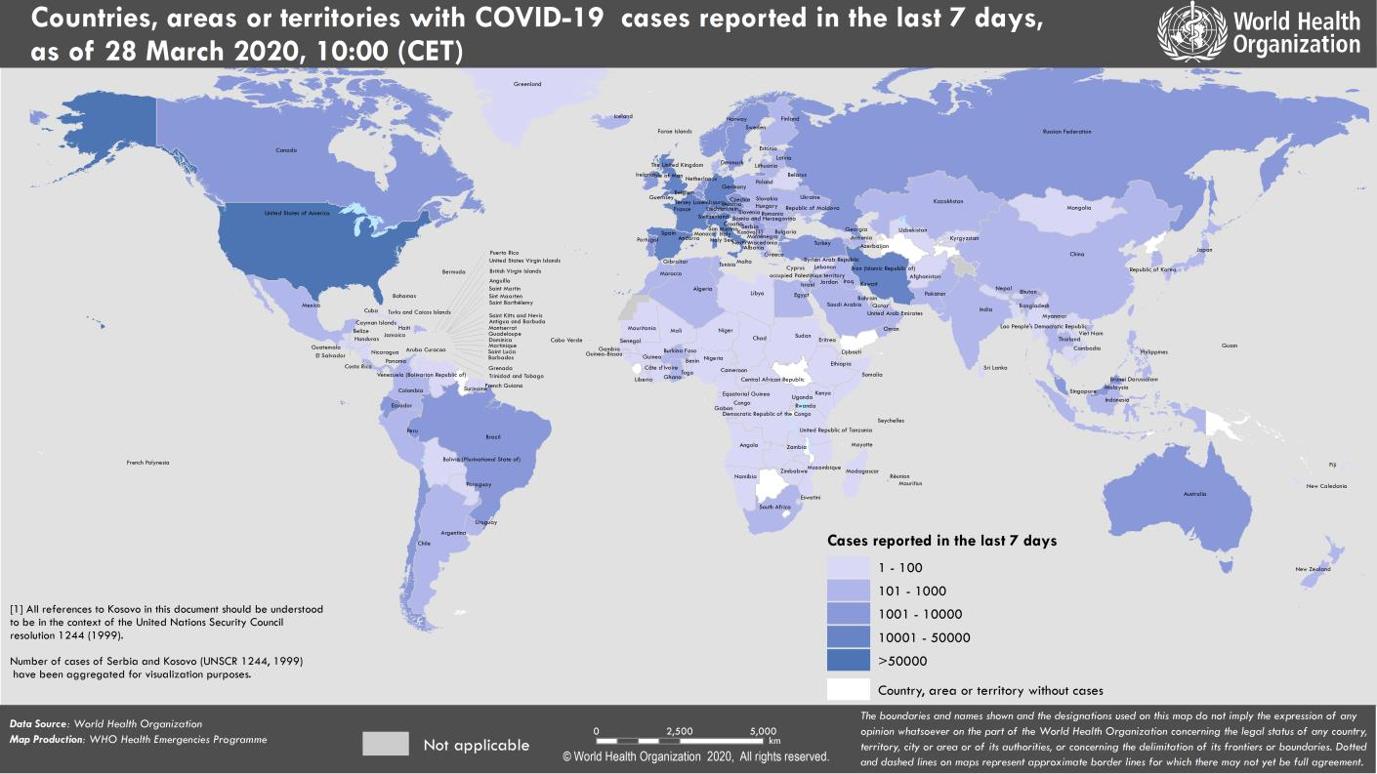
Coronavirus disease 2019 (COVID-19)
Situation Report – 68
Data as reported by national authorities by 10:00 CET 28 March 2020

HIGHLIGHTS • No new countries/territories/areas reported cases of COVID-19 in the past 24 hours. • The WHO Director-General highlighted in his media briefing yesterday that the chronic global shortage of personal protective equipment (PPE) is one of the most urgent threats to our collective ability to save lives. To date, WHO has shipped almost 2 million individual items of PPE to 74 countries and is preparing to send a similar amount to a further 60 countries. The Director- General’s opening remarks at the media briefing can be found here. • Today, WHO published the first edition of the practical manual to set up and manage a severe acute respiratory infection (SARI) treatment centre and a SARI screening facility in health-care facilities. The document has been developed to meet the operational needs emerging with the COVID-19 pandemic. For more details, please see the document here. | SITUATION IN NUMBERS total (new) cases in last 24 hours Globally 571 678 confirmed (62 514) 26 494 deaths (3159) Western Pacific Region 101 462 confirmed (1444) 3592 deaths (25) European Region 324 343 confirmed (37 646) 18 740 deaths (2635) South-East Asia Region 3085 confirmed (153) 114 deaths (09) Eastern Mediterranean Region 38 931 confirmed (3682) 2508 deaths (172) Region of the Americas 100 314 confirmed (19 177) 1485 deaths (309) African Region 2831 confirmed (412) 48 deaths (09) WHO RISK ASSESSMENT Global Level Very High

Figure 1. Countries, territories or areas with reported confirmed cases of COVID-19, 28 March 2020

page 7
Figure 1. Epidemic curve of confirmed COVID-19, by date of report and WHO region through 28 March 2020
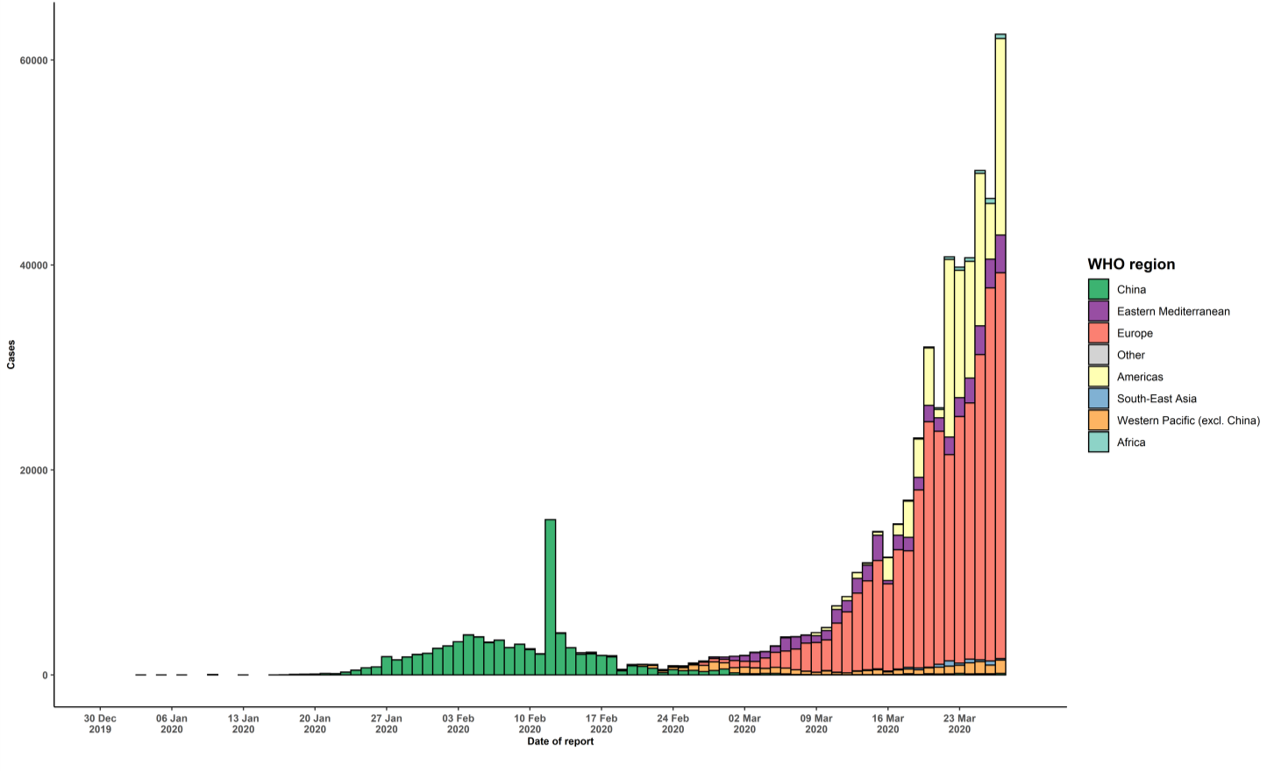

STRATEGIC OBJECTIVES WHO’s strategic objectives for this response are to: • Interrupt human-to-human transmission including reducing secondary infections among close contacts and health care workers, preventing transmission amplification events, and preventing further international spread*; • Identify, isolate and care for patients early, including providing optimized care for infected patients; • Identify and reduce transmission from the animal source; • Address crucial unknowns regarding clinical severity, extent of transmission and infection, treatment options, and accelerate the development of diagnostics, therapeutics and vaccines; • Communicate critical risk and event information to all communities and counter misinformation; • Minimize social and economic impact through multisectoral partnerships. *This can be achieved through a combination of public health measures, such as rapid identification, diagnosis and management of the cases, identification and follow up of the contacts, infection prevention and control in health care settings, implementation of health measures for travelers, awareness-raising in the population and risk communication.

