page 1
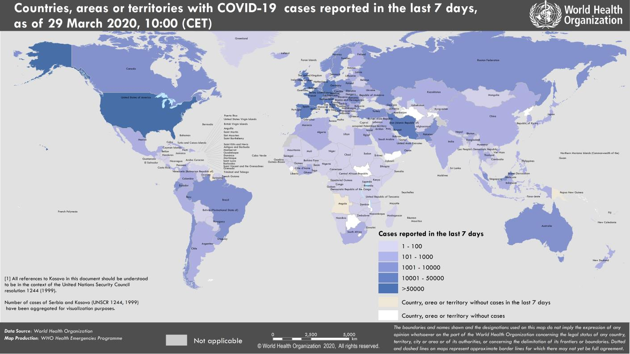
Coronavirus disease 2019 (COVID-19)
Situation Report – 69
Data as reported by national authorities by 10:00 CET 29 March 2020

HIGHLIGHTS • One new country/territory/area reported cases of COVID-19 in the past 24 hours: The Commonwealth of the Northern Mariana Islands. • The COVID-19 Solidarity Fund has now received donations of more than US$ 108 million, from 203,000 individuals and organizations. To donate and for more information: https://www.who.int/emergencies/diseases/novel- coronavirus-2019/donate. • WHO, together with national authorities, is monitoring the impact of the COVID-19 pandemic on people’s mental health, and providing information and guidance to governments and the public. On 27 March, WHO European Region published an article on mental health and psychological resilience during the COVID-19 pandemic; highlighting the potential mental health impacts on children and the elderly. For more information, http://www.euro.who.int/en/health-topics/health-emergencies/coronavirus- covid-19/news/news/2020/3/mental-health-and-psychological-resilience- during-the-covid-19-pandemic. | SITUATION IN NUMBERS total (new) cases in last 24 hours Globally 634 835 confirmed (63 159) 29 957 deaths (3464) Western Pacific Region 102 803 confirmed (1343) 3626 deaths (34) European Region 361 031 confirmed (36 688) 21 493 deaths (2753) South-East Asia Region 3709 confirmed (624) 139 deaths (25) Eastern Mediterranean Region 42 777 confirmed (3846) 2668 deaths (160) Region of the Americas 120 798 confirmed (20 484) 1973 deaths (488) African Region 3005 confirmed (174) 51 deaths (04) WHO RISK ASSESSMENT Global Level Very High

Figure 1. Countries, territories or areas with reported confirmed cases of COVID-19, 29 March 2020

page 7
Figure 1. Epidemic curve of confirmed COVID-19, by date of report and WHO region through 29 March 2020
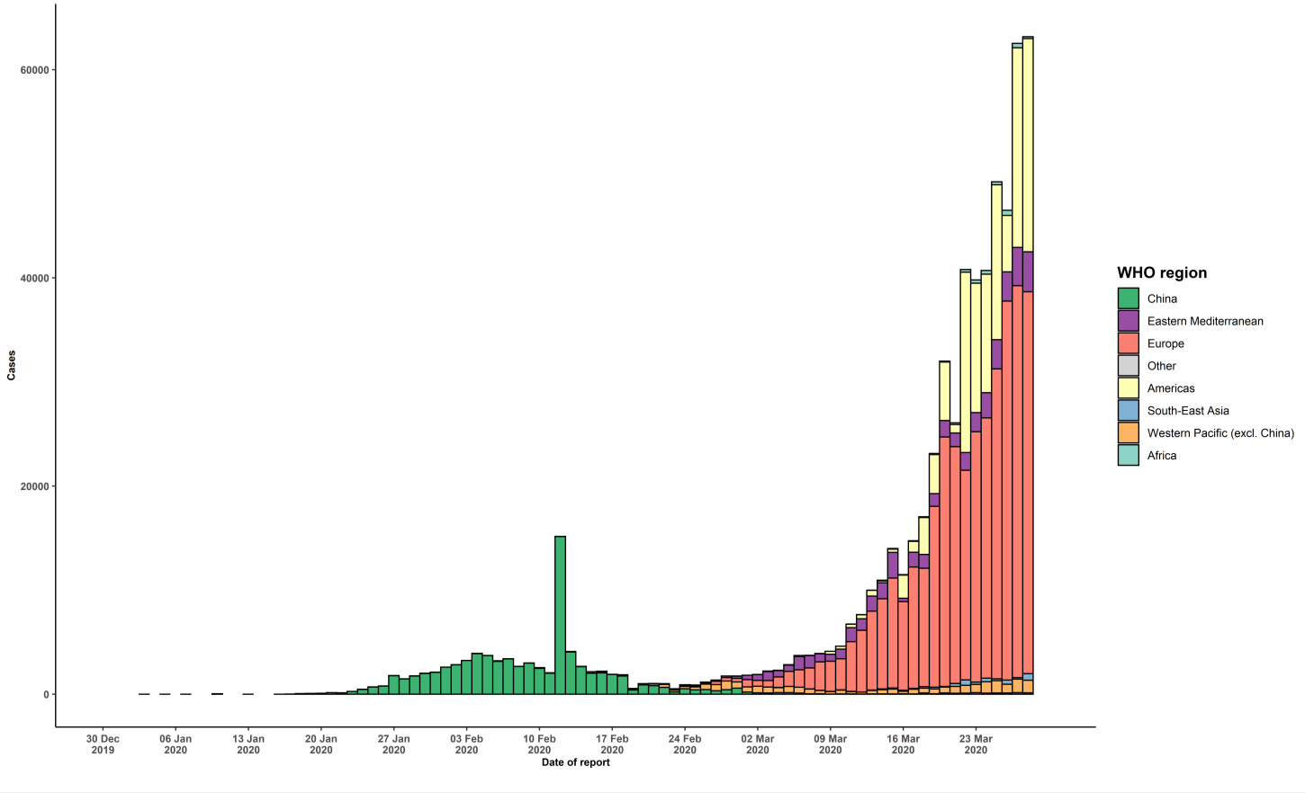

STRATEGIC OBJECTIVES WHO’s strategic objectives for this response are to: • Interrupt human-to-human transmission including reducing secondary infections among close contacts and health care workers, preventing transmission amplification events, and preventing further international spread*; • Identify, isolate and care for patients early, including providing optimized care for infected patients; • Identify and reduce transmission from the animal source; • Address crucial unknowns regarding clinical severity, extent of transmission and infection, treatment options, and accelerate the development of diagnostics, therapeutics and vaccines; • Communicate critical risk and event information to all communities and counter misinformation; • Minimize social and economic impact through multisectoral partnerships. *This can be achieved through a combination of public health measures, such as rapid identification, diagnosis and management of the cases, identification and follow up of the contacts, infection prevention and control in health care settings, implementation of health measures for travelers, awareness-raising in the population and risk communication.

