page 1
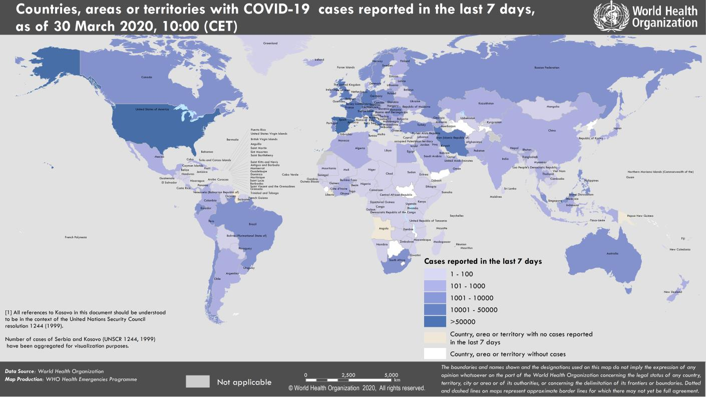
Coronavirus disease 2019 (COVID-19)
Situation Report – 70
Data as reported by national authorities by 10:00 CET 30 March 2020

HIGHLIGHTS • No new countries/territories/areas reported cases of COVID-19 in the past 24 hours. • WHO has updated the operational planning guidelines to help countries maintain essential health services during the COVID-19 pandemic. The document includes a set of immediate actions that countries should consider at national, regional, and local level to reorganize and maintain access to high- quality essential health services for all. For more information: https://www.who.int/publications-detail/covid-19-operational-guidance-for- maintaining-essential-health-services-during-an-outbreak | SITUATION IN NUMBERS total (new) cases in last 24 hours Globally 693 224 confirmed (58 411) 33 106 deaths (3215) Western Pacific Region 103 775 confirmed (987) 3649 deaths (23) European Region 392 757 confirmed (31 726) 23 962 deaths (2535) South-East Asia Region 4084 confirmed (375) 158 deaths (19) Eastern Mediterranean Region 46 329 confirmed (3552) 2813 deaths (145) Region of the Americas 142 081 confirmed (21 289) 2457 deaths (484) African Region 3486 confirmed (482) 60 deaths (09) WHO RISK ASSESSMENT Global Level Very High

Figure 1. Countries, territories or areas with reported confirmed cases of COVID-19, 30 March 2020

page 7
Figure 1. Epidemic curve of confirmed COVID-19, by date of report and WHO region through 30 March 2020
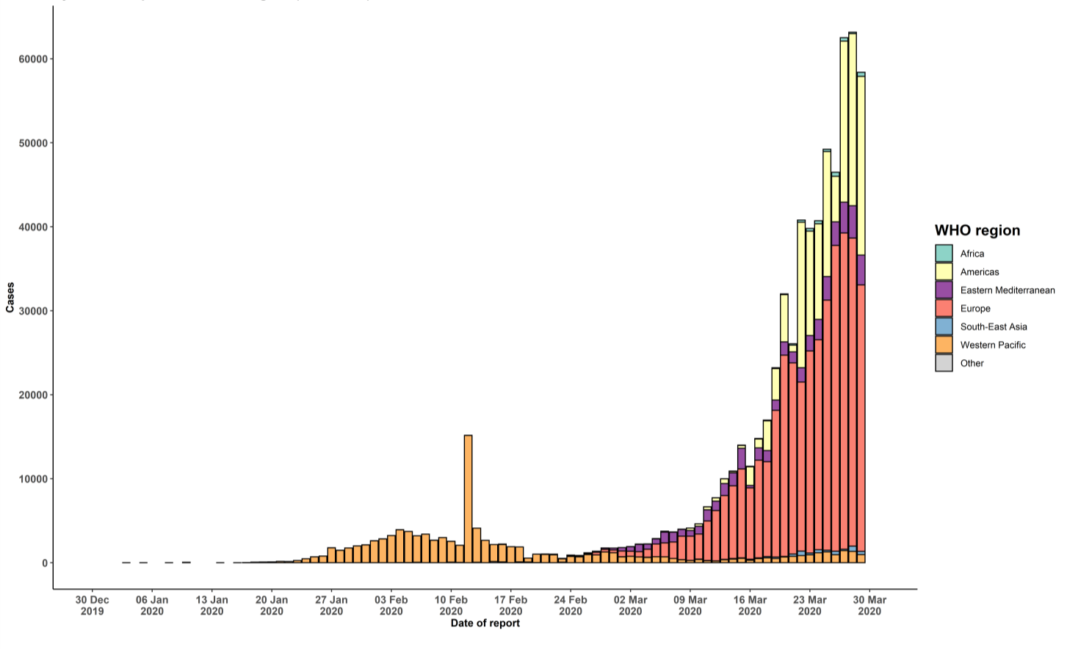

STRATEGIC OBJECTIVES WHO’s strategic objectives for this response are to: • Interrupt human-to-human transmission including reducing secondary infections among close contacts and health care workers, preventing transmission amplification events, and preventing further international spread*; • Identify, isolate and care for patients early, including providing optimized care for infected patients; • Identify and reduce transmission from the animal source; • Address crucial unknowns regarding clinical severity, extent of transmission and infection, treatment options, and accelerate the development of diagnostics, therapeutics and vaccines; • Communicate critical risk and event information to all communities and counter misinformation; • Minimize social and economic impact through multisectoral partnerships. *This can be achieved through a combination of public health measures, such as rapid identification, diagnosis and management of the cases, identification and follow up of the contacts, infection prevention and control in health care settings, implementation of health measures for travelers, awareness-raising in the population and risk communication.

