page 1
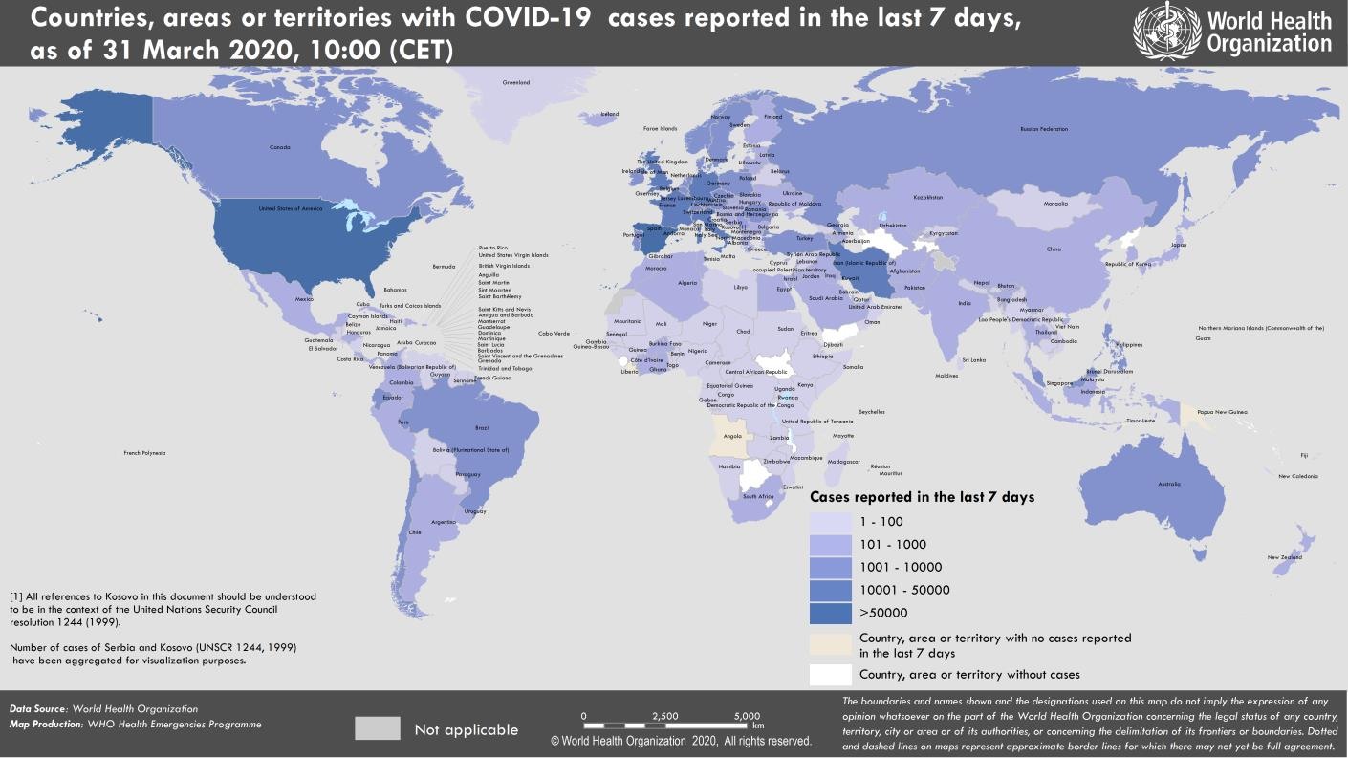
Coronavirus disease 2019 (COVID-19)
Situation Report – 71
Data as reported by national authorities by 10:00 CET 31 March 2020

HIGHLIGHTS • No new countries/territories/areas reported cases of COVID-19 in the past 24 hours. • As mentioned by the Director-General in his regular media briefing yesterday, ensuring free movement of essential health products is vital for saving lives and curbing the social and economic impacts of the pandemic. WHO is working intensively with partners to increase access to life-saving products, including diagnostics, PPE, medical oxygen, ventilators and more. For more information: https://www.who.int/dg/speeches/detail/who-director-general- s-opening-remarks-at-the-media-briefing-on-covid-19---30-march-2020 • Operations support and logistics continues to monitor critical markets and in partnership with the Pandemic Supply Chain Network, has increased engagement and coordination with private companies. Since the beginning of the outbreak, OSL has shipped more than 800 000 surgical masks, 54 000 N95 masks, 873 000 gloves, 15 000 goggles and 24 000 face shields to 75 countries. OSL has also shipped COVID-19 testing kits to 126 countries. For more details, please see ‘subject in focus’. | SITUATION IN NUMBERS total (new) cases in last 24 hours Globally 750 890 confirmed (57 610) 36 405 deaths (3301) Western Pacific Region 104 868 confirmed (1093) 3671 deaths (22) European Region 423 946 confirmed (31 131) 26 694 deaths (2733) South-East Asia Region 4215 confirmed (131) 166 deaths (8) Eastern Mediterranean Region 50 349 confirmed (4020) 2954 deaths (142) Region of the Americas 163 014 confirmed (20 935) 2836 deaths (379) African Region 3786 confirmed (300) 77 deaths (17) WHO RISK ASSESSMENT Global Level Very High

Figure 1. Countries, territories or areas with reported confirmed cases of COVID-19, 31 March 2020

page 8
Figure 1. Epidemic curve of confirmed COVID-19, by date of report and WHO region through 31 March 2020
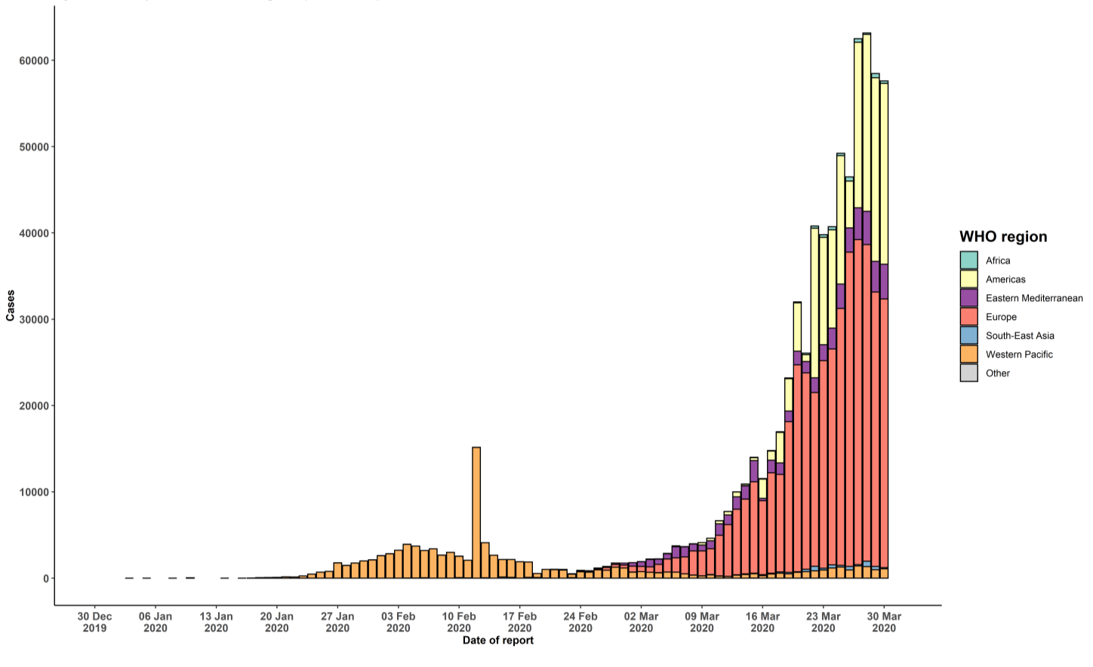

STRATEGIC OBJECTIVES WHO’s strategic objectives for this response are to: • Interrupt human-to-human transmission including reducing secondary infections among close contacts and health care workers, preventing transmission amplification events, and preventing further international spread*; • Identify, isolate and care for patients early, including providing optimized care for infected patients; • Identify and reduce transmission from the animal source; • Address crucial unknowns regarding clinical severity, extent of transmission and infection, treatment options, and accelerate the development of diagnostics, therapeutics and vaccines; • Communicate critical risk and event information to all communities and counter misinformation; • Minimize social and economic impact through multisectoral partnerships. *This can be achieved through a combination of public health measures, such as rapid identification, diagnosis and management of the cases, identification and follow up of the contacts, infection prevention and control in health care settings, implementation of health measures for travelers, awareness-raising in the population and risk communication.

