page 1
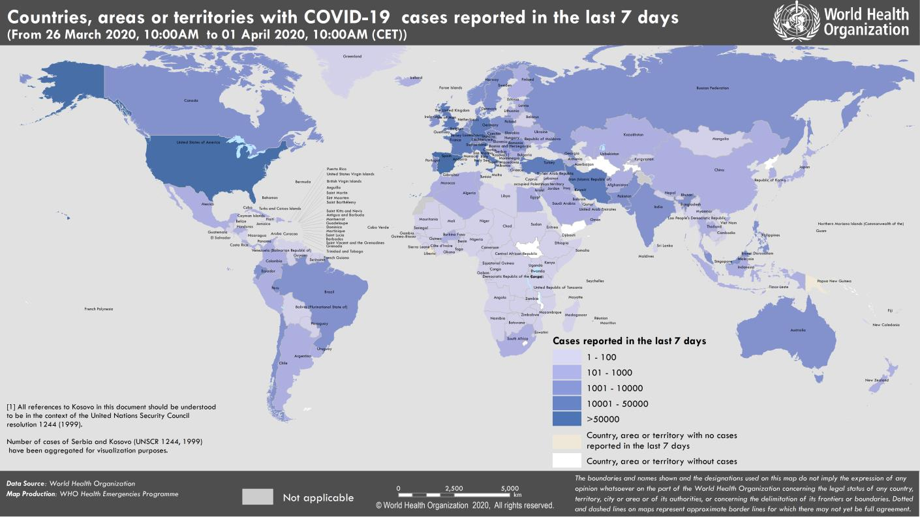
Coronavirus disease 2019 (COVID-19)
Situation Report – 72
Data as reported by national authorities by 10:00 CET 1 April 2020

HIGHLIGHTS • Three new countries/territories/areas reported cases of COVID-19 in the past 24 hours: Botswana, Burundi, and Sierra Leone. • WHO has released a scientific brief on the off-label use of medicines for COVID-19. A number of medicines have been suggested as potential investigational therapies, many of which are now being or will soon be studied in clinical trials, including the SOLIDARITY trial co-sponsored by WHO and participating countries. More information can be found here. • WHO recognizes the importance of addressing the needs of refugees and migrants when preparing for or responding to the COVID-19 pandemic. WHO European Region has released a guidance document to assist healthcare working with refugees and migrants. More information can be found here. • At a press briefing, yesterday, PAHO Director Dr. Carissa Etienne stressed that countries of the Americas must act now to slow the spread of COVID-19. WHO encourages countries to prepare hospitals and health facilities, protect their health personnel, and decide what social distancing measures need to be implemented and for how long, among other actions. Find more here. • Public health and social measures to slow or stop the spread of COVID-19 must be implemented with the full engagement of all members of society. WHO has described four levels of COVID-19 transmission with varying public health and social measures depending on the local evolution of the COVID-19 pandemic. For more details, please see ‘Subject in Focus’. | SITUATION IN NUMBERS total (new) cases in last 24 hours Globally 823 626 confirmed (72 736) 40 598 deaths (4193) Western Pacific Region 106 422 confirmed (1554) 3701 deaths (30) European Region 464 212 confirmed (40 266) 30 089 deaths (3395) South-East Asia Region 5175 confirmed (960) 195 deaths (29) Eastern Mediterranean Region 54 281 confirmed (3932) 3115 deaths (161) Region of the Americas 188 751 confirmed (25 737) 3400 deaths (564) African Region 4073 confirmed (287) 91 deaths (14) WHO RISK ASSESSMENT Global Level Very High

Figure 1. Countries, territories or areas with reported confirmed cases of COVID-19, 1 April 2020

page 10
Figure 1. Epidemic curve of confirmed COVID-19, by date of report and WHO region through 1 April 2020
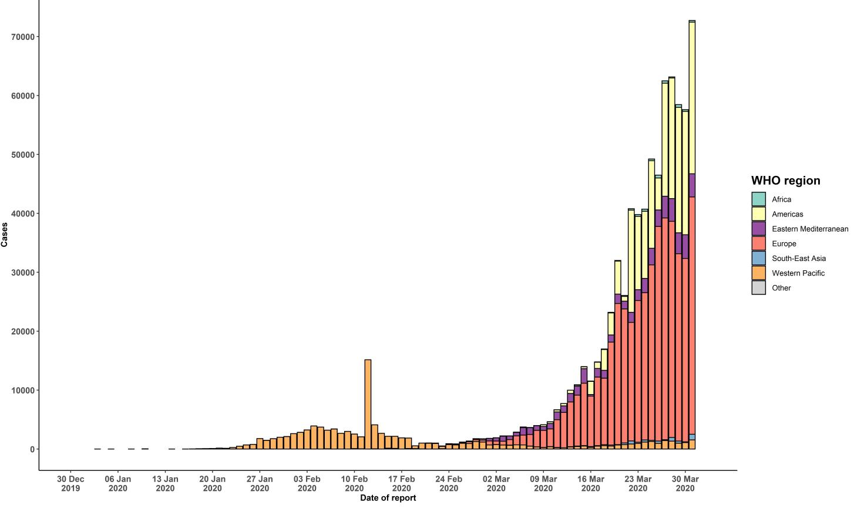

STRATEGIC OBJECTIVES WHO’s strategic objectives for this response are to: • Interrupt human-to-human transmission including reducing secondary infections among close contacts and health care workers, preventing transmission amplification events, and preventing further international spread*; • Identify, isolate and care for patients early, including providing optimized care for infected patients; • Identify and reduce transmission from the animal source; • Address crucial unknowns regarding clinical severity, extent of transmission and infection, treatment options, and accelerate the development of diagnostics, therapeutics and vaccines; • Communicate critical risk and event information to all communities and counter misinformation; • Minimize social and economic impact through multisectoral partnerships. *This can be achieved through a combination of public health measures, such as rapid identification, diagnosis and management of the cases, identification and follow up of the contacts, infection prevention and control in health care settings, implementation of health measures for travelers, awareness-raising in the population and risk communication.

