page 1
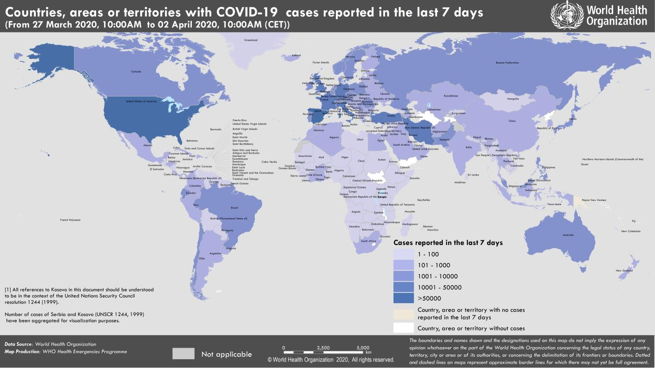
Coronavirus disease 2019 (COVID-19)
Situation Report – 73
Data as reported by national authorities by 10:00 CET 2 April 2020

HIGHLIGHTS • No new countries/territories/areas reported cases of COVID-19 in the past 24 hours. • WHO has released a Medical Product Alert that warns consumers, healthcare professionals, and health authorities against a growing number of falsified medical products that claim to prevent, detect, treat or cure COVID-19. Find more here. • WHO is working with Iraq to increase surveillance and response capacities. WHO has printed hundreds of thousands of prevention and transmission control messages, taken mobile health teams to the streets, and delivered urgent consignments of personal protective equipment (PPE) and laboratory test kits. More information can be found here. • WHO has been working with governments and partners around the world, across many areas of activity: conducting needs assessments, providing hand sanitizers and masks for health professionals, providing training on the clinical management of patients with COVID-19, collaborating with local media outlets and conducting awareness raising activities, delivering test kits, conducting simulation exercises, and shipping personal protective equipment through WHO logistical hubs. As an example, WHO EURO has released a photo story of WHO’s activities in Kyrgyzstan, available here. • Our understanding of the transmission of COVID-19 virus continues to improve with the evolution of the outbreak. For more, see ‘Subject in Focus’. | SITUATION IN NUMBERS total (new ) cases in last 24 hours Globally 896 450 confirmed (72 839) 45 526 deaths (4924) Western Pacific Region 107 626 confirmed (1204) 3723 deaths (22) European Region 503 006 confirmed (38 809) 33 604 deaths (3515) South-East Asia Region 5324 confirmed(149) 216 deaths (21) Eastern Mediterranean Region 58 168 confirmed (3887) 3280 deaths (165) Region of the Americas 216 912 confirmed (28161) 4565 deaths (1165) African Region 4702 confirmed(629) 127 deaths (36) WHO RISK ASSESSMENT Global Level Very High

Figure 1. Countries, territories or areas with reported confirmed cases of COVID-19, 2 April 2020

page 10
Figure 1. Epidemic curve of confirmed COVID-19, by date of report and WHO region through 2 April 2020
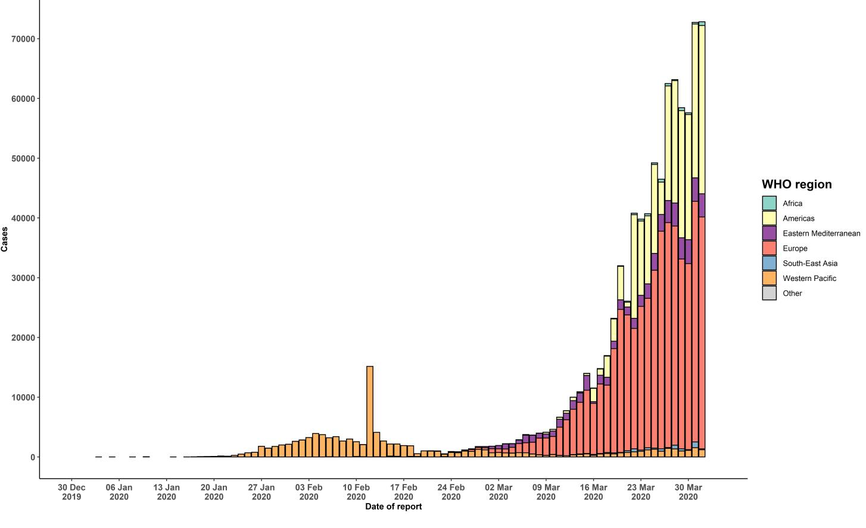

STRATEGIC OBJECTIVES WHO’s strategic objectives for this response are to: • Interrupt human-to-human transmission including reducing secondary infections among close contacts and health care workers, preventing transmission amplification events, and preventing further international spread*; • Identify, isolate and care for patients early, including providing optimized care for infected patients; • Identify and reduce transmission from the animal source; • Address crucial unknowns regarding clinical severity, extent of transmission and infection, treatment options, and accelerate the development of diagnostics, therapeutics and vaccines; • Communicate critical risk and event information to all communities and counter misinformation; • Minimize social and economic impact through multisectoral partnerships. *This can be achieved through a combination of public health measures, such as rapid identification, diagnosis and management of the cases, identification and follow up of the contacts, infection prevention and control in health care settings, implementation of health measures for travelers, awareness-raising in the population and risk communication.

