page 1
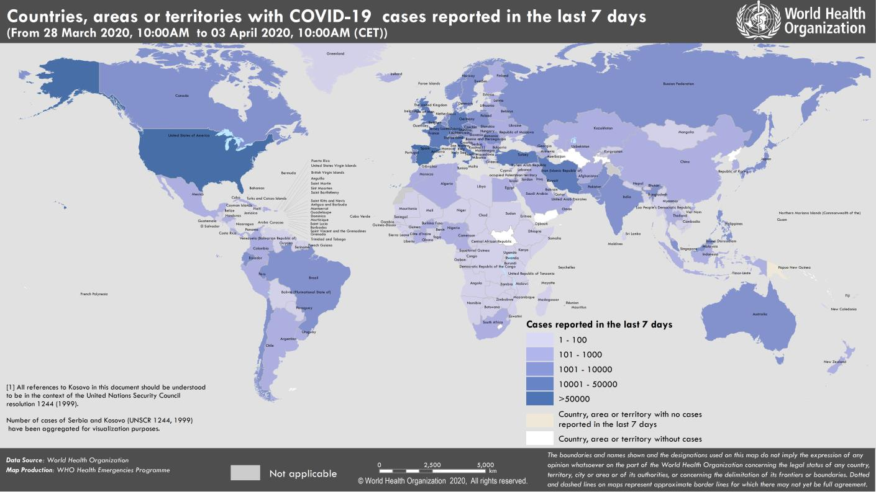
Coronavirus disease 2019 (COVID-19)
Situation Report – 74
Data as reported by national authorities by 10:00 CET 3 April 2020

HIGHLIGHTS • One new country/territory/area reported cases of COVID-19 in the past 24 hours: Malawi. • Supporting and protecting older people is everyone’s business: although all age groups are at risk of contracting COVID-19, older people face significant risk of developing severe illness. Read the statement by Dr Hans Henri P. Kluge, WHO Regional Director for Europe here. • As cases start to climb in the South-East Asia Region, the Regional Director Dr Poonam Khetrapal Singh held a virtual meeting with Health Ministers of the Region calling for a stronger whole-of-society approach. More information can be found here. • The Pan American Health Organization (PAHO) launched an appeal yesterday for funds towards priority public health measures to help Latin American and Caribbean countries. The funds will be used to implement PAHO's COVID-19 Response Strategy. Further information is available here. • Ports, airports and ground crossings require careful monitoring. WHO has produced two online interactive courses to provide guidance for the management of ill travellers and for managing COVID-19 cases or outbreaks on board ships. Further details can be found below in the ‘Subject in Focus’ | SITUATION IN NUMBERS total (new) cases in last 24 hours Globally 972 303 confirmed (75 853) 50 321 deaths (4822) Western Pacific Region 108 930 confirmed (1304) 3760 deaths (37) European Region 541 808 confirmed (38 802) 37 103 deaths (3499) South-East Asia Region 5881 confirmed (557) 245 deaths (29) Eastern Mediterranean Region 62 236 confirmed (4068) 3438 deaths (159) Region of the Americas 247 473 confirmed (30 561) 5600 deaths (1061) African Region 5263 confirmed (561) 164 deaths (37) WHO RISK ASSESSMENT Global Level Very High

Figure 1. Countries, territories or areas with reported confirmed cases of COVID-19, 3 April 2020

page 9
Figure 1. Epidemic curve of confirmed COVID-19, by date of report and WHO region through 3 April 2020
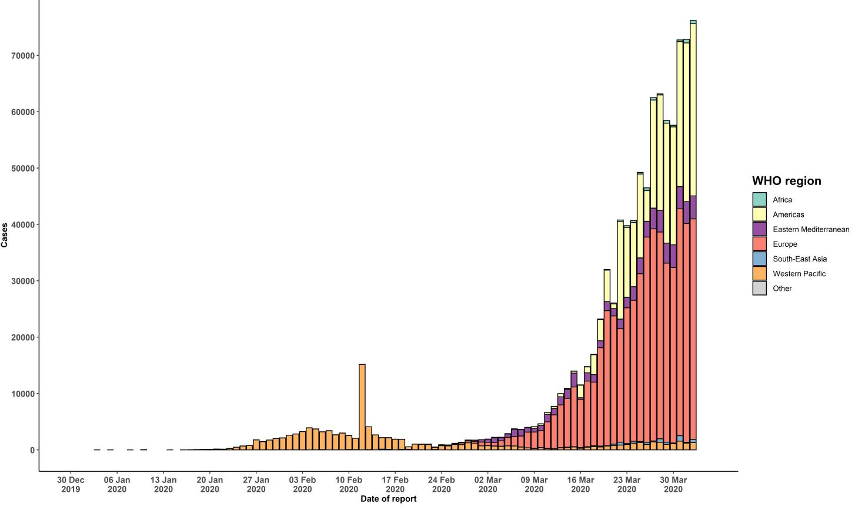

STRATEGIC OBJECTIVES WHO’s strategic objectives for this response are to: • Interrupt human-to-human transmission including reducing secondary infections among close contacts and health care workers, preventing transmission amplification events, and preventing further international spread*; • Identify, isolate and care for patients early, including providing optimized care for infected patients; • Identify and reduce transmission from the animal source; • Address crucial unknowns regarding clinical severity, extent of transmission and infection, treatment options, and accelerate the development of diagnostics, therapeutics and vaccines; • Communicate critical risk and event information to all communities and counter misinformation; • Minimize social and economic impact through multisectoral partnerships. *This can be achieved through a combination of public health measures, such as rapid identification, diagnosis and management of the cases, identification and follow up of the contacts, infection prevention and control in health care settings, implementation of health measures for travelers, awareness-raising in the population and risk communication.

