page 1
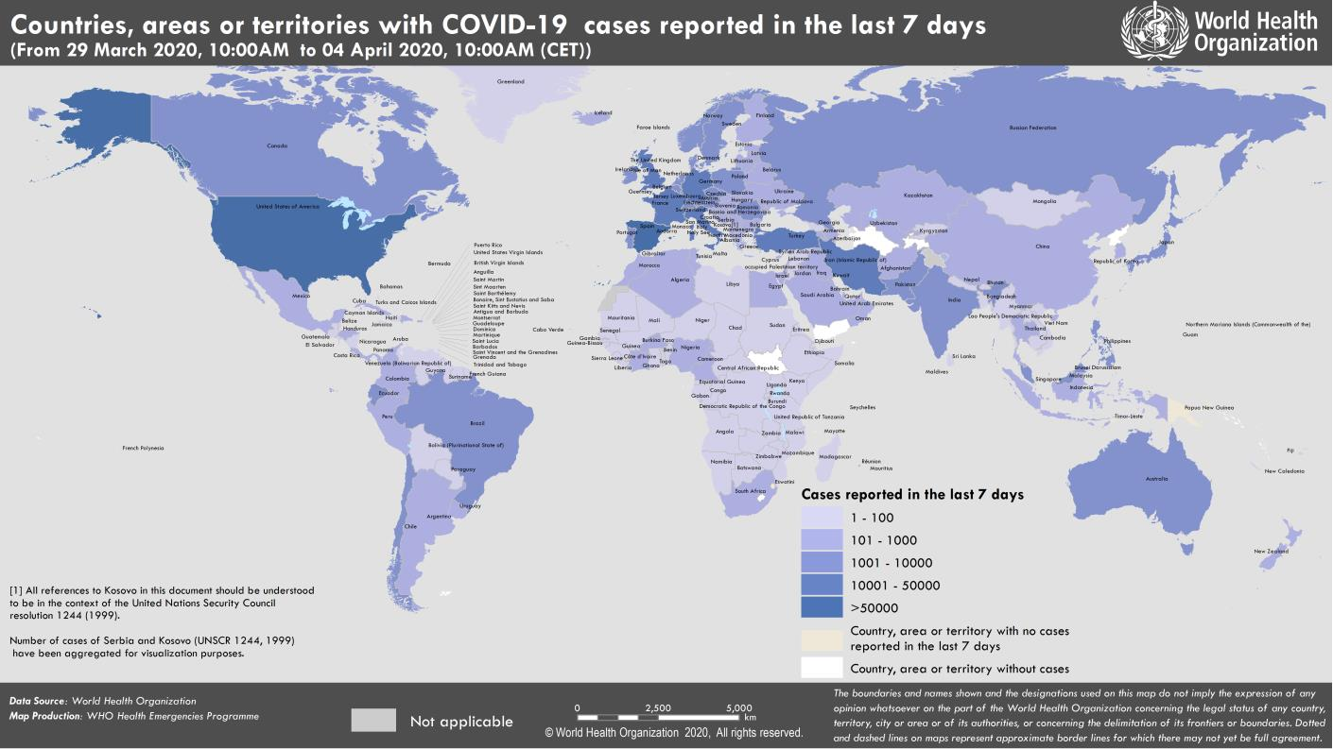
Coronavirus disease 2019 (COVID-19)
Situation Report – 75
Data as reported by national authorities by 10:00 CET 4 April 2020

HIGHLIGHTS • One new country/territory/area reported cases of COVID-19 in the past 24 hours: Bonaire, Sint Eustatius and Saba. • As worldwide cases climb above 1 million and deaths over 50 000, Dr Tedros stressed that the best way for countries to end restrictions and ease their economic effects was to attack the virus with an aggressive and comprehensive package of measures. His speech can be found here. • WHO has released new technical guidance recommending universal access to public hand hygiene stations and making their use obligatory on entering and leaving any public or private commercial building and any public transport facility. It also recommends that healthcare facilities improve access to and practice of hand hygiene. Find more here. • WHO/Europe has received a €30 million contribution from the European Commission for 6 WHO European Region Member States – Armenia, Azerbaijan, Belarus, Georgia, the Republic of Moldova and Ukraine – to meet immediate needs in their responses to COVID-19. More information is available here. | SITUATION IN NUMBERS total (new ) cases in last 24 hours Globally 1 051 635 confirmed (79 332) 56 985 deaths (6664) Western Pacific Region 110 362 confirmed (1432) 3809 deaths (49) European Region 583 141 confirmed (41 333) 42 334 deaths (5231) South-East Asia Region 6528 confirmed(647) 267 deaths (22) Eastern Mediterranean Region 65 903 confirmed (3667) 3592 deaths (154) Region of the Americas 279 543 confirmed (32 070) 6802 deaths (1202) African Region 5446 confirmed(183) 170 deaths (6) WHO RISK ASSESSMENT Global Level Very High

Figure 1. Countries, territories or areas with reported confirmed cases of COVID-19, 4 April 2020

page 8
Figure 1. Epidemic curve of confirmed COVID-19, by date of report and WHO region through 4 April 2020
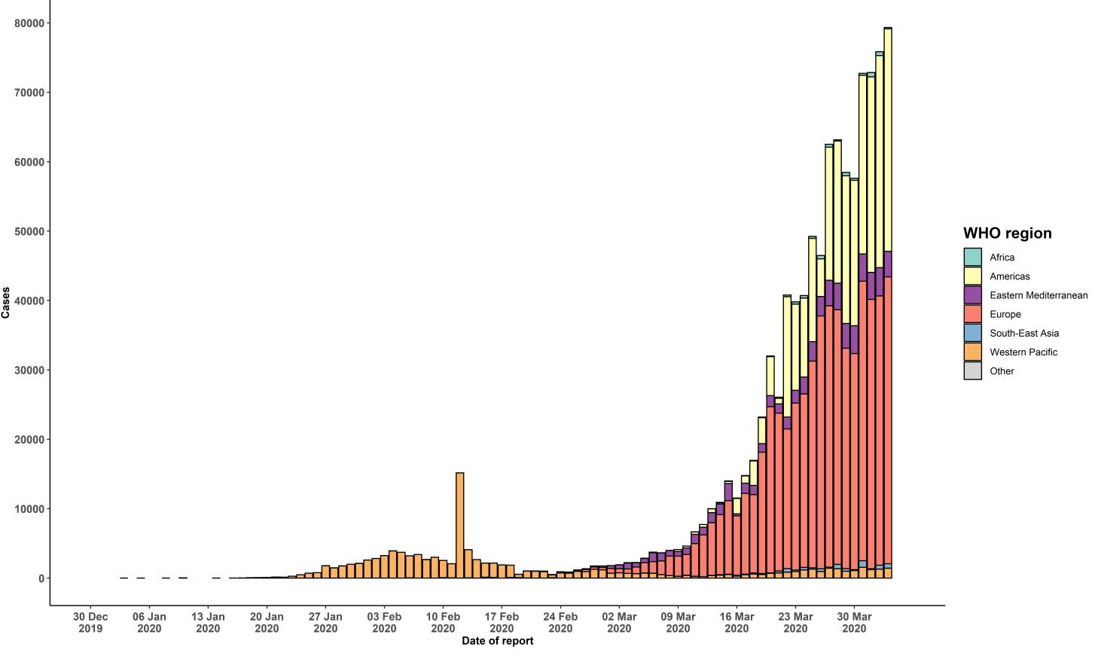

STRATEGIC OBJECTIVES WHO’s strategic objectives for this response are to: • Interrupt human-to-human transmission including reducing secondary infections among close contacts and health care workers, preventing transmission amplification events, and preventing further international spread*; • Identify, isolate and care for patients early, including providing optimized care for infected patients; • Identify and reduce transmission from the animal source; • Address crucial unknowns regarding clinical severity, extent of transmission and infection, treatment options, and accelerate the development of diagnostics, therapeutics and vaccines; • Communicate critical risk and event information to all communities and counter misinformation; • Minimize social and economic impact through multisectoral partnerships. *This can be achieved through a combination of public health measures, such as rapid identification, diagnosis and management of the cases, identification and follow up of the contacts, infection prevention and control in health care settings, implementation of health measures for travelers, awareness-raising in the population and risk communication.

