page 1
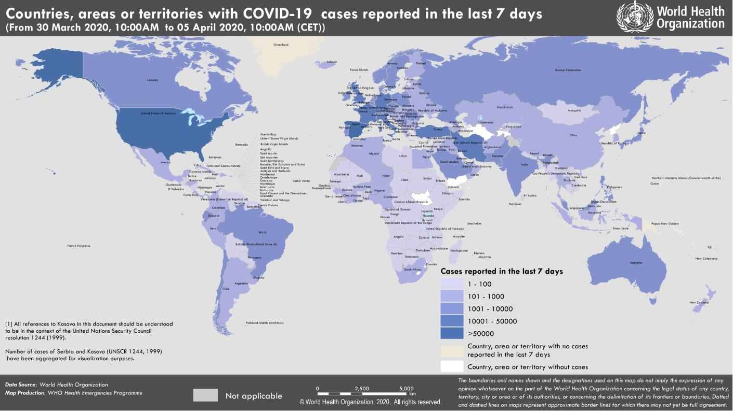
Coronavirus disease 2019 (COVID-19)
Situation Report – 76
Data as reported by national authorities by 10:00 CET 5 April 2020

HIGHLIGHTS • One new country/territory/area reported cases of COVID-19 in the past 24 hours: Falkland Islands (Malvinas). • The Director of the Pan American Health Organization (PAHO), Dr Etienne, on Friday, called for the collaboration of the private sector with countries of Latin America and the Caribbean to tackle COVID-19. More details can be found here. • PAHO has launched a new searchable database that contains the latest guidance and research on the COVID-19 pandemic from the Americas and affected countries worldwide. The press release is available here and the database is available here. • As China emerges from a 2 month containment phase and moves into the mitigation stage, its experience is helping countries currently at the start of the COVID-19 cycle to plan their responses better. This is explored in an interview with WHO Representative to China, Dr Gauden Galea, which is available here. | SITUATION IN NUMBERS total (new ) cases in last 24 hours Globally 1 133 758 confirmed (82 061) 62 784 deaths (5798) Western Pacific Region 111 396 confirmed (1034) 3838 deaths (29) European Region 621 407 confirmed (38 266) 46 416 deaths (4082) South-East Asia Region 7816 confirmed(1288) 302 deaths (35) Eastern Mediterranean Region 70 293 confirmed (4328) 3794 deaths (201) Region of the Americas 315 714 confirmed (36 171) 8187 deaths (1385) African Region 6420 confirmed(974) 236 deaths (66) WHO RISK ASSESSMENT Global Level Very High

Figure 1. Countries, territories or areas with reported confirmed cases of COVID-19, 5 April 2020

page 8
Figure 1. Epidemic curve of confirmed COVID-19, by date of report and WHO region through 5 April 2020
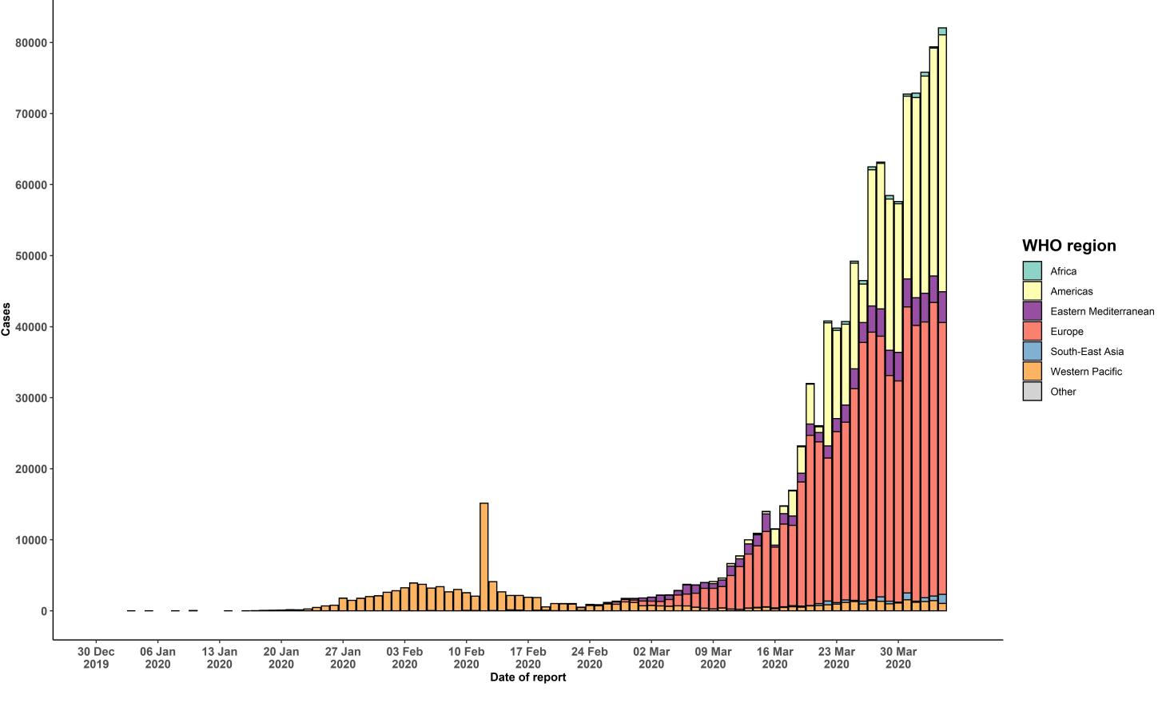

STRATEGIC OBJECTIVES WHO’s strategic objectives for this response are to: • Interrupt human-to-human transmission including reducing secondary infections among close contacts and health care workers, preventing transmission amplification events, and preventing further international spread*; • Identify, isolate and care for patients early, including providing optimized care for infected patients; • Identify and reduce transmission from the animal source; • Address crucial unknowns regarding clinical severity, extent of transmission and infection, treatment options, and accelerate the development of diagnostics, therapeutics and vaccines; • Communicate critical risk and event information to all communities and counter misinformation; • Minimize social and economic impact through multisectoral partnerships. *This can be achieved through a combination of public health measures, such as rapid identification, diagnosis and management of the cases, identification and follow up of the contacts, infection prevention and control in health care settings, implementation of health measures for travelers, awareness-raising in the population and risk communication.

