page 1
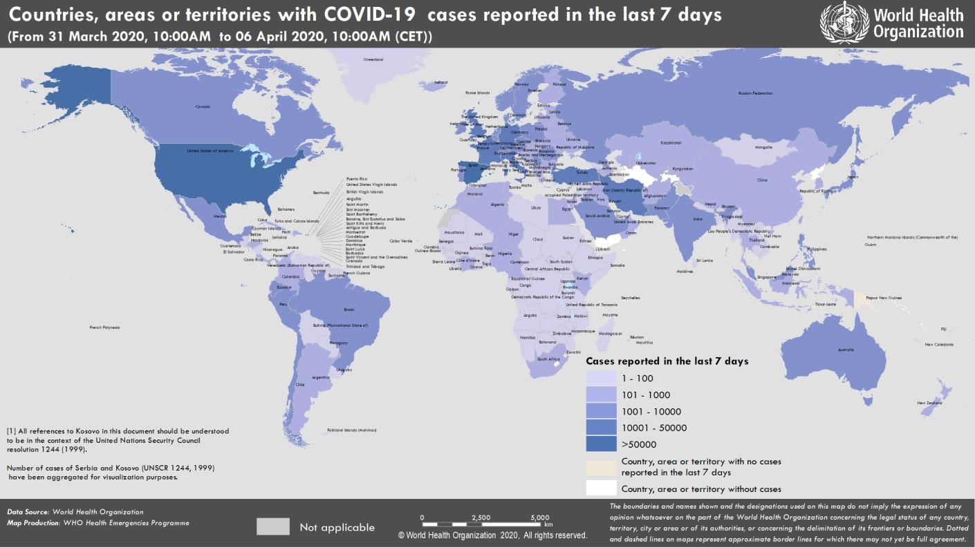
Coronavirus disease 2019 (COVID-19)
Situation Report – 77
Data as reported by national authorities by 10:00 CET 6 April 2020

HIGHLIGHTS • One new country/territory/area reported cases of COVID-19 in the past 24 hours: South Sudan. • At a joint press conference and in a co-authored opinion piece, the WHO Director-General and IMF Managing Director reiterated the importance of saving lives and saving livelihoods and made it clear that the trade-off between saving lives or jobs is a false dilemma. The press conference remarks are here, and the op-ed here. • Almost 90 per cent of the world’s students are now affected by nationwide school closures – that’s more than 1.5 billion children and young people. Together with UNICEF and the International Publishers Association, the World Health Organization has launched the 'Read the World' children’s reading initiative. More information on this initiative can be found here. WHO has also published advice for parenting during the COVID-19 pandemic, available here. | SITUATION IN NUMBERS total (new ) cases in last 24 hours Globally 1 210 956 confirmed (77 200) 67 594 deaths (4810) Western Pacific Region 112 522 confirmed (1126) 3861 deaths (23) European Region 655 339 confirmed (33 932) 49 479 deaths (3063) South-East Asia Region 8828 confirmed(1012) 344 deaths (42) Eastern Mediterranean Region 74 347 confirmed (4054) 3976 deaths (182) Region of the Americas 352 592 confirmed (36 878) 9680 deaths (1493) African Region 6616 confirmed(198) 243 deaths (7) WHO RISK ASSESSMENT Global Level Very High

Figure 1. Countries, territories or areas with reported confirmed cases of COVID-19, 6 April 2020

page 8
Figure 1. Epidemic curve of confirmed COVID-19, by date of report and WHO region through 6 April 2020
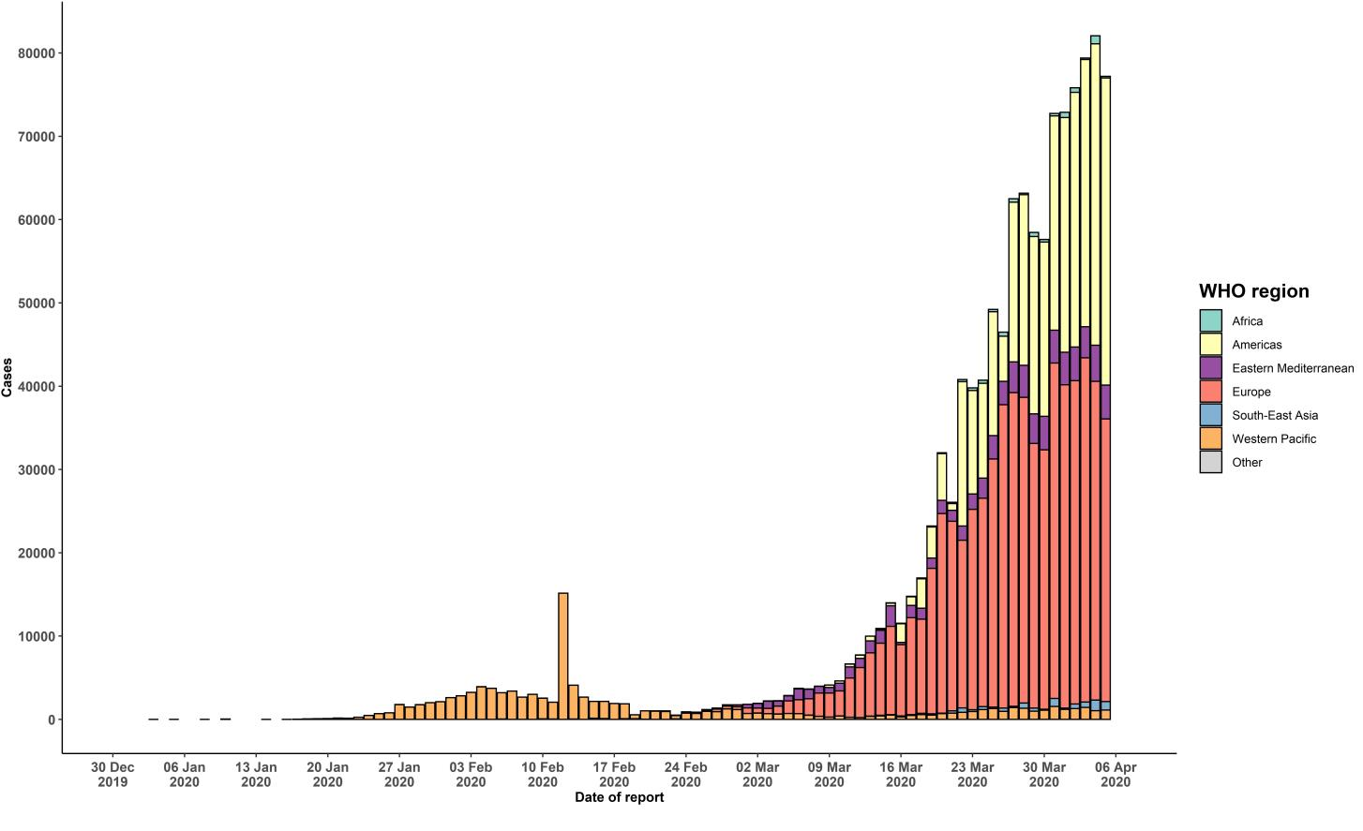

STRATEGIC OBJECTIVES WHO’s strategic objectives for this response are to: • Interrupt human-to-human transmission including reducing secondary infections among close contacts and health care workers, preventing transmission amplification events, and preventing further international spread*; • Identify, isolate and care for patients early, including providing optimized care for infected patients; • Identify and reduce transmission from the animal source; • Address crucial unknowns regarding clinical severity, extent of transmission and infection, treatment options, and accelerate the development of diagnostics, therapeutics and vaccines; • Communicate critical risk and event information to all communities and counter misinformation; • Minimize social and economic impact through multisectoral partnerships. *This can be achieved through a combination of public health measures, such as rapid identification, diagnosis and management of the cases, identification and follow up of the contacts, infection prevention and control in health care settings, implementation of health measures for travelers, awareness-raising in the population and risk communication.

