page 1
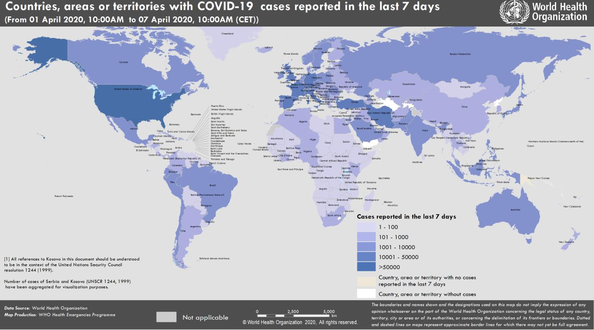
Coronavirus disease 2019 (COVID-19)
Situation Report – 78
Data as receiv ed by WHO from national authorities by 10:00 CET 7 April 2020

HIGHLIGHTS • One new country/territory/area reported cases of COVID-19 in the past 24 hours: São Tomé and Príncipe. • Today, 7 April, marks World Health Day and this year WHO pays tribute to the incredible contribution of all health workers, especially nurses and midwives. Nurses are the largest component of the health workforce and play a fundamental role in combatting COVID-19 and achieving Universal Health Coverage and the Sustainable Development Goals. WHO has published the first-ever report on the state of the world’s nursing workforce, available here. It renews calls on governments to invest in nurses. • WHO, Lady Gaga and Global Citizen have announced a concert to air on Saturday, 18 April 2020 titled 'One World: Together at home'. This globally televised and streamed special will highlight unity among all people affected by COVID-19, celebrate the brave healthcare workers doing life-saving work, and raise funds for the response. More information is available here. • WHO Director-General Dr Tedros, in a press conference held yesterday, reiterated concerns regarding the shortage of medical masks and other PPE and reminded people that masks should be used as part of a comprehensive package of interventions. WHO has released guidance on the use of masks in communities, during home care, and in healthcare settings that can be found here; further advice for the public can be found here. • WHO is improving supply networks and logistics in clinical environments, and sending equipment and testing kits worldwide. See ‘Subject in Focus’ below. | SITUATION IN NUMBERS total (new ) cases in last 24 hours Globally 1 279 722 confirmed (68 766) 72 614 deaths (5020) Western Pacific Region 113 641 confirmed (1119) 3892 deaths (31) European Region 686 338 confirmed (30 999) 52 809 deaths (3330) South-East Asia Region 9132 confirmed(304) 362 deaths (18) Eastern Mediterranean Region 78 565 confirmed (4218) 4149 deaths (173) Region of the Americas 384 242 confirmed (31 650) 11 097 deaths (1417) African Region 7092 confirmed(476) 294 deaths (51) WHO RISK ASSESSMENT Global Level Very High

Figure 1. Countries, territories or areas with reported confirmed cases of COVID-19, 7 April 2020

page 9
Figure 1. Epidemic curve of confirmed COVID-19, by date of report and WHO region through 7 April 2020
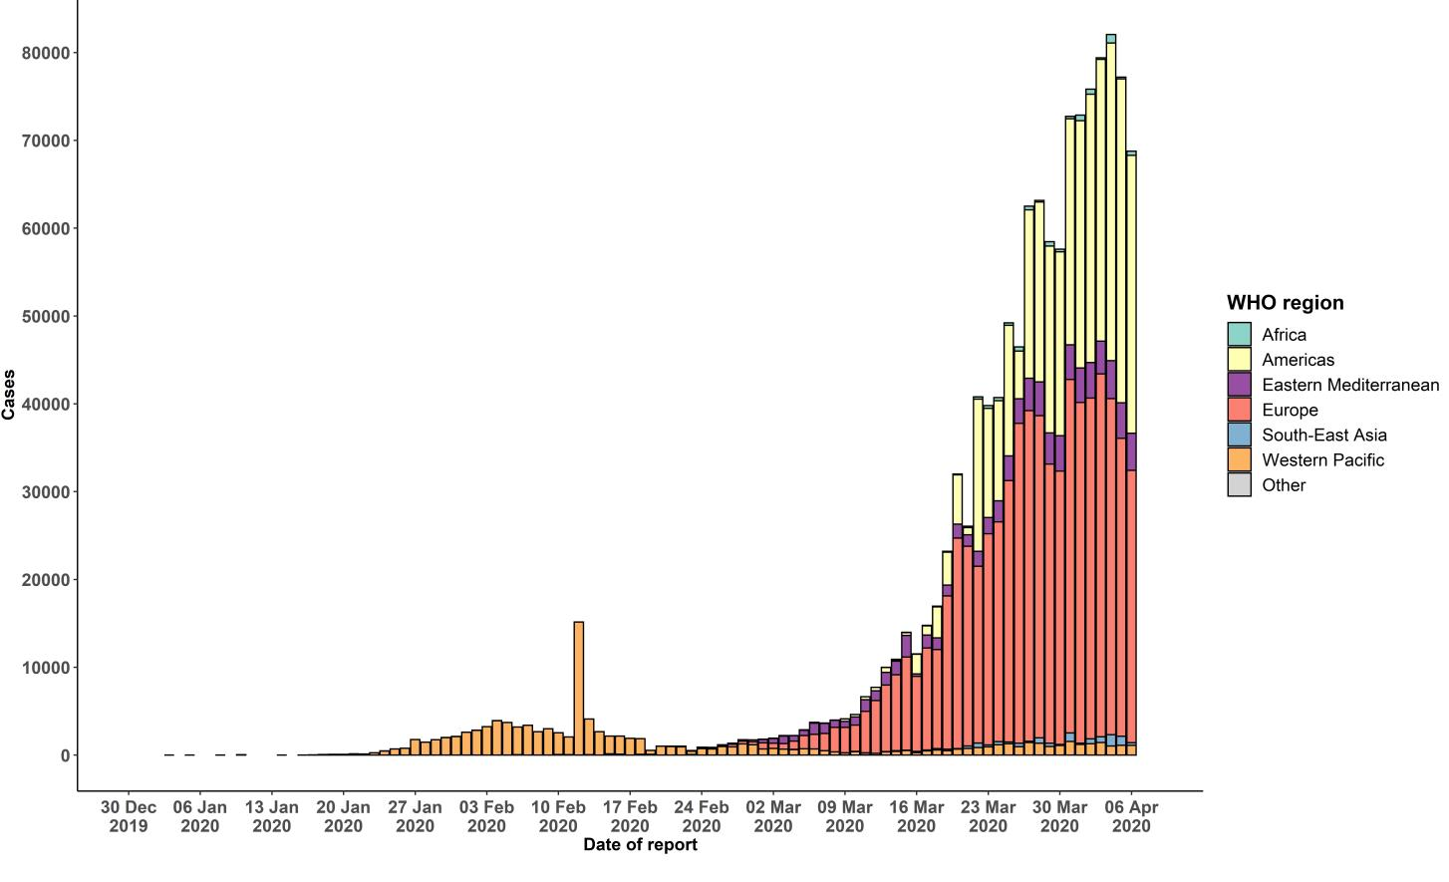

STRATEGIC OBJECTIVES WHO’s strategic objectives for this response are to: • Interrupt human-to-human transmission including reducing secondary infections among close contacts and health care workers, preventing transmission amplification events, and preventing further international spread*; • Identify, isolate and care for patients early, including providing optimized care for infected patients; • Identify and reduce transmission from the animal source; • Address crucial unknowns regarding clinical severity, extent of transmission and infection, treatment options, and accelerate the development of diagnostics, therapeutics and vaccines; • Communicate critical risk and event information to all communities and counter misinformation; • Minimize social and economic impact through multisectoral partnerships. *This can be achieved through a combination of public health measures, such as rapid identification, diagnosis and management of the cases, identification and follow up of the contacts, infection prevention and control in health care settings, implementation of health measures for travelers, awareness-raising in the population and risk communication.

