Quick Info
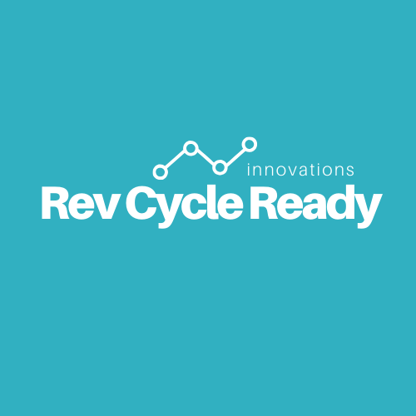
Welcome to Rev Cycle Ready!

We are excited to share with you information we have found helpful in our careers.
Before we get started, here's a few items for your review:

1 | Any sharing of these documents is illegal and any unauthorized sharing of these materials is unauthorized
2 | Before you begin, please first view the accompanying "Accounts Receivables Analysis" instructional video
3 | If you have any questions, please reach out to us at revcycleready@gmail.com

