Sheet1
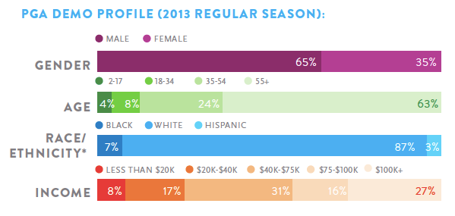
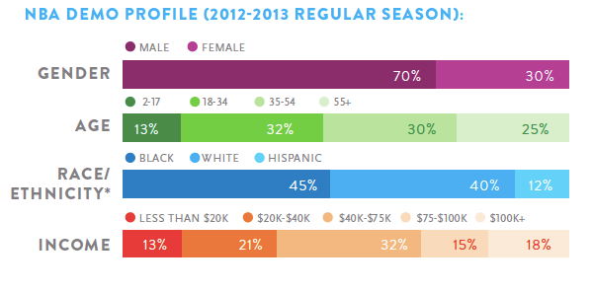
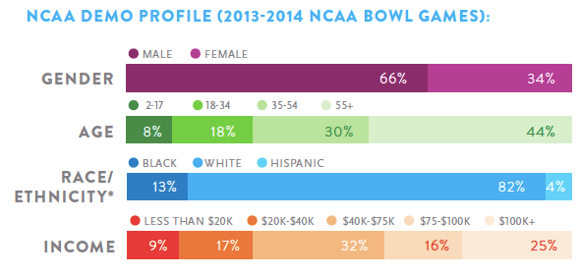
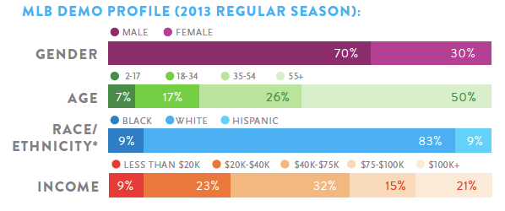
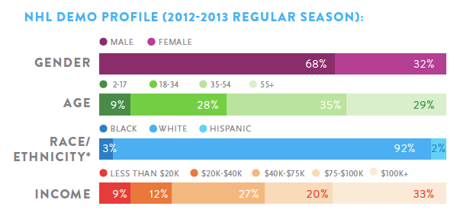
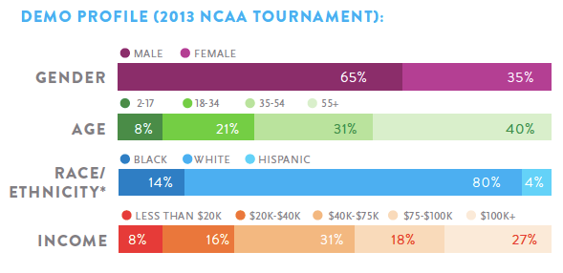
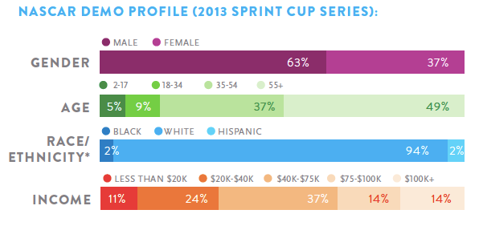
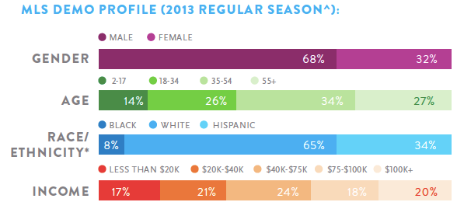
Derek Thompson. Which Sports Have the Whitest/Richest/Oldest Fans? Theatlantic.com. Feb 10, 2014. Gleaned Feb 17, 2014.
 | http://www.theatlantic.com/business/archive/2014/02/which-sports-have-the-whitest-richest-oldest-fans/283626/?utm_content=buffera51a5&utm_source=twitter.com
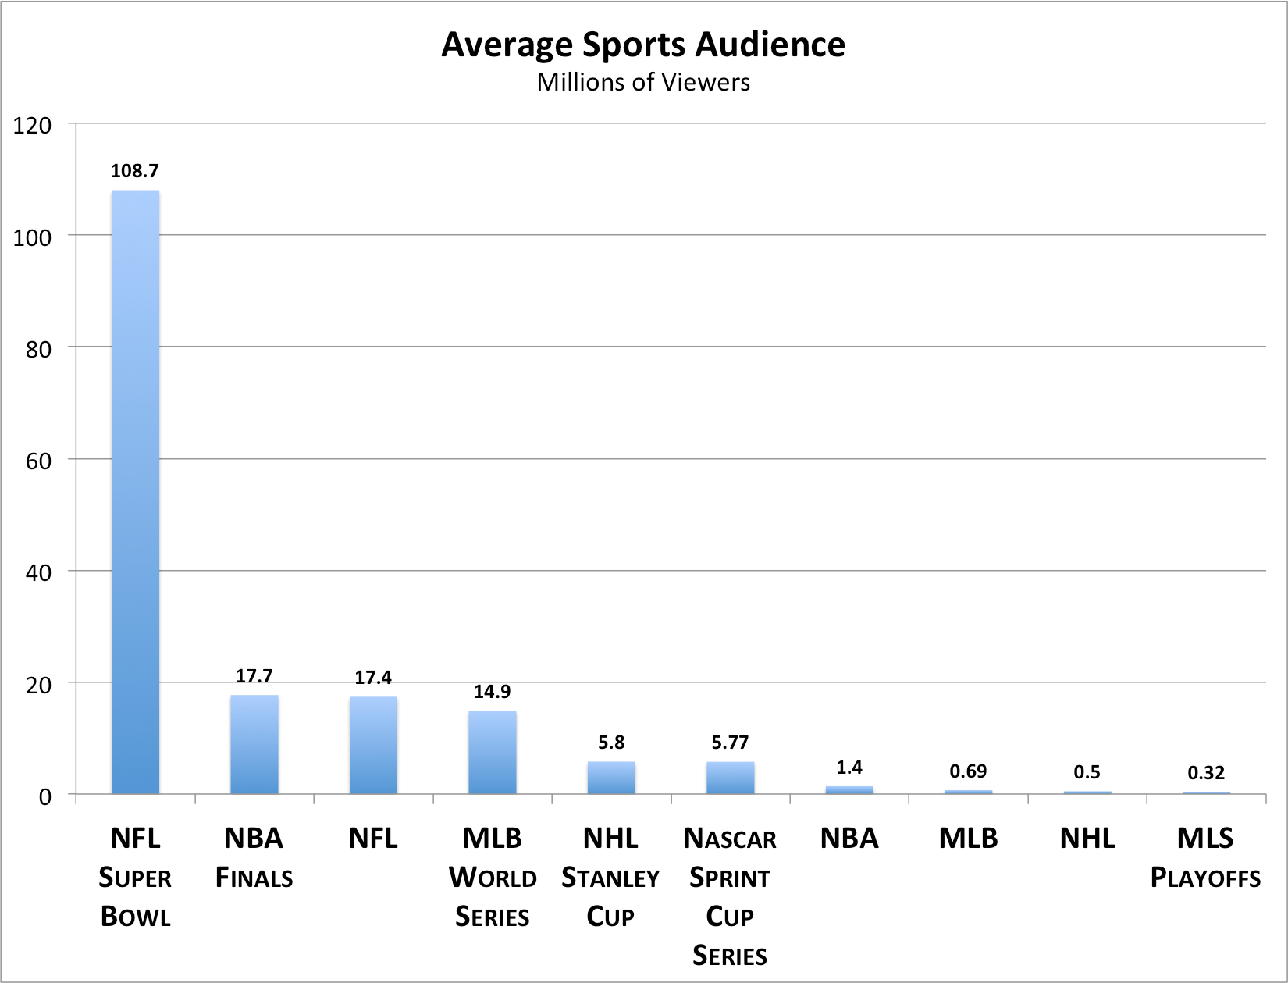

 |  | Denmark's Handball Men’s Championship on DR1 was watched by nearly 80 percent of the country's TVs.

NFL games accounted for 34 of the 35 most-watched TV shows last fall
Although sports account for just barely 1 percent of all TV programming, it accounts for 7 percent of the total cost of pay-TV

