Sheet1
Maury Brown. How MLB's 30 Teams Surpassed Record $4.4 Billion in Player Salaries. Dec 21, 2015.
http://www.forbes.com/sites/maurybrown/2015/12/21/how-mlbs-30-teams-surpassed-record-4-4-billion-in-player-salaries/
Gleaned Jan 4, 2016.
Sources cited by Brown.

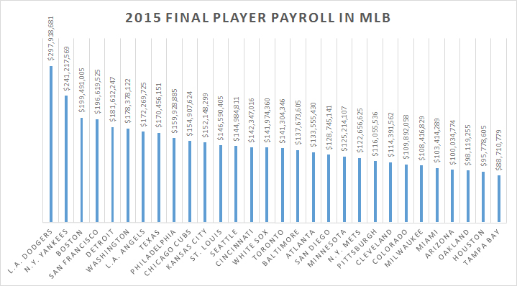
Club | 2015 | 2014 | Diff | %(+/-)
L.A. Dodgers | $297,918,681 | $277,737,082 | $20,181,599 | 7.30%
N.Y. Yankees | $241,217,569 | $225,653,896 | $15,563,673 | 6.90%
Boston | $199,491,005 | $185,922,329 | $13,568,676 | 7.30%
San Francisco | $196,619,525 | $179,834,439 | $16,785,086 | 9.30%
Detroit | $181,612,247 | $187,003,795 | -$5,391,548 | -2.90%
Washington | $178,378,122 | $154,775,315 | $23,602,807 | 15.20%
L.A. Angels | $172,269,725 | $180,374,764 | -$8,105,039 | -4.50%
Texas | $170,456,151 | $166,383,748 | $4,072,403 | 2.40%
Philadelphia | $159,928,885 | $185,965,235 | -$26,036,350 | -14.00%
Chicago Cubs | $154,907,624 | $111,520,741 | $43,386,883 | 38.90%
Kansas City | $152,148,299 | $111,012,307 | $41,135,992 | 37.10%
St. Louis | $146,590,405 | $138,533,204 | $8,057,201 | 5.80%
Seattle | $144,984,811 | $118,220,885 | $26,763,926 | 22.60%
Cincinnati | $142,347,016 | $141,424,382 | $922,634 | 0.70%
White Sox | $141,974,360 | $106,363,812 | $35,610,548 | 33.50%
Toronto | $141,304,346 | $137,190,349 | $4,113,997 | 3.00%
Baltimore | $137,673,605 | $122,657,573 | $15,016,032 | 12.20%
Atlanta | $133,555,430 | $149,020,887 | -$15,465,457 | -10.40%
San Diego | $128,745,141 | $103,835,898 | $24,909,243 | 24.00%
Minnesota | $125,214,107 | $101,508,531 | $23,705,576 | 23.40%
N.Y. Mets | $122,656,625 | $98,135,010 | $24,521,615 | 25.00%
Pittsburgh | $116,055,536 | $96,063,707 | $19,991,829 | 20.80%
Cleveland | $114,391,562 | $106,811,346 | $7,580,216 | 7.10%
Colorado | $109,892,058 | $105,911,163 | $3,980,895 | 3.80%
Milwaukee | $108,416,829 | $115,195,250 | -$6,778,421 | -5.90%
Miami | $103,414,289 | $64,580,636 | $38,833,653 | 60.10%
Arizona | $100,034,774 | $124,531,537 | -$24,496,763 | -19.70%
Oakland | $98,119,255 | $102,016,747 | -$3,897,492 | -3.80%
Houston | $95,778,605 | $64,319,960 | $31,458,645 | 48.90%
Tampa Bay | $88,710,779 | $103,991,963 | -$15,281,184 | -14.70%
Total | $4,404,807,366 | $4,066,496,491 | $338,310,875 | 8.30%

Source: The Associated Press

Luxury Tax Payments
Year | Yankees | Dodgers | Red Sox | Giants | Tigers | Angels
2015 | $26,108,785 | $43,567,472 | $1,835,926 | $1,333,417
2014 | $18,326,948 | $26,621,125
2013 | $28,113,945 | $11,415,959
2012 | $19,311,642
2011 | $13,896,069 |  | $3,430,810
2010 | $18,029,654 |  | $1,487,149
2009 | $25,689,173
2008 | $26,862,702 |  |  |  | $1,305,220
2007 | $23,881,386 |  | $6,064,287
2006 | $26,009,039 |  | $497,549
2005 | $33,978,702 |  | $4,148,981
2004 | $25,964,060 |  | $3,148,962 |  |  | $927,059
2003 | $11,798,357
Totals | $297,970,462 | $81,604,556 | $20,613,664 | $1,333,417 | $1,305,220 | $927,059

Source: The Associated Press.

