Sheet1
Maury Brown. Final MLB Payrolls for All 30 Teams Show Second-argest Decline Since 2004. forbes.com Dec 17, 2018.
https://www.forbes.com/sites/maurybrown/2018/12/17/final-mlb-payrolls-for-all-30-teams-show-second-largest-decline-since-2004/#a954541e474a

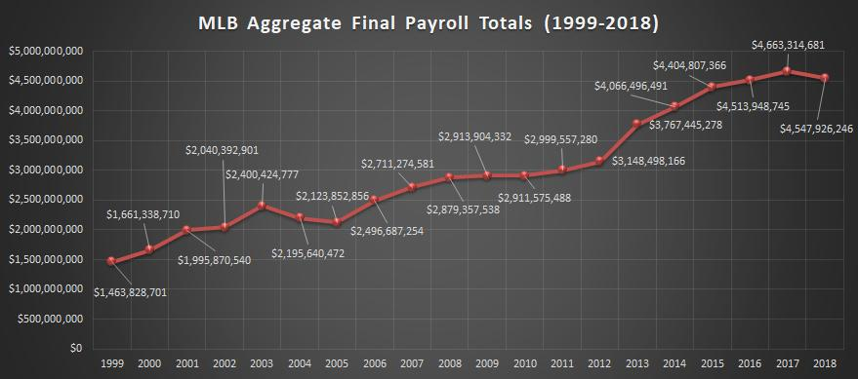

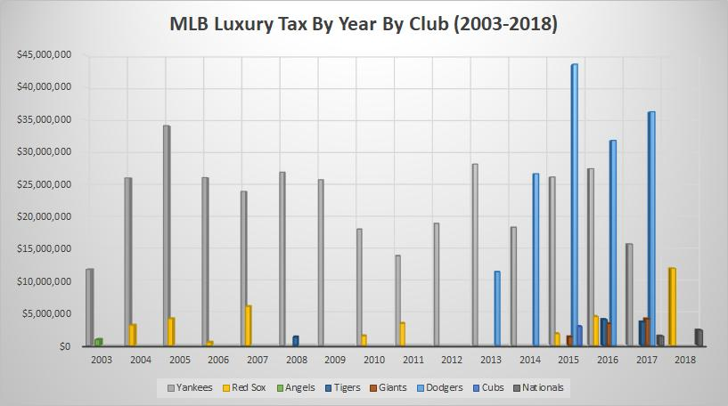

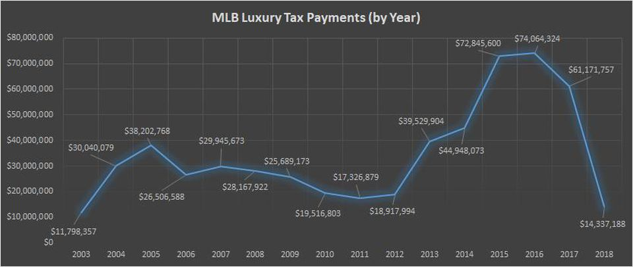

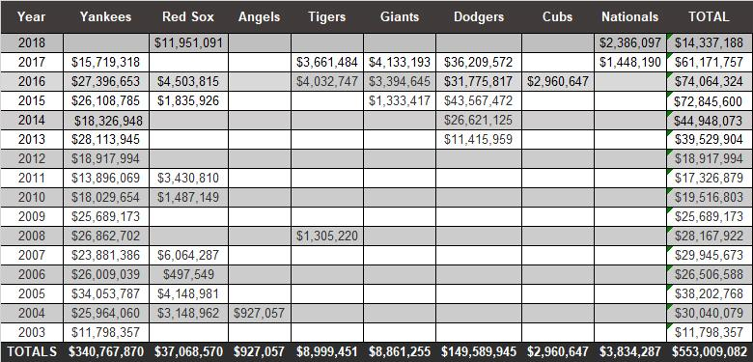

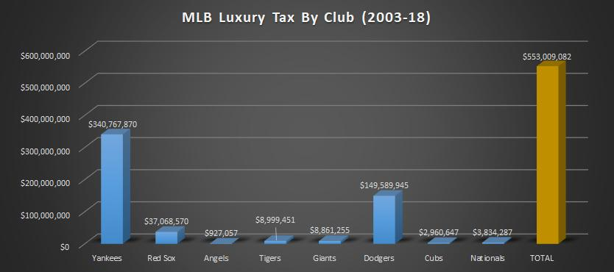

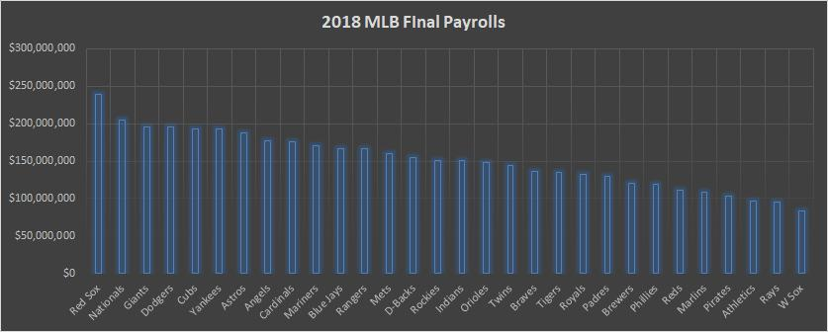

Rank 2018 | 2018 | 2017 | Diff
Red Sox | $239,481,745 | $191,888,422 | $47,593,323
Nationals | $204,953,656 | $202,240,951 | $2,712,705
Giants | $195,716,953 | $203,266,385 | ($7,549,432)
Dodgers | $195,039,730 | $253,633,893 | ($58,594,163)
Cubs | $193,316,649 | $183,310,943 | $10,005,706
Yankees | $192,980,833 | $224,224,707 | ($31,243,874)
Astros | $187,386,304 | $140,475,350 | $46,910,954
Angels | $176,748,648 | $188,553,926 | ($11,805,278)
Cardinals | $175,703,458 | $182,701,709 | ($6,998,251)
Mariners | $170,971,290 | $174,721,701 | ($3,750,411)
Blue Jays | $167,138,865 | $166,152,534 | $986,331
Rangers | $166,342,492 | $173,238,067 | ($6,895,575)
Mets | $160,308,323 | $164,660,792 | ($4,352,469)
D-Backs | $154,962,403 | $115,868,790 | $39,093,613
Rockies | $151,189,998 | $156,003,532 | ($4,813,534)
Indians | $150,825,627 | $151,800,196 | ($974,569)
Orioles | $148,720,053 | $179,936,646 | ($31,216,593)
Twins | $143,820,218 | $123,573,527 | $20,246,691
Braves | $136,024,060 | $133,400,668 | $2,623,392
Tigers | $135,349,421 | $207,204,947 | ($71,855,526)
Royals | $132,026,511 | $185,102,611 | ($53,076,100)
Padres | $130,216,502 | $98,837,480 | $31,379,022
Brewers | $121,053,771 | $78,827,919 | $42,225,852
Phillies | $119,194,540 | $119,643,867 | ($449,327)
Reds | $111,594,229 | $108,415,573 | $3,178,656
Marlins | $108,086,007 | $154,892,372 | ($46,806,365)
Pirates | $103,837,992 | $109,460,508 | ($5,622,516)
Athletics | $96,478,025 | $90,044,120 | $6,433,905
Rays | $95,568,294 | $100,355,005 | ($4,786,711)
W Sox | $82,889,649 | $100,877,540 | ($17,987,891)
Total | $4,547,926,246 | $4,663,316,698 | ($115,390,452)

Source: Associated Press

