Sheet1
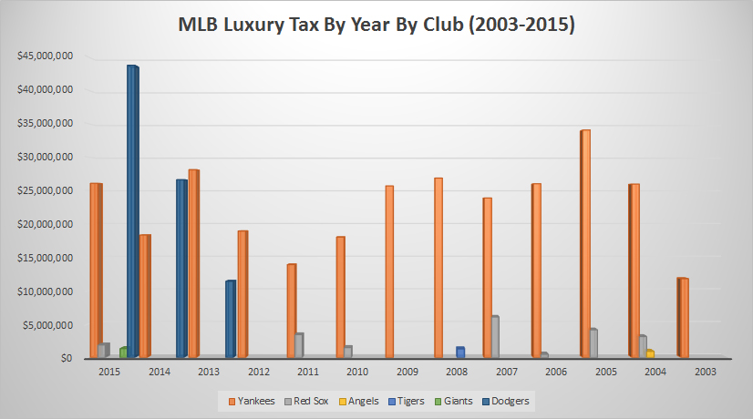
Maury Brown. Forbes SportsMoney. Breaking down over $400 million in MLB luxury tax penalties since 2003. Dec 3, 2015. gleaned Dec 10, 2015.
http://www.forbes.com/sites/maurybrown/2015/12/03/breaking-down-over-400-million-in-mlb-luxury-tax-penalties-since-2003/

Year | Yankees | Red Sox | Angels | Tigers | Giants | Dodgers | TOTAL
2015 | $26,075,394 | $1,878,222 |  |  | $1,335,533 | $43,728,119 | $73,017,268
2014 | $18,326,948 |  |  |  |  | $26,621,125 | $44,948,073
2013 | $28,113,945 |  |  |  |  | $11,415,959 | $39,529,904
2012 | $18,917,994 |  |  |  |  |  | $18,917,994
2011 | $13,896,069 | $3,430,810 |  |  |  |  | $17,326,879
2010 | $18,029,654 | $1,487,149 |  |  |  |  | $19,516,803
2009 | $25,689,173 |  |  |  |  |  | $25,689,173
2008 | $26,862,702 |  |  | $1,305,220 |  |  | $28,167,922
2007 | $23,881,386 | $6,064,287 |  |  |  |  | $29,945,673
2006 | $26,009,039 | $497,549 |  |  |  |  | $26,506,588
2005 | $34,053,787 | $4,148,981 |  |  |  |  | $38,202,768
2004 | $25,964,060 | $3,148,962 | $927,057 |  |  |  | $30,040,079
2003 | $11,798,357 |  |  |  |  |  | $11,798,357
TOTALS | $297,618,508 | $20,655,960 | $927,057 | $1,305,220 | $1,335,533 | $81,765,203 | $403,607,481

