Sheet1
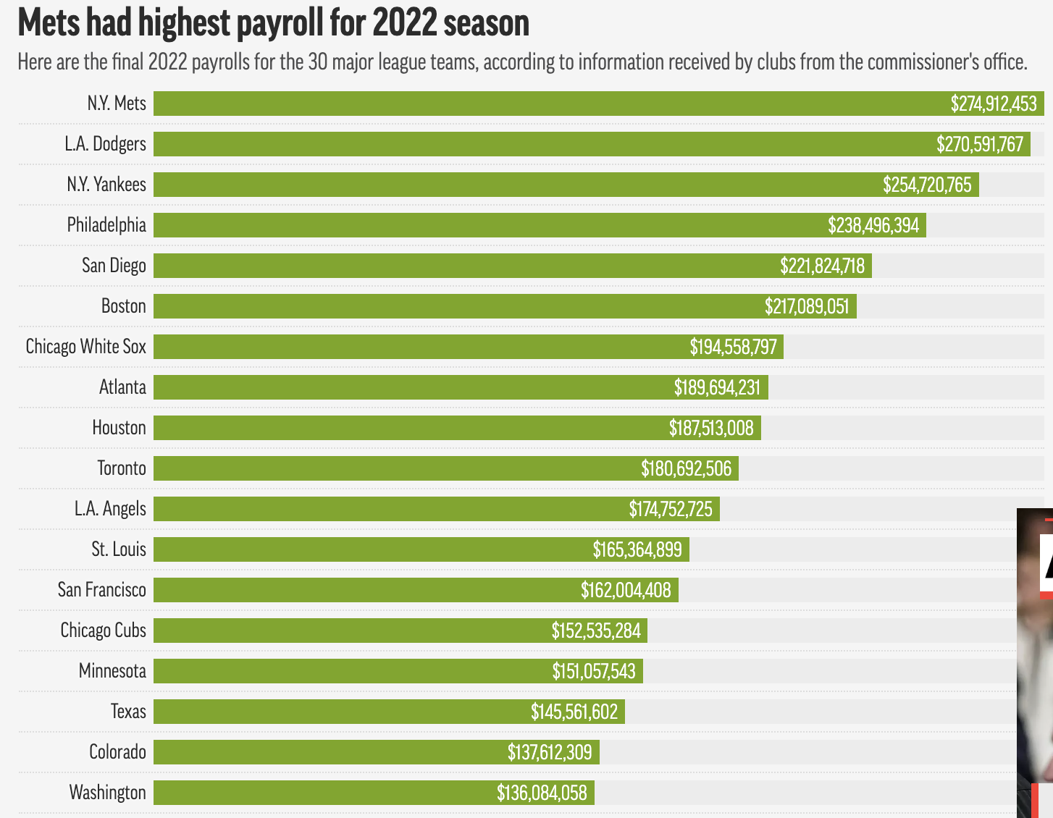
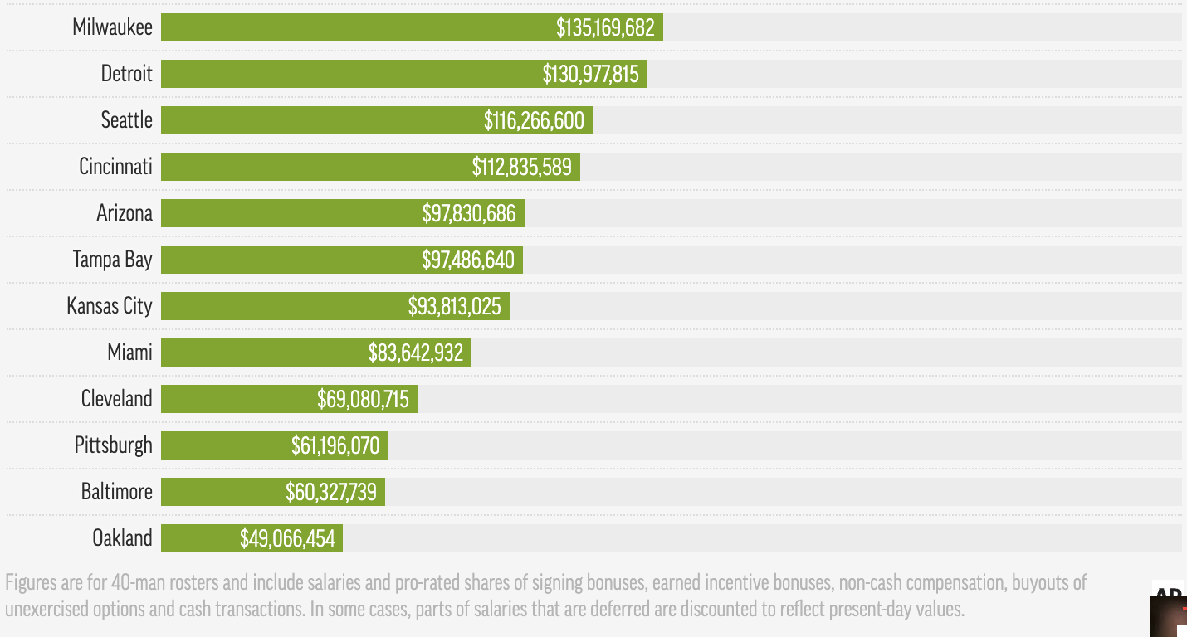
MLB Payrolls 2022
https://apnews.com/article/new-york-mets-los-angeles-dodgers-yankees-mlb-sports-472856e4b941d425c33cf669c9e28452
RONALD BLUMJanuary 18, 2023. AP Exclusive: Dodgers taxed $32M, MLB payrolls record $4.5B

