Sheet1
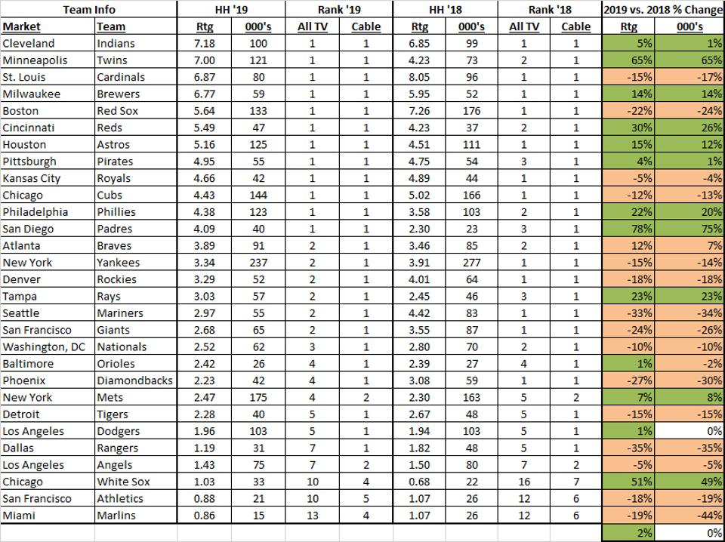
Maury Brown. 2019 MLB Regional TV Ratings in Prime Time Remain Solid. Forbes.com. Oct. 15, 2019.
https://www.forbes.com/sites/maurybrown/2019/10/15/2019-mlb-regional-tv-ratings-in-prime-time-remain-solid/#51c210233f89

