Sheet1
Warner, Dave. "How MLB Splits Your TV Dollars. Awfulannouncing.com. May 17, 2013. http://www.awfulannouncing.com/2013/may/how-mlb-splits-your-tv-dollars.html
 | Gleaned March 8, 2014.

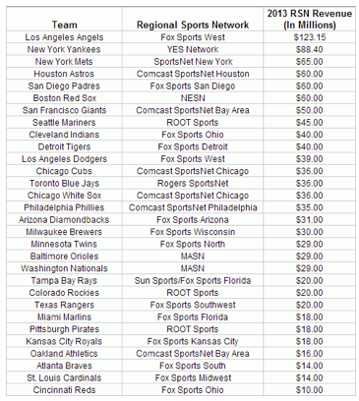

Much of this data was compiled by Wendy Thurm of Fangraphs, with some data from around the web filling in the gaps. Some of the numbers are rough estimates,
with escalators in place for the New York Yankees (4%) and Los Angeles Angels of Anaheim (2.5%)
Data are prior to any revenue sharing.

Add in TV revenue sharing and national TV share.

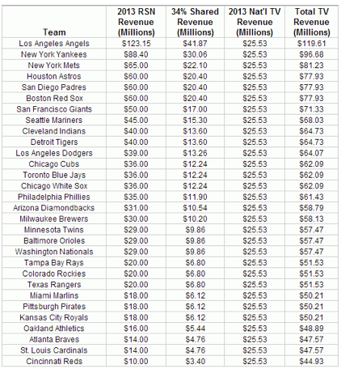

And for 2014?

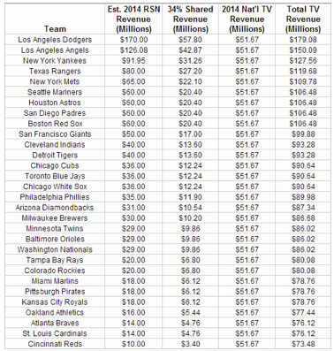

First, we have to figure out how much the Dodgers will make next season. Their new contract with Time Warner Cable is worth
$7 billion over 25 years, which averages out to $280 per year, but chances are there’s an escalator clause in that deal, so as to minimize TWC’s short-term risk. If it’s the same as with the Yankees’
deal with YES (4%), TWC could pay the Dodgers about $170 million next season. (Let’s also assume that the Dodgers will agree to share 34% of that, even though MLB’s settlement with
Frank McCourt would permit them to share much less.) The Dodgers’ new deal alone adds more than $44M to the shared revenue pool. That will add about $1.47 million to every MLB team’s bottom line.

We’ll also factor in the escalator clauses for the Yankees and Angels, as well as the Mariners’ purchase of ROOT Sports Northwest,
which could put the M’s on the same level as the Red Sox, who own NESN.

