Sheet1
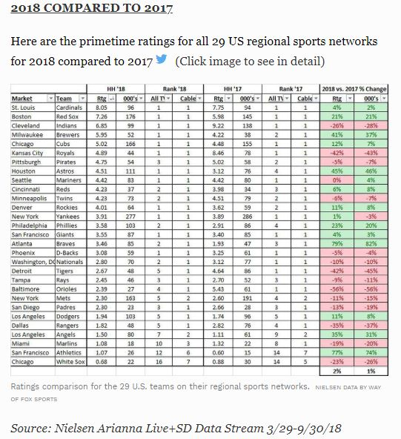
MLB Prime Time Ratings, 2017 and 2018.
Twitter from Maury Brown. Oct. 4, 2018.
https://www.forbes.com/sites/maurybrown/2018/10/04/2018-mlb-regional-tv-ratings-in-primetime-shows-continued-strong-popularity/#9c141fc6257b

