Sheet1
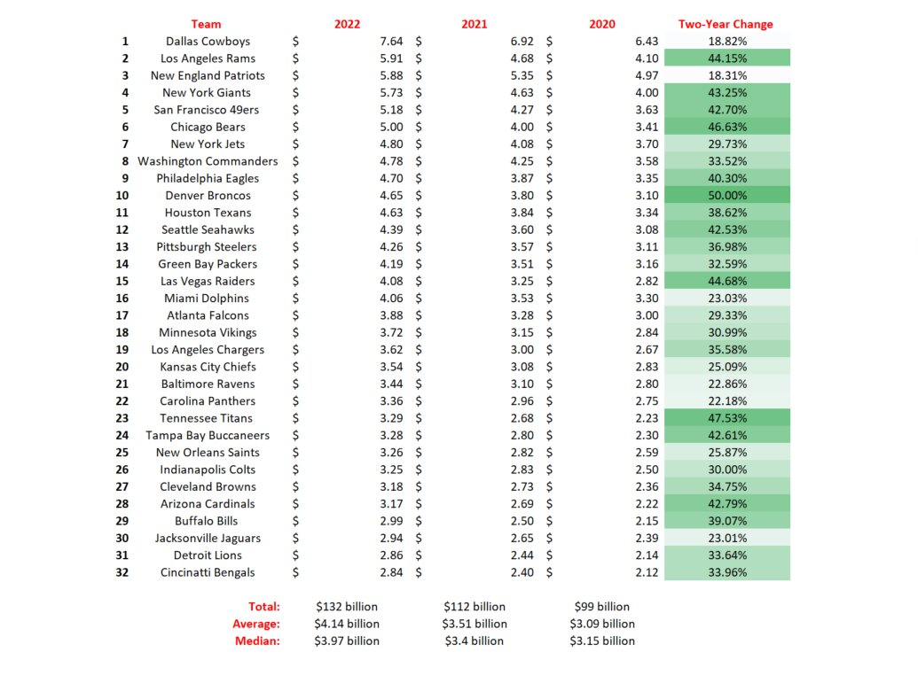
Sportico NFL Team Valuations 2022 |  |  |  | Dated Aug. 1, 2022. |  |  | Three-year comparison. | Twitter: @novy_williams | 1-Aug-22
https://www.sportico.com/feature/nfl-team-values-ranking-list-1234684165/

Team | Team-related business & real estate | Team Value | 2022 Valuation | 1-Year Value Change | Revenue | 2020 Revenue
Dallas Cowboys | 0.497 | 7.14 | $7.64 billion | 10% | 0.978 | 0.76
Los Angeles Rams | 0.869 | 5.04 | $5.91 billion | 26% | 0.692 | 0.414
New England Patriots | 0.696 | 5.18 | $5.88 billion | 10% | 0.681 | 0.487
New York Giants |  | 5.73 | $5.73 billion | 24% | 0.616 | 0.395
San Francisco 49ers | 0.05 | 5.13 | $5.18 billion | 21% | 0.611 | 0.371
Chicago Bears |  | 5 | $5 billion | 25% | 0.525 | 0.364
New York Jets |  | 4.8 | $4.8 billion | 18% | 0.564 | 0.383
Washington Commanders | 0.23 | 4.55 | $4.78 billion | 12% | 0.535 | 0.391
Philadelphia Eagles |  | 4.7 | $4.7 billion | 21% | 0.566 | 0.383
Denver Broncos |  | 4.65 | $4.65 billion | 22% | 0.51 | 0.369
Houston Texans |  | 4.63 | $4.63 billion | 21% | 0.558 | 0.413
Seattle Seahawks | 0.065 | 4.32 | $4.39 billion | 22% | 0.52 | 0.365
Pittsburgh Steelers |  | 4.26 | $4.26 billion | 19% | 0.508 | 0.364
Green Bay Packers | 0.047 | 4.14 | $4.19 billion | 19% | 0.553 | 0.369
Las Vegas Raiders | 0.082 | 4 | $4.08 billion | 26% | 0.571 | 0.383
Miami Dolphins | 0.208 | 3.85 | $4.06 billion | 15% | 0.528 | 0.379
Atlanta Falcons | 0.028 | 3.85 | $3.88 billion | 18% | 0.566 | 0.385
Minnesota Vikings | 0.033 | 3.69 | $3.72 billion | 18% | 0.505 | 0.364
Los Angeles Chargers |  | 3.62 | $3.62 billion | 21% | 0.484 | 0.349
Kansas City Chiefs |  | 3.54 | $3.54 billion | 15% | 0.505 | 0.365
Baltimore Ravens |  | 3.435 | $3.44 billion | 11% | 0.505 | 0.359
Carolina Panthers | 0.215 | 3.145 | $3.36 billion | 13% | 0.507 | 0.358
Tennessee Titans |  | 3.29 | $3.29 billion | 23% | 0.484 | 0.36
Tampa Bay Buccaneers |  | 3.28 | $3.28 billion | 18% | 0.504 | 0.372
New Orleans Saints |  | 3.26 | $3.26 billion | 16% | 0.502 | 0.364
Indianapolis Colts | 0.026 | 3.22 | $3.25 billion | 15% | 0.49 | 0.354
Cleveland Browns |  | 3.18 | $3.18 billion | 17% | 0.509 | 0.363
Arizona Cardinals |  | 3.165 | $3.17 billion | 18% | 0.472 | 0.353
Buffalo Bills |  | 2.99 | $2.99 billion | 20% | 0.475 | 0.344
Jacksonville Jaguars |  | 2.94 | $2.94 billion | 11% | 0.482 | 0.38
Detroit Lions |  | 2.86 | $2.86 billion | 17% | 0.462 | 0.349
Cincinnati Bengals |  | 2.84 | $2.84 billion | 18% | 0.458 | 0.347

2022 Valuation: The sum of the fair-market value of an NFL franchise combined with the value of team-related businesses and real estate holdings.

Team Value: NFL franchise valuation, derived from metrics by which football-team transactions occur, including aggregating local and national revenues and factoring in a team-specific multiplier. This represents the fair market value of the team itself, excluding related businesses held by its owners. It includes the value of each franchise’s 3.13% interest in the league’s properties, including NFL Network, NFL RedZone and its digital platforms, which are acquired/dispossessed in tandem with the sale of a team.

Team-Related Businesses and Real Estate Holdings: The value of a franchise owner’s equity in team-related businesses that are distinct corporate entities, as well as government-assessed real estate related to venue, practice facilities and adjacent developments. Examples include: Cowboys owner Jerry Jones’ 20%-plus interest in Legends Hospitality, a stadium operations corporation; and the Washington Commanders’ subsidiaries, which own roughly 300 acres near the team’s stadium and practice facility.

This category excludes value derived from enterprises determined as too attenuated from the football team’s operations, which fall into three categories: (1) rent from non-football, outside-of-stadium retail operations, like the Green Bay Packers’ Titletown venture or New England Patriots’ Patriot Place; (2) licensing fees paid by non-football third parties to a team’s sister company for the use of intellectual property; (3) team owner’s investment in businesses unrelated to franchise operations. Examples include the Cowboys’ sister company Blue Star Land’s joint ventures with real estate partners.

For franchises that do not own their venues, the value of a team’s lease—often with advantageous terms negotiated with municipal or state authorities—is captured in the Team Value category.

From the DataViz version: |  |  | https://www.sportico.com/feature/most-valuable-nfl-franchises-chart-1234684186/
The average NFL team is worth $4.14 billion, according to data compiled by Sportico. The Dallas Cowboys rank first at $7.64 billion, while the Cincinnati Bengals rank last at $2.84 billion. Below are the elements that compose the value of the league's 32 franchises, whose collective worth is $132 billion.

Definitions

Total Value: The sum of the fair-market value of an NFL franchise combined with the value of team-related businesses and real estate holdings.

Team Value: NFL franchise valuation, derived from metrics by which football-team transactions occur, including aggregating local and national revenues and factoring in a team-specific multiplier. This represents the fair market value of the team itself, excluding related businesses held by its owners. It includes the value of each franchise's 3.13% interest in the league's properties, including NFL Network, NFL RedZone and its digital platforms, which are acquired/dispossessed in tandem with the sale of a team.
NOTE: All teams with blank TRB&RE say "Included in team value". So they are not entered here as "zero".
Team-Related Businesses and Real Estate Holdings: The value of a franchise owner's equity in team-related businesses that are distinct corporate entities, as well as government-assessed real estate related to venue, practice facilities and adjacent developments. Examples include: Cowboys owner Jerry Jones' 20%-plus interest in Legends Hospitality, a stadium operations corporation; and the Washington Commanders' subsidiaries, which own roughly 300 acres near the team's stadium and practice facility.

This category excludes value derived from enterprises determined as too attenuated from the football team's operations, which fall into three categories: (1) rent from non-football, outside-of-stadium retail operations, like the Green Bay Packers' Titletown venture or New England Patriots' Patriot Place; (2) licensing fees paid by non-football third parties to a team's sister company for the use of intellectual property; (3) team owner's investment in businesses unrelated to franchise operations. Examples include the Cowboys' sister company Blue Star Land's joint ventures with real estate partners.

For franchises that do not own their venues, the value of a team's lease—often with advantageous terms negotiated with municipal or state authorities—is captured in the Team Value category.

Total Team Revenue: Cumulative amount of National Revenue and Local Revenue.

National Revenue: Each franchise's nearly equal proportion of league-shared revenue, derived predominantly from NFL contracts with media and advertising partners; it represented 64% of total team revenue for the 2021 season and 80% during the COVID-19 impacted one. This consists of:

(i.) National media rights (broadcast deals with Walt Disney, Fox, Comcast, ViacomCBS, Amazon, SiriusXM and Cumulus Media).

(ii.) League sponsorship revenues (e.g., Verizon, Anheuser-Busch InBev, Microsoft, DraftKings, Nationwide, Visa and many others).

(iii.) Net revenues and royalties from NFL Ventures, which include the league's various affiliates and subsidiaries, such as NFL Properties LLC, NFL International LLC, and NFL Enterprises LLC. These distributions cover licensing, film, international properties and media rights, as well as domestic TV deals with AT&T (NFL Sunday Ticket) and NFL Network.

Excluded from this calculation is income derived by and distributed from 32 Equity, the private equity investment vehicle established by the NFL in 2013.

Individual teams book slightly different national revenues and most ranged from $344 million to $349 million for the 2021 season, per conversations with executives at different teams. There is also a slight increase in national revenue for certain clubs if they appear on national radio broadcasts or preseason games on national TV. It is a kind of make-good on lost local revenue for those teams because they control those media rights and can generate advertising from them.

Local Revenue: Revenue generated by each franchise independent of league distributions, comprising in aggregate only 36% of total team revenue for the 2021 season. Local revenue is comprised of:

(i.) Stadium, which includes: ticket sales; premium seating (luxury suite leases and club seating); parking; team's share of concessions; and non-football (third-party) events.

(ii.) Sponsorship, which includes: naming rights, advertising, corporate partnerships, local merchandising (distinct from league licensing royalties in National Revenue).

(iii.) Road Game Revenue, which includes the net share of each team's proportion of revenue generated from games played outside of its venue. It was $20 million per team for the 2021 season.

(iv.) Media, which includes local TV and radio, for which teams often control advertising inventory.

Methodology

Full Transparency

Sportico is committed to transparency, including provision of detailed methodology and sourcing information below. For any additional questions, please contact our sports valuations reporter at kbadenhausen@sportico.com.

Fair Market Franchise Valuations

To derive the fair market value of the 32 NFL franchises, Sportico calculated each team's historic and projected revenue, relying on publicly available information and financial records—and interviews with those knowledgeable of team finances, including nine sports bankers and lawyers who actively work on NFL transaction. We traded candor for anonymity. This information was vetted with multiple club owners, team financial and operating officers, media relations personnel and former team executives, as well as industry experts.

Revenue totals were then subject to a team-specific multiplier, which, based on interviews with multiple sports bankers, remains the most common manner by which transactions are judged in sports, due to dramatic fluctuations of earnings before interest, taxes, depreciation and amortization (EBITDA), year-over-year, based on salary cap spending and special expenses. One team owner told Sportico: "EBITDA, at the end of the day, is less a driver of football value than people think."

The team-specific multipliers were based on numerous factors, including: historical sales, market (size, saturation and interest by prospective owners), strength of brand, on-field performance (historical and recent), terms of facility lease, debt burden, and expected future team and league economics. These ranges varied from 6 times revenue (i.e., Cincinnati Bengals) to 9.5 times revenue (i.e., Chicago Bears). In 2018, the Carolina Panthers sold for nearly 6 times revenue. The Denver Broncos sale is for roughly 9 times 2021 revenue.

Historic national revenue was determined based on the annual financial report of the lone publicly owned NFL franchise, the Green Bay Packers.

Local Revenue was calculated based on interviews with team executives and experts, analyses of data from industry sources and reports, and those unaffiliated with teams but possessing knowledge of team and league finances (detailed below); together, this comprised hundreds of inputs of confirmed and estimated information from dozens of sources.

NFL Franchise Review and Comments

Among the 32 NFL franchises, twelve teams participated with Sportico by validating financial information, while others did not respond. The Packers provided information and answered questions as part of their annual release of financial information but did not comment on the valuations. The National Football League declined to comment on valuation totals.

Financial and Industry Sources

Team and league financial information was derived from the following sources: NFL and NFL Ventures bond ratings by Fitch Ratings; historical NFL League Office Financial Reports over multiple years; historical financial reports of NFL Ventures, L.P. and subsidiaries; historical annual reports for the Green Bay Packers Football Club, Inc.; historical financial reports of the Kansas City Chiefs and Carolina Panthers, respectively, over multiple years; and analyses of historical team sales from 1999 to 2022, based on Sportico research.

Industry data sources include: the Association of Luxury Suite Directors (for club and luxury suite capacity and pricing); Team Marketing Report (fan spending); individual team and sponsor websites; Chris Bigelow of the Bigelow Companies (per capita spending on stadium concessions); and the Marquette University Law School (historical sports facility lease information).

Government Sources

To assess team-owned real estate with consistency, Sportico included government property appraisals. Sources included: Brown County Land Records (Wisconsin); Collin County Appraisal District (Texas); Denton County Central Appraisal District (Texas); Los Angeles County Assessor (California); Maryland Department of Assessments and Taxation; Prince George's County (Maryland); Miami-Dade County Property Appraiser (Florida); Dakota County Property Taxation & Records (Minnesota); Clark County Assessor's Office (Nevada); Town of Foxborough Assessor's Office (Massachusetts); Mecklenburg County Assessor's Office (North Carolina); and York County Tax Assessor's Office (South Carolina); Marion County Assessor's Office (Indiana); King County Department of Assessments (Washington).

