Sheet1
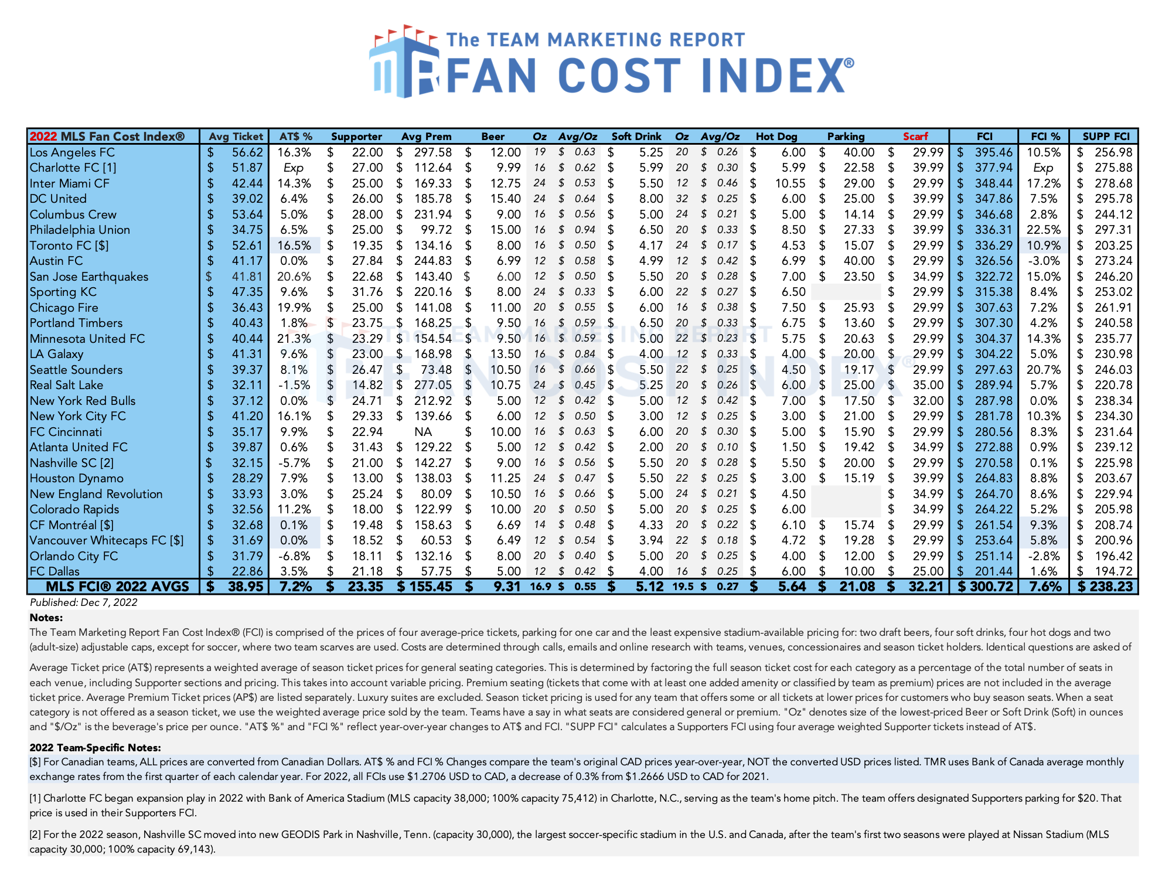
MLS Fan Cost Index. In email to me Dec. 7, 2022.

