Sheet1
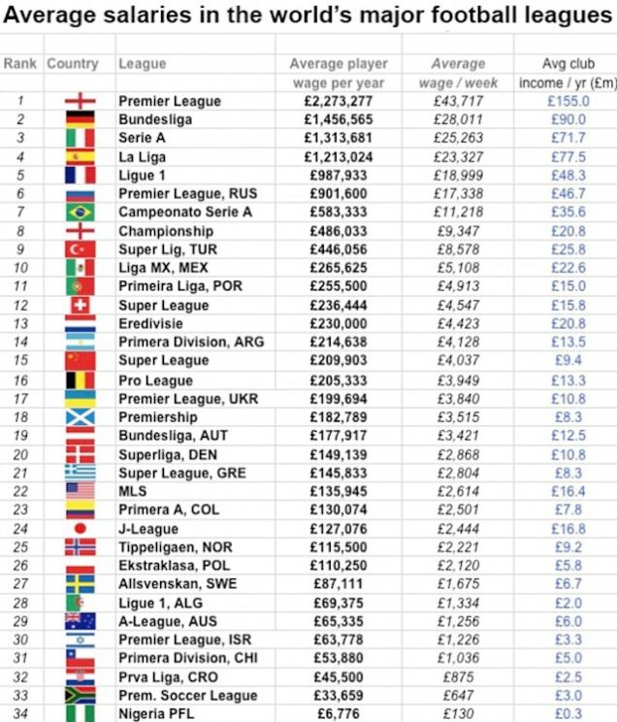
Bill Haisley. "Chart:The Average Player Salareies in Soccer Leagues around the World." screamer.deadspin.com, gleaned Nov. 14, 2014.

