Sheet1
Soccer Team Values. Business on the Pitch. Forbes.com. Gleaned May 7, 2015. |  |  |  |  |  |  | Boris Helleu. La valeur des clubs de football. Hell of a Sport (blog). May 7, 2015. Gleaned May 7, 2015.
http://www.forbes.com/soccer-valuations/list/ |  |  |  |  |  |  | http://hell-of-a-sport.blogspot.fr/2015/05/la-valeur-des-clubs-de-football.html
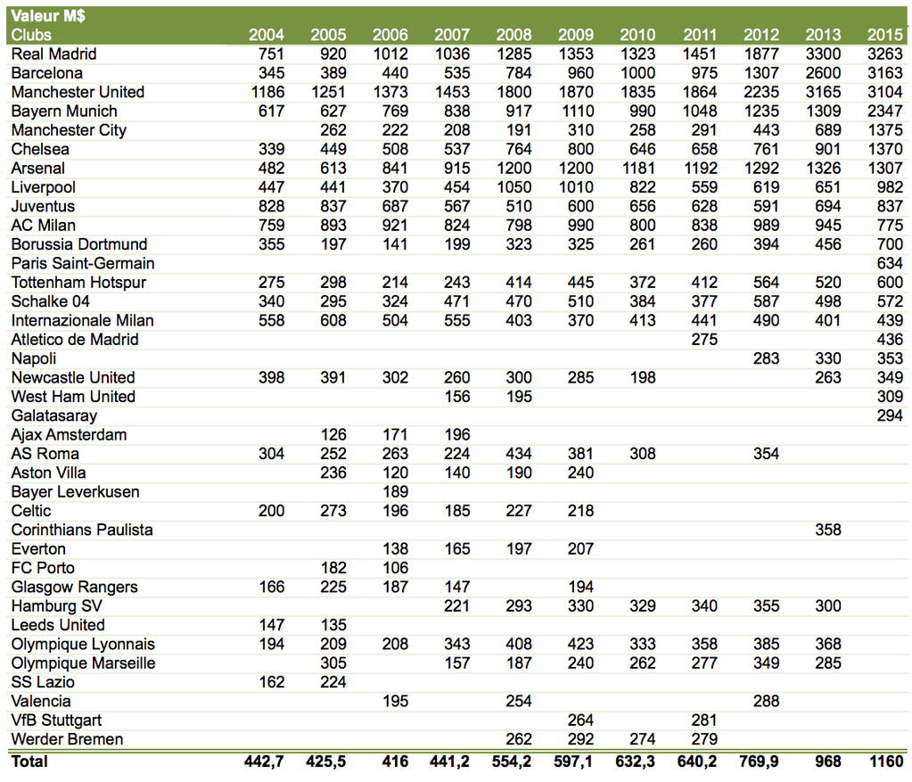
Rank | Team | Current Value ($mil) | 1-Yr Value Change (%) |  | Revenue ($mil) | Operating Income ($mil)
 |  |  |  | Debt/Value
 |  |  |  | (%)
1 | Real Madrid | 3,263 | -5 | 4 | 746 | 170
2 | Barcelona | 3,163 | -1 | 3 | 657 | 174
3 | Manchester United | 3,104 | 10 | 20 | 703 | 211
4 | Bayern Munich | 2,347 | 27 | 0 | 661 | 78
5 | Manchester City | 1,375 | 59 | 0 | 562 | 122
6 | Chelsea | 1,370 | 58 | 0 | 526 | 83
7 | Arsenal | 1,307 | -2 | 30 | 487 | 101
8 | Liverpool | 982 | 42 | 10 | 415 | 86
9 | Juventus | 837 | -2 | 9 | 379 | 50
10 | AC Milan | 775 | -10 | 44 | 339 | 54
11 | Borussia Dortmund | 700 | 17 | 6 | 355 | 55
12 | Paris Saint-Germain | 634 | 53 | 0 | 643 | -1
13 | Tottenham Hotspur | 600 | 17 | 9 | 293 | 63
14 | Schalke 04 | 572 | -1 | 0 | 290 | 57
15 | Inter Milan | 439 | -9 | 56 | 222 | -41
16 | Atletico de Madrid | 436 | 33 | 53 | 231 | 47
17 | Napoli | 353 | 19 | 0 | 224 | 43
18 | Newcastle United | 349 | 33 | 0 | 210 | 44
19 | West Ham United | 309 | 33 | 12 | 186 | 54
20 | Galatasaray | 294 | -15 | 17 | 220 | -37
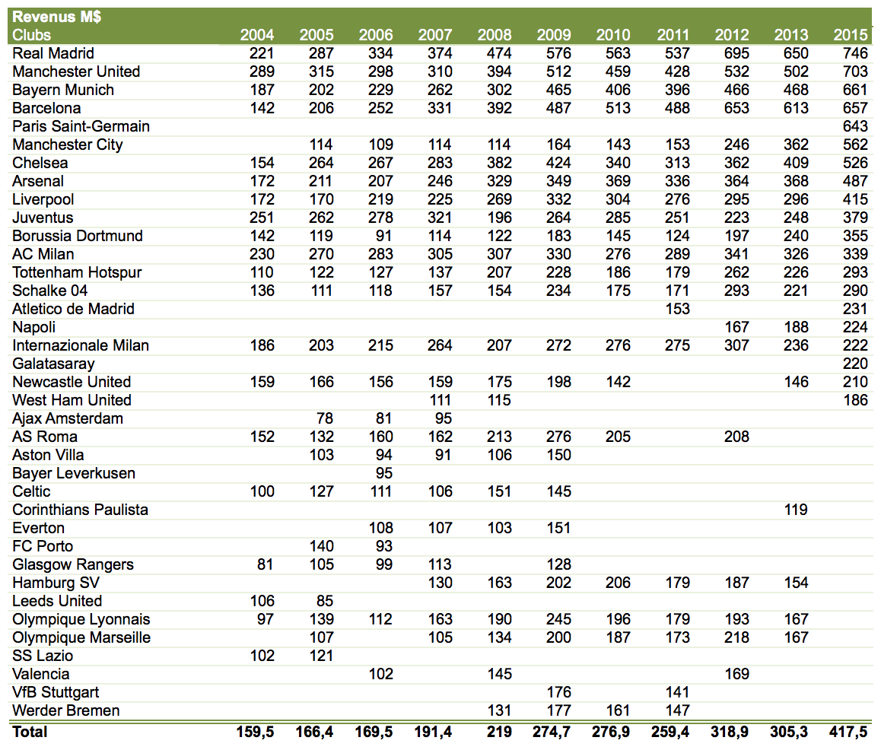

Revenues and operating income are for the 2013-14 season, converted into U.S. dollars based on average exchange rate for the 2013-14 season.
Enterprise value (equity plus net debt) based on current stadium deal (unless new stadium is pending) based on April 22, 2015 exchange rates.
Earnings before interest, taxes, depreciation and amortization, player trading and disposal of player registrations.
Includes stadium debt.
All figures and information are from public sources and team executives. Most revenue figures come courtesy of Deloitte LLP's Football Money League report.

Example: Real Madrid.
 | 608 | Match Day
 | 1091 | Broadcasting
 | 1100 | Commercial
 | 464 | Brand
 | 3263 | Valuation

