DASHBOARD
ADVENTURE WORKS DASHBOARD
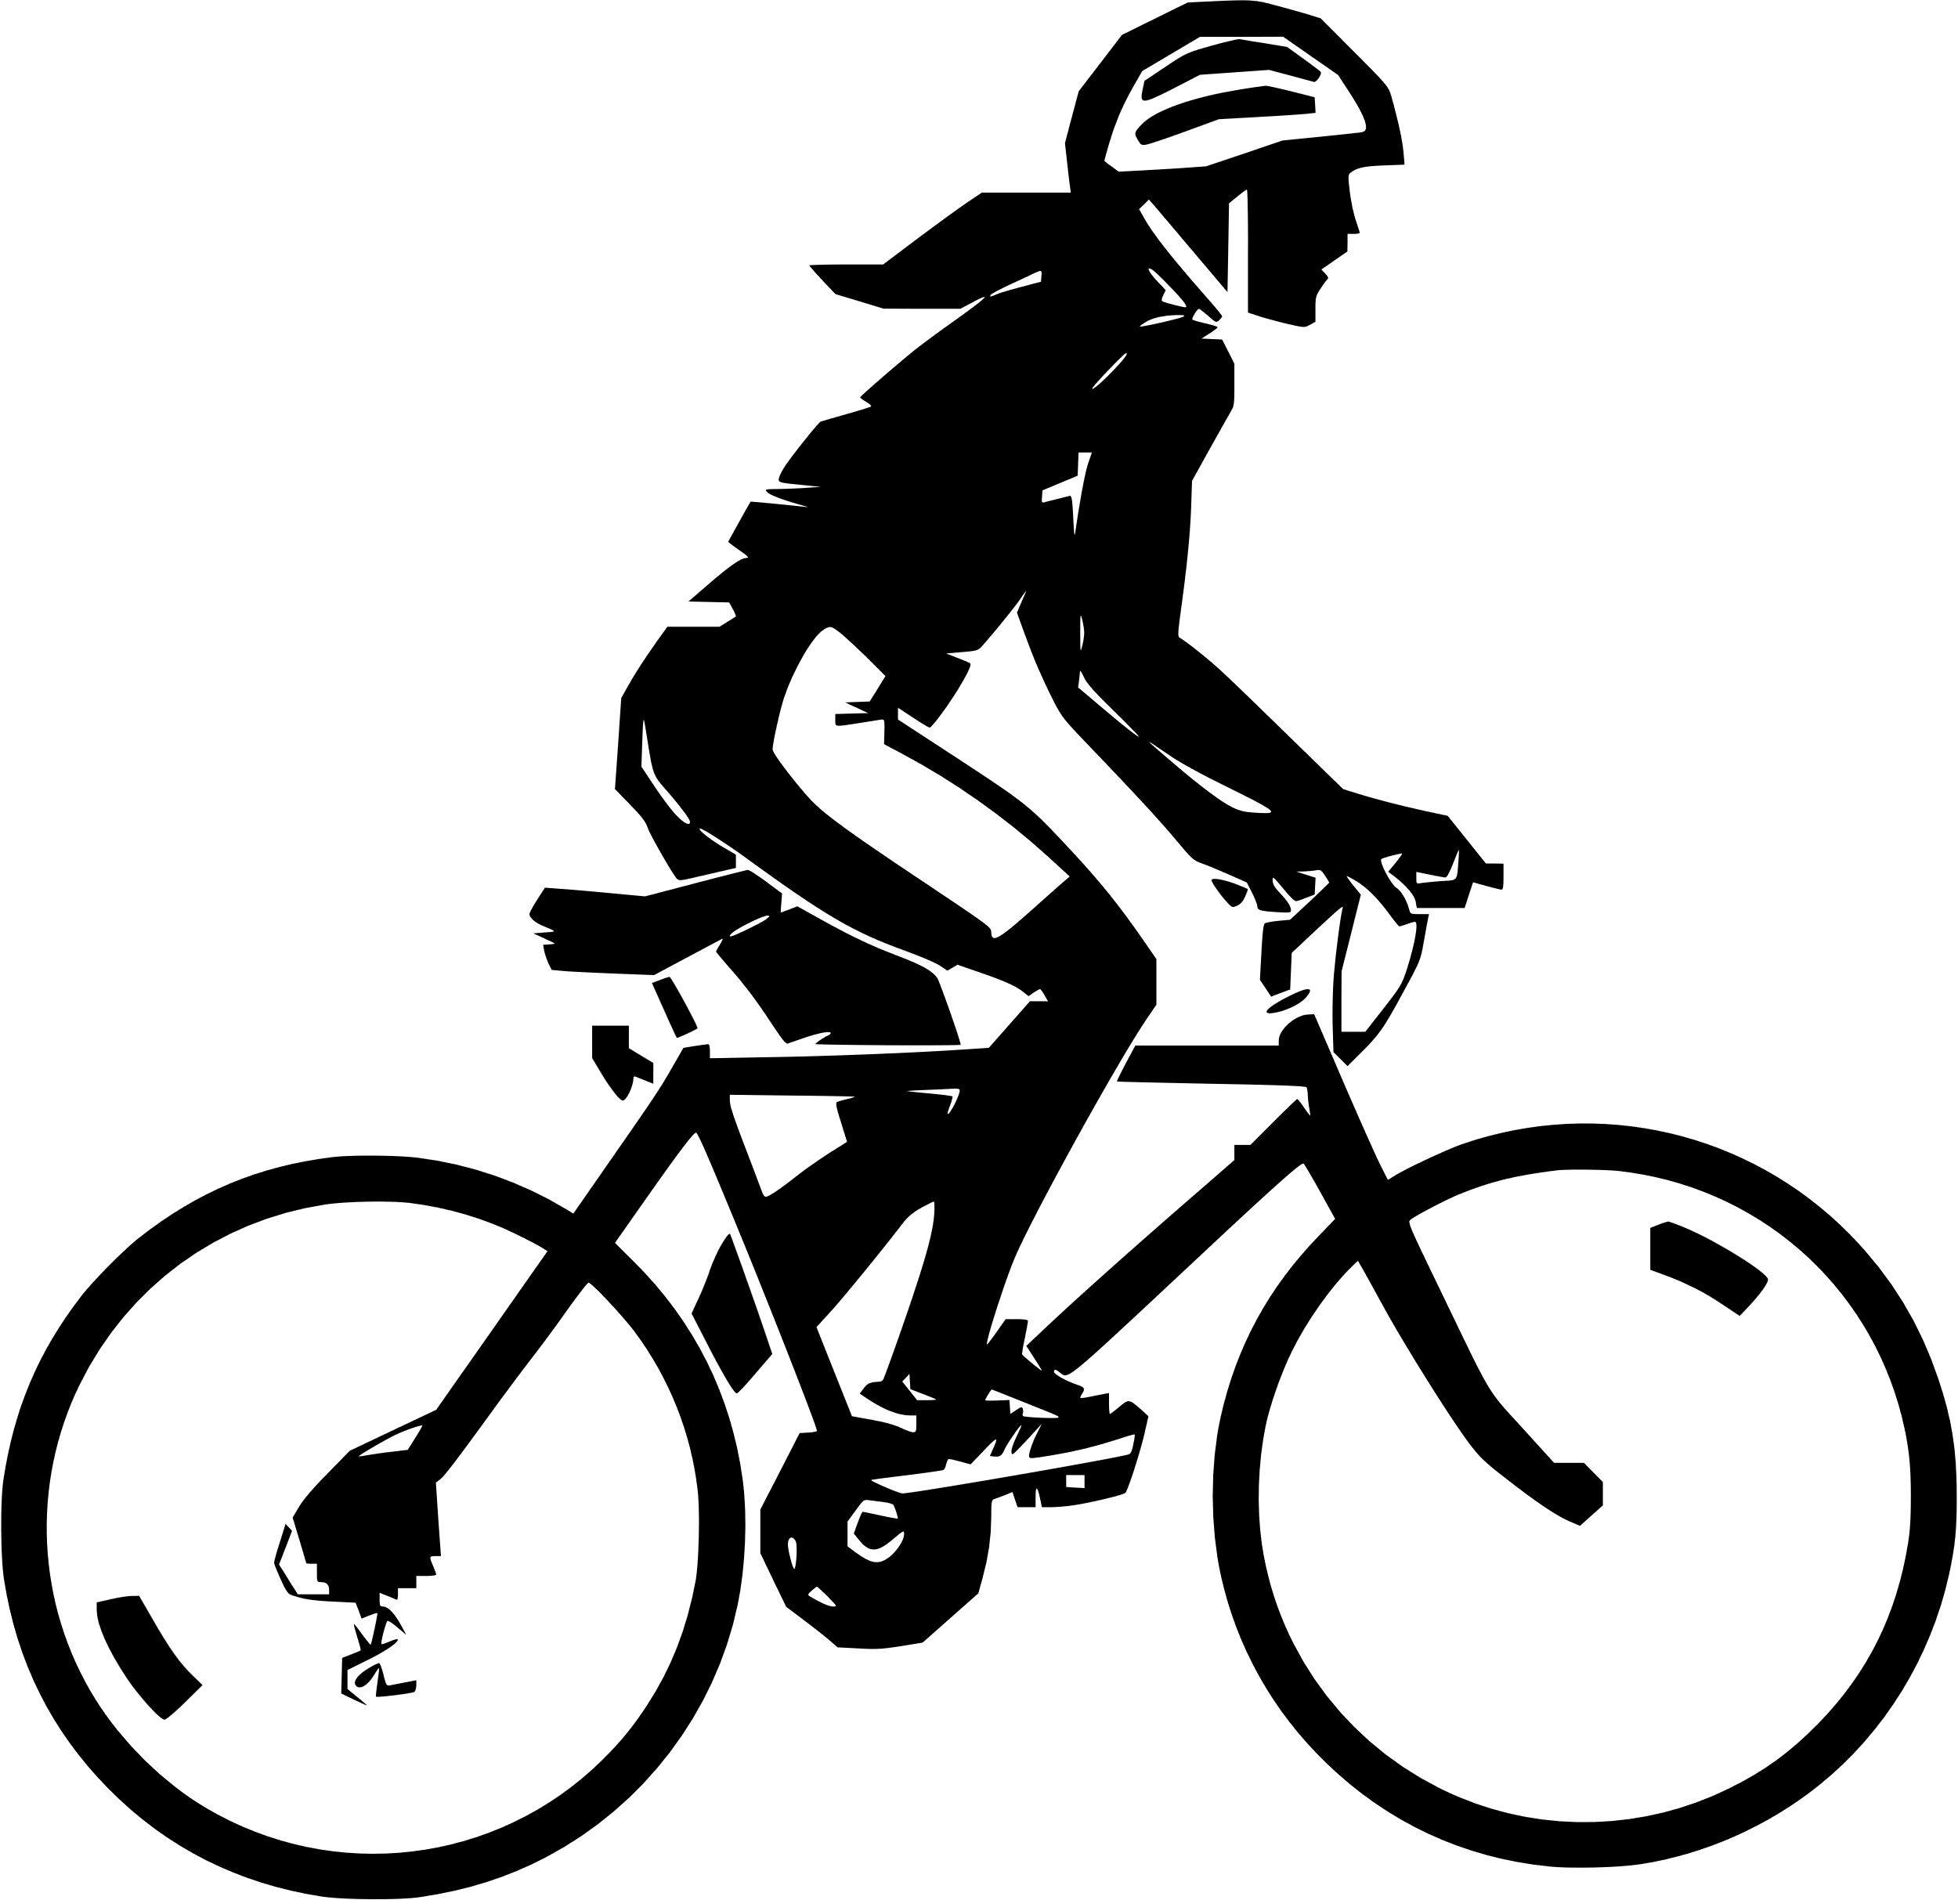
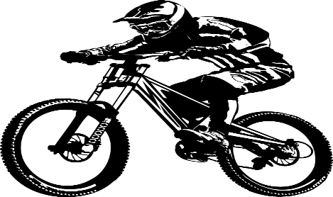
TOTAL_PROFIT
12M
TOTAL_SALES
29.3M

QUARTER WISE SALES
 | Total
1 | 5521839.5563
2 | 7089762.271
3 | 7639278.1092
4 | 9107797.2842
REGION WISE SALES&PROFIT
 | Sum of SALES | Sum of PROFIT
United Kingdom | 3391712.2109 | 1390490.778
Southwest | 5718150.8122 | 2371763.3974
Southeast | 12238.8496 | 5332.4262
Northwest | 3649866.5512 | 1519631.2964
Northeast | 6532.4682 | 2902.7623
Germany | 2894312.3382 | 1187370.765
France | 2644017.7143 | 1086264.7218
Central | 3000.8296 | 1350.9204
Canada | 1977844.8621 | 829921.5012
Australia | 9061000.5844 | 3685855.0763
FINC-YEAR SALES & PROFIT
 | Sum of SALES | Sum of PROFIT
2010 | 1464778.5136 | 587917.2992
2011 | 7030009.771 | 2831831.2801
2012 | 7145589.9161 | 2980218.0193
2013 | 13718299.02 | 5680917.0464

TOP-10 PRODUCT SALES
 | Total
Mountain-200 Black, 38 | 1294866.1412
Mountain-200 Black, 42 | 1363142.0934
Mountain-200 Black, 46 | 1373469.5482
Mountain-200 Silver, 38 | 1339462.7904
Mountain-200 Silver, 42 | 1257434.5728
Mountain-200 Silver, 46 | 1301100.0984
Road-150 Red, 48 | 1205876.99
Road-150 Red, 52 | 1080637.54
Road-150 Red, 56 | 1055589.65
Road-150 Red, 62 | 1202298.72
YEAR WISE SALES
 | Total
2010 | 43421.0364
2011 | 7075525.9291
2012 | 5842485.1952
2013 | 16351550.34
2014 | 45694.72
COUNTRY WISE PROFIT
 | Total
Australia | 3685855.0763
Canada | 829921.5012
France | 1086264.7218
Germany | 1187370.765
United Kingdom | 1390490.778
United States | 3900980.8027
SUB-CATEGORY WISE SALES
 | Total
Bike Racks | 39360
Bike Stands | 39591
Bottles and Cages | 56798.19
Caps | 19688.1
Cleaners | 7218.6
Fenders | 46619.58
Gloves | 35020.7
Helmets | 225335.6
Hydration Packs | 40307.67
Jerseys | 172950.68
Mountain Bikes | 9952759.5644
Road Bikes | 14520584.036
Shorts | 71319.81
Socks | 5106.32
Tires and Tubes | 245529.32
Touring Bikes | 3844801.05
Vests | 35687

MONTH WISE SALES
 | Total
1 | 1868572.6709
2 | 1744677.8306
3 | 1908589.0548
4 | 1948432.2303
5 | 2205152.2965
6 | 2936177.7442
7 | 2412980.5949
8 | 2689540.8765
9 | 2536756.6378
10 | 2916660.8978
11 | 2979421.3902
12 | 3211714.9962

This Photo by Unknown Author is licensed under CC BY-NC

