Cucumber
 |  |  |  |  |  |  |  |  |  |  |  |  |  |  |  |  |  |  | % of total uptake
Source |  |  | Season | Yields (cumulative) | Planting date | Harvest Date | Season length | N application | Sampling Date |  | TIME |  | N UPTAKE |  |  |  | Overall Notes: Spring and Fall found to have different and characteristic uptake patterns in both China and Spain; separate curves may be appropriate. | % of season | Spring | Fall | Average NHI | 0.26
 | Location | Variety |  | Tons/acre |  |  | (days) | (lbs N/acre) |  | Unit | value | % of season | Unit | amount | % of max | Notes |  | 0 | 0 | 0
Guo et al., 2008 | China (in-soil greenhouse) | Various Chinese varieties (Jinglu, Zhongte); length 25-30 cm; 2.5 -3.0 cm in diameter | Spring | 29.3 | 2005-03-11 | 2005-06-21 | 102 | 0 | 0 | Days after transplanting | 0 | 0 | lbs N/acre | 0 | 0 | First harvest (spring 2005): 4/21/2005 |  | 10 | 0 | 1
 |  |  | Spring |  |  |  |  | 0 | 1 |  | 42 | 41 |  | 40 | 16 | 41 DAP |  | 20 | 2 | 8
 |  |  | Spring | 10.3 | (days 41-71) |  |  | 0 | 2 |  | 70 | 69 |  | 125 | 50 |  |  | 30 | 7 | 26
 |  |  | Spring |  |  |  |  | 0 | 3 |  | 86 | 85 |  | 214 | 85 |  |  | 40 | 19 | 42
 |  |  | Spring | 18.9 | (days 71-101) |  |  | 0 | 4 |  | 102 | 100 |  | 252 | 100 |  |  | 50 | 33 | 61
 |  |  | Spring | 37.6 | 2005-03-11 | 2005-06-21 | 102 | 136 | 0 |  | 0 | 0 |  | 0 | 0 |  |  | 60 | 50 | 80
 |  |  | Spring |  |  |  |  | 136 | 1 |  | 42 | 41 |  | 40 | 12 |  |  | 70 | 65 | 94
 |  |  | Spring | 12.4 | (days 41-71) |  |  | 136 | 2 |  | 70 | 69 |  | 159 | 49 |  |  | 80 | 81 | 100
 |  |  | Spring |  |  |  |  | 136 | 3 |  | 86 | 85 |  | 250 | 76 |  | SPRING | 90 | 93 | 100
 | Spring
0 | 0
41 | 16
69 | 50
85 | 85
100 | 100
0 | 0
41 | 12
69 | 49
85 | 76
100 | 100
0 | 0
41 | 14
69 | 51
85 | 88
100 | 100
0 | 0
37 | 24
62 | 60
81 | 75
100 | 100
0 | 0
37 | 21
62 | 70
81 | 86
100 | 100
0 | 0
37 | 13
62 | 70
81 | 82
100 | 100
0 | 0
18 | 1
34 | 4
50 | 21
67 | 47
83 | 79
100 | 100
 |  |  | Spring | 25.1 | (days 71-101) |  |  | 136 | 4 |  | 102 | 100 |  | 328 | 100 |  |  | 100 | 100 | 100
 |  |  | Spring | 34.8 | 2005-03-11 | 2005-06-21 | 102 | 634 | 0 |  | 0 | 0 |  | 0 | 0
 |  |  | Spring |  |  |  |  | 634 | 1 |  | 42 | 41 |  | 40 | 14 |  |  | Spring harvest began (China greenhouse only) 41-53 DAT, ~40% of the way through the season
 |  |  | Spring | 12.2 | (days 41-71) |  |  | 634 | 2 |  | 70 | 69 |  | 150 | 51 |  |  | Fall harvest began (China greenhouse only) 29-43 DAT; ~30% of the way through the season
 |  |  | Spring |  |  |  |  | 634 | 3 |  | 86 | 85 |  | 259 | 88 |  |  |  | Spring
 |  |  | Spring | 22.5 | (days 71-101) |  |  | 634 | 4 |  | 102 | 100 |  | 293 | 100
 |  |  | Fall | 11.6 | 2005-09-08 | 2006-01-07 | 121 | 0 | 0 |  | 0 | 0 |  | 0 | 0 | First harvest (fall 2005): 10/18/2005
 |  |  | Fall |  |  |  |  | 0 | 1 |  | 40 | 33 |  | 38 | 34 | 40 DAP
Beginning of harvest
 |  |  | Fall | 5.9 | (days 40-80) |  |  | 0 | 2 |  | 61 | 50 |  | 72 | 65
 |  |  | Fall |  |  |  |  | 0 | 3 |  | 81 | 67 |  | 112 | 100
 |  |  | Fall | 5.7 | (days 81-121) |  |  | 0 | 4 |  | 121 | 100 |  | 109 | 97
 |  |  | Fall | 16.7 | 2005-09-08 | 2006-01-07 | 121 | 362 | 0 |  | 0 | 0 |  | 0 | 0
 |  |  | Fall |  |  |  |  | 362 | 1 |  | 40 | 33 |  | 38 | 24
 |  |  | Fall | 9.3 | (days 40-80) |  |  | 362 | 2 |  | 61 | 50 |  | 129 | 82
 |  |  | Fall |  |  |  |  | 362 | 3 |  | 81 | 67 |  | 145 | 92
 |  |  | Fall | 7.4 | (days 81-121) |  |  | 362 | 4 |  | 121 | 100 |  | 157 | 100
Beginning of harvest
 |  |  | Fall | 14.3 | 2005-09-08 | 2006-01-07 | 121 | 603 | 0 |  | 0 | 0 |  | 0 | 0
 |  |  | Fall |  |  |  |  | 603 | 1 |  | 40 | 33 |  | 38 | 27
 |  |  | Fall | 6.4 | (days 40-80) |  |  | 603 | 2 |  | 61 | 50 |  | 107 | 76
 |  |  | Fall |  |  |  |  | 603 | 3 |  | 81 | 67 |  | 136 | 96 |  | FALL
 | Fall
0 | 0
33 | 34
50 | 65
67 | 100
100 | 97
0 | 0
33 | 24
50 | 82
67 | 92
100 | 100
0 | 0
33 | 27
50 | 76
67 | 96
100 | 100
0 | 0
27 | 22
43 | 52
62 | 75
100 | 100
0 | 0
27 | 27
43 | 54
62 | 81
100 | 100
0 | 0
27 | 27
43 | 54
62 | 81
100 | 100
0 | 0
19 | 2
38 | 26
55 | 49
72 | 76
91 | 87
100 | 100
 |  |  | Fall | 7.9 | (days 81-121) |  |  | 603 | 4 |  | 121 | 100 |  | 141 | 100
 |  |  | Spring | 26.4 | 2006-02-15 | 2006-06-18 | 123 | 0 | 0 |  | 0 | 0 |  | 0 | 0 | First harvest (spring 2006): 4/9/2006
 |  |  | Spring |  |  |  |  | 0 | 1 |  | 45 | 37 |  | 38 | 24 | 53 DAP
 |  |  | Spring | 12 | (days 49-77) |  |  | 0 | 2 |  | 76 | 62 |  | 96 | 60
 |  |  | Spring |  |  |  |  | 0 | 3 |  | 100 | 81 |  | 121 | 75
 |  |  | Spring | 14.5 | (days 77-122) |  |  | 0 | 4 |  | 123 | 100 |  | 161 | 100
 |  |  | Spring | 38.8 | 2006-02-15 | 2006-06-18 | 123 | 285 | 0 |  | 0 | 0 |  | 0 | 0 |  |  |  | Fall
 |  |  | Spring |  |  |  |  | 285 | 1 |  | 45 | 37 |  | 58 | 21
 |  |  | Spring | 16.6 | (days 49-77) |  |  | 285 | 2 |  | 76 | 62 |  | 194 | 70
Beginning of harvest
 |  |  | Spring |  |  |  |  | 285 | 3 |  | 100 | 81 |  | 237 | 86
 |  |  | Spring | 22.1 | (days 77-122) |  |  | 285 | 4 |  | 123 | 100 |  | 277 | 100
 |  |  | Spring | 36.5 | 2006-02-15 | 2006-06-18 | 123 | 595 | 0 |  | 0 | 0 |  | 0 | 0
 |  |  | Spring |  |  |  |  | 595 | 1 |  | 45 | 37 |  | 38 | 13
 |  |  | Spring | 16.1 | (days 49-77) |  |  | 595 | 2 |  | 76 | 62 |  | 203 | 70
 |  |  | Spring |  |  |  |  | 595 | 3 |  | 100 | 81 |  | 237 | 82
 |  |  | Spring | 20.4 | (days 77-122) |  |  | 595 | 4 |  | 123 | 100 |  | 288 | 100
 |  |  | Fall | 17.5 | 2006-09-10 | 2006-12-30 | 111 | 0 | 0 |  | 0 | 0 |  | 0 | 0 | First harvest (fall 2006): 10/9/2006
 |  |  | Fall |  |  |  |  | 0 | 1 |  | 30 | 27 |  | 34 | 22 | 29 DAP
 |  |  | Fall | 12.8 | (days 30-69) |  |  | 0 | 2 |  | 47 | 43 |  | 81 | 52
 |  |  | Fall |  |  |  |  | 0 | 3 |  | 68 | 62 |  | 118 | 75
 |  |  | Fall | 4.7 | (days 69-116) |  |  | 0 | 4 |  | 111 | 100 |  | 157 | 100
 |  |  | Fall | 20.7 | 2006-09-10 | 2006-12-30 | 111 | 277 | 0 |  | 0 | 0 |  | 0 | 0
 |  |  | Fall |  |  |  |  | 277 | 1 |  | 30 | 27 |  | 60 | 27
 |  |  | Fall | 14.8 | (days 30-69) |  |  | 277 | 2 |  | 47 | 43 |  | 121 | 54
 |  |  | Fall |  |  |  |  | 277 | 3 |  | 68 | 62 |  | 181 | 81
 |  |  | Fall | 5.9 | (days 69-116) |  |  | 277 | 4 |  | 111 | 100 |  | 224 | 100
 |  |  | Fall | 20.6 | 2006-09-10 | 2006-12-30 | 111 | 527 | 0 |  | 0 | 0 |  | 0 | 0
 |  |  | Fall |  |  |  |  | 527 | 1 |  | 30 | 27 |  | 59 | 27
 |  |  | Fall | 14.7 | (days 30-69) |  |  | 527 | 2 |  | 47 | 43 |  | 120 | 54
 |  |  | Fall |  |  |  |  | 527 | 3 |  | 68 | 62 |  | 180 | 81
 |  |  | Fall | 5.8 | (days 69-116) |  |  | 527 | 4 |  | 111 | 100 |  | 221 | 100
Gallardo et al., 2015 | Spain, Greenhouse | cv 'Strategos'; Dutch type long fruit | Spring |  | 2014-03-04 | 2014-05-28 | 85 | conventional | 0 | Days after transplanting | 0 | 0 | lbs N/acre | 0 | 0
 |  |  | Spring |  |  |  |  |  | 1 |  | 15 | 18 |  | 3 | 1
 |  |  | Spring |  |  |  |  |  | 2 |  | 28 | 34 |  | 8 | 4
 |  |  | Spring |  |  |  |  |  | 3 |  | 42 | 50 |  | 47 | 21
 |  |  | Spring |  |  |  |  |  | 4 |  | 56 | 67 |  | 106 | 47
 |  |  | Spring |  |  |  |  |  | 5 |  | 70 | 83 |  | 178 | 79
 |  |  | Spring |  |  |  |  |  | 6 |  | 84 | 100 |  | 224 | 100
 |  |  | Fall |  | 2013-09-05 | 2013-12-22 | 108 | conventional | 0 |  | 0 | 0 |  | 0 | 0
 |  |  | Fall |  |  |  |  |  | 1 |  | 15 | 19 |  | 3 | 2
 |  |  | Fall |  |  |  |  |  | 2 |  | 30 | 38 |  | 42 | 26
 |  |  | Fall |  |  |  |  |  | 3 |  | 43 | 55 |  | 80 | 49
 |  |  | Fall |  |  |  |  |  | 4 |  | 56 | 72 |  | 124 | 76
 |  |  | Fall |  |  |  |  |  | 5 |  | 71 | 91 |  | 142 | 87
 |  |  | Fall |  |  |  |  |  | 6 |  | 78 | 100 |  | 164 | 100

References: | Guo, R., Li, X., Christie, P., Chen, Q., Fusuo, Z., 2008. Seasonal temperatures have more influence than nitrogen fertilizer rates on cucumber yield and nitrogen uptake in a double cropping system. Environmental Pollution 151, 443-451.

 | Gallardo, M., Gimenez, R.B.C., Fernández, M.D., Padilla, F.M., Thompson, R.B., 2015. Use of the VegSyst model to calculate crop N uptake and ETc of autumn and spring grown cucumber in Mediterranean greenhouses. Oral Presentation at MODEL-IT 2015. http://hortilink.nl/hams/hams-model-it/modules/request.php?module=oc_proceedings&action=summary.php&id=13&a=Accept+Oral

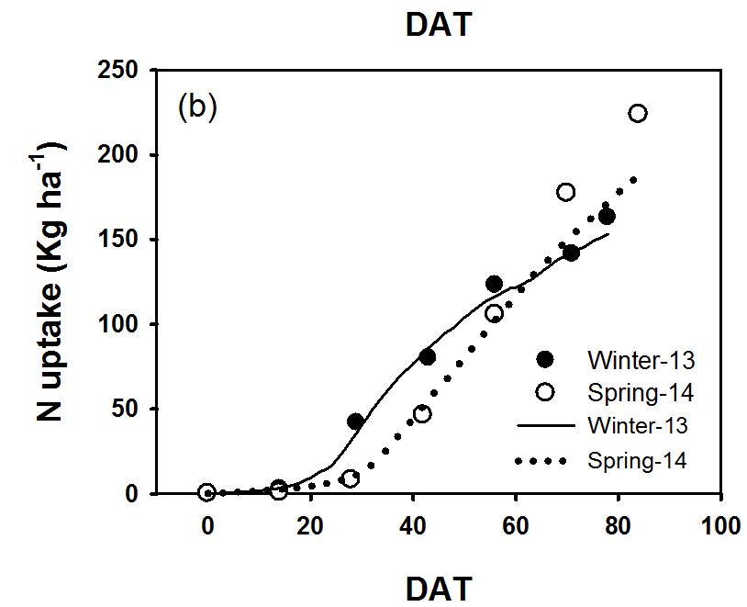
Gallardo et al., 2015
 |  |  |  |  |  |  | Guo et al., 2008

Peppers_Chili
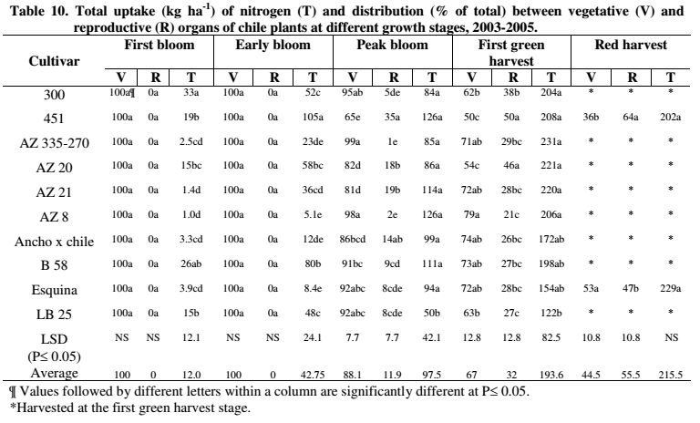
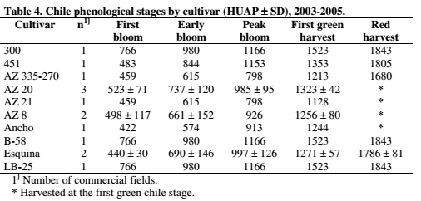
 |  |  |  |  |  |  |  |  |  |  |  |  |  |  |  |  |  |  |  |  |  | % of total uptake
Source |  |  | Season | Yields (cumulative) | Planting date | Harvest Date | Season length | N application | Sampling Date | TIME |  |  |  | N UPTAKE |  |  |  |  |  |  | % of season | Green harvest | Red harvest
 | Variety | Location |  | Tons/acre |  |  | (days) | (lbs N/acre) |  | Unit | Value | % of season | Unit | amount | % of max | Notes | Overall Notes: |  |  |  | 0 | 0 | 0
Soto-Ortiz, 2008 | 300 | Hidalgo County, NM | Mar-Oct | 8.69 | 2005-04-07 |  |  | 179 | Planting | Heat units after planting (HUAP)(30/13 °C) | 0 | 0 | lbs N/acre | 0 | 0 |  |  | measurements @ 14 day intervals |  |  | 10 | 0 | 0
 |  |  |  |  |  |  |  |  | First bloom |  | 766 | 50 |  | 29 | 16 |  | AVERAGE: | Heat units after planting (30/13 °C) | `+/- |  | 20 | 0 | 2
 |  |  |  |  |  |  |  |  | Early bloom |  | 980 | 64 |  | 46 | 25 |  | First bloom | 530 | 141 | very slow vegetative growth, prior | 30 | 0 | 6
 |  |  |  |  |  |  |  |  | Peak bloom |  | 1166 | 77 |  | 75 | 41 |  | Early bloom | 750 | 170 |  | 40 | 3 | 21
 |  |  |  |  |  |  |  |  | First green harvest |  | 1523 | 100 |  | 182 | 100 |  | Peak bloom | 1006 | 145 | Highest dry matter accumulation 1006-1329 | 50 | 11 | 39
 | 451 | Cochise County, AZ |  | 11.8 | 2003-03-16 |  |  | 326 | Planting |  | 0 | 0 |  | 0 | 0 |  | First green harvest | 1329 | 120 |  | 60 | 27 | 58
 |  |  |  | 12.9 (red) |  |  |  |  | First bloom |  | 483 | 27 |  | 17 | 9 |  | Red harvest | 1798 | 58 | Between green and red harvest, uptake slows, accumulation in the fruit | 70 | 45 | 78
 |  |  |  |  |  |  |  |  | Early bloom |  | 844 | 47 |  | 94 | 50 |  |  |  |  |  | 80 | 63 | 95
 |  |  |  |  |  |  |  |  | Peak bloom |  | 1153 | 64 |  | 112 | 61 |  | (If green and red harvests are included on the same graph, distorts shape of the curve if x axis is % of season bc red season is longer) |  |  |  | 90 | 82 | 100
 |  |  |  |  |  |  |  |  | First green harvest |  | 1353 | 75 |  | 186 | 100 |  |  |  |  |  | 100 | 100 | 100
 |  |  |  |  |  |  |  |  | Red harvest |  | 1805 | 100 |  | 180 | 97
 | AZ 335-270 | Cochise County, AZ |  | 7.63 | 2005-04-25 |  |  | 326 | Planting |  | 0 | 0 |  | 0 | 0
 |  |  |  |  |  |  |  |  | First bloom |  | 459 | 38 |  | 2 | 1 |  |  |  |  |  | Very slow growth prior to first bloom
 |  |  |  |  |  |  |  |  | Early bloom |  | 615 | 51 |  | 21 | 10 |  |  |  |  |  | Highest dry matter and nutrient accumulation occurs at peak bloom
 |  |  |  |  |  |  |  |  | Peak bloom |  | 798 | 66 |  | 76 | 37 |  |  |  |  |  | Between green and red harvest, uptake slows, accumulation in the fruit
 |  |  |  |  |  |  |  |  | First green harvest |  | 1213 | 100 |  | 206 | 100
 | AZ 20 | Cochise County, AZ |  | 11.2 | 3/23-5/2003-5 |  |  | 326 | Planting |  | 0 | 0 |  | 0 | 0
 |  |  |  |  |  |  |  |  | First bloom |  | 523 | 40 |  | 13 | 7
 |  |  |  |  |  |  |  |  | Early bloom |  | 737 | 56 |  | 52 | 26
 |  |  |  |  |  |  |  |  | Peak bloom |  | 985 | 74 |  | 77 | 39
 |  |  |  |  |  |  |  |  | First green harvest |  | 1323 | 100 |  | 197 | 100
 | AZ 21 | Cochise County, AZ |  | 5.78 | 2005-04-25 |  |  | 326 | Planting |  | 0 | 0 |  | 0 | 0
 |  |  |  |  |  |  |  |  | First bloom |  | 459 | 41 |  | 1 | 1
 |  |  |  |  |  |  |  |  | Early bloom |  | 615 | 55 |  | 32 | 16
 |  |  |  |  |  |  |  |  | Peak bloom |  | 798 | 71 |  | 102 | 52
 |  |  |  |  |  |  |  |  | First green harvest |  | 1128 | 100 |  | 196 | 100
 | AZ 8 | Cochise County, AZ |  | 3.54 | 3/23/04&4/12/05 |  |  | 326 | Planting |  | 0 | 0 |  | 0 | 0
 |  |  |  |  |  |  |  |  | First bloom |  | 498 | 40 |  | 1 | 0
 |  |  |  |  |  |  |  |  | Early bloom |  | 661 | 53 |  | 5 | 2
 |  |  |  |  |  |  |  |  | Peak bloom |  | 926 | 74 |  | 112 | 61
 |  |  |  |  |  |  |  |  | First green harvest |  | 1256 | 100 |  | 184 | 100
 | Green harvest |  | Red harvest
0 | 0 | 0 | 0
50 | 16 | 27 | 9
64 | 25 | 47 | 50
77 | 41 | 64 | 61
100 | 100 | 75 | 100
0 | 0 | 100 | 97
38 | 1 | 0 | 0
51 | 10 | 25 | 2
66 | 37 | 39 | 4
100 | 100 | 56 | 41
0 | 0 | 71 | 67
40 | 7 | 100 | 100
56 | 26
74 | 39
100 | 100
0 | 0
41 | 1
55 | 16
71 | 52
100 | 100
0 | 0
40 | 0
53 | 2
74 | 61
100 | 100
0 | 0
34 | 2
46 | 7
73 | 58
100 | 100
0 | 0
50 | 13
64 | 40
77 | 56
100 | 100
0 | 0
50 | 12
64 | 39
77 | 41
100 | 100
 | Ancho x chile | Cochise County, AZ |  | 4.19 | 2005-03-14 |  |  | 326 | Planting |  | 0 | 0 |  | 0 | 0
 |  |  |  |  |  |  |  |  | First bloom |  | 422 | 34 |  | 3 | 2
 |  |  |  |  |  |  |  |  | Early bloom |  | 574 | 46 |  | 11 | 7
 |  |  |  |  |  |  |  |  | Peak bloom |  | 913 | 73 |  | 88 | 58
 |  |  |  |  |  |  |  |  | First green harvest |  | 1244 | 100 |  | 154 | 100
 | B58 | Hidalgo County, NM |  | 6.09 | 2005-04-07 |  |  | 179 | Planting |  | 0 | 0 |  | 0 | 0
 |  |  |  |  |  |  |  |  | First bloom |  | 766 | 50 |  | 23 | 13
 |  |  |  |  |  |  |  |  | Early bloom |  | 980 | 64 |  | 71 | 40
 |  |  |  |  |  |  |  |  | Peak bloom |  | 1166 | 77 |  | 99 | 56
 |  |  |  |  |  |  |  |  | First green harvest |  | 1523 | 100 |  | 177 | 100
 | Esquina | Cochise County, AZ |  | 11.8 | 4/01-03/2003+5 |  |  | 326 | Planting |  | 0 | 0 |  | 0 | 0
 |  |  |  | 10.73 (red harvest) |  |  |  |  | First bloom |  | 440 | 25 |  | 3 | 2
 |  |  |  |  |  |  |  |  | Early bloom |  | 690 | 39 |  | 8 | 4
 |  |  |  |  |  |  |  |  | Peak bloom |  | 997 | 56 |  | 84 | 41
 |  |  |  |  |  |  |  |  | First green harvest |  | 1271 | 71 |  | 138 | 67
 |  |  |  |  |  |  |  |  | Red harvest |  | 1786 | 100 |  | 204 | 100
 | LB 25 | Hidalgo County, NM |  | 3.40 | 2005-04-07 |  |  | 179 | Planting |  | 0 | 0 |  | 0 | 0
 |  |  |  |  |  |  |  |  | First bloom |  | 766 | 50 |  | 13 | 12
 |  |  |  |  |  |  |  |  | Early bloom |  | 980 | 64 |  | 43 | 39
 |  |  |  |  |  |  |  |  | Peak bloom |  | 1166 | 77 |  | 45 | 41
 |  |  |  |  |  |  |  |  | First green harvest |  | 1523 | 100 |  | 109 | 100

First bloom
References: |  | Soto-Ortiz, R., 2008. Crop phenology, dry matter production, and nutrient uptake and partitioning in cantaloupe (Cucumis melo L.) and chile (Capsicum annuum L.). Dissertation. Available online at: http://hdl.handle.net/10150/194813

Peppers_Bell
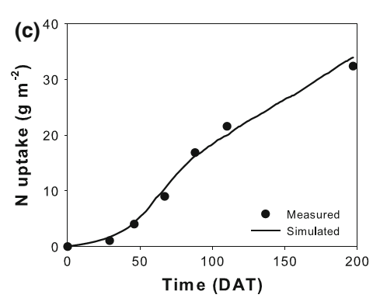
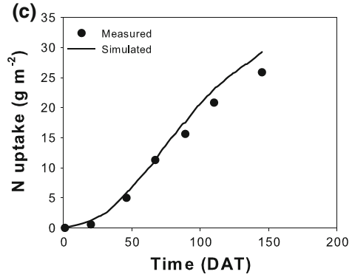
 |  |  |  |  |  |  |  |  |  |  |  |  |  |  |  |  |  |  |  |  |  |  |  | % of total uptake
Source |  |  | Season | Yields (cumulative) | Planting date | Harvest Date | Season length | N application | Sampling Date | TIME |  |  |  | N UPTAKE |  |  |  |  |  |  | Overall Notes: May be differences between summer-winter, winter-srping plantings? Contreras and Gimenez curves are pretty different for summer-winter, try using average. Plantings are done all times of the year in different parts of California. Both transplanting and direct seeding done. Greenhouse-grown peppers aren't common. |  | % of season | Winter-spring | Summer-winter
 | Variety | Location |  | Tons/acre |  |  | (days) | (lbs N/acre) |  | Unit | Value | % of season | Unit | amount | % of max | Notes |  |  |  |  |  |  | 0 | 0 | 0
Marcussi et al., 2004 | `Elisa' (Capsicum annuum) | Brazil (greenhouse) | Winter-spring |  | 1999-07-19 | 1999-12-06 | 140 | 5.95 g/plant | 0 | days after transplanting | 0 | 0 | mg N/plant | 2 | 0 | Commercial-size fruit started to be harvested at 80 DAT |  |  |  |  |  |  | 10 | 0 | 3
 |  |  | Winter-spring |  |  | (Green) |  |  | 1 |  | 20 | 14 |  | 21 | 0 |  |  |  |  |  |  |  | 20 | 1 | 7
 |  |  | Winter-spring |  |  |  |  |  | 2 |  | 40 | 29 |  | 162 | 2 | Before 60 DAP: slow uptake |  |  |  |  |  |  | 30 | 2 | 14
 |  |  | Winter-spring |  |  |  |  |  | 3 |  | 60 | 43 |  | 455 | 7 | 60 DAP: beginning of fruiting, start of increased uptake |  |  |  |  |  |  | 40 | 5 | 22
 |  |  | Winter-spring |  |  |  |  |  | 4 |  | 80 | 57 |  | 1110 | 17 | maximum dry matter and N accumulation rate 120-140 DAT |  |  |  |  |  |  | 50 | 10 | 31
 |  |  | Winter-spring |  |  |  |  |  | 5 |  | 100 | 71 |  | 2000 | 30 |  |  |  |  |  |  |  | 60 | 18 | 41
 |  |  | Winter-spring |  |  |  |  |  | 6 |  | 120 | 86 |  | 3029 | 45 |  |  |  |  |  |  |  | 70 | 28 | 53
Fruiting begins
 |  |  | Winter-spring |  |  |  |  |  | 7 |  | 140 | 100 |  | 6661 | 100 |  |  |  |  |  |  |  | 80 | 38 | 65
Gimenez et al., 2013 | 'Vergasa'(Capsicum annuum) | Spain (greenhouse) | Summer-winter |  | 2006-07-20 | 2007-02-02 | 197 | 426 | 0 | days after transplanting | 0 | 0 | lbs N/acre | 0 | 0 | Fruit harvested 8 times |  |  |  |  |  |  | 90 | 60 | 81
 |  |  | Summer-winter |  |  |  |  |  | 1 |  | 29 | 15 |  | 8 | 3 | Variety matures in 80 days, according to Syngenta |  |  |  |  |  |  | 100 | 100 | 100
 |  |  | Summer-winter |  |  |  |  |  | 2 |  | 47 | 24 |  | 36 | 12
 |  |  | Summer-winter |  |  |  |  |  | 3 |  | 67 | 34 |  | 79 | 27 |  |  |  |  |  |  |  | Winter-to-spring: Little uptake until about 40% of the way through the season, at early fruiting
 |  |  | Summer-winter |  |  |  |  |  | 4 |  | 89 | 45 |  | 149 | 52 |  |  |  |  |  |  |  | Maximum accumulation in the last third of the season (120-140 DAT)
 |  |  | Summer-winter |  |  |  |  |  | 5 |  | 112 | 57 |  | 192 | 67
 |  |  | Summer-winter |  |  |  |  |  | 6 |  | 197 | 100 |  | 289 | 100 |  |  |  |  |  |  |  | Summer-to-winter: Harvest begins about 40-50% of the way through the season. May depend on the variety.
 |  |  | Summer-winter |  | 2005-07-21 | 2005-12-14 | 146 | 246 | 0 |  | 0 | 0 |  | 0 | 0 | season shortened by virus |  |  |  |  |  |  | More vegetative growth before fruiting begins, accumulation may be somewhat less steep during the main harvest
 |  |  | Summer-winter |  |  |  |  |  | 1 |  | 20 | 14 |  | 5 | 2
 |  |  | Summer-winter |  |  |  |  |  | 2 |  | 46 | 32 |  | 44 | 19
 |  |  | Summer-winter |  |  |  |  |  | 3 |  | 67 | 46 |  | 101 | 44
 |  |  | Summer-winter |  |  |  |  |  | 4 |  | 90 | 61 |  | 140 | 61
 |  |  | Summer-winter |  |  |  |  |  | 5 |  | 111 | 76 |  | 185 | 80
 |  |  | Summer-winter |  |  |  |  |  | 6 |  | 146 | 100 |  | 231 | 100
Contreras et al., 2013 | 'Aifos' (Capsicum annuum) | Spain (greenhouse) | Summer-winter |  | 2007-08-21 | 2008-01-23 | 155 | 41 | 0 | days after transplanting | 0 | 0 |  | 0 | 0 | 0-56 DAT | Early growth |  | 0.36129032258 | %
 |  |  | Summer-winter |  |  |  |  |  | 1 |  | 56 | 36 |  | 23.1 | 16 | 57-84 | Flowering, early fruit devt |  | 0.54193548387 | %
 |  |  | Summer-winter |  |  |  |  |  | 2 |  | 84 | 54 |  | 50.8 | 36 | 85-113 | Ripening, early harvesting |  | 0.72903225806 | %
 |  |  | Summer-winter |  |  |  |  |  | 3 |  | 113 | 73 |  | 58.3 | 41 | 114-155 | harvesting
 |  |  | Summer-winter |  |  |  |  |  | 4 |  | 155 | 100 |  | 142.4 | 100
 |  |  | Summer-winter |  |  |  |  | 112 | 0 |  | 0 | 0 |  | 0 | 0 | From pictures, looks like Aifos is harvested red?
 |  |  | Summer-winter |  |  |  |  |  | 1 |  | 56 | 36 |  | 24.8 | 16
 |  |  | Summer-winter |  |  |  |  |  | 2 |  | 84 | 54 |  | 55.0 | 36
 |  |  | Summer-winter |  |  |  |  |  | 3 |  | 113 | 73 |  | 66.2 | 43
 |  |  | Summer-winter |  |  |  |  |  | 4 |  | 155 | 100 |  | 152.9 | 100
 |  |  | Summer-winter |  |  |  |  | 112+K2 | 0 |  | 0 | 0 |  | 0 | 0
 |  |  | Summer-winter |  |  |  |  |  | 1 |  | 56 | 36 |  | 24.6 | 14
 |  |  | Summer-winter |  |  |  |  |  | 2 |  | 84 | 54 |  | 55.8 | 33
 |  |  | Summer-winter |  |  |  |  |  | 3 |  | 113 | 73 |  | 64.8 | 38
 |  |  | Summer-winter |  |  |  |  |  | 4 |  | 155 | 100 |  | 170.2 | 100
 |  |  | Summer-winter |  |  |  |  | 168 | 0 |  | 0 | 0 |  | 0 | 0
 |  |  | Summer-winter |  |  |  |  |  | 1 |  | 56 | 36 |  | 24.2 | 14
 |  |  | Summer-winter |  |  |  |  |  | 2 |  | 84 | 54 |  | 59.8 | 35
 |  |  | Summer-winter |  |  |  |  |  | 3 |  | 113 | 73 |  | 66.3 | 39
 |  |  | Summer-winter |  |  |  |  |  | 4 |  | 155 | 100 |  | 169.8 | 100
 |  |  | Summer-winter |  |  |  |  | 168+K2 | 0 |  | 0 | 0 |  | 0 | 0
 |  |  | Summer-winter |  |  |  |  |  | 1 |  | 56 | 36 |  | 26.7 | 14
 |  |  | Summer-winter |  |  |  |  |  | 2 |  | 84 | 54 |  | 53.7 | 29
 |  |  | Summer-winter |  |  |  |  |  | 3 |  | 113 | 73 |  | 67.1 | 36
 |  |  | Summer-winter |  |  |  |  |  | 4 |  | 155 | 100 |  | 188.6 | 100

References: |  | Marcussi, F.F.N., Villas Boas, R.L., Godoy, L.J.G.d., Goto, R., 2004. Macronutrient accumulation and partioning in fertigated sweet pepper plants. Scientia Agricola (Piracicaba, Brazil) 61, 62-68. |  |  |  |  |  |  |  |  |  |  |  | Contreras, J.I., Lopez, J.G., Lao, M.T., Eymar, E.E., Segura, M.L., 2013. Dry-Matter allocation and nutrient uptake dynamic in pepper plant irrigated with recycled water by different nitrogen and potassium rate. Communications in Soil Science and Plant Analysis 44, 758-766.

 |  | Gimenez, C., Gallardo, M., Martinez-Gaitan, C., Stockle, C.O., Thompson, R.B., Granados, M.R., 2013. VegSyst, a simulation model of daily crop growth, nitrogen uptake and evapotranspiration for pepper crops for use in an on-farm decision support system. Irrigation Science 2013, 464-477.

 | Marcussi et al., 2004

 |  |  |  |  |  |  |  |  |  |  |  | Gimenez et al., 2013 |  | Conventional--2006 |  |  |  | Gimenez et al., 2013 |  |  | Improved, 2005 | Contreras et al., 2013

Eggplant
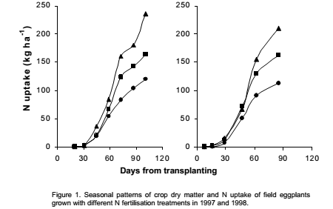
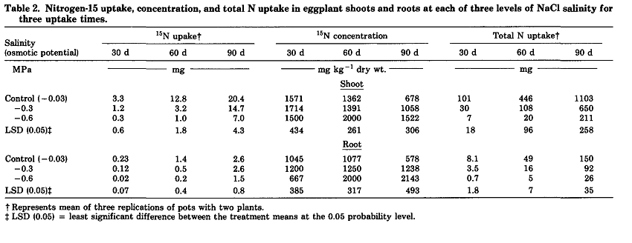
 |  |  |  |  |  |  |  |  |  |  |  |  |  |  |  |  |  | Based on TRANSPLANTING
Source |  |  | Season | Yields (cumulative) | Planting date | Harvest Date | Season length | N application | Sampling Date | TIME |  |  |  | N UPTAKE |  |  | Overall Notes: N Values (% season) are days after transplanting. Transplanting is the common planting method in CA, though direct seeding is also practiced (as of 1998) | % of season | % of total uptake
 | Variety | Location |  | Tons/acre |  |  | (days) | (lbs N/acre) |  | Unit | Value | % of season | Unit | amount | % of max | Notes |  | 0 | 0
Rosati and Troisi, 2001 |  | Italy | Summer |  | 1997-05-10 | 1997-08-18 | 100 | 45 | 0 | Days after transplanting | 0 | 0 | lbs N/acre | 0 | 0 | Total uptake values include an estimate of the root N |  | 10 | 1
 |  |  |  |  |  |  |  |  | 1 |  | 19 | 19 |  | 3 | 3 |  |  | 20 | 2
 |  |  |  |  |  |  |  |  | 2 |  | 30 | 30 |  | 5 | 4 |  |  | 30 | 4
 |  |  |  |  |  |  |  |  | 3 |  | 45 | 45 |  | 17 | 16 |  |  | 40 | 16
 |  |  |  |  |  |  |  |  | 4 |  | 58 | 58 |  | 48 | 45 |  |  | 50 | 30
 |  |  |  |  |  |  |  |  | 5 |  | 71 | 72 |  | 76 | 71 |  |  | 60 | 46
 |  |  |  |  |  |  |  |  | 6 |  | 86 | 86 |  | 92 | 86 |  |  | 70 | 64
 |  |  |  |  |  |  |  |  | 7 |  | 100 | 100 |  | 107 | 100 |  |  | 80 | 78
 |  |  |  |  |  |  |  | 179 | 0 |  | 0 | 0 |  | 0 | 0 |  |  | 90 | 90
 |  |  |  |  |  |  |  |  | 1 |  | 19 | 19 |  | 3 | 2 |  |  | 100 | 100
 |  |  |  |  |  |  |  |  | 2 |  | 30 | 30 |  | 5 | 3
 |  |  |  |  |  |  |  |  | 3 |  | 45 | 45 |  | 17 | 12 |  |  | No information on physiological stage given
 |  |  |  |  |  |  |  |  | 4 |  | 58 | 58 |  | 60 | 41 |  |  | In both studies, very little uptake occurred during the first third of the season
 |  |  |  |  |  |  |  |  | 5 |  | 71 | 72 |  | 112 | 76
 |  |  |  |  |  |  |  |  | 6 |  | 86 | 86 |  | 127 | 87 |  |  | Looking up Italian eggplant varieties, most start harvesting about 60-70 days after planting
 |  |  |  |  |  |  |  |  | 7 |  | 100 | 100 |  | 147 | 100 |  |  | In California, harvest starts around 75-90 DAT per the production manual, but in most places we also plant earlier
 |  |  |  |  |  |  |  | 317 | 0 |  | 0 | 0 |  | 0 | 0
 |  |  |  |  |  |  |  |  | 1 |  | 19 | 19 |  | 3 | 1 |  |  | 1st harvest
 |  |  |  |  |  |  |  |  | 2 |  | 30 | 30 |  | 5 | 2
 |  |  |  |  |  |  |  |  | 3 |  | 45 | 45 |  | 32 | 15
 |  |  |  |  |  |  |  |  | 4 |  | 58 | 58 |  | 73 | 35
 |  |  |  |  |  |  |  |  | 5 |  | 71 | 72 |  | 143 | 68
 |  |  |  |  |  |  |  |  | 6 |  | 86 | 86 |  | 160 | 76
 |  |  |  |  |  |  |  |  | 7 |  | 100 | 100 |  | 210 | 100
 |  |  | Summer |  | 1998-05-27 | 1998-08-20 | 85 | 22 | 0 |  | 0 | 0 |  | 0 | 0
 |  |  |  |  |  |  |  |  | 1 |  | 7 | 8 |  | 1 | 1
 |  |  |  |  |  |  |  |  | 2 |  | 15 | 18 |  | 3 | 3
 |  |  |  |  |  |  |  |  | 3 |  | 29 | 34 |  | 8 | 8
 |  |  |  |  |  |  |  |  | 4 |  | 47 | 55 |  | 45 | 45
 |  |  |  |  |  |  |  |  | 5 |  | 61 | 73 |  | 81 | 81
 |  |  |  |  |  |  |  |  | 6 |  | 85 | 100 |  | 100 | 100
 |  |  |  |  |  |  |  | 134 | 0 |  | 0 | 0 |  | 0 | 0
 |  |  |  |  |  |  |  |  | 1 |  | 7 | 8 |  | 1 | 1
 |  |  |  |  |  |  |  |  | 2 |  | 15 | 18 |  | 3 | 2
 |  |  |  |  |  |  |  |  | 3 |  | 29 | 34 |  | 11 | 8
 |  |  |  |  |  |  |  |  | 4 |  | 47 | 55 |  | 65 | 45
 |  |  |  |  |  |  |  |  | 5 |  | 61 | 73 |  | 116 | 80
 |  |  |  |  |  |  |  |  | 6 |  | 85 | 100 |  | 144 | 100
 |  |  |  |  |  |  |  | 223 | 0 |  | 0 | 0 |  | 0 | 0
 |  |  |  |  |  |  |  |  | 1 |  | 7 | 8 |  | 1 | 1
 |  |  |  |  |  |  |  |  | 2 |  | 15 | 18 |  | 3 | 2
 |  |  |  |  |  |  |  |  | 3 |  | 29 | 34 |  | 14 | 7
 |  |  |  |  |  |  |  |  | 4 |  | 47 | 55 |  | 57 | 31
 |  |  |  |  |  |  |  |  | 5 |  | 61 | 73 |  | 136 | 73
 |  |  |  |  |  |  |  |  | 6 |  | 85 | 100 |  | 186 | 100
Pessarakli and Tucker, 1988 | 'Syria' | Arizona, hydroponic, growth chamber |  |  |  |  | 90 |  | 0 | Days after transfering seedlings to nutrient solution | 0 | 0 | mg | 0 | 0
 |  |  |  |  |  |  |  |  | 1 |  | 30 | 33 |  | 101 | 9
 |  |  |  |  |  |  |  |  | 2 |  | 60 | 67 |  | 446 | 40
 |  |  |  |  |  |  |  |  | 3 |  | 90 | 100 |  | 1103 | 100

References: |  | Rosati, A., Troisi, A., 2001. Seasonal patterns of N uptake in eggplant (Solanum melongena L.) grown with different N fertigation levels. Acta Horticulturae 563, 195-200.

 |  | Pessarakli, M., Tucker, T.C., 1988. Nitrogen-15 uptake by eggplant under sodium chloride stress. Soil Science Society of America Journal 52, 1673-1676.

 |  |  |  |  |  | Pessarakli and Tucker, 1988
 | Rosati and Troisi, 2001

