Cabbage_White
Source |  |  | Season | Yields (cumulative) | Planting date | Harvest Date | Season length | N application | Sampling Date | TIME |  |  |  | N UPTAKE |  |  | Overall Notes: Great paper! Not yet finished exracting data, would like to get phenology data
 | Variety | Location |  | Tons/acre |  |  | (days) | (lbs N/acre) |  | Unit | Value | % of season | Unit | Amount | % of max | Notes
Smith et al., 2016 |  | Salinas Valley, CA | March-Nov. |  | March | Nov | 79 | 250 |  |  |  | 0.0 |  |  | 0.00
 |  |  |  |  |  |  |  |  |  |  |  | 0.1 |  |  | 0.01
 |  |  |  |  |  |  |  |  |  |  |  | 0.2 |  |  | 0.02
 |  |  |  |  |  |  |  |  |  |  |  | 0.3 |  |  | 0.08
 |  |  |  |  |  |  |  |  |  |  |  | 0.4 |  |  | 0.15
 |  |  |  |  |  |  |  |  |  |  |  | 0.5 |  |  | 0.29
 |  |  |  |  |  |  |  |  |  |  |  | 0.6 |  |  | 0.49
 |  |  |  |  |  |  |  |  |  |  |  | 0.7 |  |  | 0.67
 |  |  |  |  |  |  |  |  |  |  |  | 0.8 |  |  | 0.83
 |  |  |  |  |  |  |  |  |  |  |  | 0.9 |  |  | 0.92
 |  |  |  |  |  |  |  |  |  |  |  | 1.0 |  |  | 1.00

 |  |  |  |  |  |  |  |  |  |  |  |  |  |  |  |  | Phenology from Hoepting et al., 2017
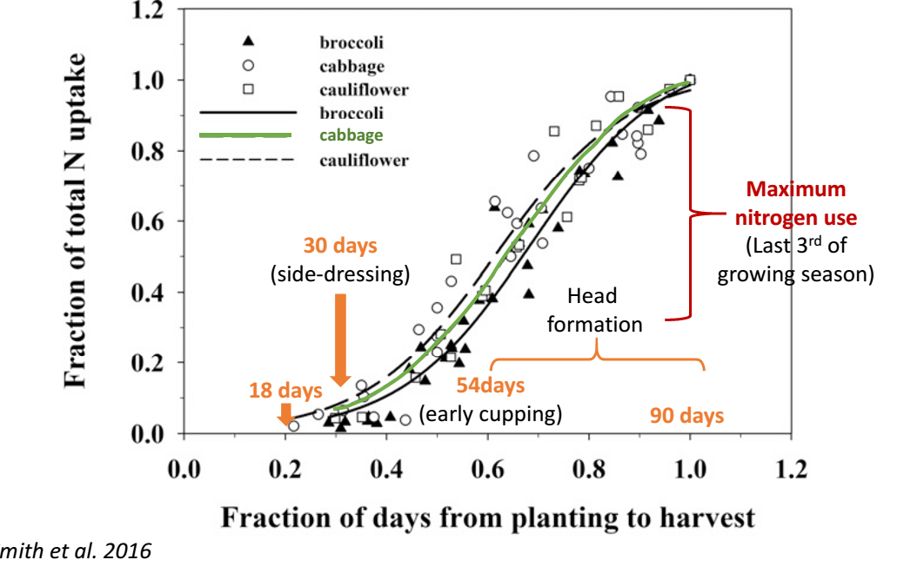

References: |  | Smith, R., Cahn, M., Hartz, T., Love, P., Farrara, B., 2016. Nitrogen dynamics of cole crop production: implications for fertility management and environmental protection. HortScience 51, 1586-1591.

Cucumber
 |  |  |  |  |  |  |  |  |  |  |  |  |  |  |  |  |  | (Based on transplanting.
 |  |  |  |  |  |  |  |  |  |  |  |  |  |  |  |  |  |  | % of total uptake
Source |  |  | Season | Yields (cumulative) | Planting date | Harvest Date | Season length | N application | Sampling Date |  | TIME |  | N UPTAKE |  |  |  | Overall Notes: Spring and Fall found to have different and characteristic uptake patterns in both China and Spain; separate curves may be appropriate. All studies are greenhouse grown transplanted. California produces cucumbers in all seasons | % of season | Spring | Fall | Average NHI | 0.26
 | Location | Variety |  | Tons/acre |  |  | (days) | (lbs N/acre) |  | Unit | value | % of season | Unit | amount | % of max | Notes |  | 0 | 0 | 0
Guo et al., 2008 | China (in-soil greenhouse) | Various Chinese varieties (Jinglu, Zhongte); length 25-30 cm; 2.5 -3.0 cm in diameter | Spring | 29.3 | 2005-03-11 | 2005-06-21 | 102 | 0 | 0 | Days after transplanting | 0 | 0 | lbs N/acre | 0 | 0 | First harvest (spring 2005): 4/21/2005 |  | 10 | 0 | 1
 |  |  | Spring |  |  |  |  | 0 | 1 |  | 42 | 41 |  | 40 | 16 | 41 DAP |  | 20 | 2 | 8
 |  |  | Spring | 10.3 | (days 41-71) |  |  | 0 | 2 |  | 70 | 69 |  | 125 | 50 |  |  | 30 | 7 | 26
 |  |  | Spring |  |  |  |  | 0 | 3 |  | 86 | 85 |  | 214 | 85 |  |  | 40 | 19 | 42
 |  |  | Spring | 18.9 | (days 71-101) |  |  | 0 | 4 |  | 102 | 100 |  | 252 | 100 |  |  | 50 | 33 | 61
 |  |  | Spring | 37.6 | 2005-03-11 | 2005-06-21 | 102 | 136 | 0 |  | 0 | 0 |  | 0 | 0 |  |  | 60 | 50 | 80
 |  |  | Spring |  |  |  |  | 136 | 1 |  | 42 | 41 |  | 40 | 12 |  |  | 70 | 65 | 94
 |  |  | Spring | 12.4 | (days 41-71) |  |  | 136 | 2 |  | 70 | 69 |  | 159 | 49 |  |  | 80 | 81 | 100
 |  |  | Spring |  |  |  |  | 136 | 3 |  | 86 | 85 |  | 250 | 76 |  | SPRING | 90 | 93 | 100
 | Spring
0 | 0
41 | 16
69 | 50
85 | 85
100 | 100
0 | 0
41 | 12
69 | 49
85 | 76
100 | 100
0 | 0
41 | 14
69 | 51
85 | 88
100 | 100
0 | 0
37 | 24
62 | 60
81 | 75
100 | 100
0 | 0
37 | 21
62 | 70
81 | 86
100 | 100
0 | 0
37 | 13
62 | 70
81 | 82
100 | 100
0 | 0
18 | 1
34 | 4
50 | 21
67 | 47
83 | 79
100 | 100
 |  |  | Spring | 25.1 | (days 71-101) |  |  | 136 | 4 |  | 102 | 100 |  | 328 | 100 |  |  | 100 | 100 | 100
 |  |  | Spring | 34.8 | 2005-03-11 | 2005-06-21 | 102 | 634 | 0 |  | 0 | 0 |  | 0 | 0
 |  |  | Spring |  |  |  |  | 634 | 1 |  | 42 | 41 |  | 40 | 14 |  |  | Spring harvest began (China greenhouse only) 41-53 DAT, ~40% of the way through the season
 |  |  | Spring | 12.2 | (days 41-71) |  |  | 634 | 2 |  | 70 | 69 |  | 150 | 51 |  |  | Fall harvest began (China greenhouse only) 29-43 DAT; ~30% of the way through the season
 |  |  | Spring |  |  |  |  | 634 | 3 |  | 86 | 85 |  | 259 | 88 |  |  |  | Spring
 |  |  | Spring | 22.5 | (days 71-101) |  |  | 634 | 4 |  | 102 | 100 |  | 293 | 100
 |  |  | Fall | 11.6 | 2005-09-08 | 2006-01-07 | 121 | 0 | 0 |  | 0 | 0 |  | 0 | 0 | First harvest (fall 2005): 10/18/2005
 |  |  | Fall |  |  |  |  | 0 | 1 |  | 40 | 33 |  | 38 | 34 | 40 DAP
Beginning of harvest
 |  |  | Fall | 5.9 | (days 40-80) |  |  | 0 | 2 |  | 61 | 50 |  | 72 | 65
 |  |  | Fall |  |  |  |  | 0 | 3 |  | 81 | 67 |  | 112 | 100
 |  |  | Fall | 5.7 | (days 81-121) |  |  | 0 | 4 |  | 121 | 100 |  | 109 | 97
 |  |  | Fall | 16.7 | 2005-09-08 | 2006-01-07 | 121 | 362 | 0 |  | 0 | 0 |  | 0 | 0
 |  |  | Fall |  |  |  |  | 362 | 1 |  | 40 | 33 |  | 38 | 24
 |  |  | Fall | 9.3 | (days 40-80) |  |  | 362 | 2 |  | 61 | 50 |  | 129 | 82
 |  |  | Fall |  |  |  |  | 362 | 3 |  | 81 | 67 |  | 145 | 92
 |  |  | Fall | 7.4 | (days 81-121) |  |  | 362 | 4 |  | 121 | 100 |  | 157 | 100
Beginning of harvest
 |  |  | Fall | 14.3 | 2005-09-08 | 2006-01-07 | 121 | 603 | 0 |  | 0 | 0 |  | 0 | 0
 |  |  | Fall |  |  |  |  | 603 | 1 |  | 40 | 33 |  | 38 | 27
 |  |  | Fall | 6.4 | (days 40-80) |  |  | 603 | 2 |  | 61 | 50 |  | 107 | 76
 |  |  | Fall |  |  |  |  | 603 | 3 |  | 81 | 67 |  | 136 | 96 |  | FALL
 | Fall
0 | 0
33 | 34
50 | 65
67 | 100
100 | 97
0 | 0
33 | 24
50 | 82
67 | 92
100 | 100
0 | 0
33 | 27
50 | 76
67 | 96
100 | 100
0 | 0
27 | 22
43 | 52
62 | 75
100 | 100
0 | 0
27 | 27
43 | 54
62 | 81
100 | 100
0 | 0
27 | 27
43 | 54
62 | 81
100 | 100
0 | 0
19 | 2
38 | 26
55 | 49
72 | 76
91 | 87
100 | 100
 |  |  | Fall | 7.9 | (days 81-121) |  |  | 603 | 4 |  | 121 | 100 |  | 141 | 100
 |  |  | Spring | 26.4 | 2006-02-15 | 2006-06-18 | 123 | 0 | 0 |  | 0 | 0 |  | 0 | 0 | First harvest (spring 2006): 4/9/2006
 |  |  | Spring |  |  |  |  | 0 | 1 |  | 45 | 37 |  | 38 | 24 | 53 DAP
 |  |  | Spring | 12 | (days 49-77) |  |  | 0 | 2 |  | 76 | 62 |  | 96 | 60
 |  |  | Spring |  |  |  |  | 0 | 3 |  | 100 | 81 |  | 121 | 75
 |  |  | Spring | 14.5 | (days 77-122) |  |  | 0 | 4 |  | 123 | 100 |  | 161 | 100
 |  |  | Spring | 38.8 | 2006-02-15 | 2006-06-18 | 123 | 285 | 0 |  | 0 | 0 |  | 0 | 0 |  |  |  | Fall
 |  |  | Spring |  |  |  |  | 285 | 1 |  | 45 | 37 |  | 58 | 21
 |  |  | Spring | 16.6 | (days 49-77) |  |  | 285 | 2 |  | 76 | 62 |  | 194 | 70
Beginning of harvest
 |  |  | Spring |  |  |  |  | 285 | 3 |  | 100 | 81 |  | 237 | 86
 |  |  | Spring | 22.1 | (days 77-122) |  |  | 285 | 4 |  | 123 | 100 |  | 277 | 100
 |  |  | Spring | 36.5 | 2006-02-15 | 2006-06-18 | 123 | 595 | 0 |  | 0 | 0 |  | 0 | 0
 |  |  | Spring |  |  |  |  | 595 | 1 |  | 45 | 37 |  | 38 | 13
 |  |  | Spring | 16.1 | (days 49-77) |  |  | 595 | 2 |  | 76 | 62 |  | 203 | 70
 |  |  | Spring |  |  |  |  | 595 | 3 |  | 100 | 81 |  | 237 | 82
 |  |  | Spring | 20.4 | (days 77-122) |  |  | 595 | 4 |  | 123 | 100 |  | 288 | 100
 |  |  | Fall | 17.5 | 2006-09-10 | 2006-12-30 | 111 | 0 | 0 |  | 0 | 0 |  | 0 | 0 | First harvest (fall 2006): 10/9/2006
 |  |  | Fall |  |  |  |  | 0 | 1 |  | 30 | 27 |  | 34 | 22 | 29 DAP
 |  |  | Fall | 12.8 | (days 30-69) |  |  | 0 | 2 |  | 47 | 43 |  | 81 | 52
 |  |  | Fall |  |  |  |  | 0 | 3 |  | 68 | 62 |  | 118 | 75
 |  |  | Fall | 4.7 | (days 69-116) |  |  | 0 | 4 |  | 111 | 100 |  | 157 | 100
 |  |  | Fall | 20.7 | 2006-09-10 | 2006-12-30 | 111 | 277 | 0 |  | 0 | 0 |  | 0 | 0
 |  |  | Fall |  |  |  |  | 277 | 1 |  | 30 | 27 |  | 60 | 27
 |  |  | Fall | 14.8 | (days 30-69) |  |  | 277 | 2 |  | 47 | 43 |  | 121 | 54
 |  |  | Fall |  |  |  |  | 277 | 3 |  | 68 | 62 |  | 181 | 81
 |  |  | Fall | 5.9 | (days 69-116) |  |  | 277 | 4 |  | 111 | 100 |  | 224 | 100
 |  |  | Fall | 20.6 | 2006-09-10 | 2006-12-30 | 111 | 527 | 0 |  | 0 | 0 |  | 0 | 0
 |  |  | Fall |  |  |  |  | 527 | 1 |  | 30 | 27 |  | 59 | 27
 |  |  | Fall | 14.7 | (days 30-69) |  |  | 527 | 2 |  | 47 | 43 |  | 120 | 54
 |  |  | Fall |  |  |  |  | 527 | 3 |  | 68 | 62 |  | 180 | 81
 |  |  | Fall | 5.8 | (days 69-116) |  |  | 527 | 4 |  | 111 | 100 |  | 221 | 100
Gallardo et al., 2015 | Spain, Greenhouse | cv 'Strategos'; Dutch type long fruit | Spring |  | 2014-03-04 | 2014-05-28 | 85 | conventional | 0 | Days after transplanting | 0 | 0 | lbs N/acre | 0 | 0
 |  |  | Spring |  |  |  |  |  | 1 |  | 15 | 18 |  | 3 | 1
 |  |  | Spring |  |  |  |  |  | 2 |  | 28 | 34 |  | 8 | 4
 |  |  | Spring |  |  |  |  |  | 3 |  | 42 | 50 |  | 47 | 21
 |  |  | Spring |  |  |  |  |  | 4 |  | 56 | 67 |  | 106 | 47
 |  |  | Spring |  |  |  |  |  | 5 |  | 70 | 83 |  | 178 | 79
 |  |  | Spring |  |  |  |  |  | 6 |  | 84 | 100 |  | 224 | 100
 |  |  | Fall |  | 2013-09-05 | 2013-12-22 | 108 | conventional | 0 |  | 0 | 0 |  | 0 | 0
 |  |  | Fall |  |  |  |  |  | 1 |  | 15 | 19 |  | 3 | 2
 |  |  | Fall |  |  |  |  |  | 2 |  | 30 | 38 |  | 42 | 26
 |  |  | Fall |  |  |  |  |  | 3 |  | 43 | 55 |  | 80 | 49
 |  |  | Fall |  |  |  |  |  | 4 |  | 56 | 72 |  | 124 | 76
 |  |  | Fall |  |  |  |  |  | 5 |  | 71 | 91 |  | 142 | 87
 |  |  | Fall |  |  |  |  |  | 6 |  | 78 | 100 |  | 164 | 100

References: | Guo, R., Li, X., Christie, P., Chen, Q., Fusuo, Z., 2008. Seasonal temperatures have more influence than nitrogen fertilizer rates on cucumber yield and nitrogen uptake in a double cropping system. Environmental Pollution 151, 443-451.

 | Gallardo, M., Gimenez, R.B.C., Fernández, M.D., Padilla, F.M., Thompson, R.B., 2015. Use of the VegSyst model to calculate crop N uptake and ETc of autumn and spring grown cucumber in Mediterranean greenhouses. Oral Presentation at MODEL-IT 2015. http://hortilink.nl/hams/hams-model-it/modules/request.php?module=oc_proceedings&action=summary.php&id=13&a=Accept+Oral

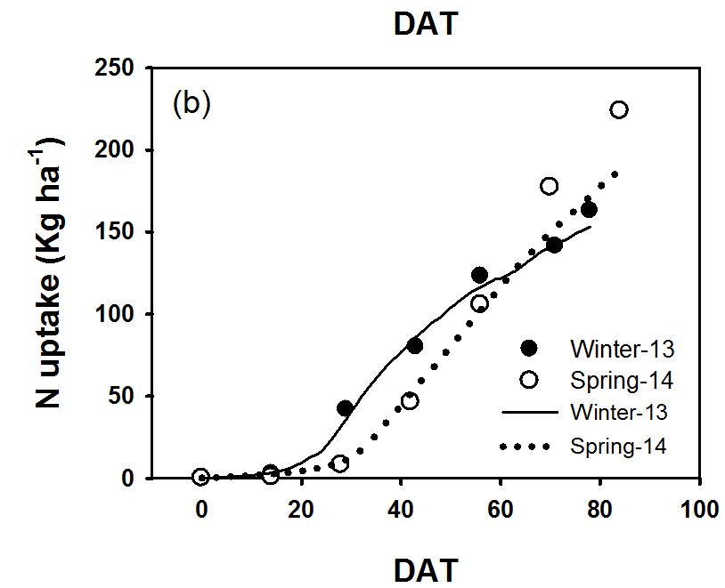
Gallardo et al., 2015
 |  |  |  |  |  |  | Guo et al., 2008

Eggplant
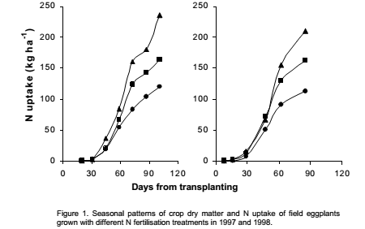
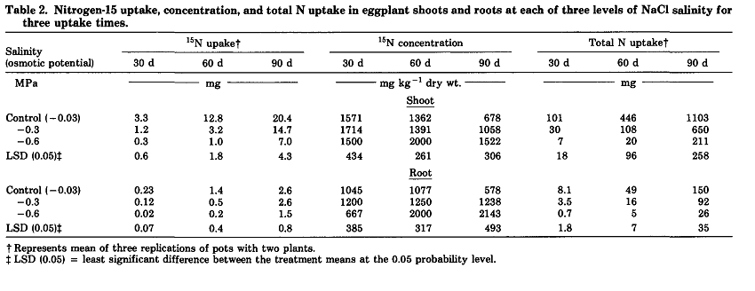
 |  |  |  |  |  |  |  |  |  |  |  |  |  |  |  |  |  | Based on TRANSPLANTING
Source |  |  | Season | Yields (cumulative) | Planting date | Harvest Date | Season length | N application | Sampling Date | TIME |  |  |  | N UPTAKE |  |  | Overall Notes: Rosati and Troisi uptake amounts include an estimate of root uptake. Values (% season) are days after transplanting. Transplanting is the common planting method in CA, though direct seeding is also practiced (as of 1998) | % of season | % of total uptake | Average NHI | 0.4
 | Variety | Location |  | Tons/acre |  |  | (days) | (lbs N/acre) |  | Unit | Value | % of season | Unit | amount | % of max | Notes |  | 0 | 0
Rosati and Troisi, 2001 |  | Italy | Summer |  | 1997-05-10 | 1997-08-18 | 100 | 45 | 0 | Days after transplanting | 0 | 0 | lbs N/acre | 0 | 0 | Total uptake values include an estimate of the root N |  | 10 | 1
 |  |  |  |  |  |  |  |  | 1 |  | 19 | 19 |  | 3 | 3 |  |  | 20 | 2
 |  |  |  |  |  |  |  |  | 2 |  | 30 | 30 |  | 5 | 4 |  |  | 30 | 4
 |  |  |  |  |  |  |  |  | 3 |  | 45 | 45 |  | 17 | 16 |  |  | 40 | 16
 |  |  |  |  |  |  |  |  | 4 |  | 58 | 58 |  | 48 | 45 |  |  | 50 | 30
 |  |  |  |  |  |  |  |  | 5 |  | 71 | 72 |  | 76 | 71 |  |  | 60 | 46
 |  |  |  |  |  |  |  |  | 6 |  | 86 | 86 |  | 92 | 86 |  |  | 70 | 64
 |  |  |  |  |  |  |  |  | 7 |  | 100 | 100 |  | 107 | 100 |  |  | 80 | 78
 |  |  |  |  |  |  |  | 179 | 0 |  | 0 | 0 |  | 0 | 0 |  |  | 90 | 90
 |  |  |  |  |  |  |  |  | 1 |  | 19 | 19 |  | 3 | 2 |  |  | 100 | 100
 |  |  |  |  |  |  |  |  | 2 |  | 30 | 30 |  | 5 | 3
 |  |  |  |  |  |  |  |  | 3 |  | 45 | 45 |  | 17 | 12 |  |  | No information on phenological stage given
 |  |  |  |  |  |  |  |  | 4 |  | 58 | 58 |  | 60 | 41 |  |  | In both studies, very little uptake occurred during the first third of the season
 |  |  |  |  |  |  |  |  | 5 |  | 71 | 72 |  | 112 | 76 |  |  | Looking up Italian eggplant varieties, most start harvesting about 60-70 days after planting
 |  |  |  |  |  |  |  |  | 6 |  | 86 | 86 |  | 127 | 87 |  |  | In California, harvest starts around 75-90 DAT per the production manual, but in most places we also plant earlier
 |  |  |  |  |  |  |  |  | 7 |  | 100 | 100 |  | 147 | 100 |  |  | In other solanums, early bloom coincides with beginning of accelerated uptake
 |  |  |  |  |  |  |  | 317 | 0 |  | 0 | 0 |  | 0 | 0
 |  |  |  |  |  |  |  |  | 1 |  | 19 | 19 |  | 3 | 1
 |  |  |  |  |  |  |  |  | 2 |  | 30 | 30 |  | 5 | 2
Harvest begins
 |  |  |  |  |  |  |  |  | 3 |  | 45 | 45 |  | 32 | 15
 |  |  |  |  |  |  |  |  | 4 |  | 58 | 58 |  | 73 | 35
 |  |  |  |  |  |  |  |  | 5 |  | 71 | 72 |  | 143 | 68
 |  |  |  |  |  |  |  |  | 6 |  | 86 | 86 |  | 160 | 76
 |  |  |  |  |  |  |  |  | 7 |  | 100 | 100 |  | 210 | 100
 |  |  | Summer |  | 1998-05-27 | 1998-08-20 | 85 | 22 | 0 |  | 0 | 0 |  | 0 | 0
 |  |  |  |  |  |  |  |  | 1 |  | 7 | 8 |  | 1 | 1
 |  |  |  |  |  |  |  |  | 2 |  | 15 | 18 |  | 3 | 3
 |  |  |  |  |  |  |  |  | 3 |  | 29 | 34 |  | 8 | 8
 |  |  |  |  |  |  |  |  | 4 |  | 47 | 55 |  | 45 | 45
 |  |  |  |  |  |  |  |  | 5 |  | 61 | 73 |  | 81 | 81
 |  |  |  |  |  |  |  |  | 6 |  | 85 | 100 |  | 100 | 100
 |  |  |  |  |  |  |  | 134 | 0 |  | 0 | 0 |  | 0 | 0
 |  |  |  |  |  |  |  |  | 1 |  | 7 | 8 |  | 1 | 1
 |  |  |  |  |  |  |  |  | 2 |  | 15 | 18 |  | 3 | 2
 |  |  |  |  |  |  |  |  | 3 |  | 29 | 34 |  | 11 | 8
 |  |  |  |  |  |  |  |  | 4 |  | 47 | 55 |  | 65 | 45
 |  |  |  |  |  |  |  |  | 5 |  | 61 | 73 |  | 116 | 80
 |  |  |  |  |  |  |  |  | 6 |  | 85 | 100 |  | 144 | 100
 |  |  |  |  |  |  |  | 223 | 0 |  | 0 | 0 |  | 0 | 0
 |  |  |  |  |  |  |  |  | 1 |  | 7 | 8 |  | 1 | 1
 |  |  |  |  |  |  |  |  | 2 |  | 15 | 18 |  | 3 | 2
 |  |  |  |  |  |  |  |  | 3 |  | 29 | 34 |  | 14 | 7
 |  |  |  |  |  |  |  |  | 4 |  | 47 | 55 |  | 57 | 31
 |  |  |  |  |  |  |  |  | 5 |  | 61 | 73 |  | 136 | 73
 |  |  |  |  |  |  |  |  | 6 |  | 85 | 100 |  | 186 | 100
Pessarakli and Tucker, 1988 | 'Syria' | Arizona, hydroponic, growth chamber |  |  |  |  | 90 |  | 0 | Days after transfering seedlings to nutrient solution | 0 | 0 | mg | 0 | 0
 |  |  |  |  |  |  |  |  | 1 |  | 30 | 33 |  | 101 | 9
 |  |  |  |  |  |  |  |  | 2 |  | 60 | 67 |  | 446 | 40
 |  |  |  |  |  |  |  |  | 3 |  | 90 | 100 |  | 1103 | 100

References: |  | Rosati, A., Troisi, A., 2001. Seasonal patterns of N uptake in eggplant (Solanum melongena L.) grown with different N fertigation levels. Acta Horticulturae 563, 195-200.

 |  | Pessarakli, M., Tucker, T.C., 1988. Nitrogen-15 uptake by eggplant under sodium chloride stress. Soil Science Society of America Journal 52, 1673-1676.

 |  |  |  |  |  | Pessarakli and Tucker, 1988
 | Rosati and Troisi, 2001

Peppers_Bell
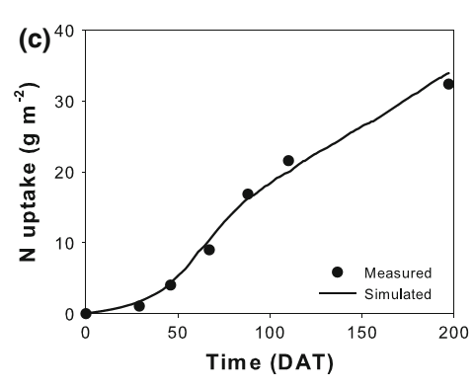
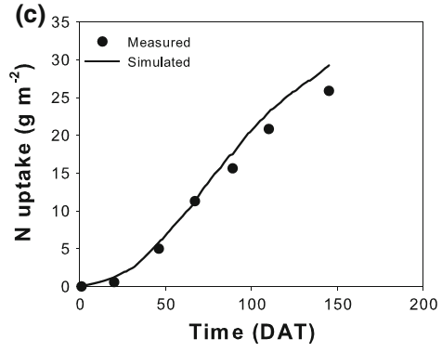
 |  |  |  |  |  |  |  |  |  |  |  |  |  |  |  |  |  |  |  |  |  |  | All based on "days after transplanting"
 |  |  |  |  |  |  |  |  |  |  |  |  |  |  |  |  |  |  |  |  |  |  |  | % of total uptake
Source |  |  | Season | Yields (cumulative) | Planting date | Harvest Date | Season length | N application | Sampling Date | TIME |  |  |  | N UPTAKE |  |  |  |  |  |  | Overall Notes: May be differences between summer-winter, winter-srping plantings? Contreras and Gimenez curves are pretty different for summer-winter, try using average. Plantings are done all times of the year in different parts of California. Both transplanting and direct seeding done. Greenhouse-grown peppers aren't common. |  | % of season | Winter-spring | Summer-winter | Average NHI | 0.49
 | Variety | Location |  | Tons/acre |  |  | (days) | (lbs N/acre) |  | Unit | Value | % of season | Unit | amount | % of max | Notes |  |  |  |  |  |  | 0 | 0 | 0
Marcussi et al., 2004 | `Elisa' (Capsicum annuum) | Brazil (greenhouse) | Winter-spring |  | 1999-07-19 | 1999-12-06 | 140 | 5.95 g/plant | 0 | days after transplanting | 0 | 0 | mg N/plant | 2 | 0 | Commercial-size fruit started to be harvested at 80 DAT |  |  |  |  |  |  | 10 | 0 | 3
 |  |  | Winter-spring |  |  | (Green) |  |  | 1 |  | 20 | 14 |  | 21 | 0 |  |  |  |  |  |  |  | 20 | 1 | 7
 |  |  | Winter-spring |  |  |  |  |  | 2 |  | 40 | 29 |  | 162 | 2 | Before 60 DAP: slow uptake |  |  |  |  |  |  | 30 | 2 | 14
 |  |  | Winter-spring |  |  |  |  |  | 3 |  | 60 | 43 |  | 455 | 7 | 60 DAP: beginning of fruiting, start of increased uptake |  |  |  |  |  |  | 40 | 5 | 22
 |  |  | Winter-spring |  |  |  |  |  | 4 |  | 80 | 57 |  | 1110 | 17 | maximum dry matter and N accumulation rate 120-140 DAT |  |  |  |  |  |  | 50 | 10 | 31
 |  |  | Winter-spring |  |  |  |  |  | 5 |  | 100 | 71 |  | 2000 | 30 |  |  |  |  |  |  |  | 60 | 18 | 41
 |  |  | Winter-spring |  |  |  |  |  | 6 |  | 120 | 86 |  | 3029 | 45 |  |  |  |  |  |  |  | 70 | 28 | 53
Fruiting begins
 |  |  | Winter-spring |  |  |  |  |  | 7 |  | 140 | 100 |  | 6661 | 100 |  |  |  |  |  |  |  | 80 | 38 | 65
Gimenez et al., 2013 | 'Vergasa'(Capsicum annuum) | Spain (greenhouse) | Summer-winter |  | 2006-07-20 | 2007-02-02 | 197 | 426 | 0 | days after transplanting | 0 | 0 | lbs N/acre | 0 | 0 | Fruit harvested 8 times |  |  |  |  |  |  | 90 | 60 | 81
 |  |  | Summer-winter |  |  |  |  |  | 1 |  | 29 | 15 |  | 8 | 3 | Variety matures in 80 days, according to Syngenta |  |  |  |  |  |  | 100 | 100 | 100
 |  |  | Summer-winter |  |  |  |  |  | 2 |  | 47 | 24 |  | 36 | 12
 |  |  | Summer-winter |  |  |  |  |  | 3 |  | 67 | 34 |  | 79 | 27 |  |  |  |  |  |  |  | Winter-to-spring: Little uptake until about 40% of the way through the season, at early fruiting
 |  |  | Summer-winter |  |  |  |  |  | 4 |  | 89 | 45 |  | 149 | 52 |  |  |  |  |  |  |  | Maximum accumulation in the last third of the season (120-140 DAT)
 |  |  | Summer-winter |  |  |  |  |  | 5 |  | 112 | 57 |  | 192 | 67
 |  |  | Summer-winter |  |  |  |  |  | 6 |  | 197 | 100 |  | 289 | 100 |  |  |  |  |  |  |  | Summer-to-winter: Harvest begins about 40-50% of the way through the season. May depend on the variety.
 |  |  | Summer-winter |  | 2005-07-21 | 2005-12-14 | 146 | 246 | 0 |  | 0 | 0 |  | 0 | 0 | season shortened by virus |  |  |  |  |  |  | More vegetative growth before fruiting begins, accumulation may be somewhat less steep during the main harvest
 |  |  | Summer-winter |  |  |  |  |  | 1 |  | 20 | 14 |  | 5 | 2
 |  |  | Summer-winter |  |  |  |  |  | 2 |  | 46 | 32 |  | 44 | 19
 |  |  | Summer-winter |  |  |  |  |  | 3 |  | 67 | 46 |  | 101 | 44 |  |  |  |  |  |  |  | Winter
 |  |  | Summer-winter |  |  |  |  |  | 4 |  | 90 | 61 |  | 140 | 61
 |  |  | Summer-winter |  |  |  |  |  | 5 |  | 111 | 76 |  | 185 | 80
 |  |  | Summer-winter |  |  |  |  |  | 6 |  | 146 | 100 |  | 231 | 100
Contreras et al., 2013 | 'Aifos' (Capsicum annuum) | Spain (greenhouse) | Summer-winter |  | 2007-08-21 | 2008-01-23 | 155 | 41 | 0 | days after transplanting | 0 | 0 |  | 0 | 0 | 0-56 DAT | Early growth |  | 0.36129032258 | %
 |  |  | Summer-winter |  |  |  |  |  | 1 |  | 56 | 36 |  | 23.1 | 16 | 57-84 | Flowering, early fruit devt |  | 0.54193548387 | %
 |  |  | Summer-winter |  |  |  |  |  | 2 |  | 84 | 54 |  | 50.8 | 36 | 85-113 | Ripening, early harvesting |  | 0.72903225806 | %
 |  |  | Summer-winter |  |  |  |  |  | 3 |  | 113 | 73 |  | 58.3 | 41 | 114-155 | harvesting
 |  |  | Summer-winter |  |  |  |  |  | 4 |  | 155 | 100 |  | 142.4 | 100
 |  |  | Summer-winter |  |  |  |  | 112 | 0 |  | 0 | 0 |  | 0 | 0 | From pictures, looks like Aifos is harvested red?
 |  |  | Summer-winter |  |  |  |  |  | 1 |  | 56 | 36 |  | 24.8 | 16
 |  |  | Summer-winter |  |  |  |  |  | 2 |  | 84 | 54 |  | 55.0 | 36
 |  |  | Summer-winter |  |  |  |  |  | 3 |  | 113 | 73 |  | 66.2 | 43
 |  |  | Summer-winter |  |  |  |  |  | 4 |  | 155 | 100 |  | 152.9 | 100
 |  |  | Summer-winter |  |  |  |  | 112+K2 | 0 |  | 0 | 0 |  | 0 | 0
 |  |  | Summer-winter |  |  |  |  |  | 1 |  | 56 | 36 |  | 24.6 | 14
 |  |  | Summer-winter |  |  |  |  |  | 2 |  | 84 | 54 |  | 55.8 | 33
 |  |  | Summer-winter |  |  |  |  |  | 3 |  | 113 | 73 |  | 64.8 | 38
 |  |  | Summer-winter |  |  |  |  |  | 4 |  | 155 | 100 |  | 170.2 | 100
 |  |  | Summer-winter |  |  |  |  | 168 | 0 |  | 0 | 0 |  | 0 | 0
 |  |  | Summer-winter |  |  |  |  |  | 1 |  | 56 | 36 |  | 24.2 | 14
 |  |  | Summer-winter |  |  |  |  |  | 2 |  | 84 | 54 |  | 59.8 | 35 |  |  |  |  |  |  |  | Summer
 |  |  | Summer-winter |  |  |  |  |  | 3 |  | 113 | 73 |  | 66.3 | 39
 |  |  | Summer-winter |  |  |  |  |  | 4 |  | 155 | 100 |  | 169.8 | 100
 |  |  | Summer-winter |  |  |  |  | 168+K2 | 0 |  | 0 | 0 |  | 0 | 0
 |  |  | Summer-winter |  |  |  |  |  | 1 |  | 56 | 36 |  | 26.7 | 14
 |  |  | Summer-winter |  |  |  |  |  | 2 |  | 84 | 54 |  | 53.7 | 29
 |  |  | Summer-winter |  |  |  |  |  | 3 |  | 113 | 73 |  | 67.1 | 36
 |  |  | Summer-winter |  |  |  |  |  | 4 |  | 155 | 100 |  | 188.6 | 100

References: |  | Marcussi, F.F.N., Villas Boas, R.L., Godoy, L.J.G.d., Goto, R., 2004. Macronutrient accumulation and partioning in fertigated sweet pepper plants. Scientia Agricola (Piracicaba, Brazil) 61, 62-68. |  |  |  |  |  |  |  |  |  |  |  | Contreras, J.I., Lopez, J.G., Lao, M.T., Eymar, E.E., Segura, M.L., 2013. Dry-Matter allocation and nutrient uptake dynamic in pepper plant irrigated with recycled water by different nitrogen and potassium rate. Communications in Soil Science and Plant Analysis 44, 758-766.

 |  | Gimenez, C., Gallardo, M., Martinez-Gaitan, C., Stockle, C.O., Thompson, R.B., Granados, M.R., 2013. VegSyst, a simulation model of daily crop growth, nitrogen uptake and evapotranspiration for pepper crops for use in an on-farm decision support system. Irrigation Science 2013, 464-477.

 |  | Contreras, J.I., Lopez, J.G., Lao, M.T., Eymar, E.,. Segura, M.L., 2013. Dry-matter allocation and nutrient uptake dynamic in pepper plant irrigated with recycled water by different nitrogen and potassium rate. Communications in Soil Science and Plant Analysis 44, 758-766.

 | Marcussi et al., 2004

 |  |  |  |  |  |  |  |  |  |  |  | Gimenez et al., 2013 |  | Conventional--2006 |  |  |  | Gimenez et al., 2013 |  |  | Improved, 2005 | Contreras et al., 2013

Peppers_Chili
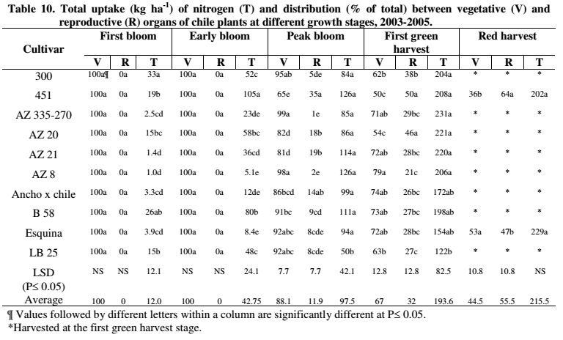
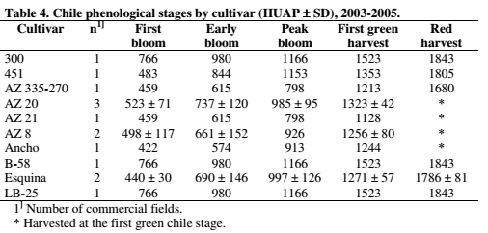
 |  |  |  |  |  |  |  |  |  |  |  |  |  |  |  |  |  |  |  |  | Field-grown
 |  |  |  |  |  |  |  |  |  |  |  |  |  |  |  |  |  |  |  |  |  | % of total uptake
Source |  |  | Season | Yields (cumulative) | Planting date | Harvest Date | Season length | N application | Sampling Date | TIME |  |  |  | N UPTAKE |  |  |  |  |  |  | % of season | Green harvest | Red harvest | Average NHI | 0.37
 | Variety | Location |  | Tons/acre |  |  | (days) | (lbs N/acre) |  | Unit | Value | % of season | Unit | amount | % of max | Notes | Overall Notes: |  |  |  | 0 | 0 | 0
Soto-Ortiz, 2008 | 300 | Hidalgo County, NM | Mar-Oct | 8.69 | 2005-04-07 |  |  | 179 | Planting | Heat units after planting (HUAP)(30/13 °C) | 0 | 0 | lbs N/acre | 0 | 0 |  |  | measurements @ 14 day intervals |  |  | 10 | 0 | 0
 |  |  |  |  |  |  |  |  | First bloom |  | 766 | 50 |  | 29 | 16 |  | AVERAGE: | Heat units after planting (30/13 °C) | `+/- |  | 20 | 0 | 2
 |  |  |  |  |  |  |  |  | Early bloom |  | 980 | 64 |  | 46 | 25 |  | First bloom | 530 | 141 | very slow vegetative growth, prior | 30 | 0 | 6
 |  |  |  |  |  |  |  |  | Peak bloom |  | 1166 | 77 |  | 75 | 41 |  | Early bloom | 750 | 170 |  | 40 | 3 | 21
 |  |  |  |  |  |  |  |  | First green harvest |  | 1523 | 100 |  | 182 | 100 |  | Peak bloom | 1006 | 145 | Highest dry matter accumulation 1006-1329 | 50 | 11 | 39
 | 451 | Cochise County, AZ |  | 11.8 | 2003-03-16 |  |  | 326 | Planting |  | 0 | 0 |  | 0 | 0 |  | First green harvest | 1329 | 120 |  | 60 | 27 | 58
 |  |  |  | 12.9 (red) |  |  |  |  | First bloom |  | 483 | 27 |  | 17 | 9 |  | Red harvest | 1798 | 58 | Between green and red harvest, uptake slows, accumulation in the fruit | 70 | 45 | 78
 |  |  |  |  |  |  |  |  | Early bloom |  | 844 | 47 |  | 94 | 50 |  |  |  |  |  | 80 | 63 | 95
 |  |  |  |  |  |  |  |  | Peak bloom |  | 1153 | 64 |  | 112 | 61 |  | (If green and red harvests are included on the same graph, distorts shape of the curve if x axis is % of season bc red season is longer) |  |  |  | 90 | 82 | 100
 |  |  |  |  |  |  |  |  | First green harvest |  | 1353 | 75 |  | 186 | 100 |  |  |  |  |  | 100 | 100 | 100
 |  |  |  |  |  |  |  |  | Red harvest |  | 1805 | 100 |  | 180 | 97
 | AZ 335-270 | Cochise County, AZ |  | 7.63 | 2005-04-25 |  |  | 326 | Planting |  | 0 | 0 |  | 0 | 0
 |  |  |  |  |  |  |  |  | First bloom |  | 459 | 38 |  | 2 | 1 |  |  |  |  |  | Very slow growth prior to first bloom
 |  |  |  |  |  |  |  |  | Early bloom |  | 615 | 51 |  | 21 | 10 |  |  |  |  |  | Highest dry matter and nutrient accumulation occurs at peak bloom
 |  |  |  |  |  |  |  |  | Peak bloom |  | 798 | 66 |  | 76 | 37 |  |  |  |  |  | Between green and red harvest, uptake slows, accumulation in the fruit
 |  |  |  |  |  |  |  |  | First green harvest |  | 1213 | 100 |  | 206 | 100
 | AZ 20 | Cochise County, AZ |  | 11.2 | 3/23-5/2003-5 |  |  | 326 | Planting |  | 0 | 0 |  | 0 | 0 |  |  |  |  |  | GREEN HARVEST
 |  |  |  |  |  |  |  |  | First bloom |  | 523 | 40 |  | 13 | 7
 |  |  |  |  |  |  |  |  | Early bloom |  | 737 | 56 |  | 52 | 26
 |  |  |  |  |  |  |  |  | Peak bloom |  | 985 | 74 |  | 77 | 39
 |  |  |  |  |  |  |  |  | First green harvest |  | 1323 | 100 |  | 197 | 100
 | AZ 21 | Cochise County, AZ |  | 5.78 | 2005-04-25 |  |  | 326 | Planting |  | 0 | 0 |  | 0 | 0
 |  |  |  |  |  |  |  |  | First bloom |  | 459 | 41 |  | 1 | 1
 |  |  |  |  |  |  |  |  | Early bloom |  | 615 | 55 |  | 32 | 16
 |  |  |  |  |  |  |  |  | Peak bloom |  | 798 | 71 |  | 102 | 52
 |  |  |  |  |  |  |  |  | First green harvest |  | 1128 | 100 |  | 196 | 100
 | AZ 8 | Cochise County, AZ |  | 3.54 | 3/23/04&4/12/05 |  |  | 326 | Planting |  | 0 | 0 |  | 0 | 0
 |  |  |  |  |  |  |  |  | First bloom |  | 498 | 40 |  | 1 | 0
 |  |  |  |  |  |  |  |  | Early bloom |  | 661 | 53 |  | 5 | 2
 |  |  |  |  |  |  |  |  | Peak bloom |  | 926 | 74 |  | 112 | 61
 |  |  |  |  |  |  |  |  | First green harvest |  | 1256 | 100 |  | 184 | 100
 | Green harvest |  | Red harvest
0 | 0 | 0 | 0
50 | 16 | 27 | 9
64 | 25 | 47 | 50
77 | 41 | 64 | 61
100 | 100 | 75 | 100
0 | 0 | 100 | 97
38 | 1 | 0 | 0
51 | 10 | 25 | 2
66 | 37 | 39 | 4
100 | 100 | 56 | 41
0 | 0 | 71 | 67
40 | 7 | 100 | 100
56 | 26
74 | 39
100 | 100
0 | 0
41 | 1
55 | 16
71 | 52
100 | 100
0 | 0
40 | 0
53 | 2
74 | 61
100 | 100
0 | 0
34 | 2
46 | 7
73 | 58
100 | 100
0 | 0
50 | 13
64 | 40
77 | 56
100 | 100
0 | 0
50 | 12
64 | 39
77 | 41
100 | 100
 | Ancho x chile | Cochise County, AZ |  | 4.19 | 2005-03-14 |  |  | 326 | Planting |  | 0 | 0 |  | 0 | 0
 |  |  |  |  |  |  |  |  | First bloom |  | 422 | 34 |  | 3 | 2
 |  |  |  |  |  |  |  |  | Early bloom |  | 574 | 46 |  | 11 | 7
 |  |  |  |  |  |  |  |  | Peak bloom |  | 913 | 73 |  | 88 | 58
 |  |  |  |  |  |  |  |  | First green harvest |  | 1244 | 100 |  | 154 | 100
 | B58 | Hidalgo County, NM |  | 6.09 | 2005-04-07 |  |  | 179 | Planting |  | 0 | 0 |  | 0 | 0
 |  |  |  |  |  |  |  |  | First bloom |  | 766 | 50 |  | 23 | 13 |  |  |  |  |  | RED (Mature) harvest
 |  |  |  |  |  |  |  |  | Early bloom |  | 980 | 64 |  | 71 | 40
 |  |  |  |  |  |  |  |  | Peak bloom |  | 1166 | 77 |  | 99 | 56
 |  |  |  |  |  |  |  |  | First green harvest |  | 1523 | 100 |  | 177 | 100
 | Esquina | Cochise County, AZ |  | 11.8 | 4/01-03/2003+5 |  |  | 326 | Planting |  | 0 | 0 |  | 0 | 0
 |  |  |  | 10.73 (red harvest) |  |  |  |  | First bloom |  | 440 | 25 |  | 3 | 2
 |  |  |  |  |  |  |  |  | Early bloom |  | 690 | 39 |  | 8 | 4
 |  |  |  |  |  |  |  |  | Peak bloom |  | 997 | 56 |  | 84 | 41
 |  |  |  |  |  |  |  |  | First green harvest |  | 1271 | 71 |  | 138 | 67
 |  |  |  |  |  |  |  |  | Red harvest |  | 1786 | 100 |  | 204 | 100
 | LB 25 | Hidalgo County, NM |  | 3.40 | 2005-04-07 |  |  | 179 | Planting |  | 0 | 0 |  | 0 | 0
 |  |  |  |  |  |  |  |  | First bloom |  | 766 | 50 |  | 13 | 12
 |  |  |  |  |  |  |  |  | Early bloom |  | 980 | 64 |  | 43 | 39
 |  |  |  |  |  |  |  |  | Peak bloom |  | 1166 | 77 |  | 45 | 41
 |  |  |  |  |  |  |  |  | First green harvest |  | 1523 | 100 |  | 109 | 100

First bloom
References: |  | Soto-Ortiz, R., 2008. Crop phenology, dry matter production, and nutrient uptake and partitioning in cantaloupe (Cucumis melo L.) and chile (Capsicum annuum L.). Dissertation. Available online at: http://hdl.handle.net/10150/194813

Sugarbeet
Source |  |  | Season | Yields (cumulative) | Planting date | Harvest Date | Season length | N application | Sampling Date | TIME |  |  |  | N UPTAKE |  |  | Overall Notes:
 | Variety | Location |  | Tons/acre |  |  | (days) | (lbs N/acre) |  | Unit | Value | % of season | Unit | Amount | % of max | Notes
Mackenzie et al., 1957 |  | Imperial Valley, California | winter | 29 | 1953-10-01 | 1954-07-01 | 273 | 320 |  | Days after planting | 0 | 0 | lbs/acre | 0 | 0
 |  |  |  |  | 1953-12-23 08:18:27 |  |  |  |  |  | 83 | 31 |  | 77 | 20 | About a weeks after this, rapid DM production ("slow for 1st 90 days of growth"--early January)
 |  |  |  |  | 1954-02-03 05:32:18 |  |  |  |  |  | 125 | 47 |  | 161 | 42
 |  |  |  |  | 1954-03-06 02:46:09 |  |  |  |  |  | 156 | 58 |  | 264 | 68
 |  |  |  |  | 1954-03-25 03:41:32 |  |  |  |  |  | 175 | 65 |  | 325 | 84
 |  |  |  |  | 1954-04-14 00:55:23 |  |  |  |  |  | 195 | 73 |  | 342 | 88
 |  |  |  |  | 1954-04-28 10:09:13 |  |  |  |  |  | 209 | 78 |  | 358 | 92
 |  |  |  |  | 1954-05-19 13:50:46 |  |  |  |  |  | 231 | 86 |  | 388 | 100 | Top growth declines
 |  |  |  |  | 1954-06-08 11:04:36 |  |  |  |  |  | 250 | 94 |  | 368 | 95
 |  |  |  |  | 1954-06-25 19:23:04 |  |  |  |  |  | 268 | 100 |  | 333 | 86

Start of rapid dry matter growth

References: |  | Mackenzie, A.J., Stockinger, K.R., Krantz, B.A., 1957. Growth and Nutrient Uptake of Sugar Beets in the Imperial Valley, California. Journal of the American Society of Sugar Beet Technology 9,400-407.

Tomatoes_Fresh
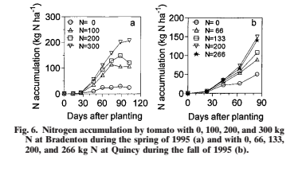
 |  |  |  |  |  |  |  |  |  |  |  |  |  |  |  |  |  |  |  | Based on TRANSPLANTING
Source |  |  | Season | Yields (cumulative) | Planting date | Harvest Date | Season length | N application | Sampling Date | TIME |  |  |  | N UPTAKE |  |  |  | Overall Notes: Decided not to use autumn curves from the greenhouse study (planting in late summer), as the curve shape was very different and this system isn't common in CA. Autumn curve shape from the field-grown tomatoes didn't differ from the spring curve, so included the data. |  | % of season | % of total uptake | Average NHI
 | Variety | Location |  | Tons/acre |  |  | (days) | (lbs N/acre) |  | Unit | Value | % of season | Unit | Amount | % of max | Notes |  |  |  | 0 | 0
Scholberg et al., 2000 | 'Sunny' | Bradenton, FL | Spring |  | 1995-02-25 | 1995-06-07 14:43:38 | 103 | 0 | 0 | Days after transplanting | 0 | 0 | kg N/ha | 0 | 0 | Transplated |  |  |  | 10 | 2
 |  |  |  |  |  |  |  |  | 1 |  | 13 | 13 |  | 2 | 6 |  |  |  |  | 20 | 3
 |  |  |  |  |  |  |  |  | 2 |  | 26 | 25 |  | 3 | 9 |  |  |  |  | 30 | 4
 |  |  |  |  |  |  |  |  | 3 |  | 46 | 45 |  | 9 | 31 |  |  |  |  | 40 | 18
 |  |  |  |  |  |  |  |  | 4 |  | 60 | 58 |  | 24 | 83 |  |  |  |  | 50 | 36
 |  |  |  |  |  |  |  |  | 5 |  | 74 | 72 |  | 29 | 100 |  |  |  |  | 60 | 55
 |  |  |  |  |  |  |  |  | 6 |  | 88 | 86 |  | 27 | 91 |  |  |  |  | 70 | 71
 |  |  |  |  |  |  |  |  | 7 |  | 103 | 100 |  | 23 | 80 |  |  |  |  | 80 | 87
First harvest
 |  |  |  |  |  |  |  | 89 | 0 |  | 0 | 0 |  | 0 | 0 |  |  |  |  | 90 | 96
 |  |  |  |  |  |  |  |  | 1 |  | 13 | 13 |  | 2 | 2 |  |  |  |  | 100 | 100
 |  |  |  |  |  |  |  |  | 2 |  | 26 | 25 |  | 3 | 2
 |  |  |  |  |  |  |  |  | 3 |  | 46 | 45 |  | 30 | 27 |  |  |  |  | Phenological information for Scholberg provided by companion paper
Fruit growth
 |  |  |  |  |  |  |  |  | 4 |  | 60 | 58 |  | 70 | 63 |  |  |  |  | Included general info for several varieties
 |  |  |  |  |  |  |  |  | 5 |  | 74 | 72 |  | 111 | 100 |  |  |  |  | Initial flowering ~4 weeks after transplanting,
Initial flowering
 |  |  |  |  |  |  |  |  | 6 |  | 88 | 86 |  | 106 | 95 |  |  |  |  | Linear fruit growth ~ 6 weeks after transplanting
 |  |  |  |  |  |  |  |  | 7 |  | 103 | 100 |  | 105 | 95 |  |  |  |  | In China greenhouse, first harvest occurred 60-70% of the way through the season
 |  |  |  |  |  |  |  | 179 | 0 |  | 0 | 0 |  | 0 | 0
 |  |  |  |  |  |  |  |  | 1 |  | 13 | 13 |  | 2 | 1
 |  |  |  |  |  |  |  |  | 2 |  | 26 | 25 |  | 3 | 2
 |  |  |  |  |  |  |  |  | 3 |  | 46 | 45 |  | 48 | 32
 |  |  |  |  |  |  |  |  | 4 |  | 60 | 58 |  | 93 | 63
 |  |  |  |  |  |  |  |  | 5 |  | 74 | 72 |  | 130 | 88
 |  |  |  |  |  |  |  |  | 6 |  | 88 | 86 |  | 148 | 100
 |  |  |  |  |  |  |  |  | 7 |  | 103 | 100 |  | 121 | 81
 |  |  |  |  |  |  |  | 268 | 0 |  | 0 | 0 |  | 0 | 0
 |  |  |  |  |  |  |  |  | 1 |  | 13 | 13 |  | 2 | 1
 |  |  |  |  |  |  |  |  | 2 |  | 26 | 25 |  | 3 | 1 |  |  |  | 22
 |  |  |  |  |  |  |  |  | 3 |  | 46 | 45 |  | 59 | 28
 |  |  |  |  |  |  |  |  | 4 |  | 60 | 58 |  | 111 | 53
 |  |  |  |  |  |  |  |  | 5 |  | 74 | 72 |  | 158 | 75
 |  |  |  |  |  |  |  |  | 6 |  | 88 | 86 |  | 202 | 96
 |  |  |  |  |  |  |  |  | 7 |  | 103 | 100 |  | 210 | 100
 | 'Solarset' | Quincy, FL | Autum |  | 1995-07-19 | 1995-10-11 | 84 | 0 | 0 |  | 0 | 0 |  | 0 | 0
 |  |  |  |  |  |  |  |  | 1 |  | 23 | 28 |  | 5 | 9
 |  |  |  |  |  |  |  |  | 2 |  | 44 | 52 |  | 21 | 41
 |  |  |  |  |  |  |  |  | 3 |  | 63 | 75 |  | 26 | 49
 |  |  |  |  |  |  |  |  | 4 |  | 84 | 100 |  | 52 | 100
 |  |  |  |  |  |  |  | 59 | 0 |  | 0 | 0 |  | 0 | 0
 |  |  |  |  |  |  |  |  | 1 |  | 23 | 28 |  | 5 | 5
 |  |  |  |  |  |  |  |  | 2 |  | 44 | 52 |  | 28 | 32
 |  |  |  |  |  |  |  |  | 3 |  | 63 | 75 |  | 52 | 60
 |  |  |  |  |  |  |  |  | 4 |  | 84 | 100 |  | 88 | 100
 |  |  |  |  |  |  |  | 119 | 0 |  | 0 | 0 |  | 0 | 0
 |  |  |  |  |  |  |  |  | 1 |  | 23 | 28 |  | 5 | 4
 |  |  |  |  |  |  |  |  | 2 |  | 44 | 52 |  | 35 | 33
 |  |  |  |  |  |  |  |  | 3 |  | 63 | 75 |  | 58 | 54
 |  |  |  |  |  |  |  |  | 4 |  | 84 | 100 |  | 108 | 100
 |  |  |  |  |  |  |  | 179 | 0 |  | 0 | 0 |  | 0 | 0
 |  |  |  |  |  |  |  |  | 1 |  | 23 | 28 |  | 5 | 3
 |  |  |  |  |  |  |  |  | 2 |  | 44 | 52 |  | 35 | 23
 |  |  |  |  |  |  |  |  | 3 |  | 63 | 75 |  | 74 | 49
 |  |  |  |  |  |  |  |  | 4 |  | 84 | 100 |  | 150 | 100
 |  |  |  |  |  |  |  | 237 | 0 |  | 0 | 0 |  | 0 | 0
 |  |  |  |  |  |  |  |  | 1 |  | 23 | 28 |  | 5 | 3
 |  |  |  |  |  |  |  |  | 2 |  | 44 | 52 |  | 35 | 25
 |  |  |  |  |  |  |  |  | 3 |  | 63 | 75 |  | 64 | 46
 |  |  |  |  |  |  |  |  | 4 |  | 84 | 100 |  | 140 | 100
Zotarelli et al., 2009 | 'Florida 47' | Citra, FL | Spring |  | 2006-04-10 |  |  | 88 | 0 |  | 0 | 0 |  | 0 | 0 | Transplanted, harvested 70,77,86 DAT
 |  |  |  |  |  |  |  |  | 1 |  | 7 | 8 |  | 1 | 1
 |  |  |  |  |  |  |  |  | 2 |  | 21 | 24 |  | 5 | 4
 |  |  |  |  |  |  |  |  | 3 |  | 35 | 41 |  | 33 | 31
 |  |  |  |  |  |  |  |  | 4 |  | 48 | 57 |  | 58 | 55
 |  |  |  |  |  |  |  |  | 5 |  | 62 | 73 |  | 71 | 67
 |  |  |  |  |  |  |  |  | 6 |  | 76 | 89 |  | 91 | 85
 |  |  |  |  |  |  |  |  | 7 |  | 85 | 100 |  | 106 | 100
 |  |  |  |  |  |  |  | 196 | 0 |  | 0 | 0 |  | 0 | 0
 |  |  |  |  |  |  |  |  | 1 |  | 7 | 8 |  | 1 | 0
 |  |  |  |  |  |  |  |  | 2 |  | 21 | 24 |  | 6 | 5
 |  |  |  |  |  |  |  |  | 3 |  | 35 | 41 |  | 34 | 28
 |  |  |  |  |  |  |  |  | 4 |  | 48 | 57 |  | 65 | 53
 |  |  |  |  |  |  |  |  | 5 |  | 62 | 73 |  | 86 | 70
 |  |  |  |  |  |  |  |  | 6 |  | 76 | 89 |  | 101 | 82
 |  |  |  |  |  |  |  |  | 7 |  | 85 | 100 |  | 123 | 100
 |  |  |  |  |  |  |  | 295 | 0 |  | 0 | 0 |  | 0 | 0
 |  |  |  |  |  |  |  |  | 1 |  | 7 | 8 |  | 1 | 0
 |  |  |  |  |  |  |  |  | 2 |  | 21 | 24 |  | 6 | 4
 |  |  |  |  |  |  |  |  | 3 |  | 35 | 41 |  | 40 | 29
 |  |  |  |  |  |  |  |  | 4 |  | 48 | 57 |  | 78 | 56
 |  |  |  |  |  |  |  |  | 5 |  | 62 | 73 |  | 93 | 67
 |  |  |  |  |  |  |  |  | 6 |  | 76 | 89 |  | 123 | 89
 |  |  |  |  |  |  |  |  | 7 |  | 85 | 100 |  | 138 | 100
Ren et al., 2010 | 852 | China, Greenhouse | Spring |  | 2004-02-15 | 2004-06-10 | 116 | 232 | 0 |  | 0 | 0 |  | 0 | 0 | 2004-05-07 | 1st harvest
 |  |  |  |  |  |  |  |  | 1 |  | 46 | 40 |  | 16 | 5 | 82 | DAT
 |  |  |  |  |  |  |  |  | 2 |  | 64 | 55 |  | 109 | 32 | 0.70689655172 | % of season
 |  |  |  |  |  |  |  |  | 3 |  | 73 | 63 |  | 209 | 62
 |  |  |  |  |  |  |  |  | 4 |  | 90 | 78 |  | 303 | 90
 |  |  |  |  |  |  |  |  | 5 |  | 116 | 100 |  | 336 | 100
 | Jinpeng #1 | China, Greenhouse | Spring |  | 2005-02-06 | 2005-06-11 | 125 | 282 | 0 |  | 0 | 0 |  | 0 | 0 | 2005-05-06 | 1st harvest
 |  |  |  |  |  |  |  |  | 1 |  | 56 | 45 |  | 46 | 17 | 89 | DAT
 |  |  |  |  |  |  |  |  | 2 |  | 70 | 56 |  | 86 | 32 | 0.712 | % of season
 |  |  |  |  |  |  |  |  | 3 |  | 81 | 64 |  | 163 | 62
 |  |  |  |  |  |  |  |  | 4 |  | 89 | 71 |  | 202 | 77
 |  |  |  |  |  |  |  |  | 5 |  | 125 | 100 |  | 264 | 100
 | Qianxi (Cherry) | China, Greenhouse | Spring |  | 2006-02-10 | 2006-06-19 | 129 | 145 | 0 |  | 0 | 0 |  | 0 | 0 | 2006-04-27 | 1st harvest
 |  |  |  |  |  |  |  |  | 1 |  | 41 | 33 |  | 12 | 4 | 76 | DAT
 |  |  |  |  |  |  |  |  | 2 |  | 56 | 45 |  | 51 | 17 | 0.61179138322 | % of season
 |  |  |  |  |  |  |  |  | 3 |  | 63 | 50 |  | 97 | 32
 |  |  |  |  |  |  |  |  | 4 |  | 76 | 61 |  | 188 | 62
 |  |  |  |  |  |  |  |  | 5 |  | 85 | 69 |  | 230 | 76
 |  |  |  |  |  |  |  |  | 6 |  | 124 | 100 |  | 303 | 100
 | Qianxi (cherry) | China, Greenhouse | Spring |  | 2007-02-07 | 2007-06-18 | 131 | 138 | 0 |  | 0 | 0 |  | 0 | 0 | 2007-04-22 | 1st harvest
 |  |  |  |  |  |  |  |  | 1 |  | 42 | 33 |  | 16 | 5 | 74 | DAT
 |  |  |  |  |  |  |  |  | 2 |  | 56 | 43 |  | 56 | 17 | 0.57515008576 | % of season
 |  |  |  |  |  |  |  |  | 3 |  | 62 | 48 |  | 106 | 32
 |  |  |  |  |  |  |  |  | 4 |  | 78 | 60 |  | 206 | 62
 |  |  |  |  |  |  |  |  | 5 |  | 87 | 68 |  | 256 | 76
 |  |  |  |  |  |  |  |  | 6 |  | 129 | 100 |  | 335 | 100
 | 189 | China, Greenhouse | Autumn |  | 2004-08-08 | 2005-01-21 | 166 | 321 | 0 |  | 0 | 0 |  | 0 | 0 | 2004-10-27 | 1st harvest
 |  |  |  |  |  |  |  |  | 1 |  | 36 | 22 |  | 57 | 20 | 80 | DAT
 |  |  |  |  |  |  |  |  | 2 |  | 49 | 29 |  | 157 | 54
 |  |  |  |  |  |  |  |  | 3 |  | 60 | 36 |  | 226 | 78
 |  |  |  |  |  |  |  |  | 4 |  | 68 | 41 |  | 248 | 86
 |  |  |  |  |  |  |  |  | 5 |  | 79 | 47 |  | 260 | 90
 |  |  |  |  |  |  |  |  | 6 |  | 96 | 58 |  | 273 | 94
 |  |  |  |  |  |  |  |  | 7 |  | 166 | 100 |  | 289 | 100
 | Brewster | China, Greenhouse | Autumn |  | 2005-08-06 | 2006-01-21 | 168 | 230 | 0 |  | 0 | 0 |  | 0 | 0 | 2005-10-22 | 1st harvest
 |  |  |  |  |  |  |  |  | 1 |  | 47 | 28 |  | 73 | 20 | 77 | DAT
 |  |  |  |  |  |  |  |  | 2 |  | 57 | 34 |  | 144 | 40
 |  |  |  |  |  |  |  |  | 3 |  | 67 | 40 |  | 283 | 78
 |  |  |  |  |  |  |  |  | 4 |  | 78 | 46 |  | 311 | 86
 |  |  |  |  |  |  |  |  | 5 |  | 88 | 52 |  | 327 | 91
 |  |  |  |  |  |  |  |  | 6 |  | 101 | 60 |  | 341 | 94
 |  |  |  |  |  |  |  |  | 7 |  | 168 | 100 |  | 361 | 100
 | Brewster | China, Greenhouse | Autumn |  | 2006-07-30 | 2007-01-22 | 176 | 278 | 0 |  | 0 | 0 |  | 0 | 0 | 2006-10-11 | 1st harvest
 |  |  |  |  |  |  |  |  | 1 |  | 38 | 21 |  | 68 | 20 | 73 | DAT
 |  |  |  |  |  |  |  |  | 2 |  | 56 | 32 |  | 275 | 79
 |  |  |  |  |  |  |  |  | 3 |  | 67 | 38 |  | 301 | 86
 |  |  |  |  |  |  |  |  | 4 |  | 76 | 43 |  | 316 | 90
 |  |  |  |  |  |  |  |  | 5 |  | 90 | 51 |  | 329 | 94
 |  |  |  |  |  |  |  |  | 6 |  | 176 | 100 |  | 350 | 100
 | Brewster | China, Greenhouse | Autumn |  | 2007-07-31 | 2008-01-29 | 182 | 277 | 0 |  | 0 | 0 |  | 0 | 0 | 2007-10-29 | 1st harvest
 |  |  |  |  |  |  |  |  | 1 |  | 42 | 23 |  | 72 | 20 | 90 | DAT
 |  |  |  |  |  |  |  |  | 2 |  | 56 | 30 |  | 145 | 40
 |  |  |  |  |  |  |  |  | 3 |  | 70 | 38 |  | 287 | 78
 |  |  |  |  |  |  |  |  | 4 |  | 83 | 45 |  | 316 | 86
 |  |  |  |  |  |  |  |  | 5 |  | 97 | 53 |  | 329 | 90
 |  |  |  |  |  |  |  |  | 6 |  | 184 | 100 |  | 366 | 100
Lazicki, Lloyd and Geisseler, 2016 | Brandywine | Yolo County | Spring |  | 2017-05-16 | 2017-10-05 | 142 | C1 | 0 | DAT | 0 | 0 | kg/ha | 0 | 0
 |  |  |  |  |  |  |  |  | transplant |  | 14 | 10 |  | 1 | 0
 |  |  |  |  |  |  |  |  | pre-flower |  | 31 | 22 |  | 10 | 2
 |  |  |  |  |  |  |  |  | full flower |  | 52 | 37 |  | 31 | 7
 |  |  |  |  |  |  |  |  | green fruit |  | 78 | 55 |  | 119 | 28
 |  |  |  |  |  |  |  |  | early harvest |  | 98 | 69 |  | 221 | 52
 |  |  |  |  |  |  |  |  | mid-harvest |  | 122 | 86 |  | 428 | 100
 |  |  |  |  |  |  |  |  | late harvest |  | 142 | 100 |  | 217 | 51
 |  |  |  |  |  |  |  | C1+PB | 0 |  | 0 | 0 |  | 0 | 0
 |  |  |  |  |  |  |  |  | transplant |  | 14 | 10 |  | 1 | 0
 |  |  |  |  |  |  |  |  | pre-flower |  | 31 | 22 |  | 10 | 3
 |  |  |  |  |  |  |  |  | full flower |  | 52 | 37 |  | 37 | 12
 |  |  |  |  |  |  |  |  | green fruit |  | 78 | 55 |  | 198 | 63
 |  |  |  |  |  |  |  |  | early harvest |  | 98 | 69 |  | 208 | 66
 |  |  |  |  |  |  |  |  | mid-harvest |  | 122 | 86 |  | 315 | 100
 |  |  |  |  |  |  |  |  | late harvest |  | 142 | 100 |  | 262 | 83
 |  |  |  |  |  |  |  | C1+PB+G | 0 |  | 0 | 0 |  | 0 | 0
 |  |  |  |  |  |  |  |  | transplant |  | 14 | 10 |  | 1 | 0
 |  |  |  |  |  |  |  |  | pre-flower |  | 31 | 22 |  | 10 | 4
 |  |  |  |  |  |  |  |  | full flower |  | 52 | 37 |  | 59 | 25
 |  |  |  |  |  |  |  |  | green fruit |  | 78 | 55 |  | 137 | 58
 |  |  |  |  |  |  |  |  | early harvest |  | 98 | 69 |  | 223 | 94
 |  |  |  |  |  |  |  |  | mid-harvest |  | 122 | 86 |  | 194 | 81
 |  |  |  |  |  |  |  |  | late harvest |  | 142 | 100 |  | 238 | 100
 |  |  |  |  |  |  |  | C2 | 0 |  | 0 | 0 |  | 0 | 0
 |  |  |  |  |  |  |  |  | transplant |  | 14 | 10 |  | 1 | 0
 |  |  |  |  |  |  |  |  | pre-flower |  | 31 | 22 |  | 5 | 2
 |  |  |  |  |  |  |  |  | full flower |  | 52 | 37 |  | 27 | 11
 |  |  |  |  |  |  |  |  | green fruit |  | 78 | 55 |  | 106 | 42
 |  |  |  |  |  |  |  |  | early harvest |  | 98 | 69 |  | 248 | 99
 |  |  |  |  |  |  |  |  | mid-harvest |  | 122 | 86 |  | 250 | 100
 |  |  |  |  |  |  |  |  | late harvest |  | 142 | 100 |  | 244 | 98
 |  |  |  |  |  |  |  | C2+PB | 0 |  | 0 | 0 |  | 0 | 0
 |  |  |  |  |  |  |  |  | transplant |  | 14 | 10 |  | 1 | 0
 |  |  |  |  |  |  |  |  | pre-flower |  | 31 | 22 |  | 10 | 3
 |  |  |  |  |  |  |  |  | full flower |  | 52 | 37 |  | 24 | 7
 |  |  |  |  |  |  |  |  | green fruit |  | 78 | 55 |  | 82 | 26
 |  |  |  |  |  |  |  |  | early harvest |  | 98 | 69 |  | 245 | 77
 |  |  |  |  |  |  |  |  | mid-harvest |  | 122 | 86 |  | 316 | 100
 |  |  |  |  |  |  |  |  | late harvest |  | 142 | 100 |  | 221 | 70
 |  |  |  |  |  |  |  | C2+PB+G | 0 |  | 0 | 0 |  | 0 | 0
 |  |  |  |  |  |  |  |  | transplant |  | 14 | 10 |  | 1 | 0
 |  |  |  |  |  |  |  |  | pre-flower |  | 31 | 22 |  | 9 | 3
 |  |  |  |  |  |  |  |  | full flower |  | 52 | 37 |  | 41 | 15
 |  |  |  |  |  |  |  |  | green fruit |  | 78 | 55 |  | 112 | 40
 |  |  |  |  |  |  |  |  | early harvest |  | 98 | 69 |  | 281 | 100
 |  |  |  |  |  |  |  |  | mid-harvest |  | 122 | 86 |  | 275 | 98
 |  |  |  |  |  |  |  |  | late harvest |  | 142 | 100 |  | 256 | 91

References: |  | Scholberg, J., McNeal, B., Boote, K.J., Jones, J.W., Locascio, S.J., Olson, S.M., 2000. Nitrogen stress effects on grown and nitrogen accumulation by field-grown tomato. Additional info in: Scholberg, J., McNeal, B.L., Jones, J.W., Boote, K.J., Stanley, C.D., Obreza, T.A., 2000. Growth and canopy characteristics of field-grown tomato. Agronomy Journal 92, 152-159.

 |  | Zotarelli, L., Dukes, M.D., Scholberg, J.M.S., Munoz-Carpena, R., Icerman, J., 2009. Tomato nitrogen accumulation and fertilizer use efficiency on a sandy soil, as affected by nitrogen rate and irrigation scheduling. Agricultural Water Management 96, 1247-1258.

 |  | Ren, T., Christie, P., Wang, J., Chen, Q., Zhang, F., 2010. Root zone soil nitrogen management to maintain high tomato yields and minimum nitrogen losses to the environment. Scientia Horticultuarae 125, 25-33.

 | Scholberg et al., 2000
 |  |  |  |  |  |  |  |  |  |  |  |  | Ren et al., 2010

Wheat_Durum
Source |  |  | Season | Yields (cumulative) | Planting date | Harvest Date | Season length | N application | Sampling Date | TIME |  |  |  | N UPTAKE |  |  |  | Overall Notes: | % of season | % of total uptake | Average NHI
 | Variety | Location |  |  |  |  | (days) | (lbs N/acre) |  | Unit | Value | % of season | Unit | Amount | % of max | Notes |  |  | 0 | 0
Kutman et al., 2011 | Balcali2000 | Turkey, Greenhouse |  | 2039 | mg/plant |  | 108 | 250 mg N/kg dry soil | Planting | Days ater sowing | 0 | 0 | mg/plant | 0 | 0 | Zn deficient soil, greenhouse trial |  |  | 10 | 1
 |  |  |  |  |  |  |  |  | Stem elongation (Zadok 3.0) |  | 38 | 35 |  | 21 | 19 |  |  |  | 20 | 4
 |  |  |  |  |  |  |  |  | Stem elongation (Zadok 3.5) |  | 48 | 44 |  | 52 | 46 |  |  |  | 30 | 9
 |  |  |  |  |  |  |  |  | Booting (Z-4.9) |  | 55 | 51 |  | 65 | 58 |  |  |  | 40 | 29
 |  |  |  |  |  |  |  |  | Anthesis halfway (Z 6.5) |  | 62 | 57 |  | 73 | 65 |  |  |  | 50 | 45
 |  |  |  |  |  |  |  |  | Kernel watery ripe (z 7.1) |  | 69 | 64 |  | 79 | 70 |  |  |  | 60 | 67
 |  |  |  |  |  |  |  |  | Late milk (Z 7.7) |  | 79 | 73 |  | 92 | 81 |  |  |  | 70 | 83
 |  |  |  |  |  |  |  |  | Soft dough (Z 8.5) |  | 90 | 83 |  | 97 | 86 |  |  |  | 80 | 95
 |  |  |  |  |  |  |  |  | Ripe seed (Z 9.9) |  | 108 | 100 |  | 113 | 100 |  |  |  | 90 | 99
 |  |  |  | 5490 | mg/plant |  |  | 250 mg N/kg dry soil | Planting |  | 0 | 0 |  | 0 | 0 |  |  |  | 100 | 100
 |  |  |  |  |  |  |  |  | Stem elongation (Zadok 3.0) |  | 38 | 35 |  | 21 | 13
 |  |  |  |  |  |  |  |  | Stem elongation (Zadok 3.5) |  | 48 | 44 |  | 73 | 45
 |  |  |  |  |  |  |  |  | Booting (Z-4.9) |  | 55 | 51 |  | 88 | 54
 |  |  |  |  |  |  |  |  | Anthesis halfway (Z 6.5) |  | 62 | 57 |  | 109 | 67
 |  |  |  |  |  |  |  |  | Kernel watery ripe (z 7.1) |  | 69 | 64 |  | 111 | 69
 |  |  |  |  |  |  |  |  | Late milk (Z 7.7) |  | 79 | 73 |  | 135 | 83
 |  |  |  |  |  |  |  |  | Soft dough (Z 8.5) |  | 90 | 83 |  | 152 | 94
 |  |  |  |  |  |  |  |  | Ripe seed (Z 9.9) |  | 108 | 100 |  | 162 | 100
Zubaidi_et_al_1999 | 9 durum wheat varieties | Australia, field | Winter (June-Nov) |  | 1994-06-08 | 1994-11-30 | 175 | 17 |  |  | 0 | 0 | kg/ha | 0 | 0
 |  |  |  |  |  |  |  |  |  |  | 34 | 20 |  | 3 | 4
 |  |  |  |  |  |  |  |  | 1-2 tillers/plant |  | 55 | 31 |  | 13 | 15
 |  |  |  |  |  |  |  |  |  |  | 76 | 44 |  | 32 | 39
 |  |  |  |  |  |  |  |  |  |  | 98 | 56 |  | 78 | 93
 |  |  |  |  |  |  |  |  | Early grain filling |  | 125 | 72 |  | 71 | 84
 |  |  |  |  |  |  |  |  |  |  | 175 | 100 |  | 84 | 100
Liang et al., 2014 | Duraking, Topper, Kronons, Havasu, Orita, Ocotillo | Arizona, field | Dec-April |  | 2010-12-15 | 2011-06-02 | 169 | 0 | Sowing | days after sowing | 0 | 0 | kg/ha | 0 | 0 |  | Only use this one
 |  |  |  |  |  |  |  |  | Feekes 2 |  | 34 | 20 |  | 2 | 5 | tillering
 |  |  |  |  |  |  |  |  | Feekes 5 |  | 71 | 42 |  | 11 | 28
 |  |  |  |  |  |  |  |  | Feekes 10 |  | 97 | 57 |  | 22 | 58 | booting
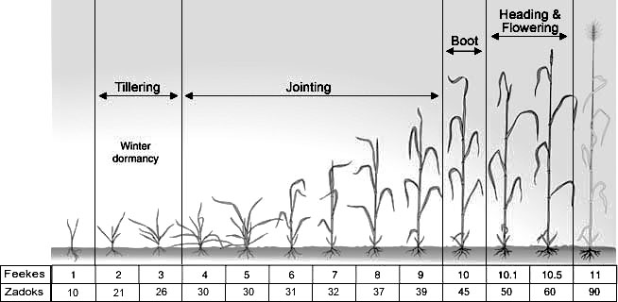
 |  |  |  |  |  |  |  |  | Feekes 10.5 |  | 113 | 67 |  | 38 | 100 | flowering
 |  |  |  |  |  |  |  |  | Harvest |  | 169 | 100 |  | 32 | 86
 |  |  |  |  |  |  |  | 65 | Sowing |  | 0 | 0 |  | 0 | 0
 |  |  |  |  |  |  |  |  | Feekes 2 |  | 34 | 20 |  | 2 | 2
 |  |  |  |  |  |  |  |  | Feekes 5 |  | 71 | 42 |  | 26 | 29
 |  |  |  |  |  |  |  |  | Feekes 10 |  | 97 | 57 |  | 38 | 42
 |  |  |  |  |  |  |  |  | Feekes 10.5 |  | 113 | 67 |  | 39 | 44
 |  |  |  |  |  |  |  |  | Harvest |  | 169 | 100 |  | 90 | 100
 |  |  |  |  |  |  |  | 110 | Sowing |  | 0 | 0 |  | 0 | 0
 |  |  |  |  |  |  |  |  | Feekes 2 |  | 34 | 20 |  | 2 | 1
 |  |  |  |  |  |  |  |  | Feekes 5 |  | 71 | 42 |  | 38 | 30
 |  |  |  |  |  |  |  |  | Feekes 10 |  | 97 | 57 |  | 60 | 47
 |  |  |  |  |  |  |  |  | Feekes 10.5 |  | 113 | 67 |  | 78 | 61
 |  |  |  |  |  |  |  |  | Harvest |  | 169 | 100 |  | 127 | 100
 |  |  |  |  |  |  |  | 165 | Sowing |  | 0 | 0 |  | 0 | 0
 |  |  |  |  |  |  |  |  | Feekes 2 |  | 34 | 20 |  | 2 | 1
 |  |  |  |  |  |  |  |  | Feekes 5 |  | 71 | 42 |  | 55 | 30
 |  |  |  |  |  |  |  |  | Feekes 10 |  | 97 | 57 |  | 73 | 40
 |  |  |  |  |  |  |  |  | Feekes 10.5 |  | 113 | 67 |  | 84 | 46
 |  |  |  |  |  |  |  |  | Harvest |  | 169 | 100 |  | 184 | 100
 |  |  |  |  |  |  |  | 240 | Sowing |  | 0 | 0 |  | 0 | 0
 |  |  |  |  |  |  |  |  | Feekes 2 |  | 34 | 20 |  | 2 | 1
 |  |  |  |  |  |  |  |  | Feekes 5 |  | 71 | 42 |  | 66 | 31
 |  |  |  |  |  |  |  |  | Feekes 10 |  | 97 | 57 |  | 75 | 34
 |  |  |  |  |  |  |  |  | Feekes 10.5 |  | 113 | 67 |  | 111 | 51
 |  |  |  |  |  |  |  |  | Harvest |  | 169 | 100 |  | 216 | 100
 |  | Arizona, field | Dec-April |  | 2011-12-09 | 2012-05-24 | 167 | 0 | Sowing |  | 0 | 0 |  | 0 | 0
 |  |  |  |  |  |  |  |  | Feekes 1 |  | 32 | 19 |  | 2 | 4
 |  |  |  |  |  |  |  |  | Feekes 5 |  | 69 | 41 |  | 17 | 36
 |  |  |  |  |  |  |  |  | Feekes 10 |  | 95 | 57 |  | 32 | 70
 |  |  |  |  |  |  |  |  | Feekes 10.5 |  | 117 | 70 |  | 46 | 100
 |  |  |  |  |  |  |  |  | Harvest |  | 167 | 100 |  | 27 | 59
 |  |  |  |  |  |  |  | 65 | Sowing |  | 0 | 0 |  | 0 | 0
 |  |  |  |  |  |  |  |  | Feekes 1 |  | 32 | 19 |  | 2 | 2
 |  |  |  |  |  |  |  |  | Feekes 5 |  | 69 | 41 |  | 20 | 24
 |  |  |  |  |  |  |  |  | Feekes 10 |  | 95 | 57 |  | 52 | 63
 |  |  |  |  |  |  |  |  | Feekes 10.5 |  | 117 | 70 |  | 75 | 90
 |  |  |  |  |  |  |  |  | Harvest |  | 167 | 100 |  | 83 | 100
 |  |  |  |  |  |  |  | 110 | Sowing |  | 0 | 0 |  | 0 | 0
 |  |  |  |  |  |  |  |  | Feekes 1 |  | 32 | 19 |  | 2 | 2
 |  |  |  |  |  |  |  |  | Feekes 5 |  | 69 | 41 |  | 28 | 25
 |  |  |  |  |  |  |  |  | Feekes 10 |  | 95 | 57 |  | 73 | 65
 |  |  |  |  |  |  |  |  | Feekes 10.5 |  | 117 | 70 |  | 97 | 86
 |  |  |  |  |  |  |  |  | Harvest |  | 167 | 100 |  | 113 | 100
 |  |  |  |  |  |  |  | 165 | Sowing |  | 0 | 0 |  | 0 | 0
 |  |  |  |  |  |  |  |  | Feekes 1 |  | 32 | 19 |  | 2 | 1
 |  |  |  |  |  |  |  |  | Feekes 5 |  | 69 | 41 |  | 38 | 25
 |  |  |  |  |  |  |  |  | Feekes 10 |  | 95 | 57 |  | 99 | 65
 |  |  |  |  |  |  |  |  | Feekes 10.5 |  | 117 | 70 |  | 102 | 66
 |  |  |  |  |  |  |  |  | Harvest |  | 167 | 100 |  | 154 | 100
 |  |  |  |  |  |  |  | 240 | Sowing |  | 0 | 0 |  | 0 | 0
 |  |  |  |  |  |  |  |  | Feekes 1 |  | 32 | 19 |  | 2 | 1
 |  |  |  |  |  |  |  |  | Feekes 5 |  | 69 | 41 |  | 54 | 25
 |  |  |  |  |  |  |  |  | Feekes 10 |  | 95 | 57 |  | 119 | 55
 |  |  |  |  |  |  |  |  | Feekes 10.5 |  | 117 | 70 |  | 152 | 71
 |  |  |  |  |  |  |  |  | Harvest |  | 167 | 100 |  | 215 | 100
 |  |  |  |  |  |  |  | 360 | Sowing |  | 0 | 0 |  | 0 | 0
 |  |  |  |  |  |  |  |  | Feekes 1 |  | 32 | 19 |  | 2 | 1
 |  |  |  |  |  |  |  |  | Feekes 5 |  | 69 | 41 |  | 84 | 31
 |  |  |  |  |  |  |  |  | Feekes 10 |  | 95 | 57 |  | 175 | 64
 |  |  |  |  |  |  |  |  | Feekes 10.5 |  | 117 | 70 |  | 210 | 77
 |  |  |  |  |  |  |  |  | Harvest |  | 167 | 100 |  | 272 | 100

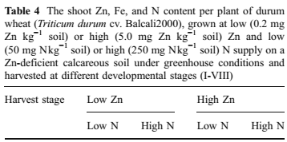
Kutman et al., 2011
 |  |  |  |  |  |  |  |  |  |  |  |  |  | Liang et al., 2014
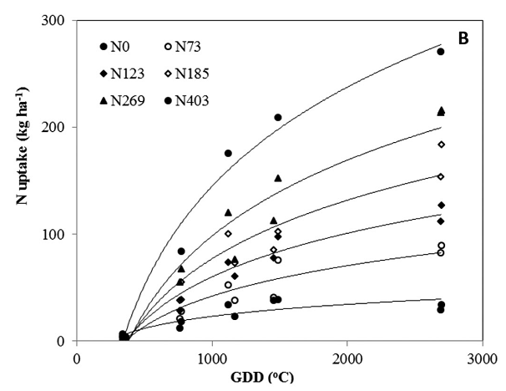
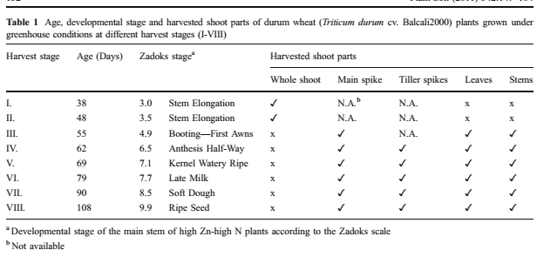

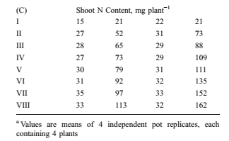

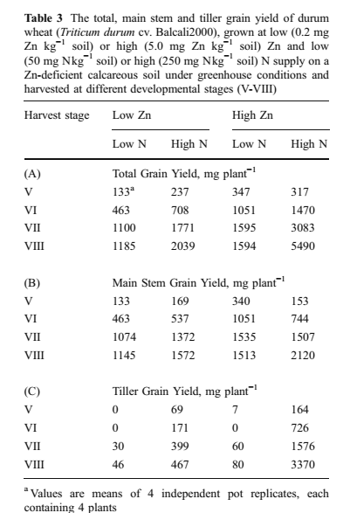

References: |  | Kutman, U.B., Yildiz, H., Cakmak, I., 2011. Effect of nitrogen on uptake, remobilization and partitioning of zinc and iron throughout the development of durum wheat. Plant and Soil 342, 149-164.

 |  | Liang, Z., Bronson, K.F., Thorp, K.R., Mon, J., Badaruddin, M., Wang, G., 2014. Cultivar and N fertilizer rate affect yield and N use efficiency in irrigated durum wheat. Crop Science 54, 1175-1183.

Beetroot
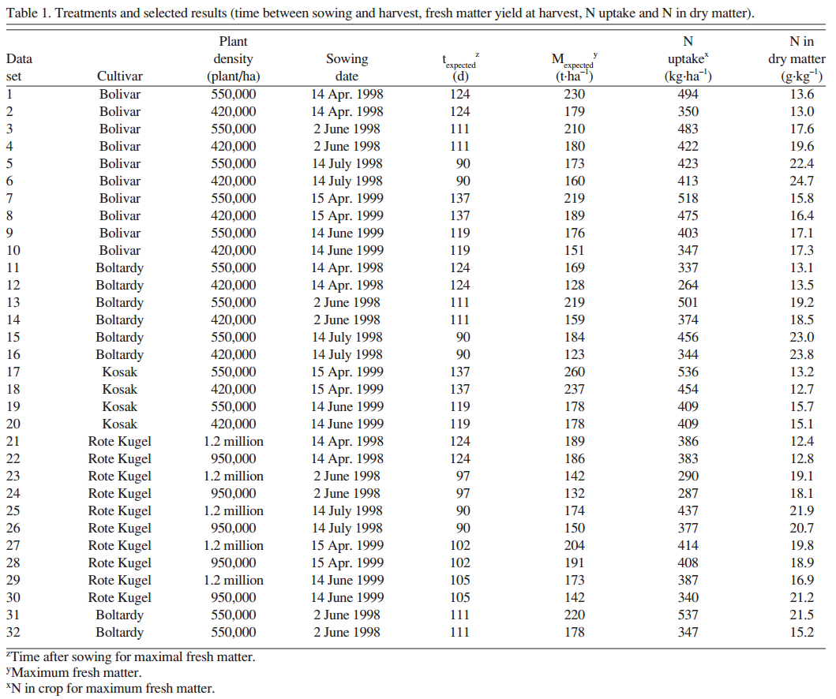
Source | Variety | Location | Season | Yields (cumulative) | Planting date | Harvest Date | Season length | N application | Sampling Date | TIME |  |  |  | N UPTAKE |  |  | Overall Notes: From Beet Prdxn in CA-- they are usually seeded in March/April (cool season). Our season is quite a bit shorter-- 42-56 for fresh market beets, 60-70 for processing beets, 70=80 for cylindrical beets. However, harvest timing depends on desired size. Their varieties, except the baby beet, would be about Grade 3 (the largest size, and rare-ish) for us. The baby beet is more our normal size.They only give one curve and it's atypical... should I use that instead? Beetroot usually topped for processing; beets for bunching have leaves still attached. I can't really find any phenological information. I could make a guess, but... |  | 0 | 0
 |  |  |  | Tons/acre |  |  | (days) | (lbs N/acre) |  | Unit | Value | % of season | Unit | Amount | % of max | Notes |  |  | 10 | 0
Feller and Fink, 2002 | Bolivar | Germany | Summer |  | 1999-04-15 | 1999-08-29 23:35:10 | 137 |  | 0 | Days after sowing | 0 | 0 | kg/ha | 0 | 0 |  |  |  | 20 | 0
 |  |  |  |  |  |  |  |  | 1 |  | 60 | 44 |  | 80 | 16 |  |  |  | 30 | 2
 |  |  |  |  |  |  |  |  | 2 |  | 67 | 49 |  | 131 | 25 |  |  |  | 40 | 9
 |  |  |  |  |  |  |  |  | 3 |  | 74 | 54 |  | 254 | 49 |  |  |  | 50 | 29
 |  |  |  |  |  |  |  |  | 4 |  | 88 | 65 |  | 346 | 67 |  |  |  | 60 | 50
 |  |  |  |  |  |  |  |  | 5 |  | 101 | 74 |  | 438 | 85 |  |  |  | 70 | 70
 |  |  |  |  |  |  |  |  | 6 |  | 137 | 100 |  | 515 | 100 |  |  |  | 80 | 87
 | Kosak |  |  |  | 1999-04-15 | 1999-08-30 11:51:06 | 137 |  | 0 |  | 0 | 0 |  | 0 | 0 |  |  |  | 90 | 97
 |  |  |  |  |  |  |  |  | 1 |  | 62 | 45 |  | 76 | 14 |  |  |  | 100 | 100
 |  |  |  |  |  |  |  |  | 2 |  | 68 | 49 |  | 120 | 23
 |  |  |  |  |  |  |  |  | 3 |  | 75 | 54 |  | 241 | 46
 |  |  |  |  |  |  |  |  | 4 |  | 88 | 64 |  | 387 | 73
 |  |  |  |  |  |  |  |  | 5 |  | 103 | 75 |  | 494 | 93
 |  |  |  |  |  |  |  |  | 6 |  | 137 | 100 |  | 529 | 100
 | Rote Kugel (baby type) |  |  |  | 1998-04-14 | 1998-07-24 21:20:00 | 102 |  | 0 |  | 0 | 0 |  | 0 | 0
 |  |  |  |  |  |  |  |  | 1 |  | 62 | 61 |  | 87 | 21
 |  |  |  |  |  |  |  |  | 2 |  | 68 | 67 |  | 124 | 31
 |  |  |  |  |  |  |  |  | 3 |  | 75 | 74 |  | 244 | 60
 |  |  |  |  |  |  |  |  | 4 |  | 90 | 88 |  | 403 | 99
 |  |  |  |  |  |  |  |  | 5 |  | 102 | 100 |  | 408 | 100
 | Bolivar |  |  |  | 1998-04-14 | 1998-08-15 21:31:02 | 124 |  | 0 |  | 0 | 0 |  | 0 | 0
 |  |  |  |  |  |  |  |  | 1 |  | 55 | 44 |  | 62 | 13
 |  |  |  |  |  |  |  |  | 2 |  | 68 | 55 |  | 184 | 38
 |  |  |  |  |  |  |  |  | 3 |  | 85 | 68 |  | 333 | 68
 |  |  |  |  |  |  |  |  | 4 |  | 97 | 78 |  | 422 | 86
 |  |  |  |  |  |  |  |  | 5 |  | 124 | 100 |  | 491 | 100
 |  |  |  |  | 1998-06-02 | 1998-09-20 13:47:30 | 111 |  | 0 |  | 0 | 0 |  | 0 | 0 |  |  | red=baby beets (Rote Kugel)
 |  |  |  |  |  |  |  |  | 1 |  | 43 | 39 |  | 60 | 13
 |  |  |  |  |  |  |  |  | 2 |  | 55 | 50 |  | 121 | 25
 |  |  |  |  |  |  |  |  | 3 |  | 69 | 63 |  | 305 | 63
 |  |  |  |  |  |  |  |  | 4 |  | 84 | 76 |  | 390 | 81
 |  |  |  |  |  |  |  |  | 5 |  | 97 | 87 |  | 469 | 97
 |  |  |  |  |  |  |  |  | 6 |  | 111 | 100 |  | 483 | 100
 |  |  |  |  | 1998-07-14 | 1998-10-13 13:56:07 | 92 |  | 0 |  | 0 | 0 |  | 0 | 0
 |  |  |  |  |  |  |  |  | 1 |  | 41 | 45 |  | 131 | 31
 |  |  |  |  |  |  |  |  | 2 |  | 51 | 56 |  | 159 | 38
 |  |  |  |  |  |  |  |  | 3 |  | 64 | 70 |  | 336 | 80
 |  |  |  |  |  |  |  |  | 4 |  | 79 | 86 |  | 366 | 87
 |  |  |  |  |  |  |  |  | 5 |  | 92 | 100 |  | 419 | 100
 | Boltardy |  |  |  | 1998-06-02 | 1998-09-26 06:40:00 | 116 | 89 | 0 |  | 0 | 0 |  | 0 | 0
 |  |  |  |  |  |  |  |  | 1 |  | 44 | 37 |  | 42 | 12
 |  |  |  |  |  |  |  |  | 2 |  | 61 | 53 |  | 90 | 26
 |  |  |  |  |  |  |  |  | 3 |  | 74 | 64 |  | 225 | 65
 |  |  |  |  |  |  |  |  | 4 |  | 89 | 76 |  | 281 | 81
 |  |  |  |  |  |  |  |  | 5 |  | 102 | 88 |  | 346 | 100
 |  |  |  |  |  |  |  |  | 6 |  | 116 | 100 |  | 346 | 100
 |  |  |  |  | 1998-06-02 | 1998-09-20 12:37:53 | 111 | 156 | 0 |  | 0 | 0 |  | 0 | 0
 |  |  |  |  |  |  |  |  | 1 |  | 43 | 39 |  | 59 | 12
 |  |  |  |  |  |  |  |  | 2 |  | 55 | 50 |  | 119 | 24
 |  |  |  |  |  |  |  |  | 3 |  | 69 | 62 |  | 279 | 56
 |  |  |  |  |  |  |  |  | 4 |  | 83 | 75 |  | 382 | 76
 |  |  |  |  |  |  |  |  | 5 |  | 97 | 87 |  | 476 | 95
 |  |  |  |  |  |  |  |  | 6 |  | 111 | 100 |  | 501 | 100
 |  |  |  |  | 1998-06-02 | 1998-09-20 07:08:06 | 110 | 223 | 0 |  | 0 | 0 |  | 0 | 0
 |  |  |  |  |  |  |  |  | 1 |  | 44 | 40 |  | 59 | 11
 |  |  |  |  |  |  |  |  | 2 |  | 55 | 50 |  | 135 | 26
 |  |  |  |  |  |  |  |  | 3 |  | 70 | 63 |  | 327 | 62
 |  |  |  |  |  |  |  |  | 4 |  | 83 | 75 |  | 440 | 84
 |  |  |  |  |  |  |  |  | 5 |  | 97 | 88 |  | 533 | 101
 |  |  |  |  |  |  |  |  | 6 |  | 110 | 100 |  | 526 | 100

References: |  | Feller, C., Fink, M., 2002. Nitrogen uptake by table beet--validation of a model. Journal of the American Society for Horticultural Science 127, 1013-1017.

Pumpkin
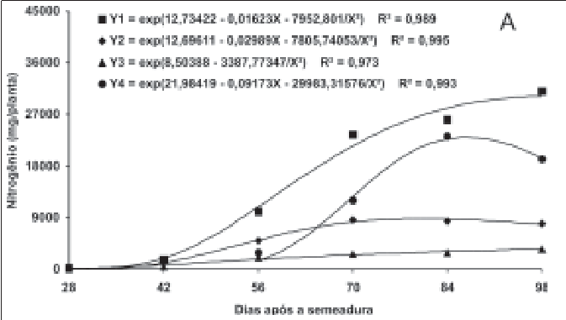
Source |  |  | Season | Yields (cumulative) | Planting date | Harvest Date | Season length | N application | Sampling Date | TIME |  |  |  | N UPTAKE |  |  | Overall Notes: Pie-type pumpkins grown in Illinois; more closely related to butternut than what's grown as 'pumpkin' in California. Our season is similar though, 90-120 days. Other variety is a winter squash popular in Brazil, C. maxima x moschata, a seedless hybrid. Growth stages from the Swiader paper.
 | Variety | Location |  | Tons/acre |  |  | (days) | (lbs N/acre) |  | Unit | Value | % of season | Unit | Amount | % of max | Notes
Swiader, 1985 | Libby Select' (C.Moschata Poir) | Illinois--dryland |  |  |  |  | 103 | 125 | Planting |  | 0 | 0 | g/plant | 0.00 | 0
 |  |  |  |  |  |  |  |  | Vine initiation |  | 27 | 26 |  | 0.84 | 3
 |  |  |  |  |  |  |  |  | First female flower |  | 47 | 46 |  | 2.98 | 12
 |  |  |  |  |  |  |  |  | Early fruiting |  | 65 | 63 |  | 9.64 | 40
 |  |  |  |  |  |  |  |  | Mid-fruiting |  | 82 | 80 |  | 16.70 | 69
 |  |  |  |  |  |  |  |  | Late fruiting |  | 103 | 100 |  | 24.24 | 100 |  |  | % season | % uptake
 |  | Illinois--irrigated |  |  |  |  | 105 | 125 | Planting |  | 0 | 0 |  | 0.00 | 0 |  |  | 0 | 0
 |  |  |  |  |  |  |  |  | Vine initiation |  | 25 | 24 |  | 0.70 | 2 |  |  | 10 | 0
 |  |  |  |  |  |  |  |  | First female flower |  | 43 | 41 |  | 2.64 | 9 |  |  | 20 | 1
 |  |  |  |  |  |  |  |  | Early fruiting |  | 60 | 57 |  | 13.17 | 45 |  |  | 30 | 2
 |  |  |  |  |  |  |  |  | Mid-fruiting |  | 77 | 73 |  | 22.67 | 77 |  |  | 40 | 6
 |  |  |  |  |  |  |  |  | Late fruiting |  | 105 | 100 |  | 29.53 | 100 |  |  | 50 | 22
Vidigal et al., 2007 | 'Suprema' *(Tetsukabota type, C. maxima x C.moschata; seedless hybrid) | Brazil |  |  | May-02 | Aug-02 | 98 |  |  | Days after sowing | 0 | 0 | mg/plant | 0 | 0 |  |  | 60 | 41
 |  |  |  |  |  |  |  |  |  |  | 28 | 29 |  | 0 | 0 |  |  | 70 | 61
 |  |  |  |  |  |  |  |  |  |  | 42 | 43 |  | 2109.375 | 6 |  |  | 80 | 78
Vine establishment
 |  |  |  |  |  |  |  |  |  |  | 56 | 57 |  | 8718.75 | 26 |  |  | 90 | 95
 |  |  |  |  |  |  |  |  |  |  | 70 | 71 |  | 22500 | 66 |  |  | 100 | 100
 |  |  |  |  |  |  |  |  |  |  | 84 | 86 |  | 33890.625 | 100
 |  |  |  |  |  |  |  |  |  |  | 98 | 100 |  | 30375 | 90

References: |  | Swiader, J.M., 1985. Seasonal growth and composition and accumulation of N-P-K in dryland and irrigated pumpkins. Journal of Plant Nutrition 8, 909-919.

 |  | Vidigal, S.M., Pacheco, D.D., Facion, C.E., 2007. Crescimento e ecumulo de nutrientes pela abobora hybrida tipo Tetsukabuto. Horticultura Brasileira 25, 375-380.

Zucchini&Summer squash
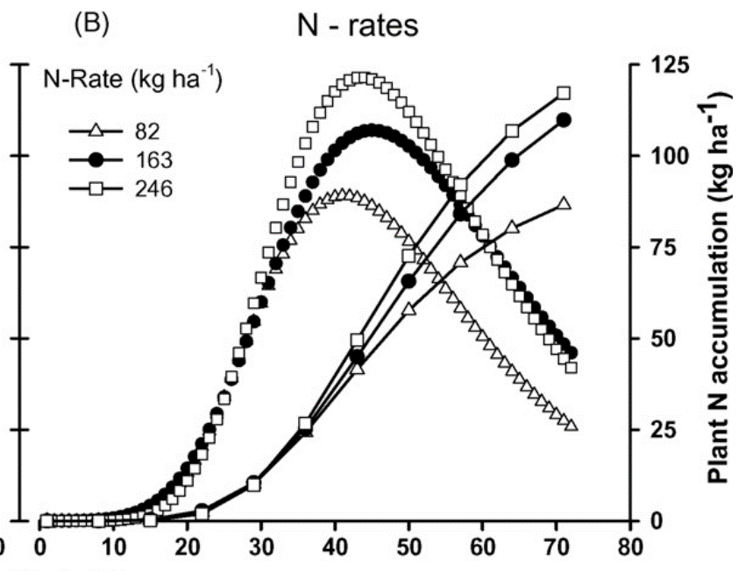
Source |  |  | Season | Yields (cumulative) | Planting date | Harvest Date | Season length | N application | Sampling Date | TIME |  |  |  | N UPTAKE |  |  | Overall Notes:
 | Variety | Location |  | Tons/acre |  |  | (days) | (lbs N/acre) |  | Unit | Value | % of season | Unit | Amount | % of max | Notes
Zotarelli et al., 2008 | Wildcat ("Study 2") | Florida (field) | fall-sown | 17.3048 | 2004-09-16 | 2004-11-25 | 70 | 73 | 0 | DAS | 0 | 0 | kg/ha | 0 | 0 | Shape is flatter for low-N trt
 |  |  |  |  | 2004-09-23 |  |  |  | 1 |  | 7 | 10 |  | 0 | 0
 |  |  |  |  | 2004-09-30 |  |  |  | 2 |  | 14 | 20 |  | 0 | 0
 |  |  |  |  | 2004-10-07 |  |  |  | 3 |  | 21 | 30 |  | 2 | 3
 |  |  |  |  | 2004-10-14 |  |  |  | 4 |  | 28 | 40 |  | 10 | 11
 |  |  |  |  | 2004-10-21 |  |  |  | 5 |  | 35 | 50 |  | 24 | 28
 |  |  |  |  | 2004-10-28 |  |  |  | 6 |  | 42 | 60 |  | 41 | 47
 |  |  |  |  | 2004-11-04 |  |  |  | 7 |  | 49 | 70 |  | 58 | 66 | Start of harvest
 |  |  |  |  | 2004-11-11 |  |  |  | 8 |  | 56 | 80 |  | 71 | 81
 |  |  |  |  | 2004-11-18 |  |  |  | 9 |  | 63 | 90 |  | 80 | 93
 |  |  |  |  | 2004-11-25 |  |  |  | 10 |  | 70 | 100 |  | 87 | 100
 |  |  |  | 17.7508 |  |  | 70 | 146 | 0 |  | 0 | 0 |  | 0 | 0
 |  |  |  |  |  |  |  |  | 1 |  | 7 | 10 |  | 0 | 0
 |  |  |  |  |  |  |  |  | 2 |  | 14 | 20 |  | 0 | 0
 |  |  |  |  |  |  |  |  | 3 |  | 21 | 30 |  | 3 | 3
 |  |  |  |  |  |  |  |  | 4 |  | 28 | 40 |  | 10 | 9
 |  |  |  |  |  |  |  |  | 5 |  | 35 | 50 |  | 25 | 23 |  |  |  | 2.45 | 100
 |  |  |  |  |  |  |  |  | 6 |  | 42 | 60 |  | 45 | 41 |  |  | 0 | 0 | 0
Beginning of harvest
 |  |  |  |  |  |  |  |  | 7 |  | 49 | 70 |  | 66 | 60 |  |  | 10 | 0 | 0
 |  |  |  |  |  |  |  |  | 8 |  | 56 | 80 |  | 85 | 77 |  |  | 20 | 0 | 0
 |  |  |  |  |  |  |  |  | 9 |  | 63 | 90 |  | 100 | 91 |  |  | 30 | 0.05 | 2.0408163265
 |  |  |  |  |  |  |  |  | 10 |  | 70 | 100 |  | 110 | 100 |  |  | 40 | 0.27 | 11.020408163
 |  |  |  | 18.8658 |  |  | 70 | 220 | 0 |  | 0 | 0 |  | 0 | 0 |  |  | 50 | 0.59 | 24.081632653
 |  |  |  |  |  |  |  |  | 1 |  | 7 | 10 |  | 0 | 0 |  |  | 60 | 0.95 | 38.775510204
 |  |  |  |  |  |  |  |  | 2 |  | 14 | 20 |  | 0 | 0 |  |  | 70 | 1.33 | 54.285714286
 |  |  |  |  |  |  |  |  | 3 |  | 21 | 30 |  | 2 | 2 |  |  | 80 | 1.68 | 68.571428571
 |  |  |  |  |  |  |  |  | 4 |  | 28 | 40 |  | 10 | 8 |  |  | 90 | 2.02 | 82.448979592
 |  |  |  |  |  |  |  |  | 5 |  | 35 | 50 |  | 27 | 21 |  |  | 100 | 2.41 | 98.367346939
 |  |  |  |  |  |  |  |  | 6 |  | 42 | 60 |  | 50 | 39
 |  |  |  |  |  |  |  |  | 7 |  | 49 | 70 |  | 73 | 56
 |  |  |  |  |  |  |  |  | 8 |  | 56 | 80 |  | 92 | 71
 |  |  |  |  |  |  |  |  | 9 |  | 63 | 90 |  | 129 | 100
 |  |  |  |  |  |  |  |  | 10 |  | 70 | 100 |  | 118 | 91
Rodas-Gaitan et al., 2012 | 'Contender' | Mexico (field) | Spring-sown |  | 2006-02-27 | 2006-05-17 | 79 |  | 0 | days after emergence | 0 | 0 | g/plant | 0.00 | 0 | Paper is in Spanish
 |  |  |  |  |  |  |  |  | 1 |  | 10 | 17 |  | 0.00 | 0
 |  |  |  |  |  |  |  |  | 2 |  | 20 | 33 |  | 0.26 | 4
 |  |  |  |  |  |  |  |  | 3 |  | 30 | 50 |  | 1.32 | 19
 |  |  |  |  |  |  |  |  | 4 |  | 40 | 67 |  | 2.08 | 31
 |  |  |  |  |  |  |  |  | 5 |  | 50 | 83 |  | 3.72 | 55
 |  |  |  |  |  |  |  |  | 6 |  | 60 | 100 |  | 6.79 | 100

References: |  | Zotarelli, L., Dukes, M.D., Scholberg, J.M.S., Hanselman, T., Le Femminella, K., Munoz-Carpena, R., 2008. Nitrogen use and water use efficiency of zucchini squash for a plastic mulch bed system on a sandy soil. Scientia Horticulturae 116, 8-16.

 |  | Rodas-Gaitan, H., A., Rodriguez-Fuentes, H., Ojeda-Zacarias, M. del, Vidales-Contreras, J.A., Luna-Maldonado, A.I., 2012. Curvas de absorbcion de macronutrientes en calabacita italiana (Cucurbita pepo L.). Rev. Fitotec. Mex. 35(5), 57-60.

Watermelon
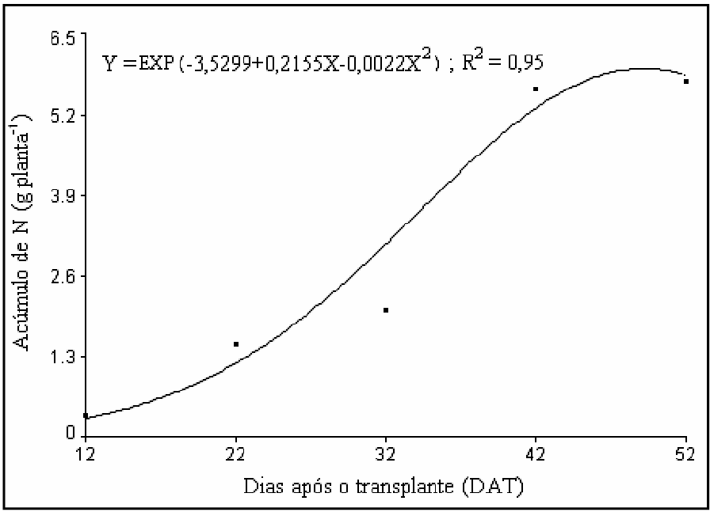
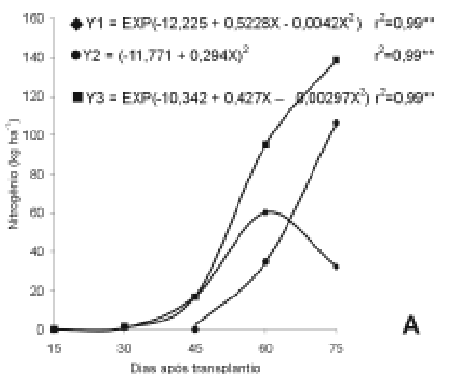
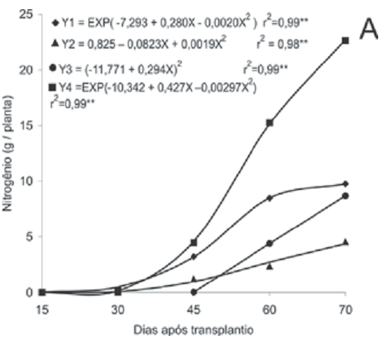
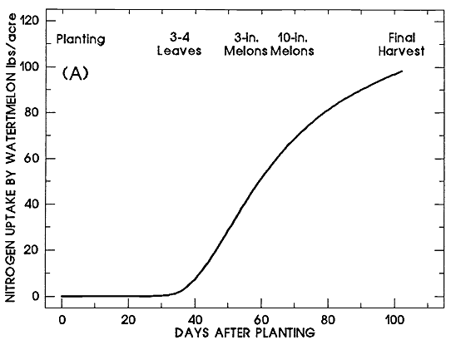
Source |  |  | Season | Yields (cumulative) | Planting date | Harvest Date | Season length | N application | Sampling Date | TIME |  |  |  | N UPTAKE |  |  | Overall Notes:
 | Variety | Location |  | Tons/acre |  |  | (days) | (lbs N/acre) |  | Unit | Value | % of season | Unit | Amount | % of max | Notes
Macedo de Lucena et al., 2011 | 'Quetzal' | brazil | Spring/ Summer |  | 2007-11-01 | 2008-01-01 | 52 |  |  | DAT | 0 | 0 | g/plant | 0.00 | 0
 |  |  |  |  |  |  |  |  |  |  | 12 | 23 |  | 0.31 | 5
 |  |  |  |  |  |  |  |  |  |  | 22 | 42 |  | 1.47 | 26
 |  |  |  |  |  |  |  |  |  |  | 32 | 62 |  | 2.02 | 35
 |  |  |  |  |  |  |  |  |  |  | 42 | 81 |  | 5.62 | 98 | Fruit set @ 42 DAT
 |  |  |  |  |  |  |  |  |  |  | 52 | 100 |  | 5.74 | 100
Grangeiro and Filho, 2004 | 'Tide' (hybrid) | Brazil | Spring | 17.8 | Oct-01 | Dec-01 | 75 |  |  | DAT | 0 | 0 | kg/ha | 0 | 0 | I think this variety may have seeds..there's a "Crimson Tide" that does
 |  |  |  |  |  |  |  |  |  |  | 15 | 20 |  | 0 | 0
 |  |  |  |  |  |  |  |  |  |  | 30 | 40 |  | 2 | 2 | First flowers (25-30 DAT)
 |  |  |  |  |  |  |  |  |  |  | 45 | 60 |  | 17 | 13 | First fruit (35-40 DAT)
 |  |  |  |  |  |  |  |  |  |  | 60 | 80 |  | 95 | 69 | End of vegetative growth |  | 0 | 0
 |  |  |  |  |  |  |  |  |  |  | 75 | 100 |  | 137 | 100 |  |  | 10 | 0
Grangeiro and Filho, 2005 | 'Nova' (seedless hybrid | Brazil | Spring |  | Oct-01 | Dec-01 | 70 |  |  | DAT | 0 | 0 | g/plant | 0.00 | 0 |  |  | 20 | 1
 |  |  |  |  |  |  |  |  |  |  | 15 | 21 |  | 0.00 | 0 |  |  | 30 | 3
 |  |  |  |  |  |  |  |  |  |  | 30 | 43 |  | 0.33 | 1 |  |  | 40 | 6
Early flowering
 |  |  |  |  |  |  |  |  |  |  | 45 | 64 |  | 4.53 | 20 |  |  | 50 | 16
 |  |  |  |  |  |  |  |  |  |  | 60 | 86 |  | 15.20 | 67 |  |  | 60 | 33
 |  |  |  |  |  |  |  |  |  |  | 70 | 100 |  | 22.60 | 100 |  |  | 70 | 52
Doerge et al., 1991 | 'Mirage' | Arizona | Spring/summer | 48 | 1990-03-22 |  |  | 100 |  | DAP | 0 | 0 |  | 0 | 0 |  |  | 80 | 73
 |  |  |  |  |  |  |  |  |  |  | 20 | 19 |  | 0 | 0 | 3-4 leaves |  | 90 | 91
 |  |  |  |  |  |  |  |  |  |  | 40 | 38 |  | 7 | 7 |  |  | 100 | 100
 |  |  |  |  |  |  |  |  |  |  | 60 | 58 |  | 52 | 54 | 3-in melons
 |  |  |  |  |  |  |  |  |  |  | 80 | 77 |  | 81 | 83 | 10-in melons
 |  |  |  |  |  |  |  |  |  |  | 104 | 100 |  | 98 | 100

References: |  | Macedo de Lucena, R.R., Zuleide de Negreiros, M., de Medieros, J.F., Costa Grangeiro, L., de Tarcio Pereira Marrocos, S., 2011. Crescimento e acumulo de macronutrientes em malancia 'Quetzale' cultivada sob diferentes niveis de salinidade da agua de irrigacao. Revista Caatinga 24 (1), 34-42.

 |  | Grangeiro, L.C., Cecilio Filho, A.B., 2004. Acumulo e exportacao de macronutrientes pelo hibrido de melancia Tide. Horticultura Brasiliera 22 (1), 93-97.

 |  | Grangeiro, L.C., Cecilio Filho, A.B., 2005. Acumulo e exportacao de macronutrientes em melancia sem sementes. Horticultura Brasiliera 22 (1), 93-97.

 |  | Doerge, T.A., Pritchard, K.H., Pier, J.W., Fernández, P., McCreary, T.W., 1991. Nitrogen utilization efficiency in melons using soluble and slow release fertilizers. University of Arizona College of Agriculture, Vegetable Report.

de Lucena |  |  |  | Grangeiro, 2004 |  |  |  |  | Grangeiro 2005 |  |  |  |  |  | Doerge, 1991

Corn_Sweet
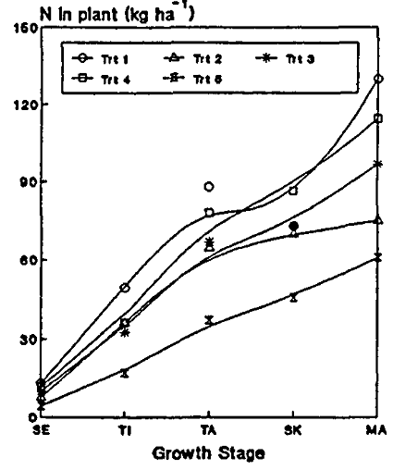
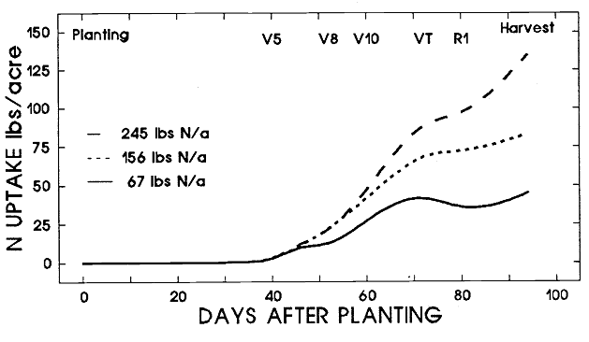
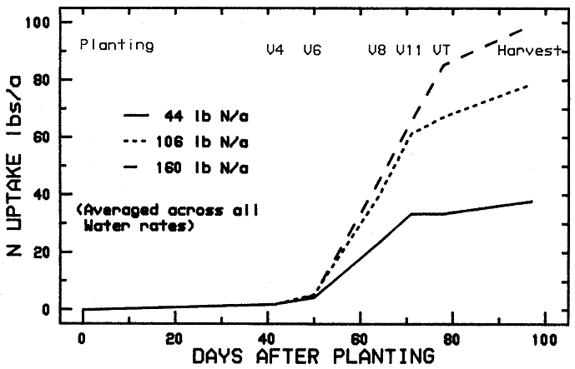
Source |  |  | Season | Yields (cumulative) | Planting date | Harvest Date | Season length | N application | Sampling Date | TIME |  |  |  | N UPTAKE |  |  | Overall Notes: Used only well-fertilized treatments. Manipulated curve so characteristic shape (decrease in uptake rate between tasseling and R1) is evident . However! This shape only seems to happen in corn that isn't N deficient..possibly because pollination is better so there's more grain to fill? When N is deficient it flattens out.
 | Variety | Location |  | Tons/acre |  |  | (days) | (lbs N/acre) |  | Unit | Value | % of season | Unit | Amount | % of max | Notes
Doerge et al., 1990 | 'Sweetie 82' | Arizona | Spring | 7.2 (max) | 1989-02-22 | 1989-05-30 | 97 | 156 | Planting | DAP | 0 | 0 | lbs/acre | 0 | 0
 |  |  |  |  |  |  |  |  |  |  | 20 | 21 |  | 0 | 0
 |  |  |  |  |  |  |  |  | V5 |  | 40 | 43 |  | 3 | 4
 |  |  |  |  |  |  |  |  | V8 |  | 50 | 53 |  | 19 | 23
 |  |  |  |  |  |  |  |  | V10 |  | 60 | 64 |  | 41 | 50
 |  |  |  |  |  |  |  |  | VT |  | 70 | 75 |  | 67 | 80
 |  |  |  |  |  |  |  |  | R1 |  | 80 | 85 |  | 73 | 88
 |  |  |  |  |  |  |  |  | Harvest |  | 94 | 100 |  | 83 | 100 |  |  | % season | % uptake
 |  |  |  |  |  |  |  | 245 | Planting |  | 0 | 0 |  | 0 | 0 |  |  | 0 | 0
R1
R1
 |  |  |  |  |  |  |  |  |  |  | 20 | 21 |  | 0 | 0 |  |  | 10 | 0
VT
 |  |  |  |  |  |  |  |  | V5 |  | 40 | 43 |  | 3 | 2 |  |  | 20 | 0
VT
 |  |  |  |  |  |  |  |  | V8 |  | 50 | 53 |  | 19 | 14 |  |  | 30 | 1
V8
 |  |  |  |  |  |  |  |  | V10 |  | 60 | 64 |  | 48 | 35 |  |  | 40 | 4
 |  |  |  |  |  |  |  |  | VT |  | 70 | 75 |  | 85 | 62 |  |  | 50 | 19
V5
V8
 |  |  |  |  |  |  |  |  | R1 |  | 80 | 85 |  | 99 | 72 |  |  | 60 | 38
 |  |  |  |  |  |  |  |  | Harvest |  | 94 | 100 |  | 137 | 100 |  |  | 70 | 55
V5
Doerge et al., 1989 | 'Jubilee' | Arizona | Spring | 7.8 (max) | 1988-03-01 | 1988-06-10 | 101 | 160 | Planting | DAP | 0 | 0 |  | 0 | 0 |  |  | 80 | 65
 |  |  |  |  | 1988-03-29 |  |  |  | V1 |  | 28 | 28 |  | 0 | 0 |  |  | 90 | 81
 |  |  |  |  | 1988-04-13 |  |  |  | V4 |  | 43 | 43 |  | 4 | 4 |  |  | 100 | 100
 |  |  |  |  | 1988-04-20 |  |  |  | V6 |  | 50 | 50 |  | 8 | 8
 |  |  |  |  | 1988-05-04 |  |  |  | V8 |  | 64 | 63 |  | 47 | 47
 |  |  |  |  |  |  |  |  | V11 |  | 70 | 69 |  | 65 | 66
 |  |  |  |  |  |  |  |  | VT |  | 78 | 77 |  | 87 | 87
 |  |  |  |  |  |  |  |  | Harvest |  | 101 | 100 |  | 99 | 100
Wu et al., 1993 | 'Sweet Corn II' | China | Summer |  | 1988-06-10 | 1988-09-07 | 89 | 150 | Planting |  | 0 | 0 |  | 0 | 0
 |  |  |  |  | 1988-07-18 |  |  |  | Stem elongation |  | 38 | 43 |  | 0 | 0
 |  |  |  |  | 1988-07-25 |  |  |  | Tassel initiation |  | 45 | 51 |  | 51 | 37
 |  |  |  |  | 1988-08-13 |  |  |  | Tasselling |  | 64 | 72 |  | 83 | 59
 |  |  |  |  | 1988-08-21 |  |  |  | Silking |  | 72 | 81 |  | 92 | 66
 |  |  |  |  | 1988-09-07 |  |  |  | Maturity |  | 89 | 100 |  | 140 | 100

References: |  | Doerge, T. A., Stroehlein, J. L., Tucker, T. C., Fangmeier, D. D., Oebker, N. F., McCreary, T. W., Husman, S. H., 1990. Effects of Nitrogen and Water Rates on Nitrogen Uptake Dynamics in Drip Irrigated Sweet Corn. University of Arizona Vegetable Report, 1990.

 |  | Doerge, T. A., Stroehlein, J. L., Tucker, T. C., Fangmeier, D. D., Oebker, N. F., McCreary, T. W., Husman, S. H., Lakatos, E.A., 1990. Nitrogen and Water Effects on the Growth, Yield and Quality of Drip Irrigated Sweet Corn. University of Arizona Vegetable Report, 1989.

 |  | Wu, P., Dai, Q., Tao, Q., 1993. Effect of fertilizer rates on the growth, yield and kernel composition of sweet corn. Communications in Soil Science and Plant Analysis, 24, 237-253.

 |  |  |  |  |  |  |  |  |  | Wu et al., 1993
Doerge, 1990 (used only two higher N rates) |  |  |  | Doerge et al., 1989 (used only highest N rate, others deficient)

Sweetpotato
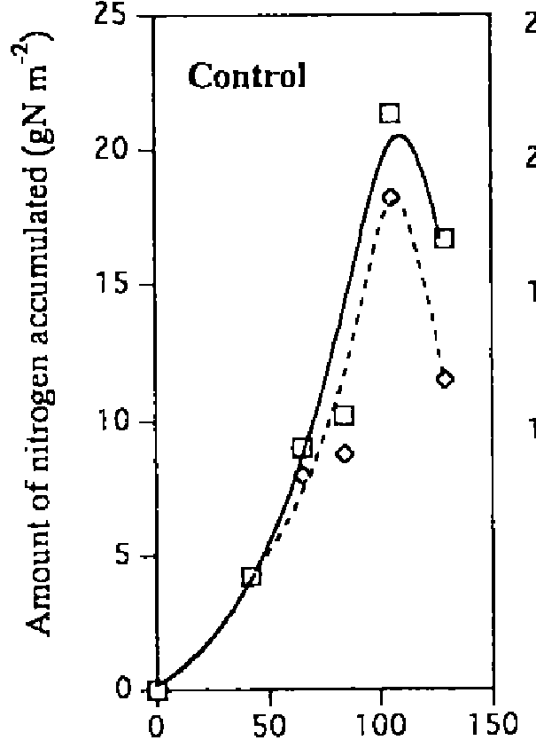
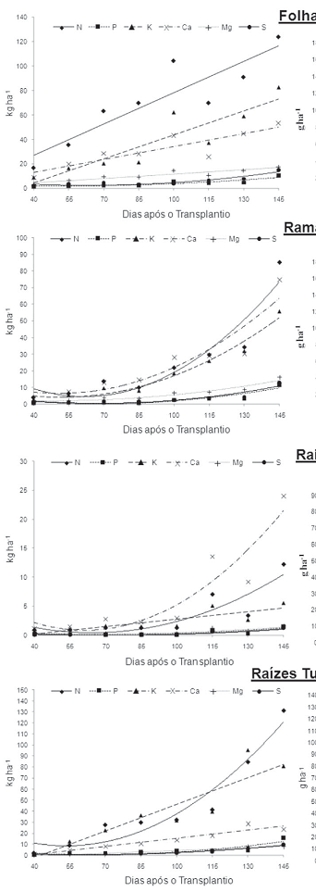
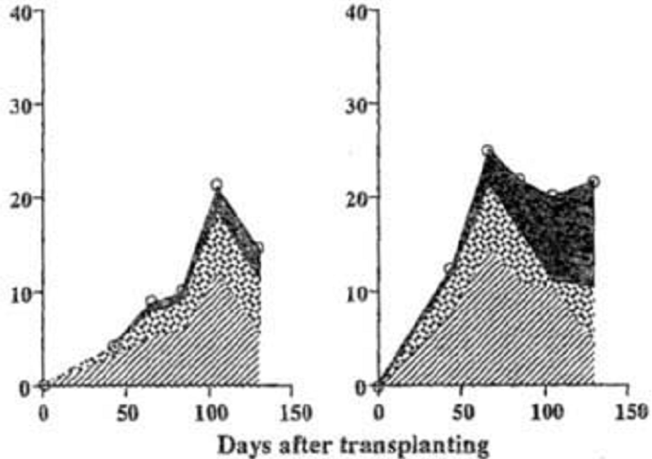
Source |  |  | Season | Yields (cumulative) | Planting date | Harvest Date | Season length | N application | Sampling Date | TIME |  |  |  | N UPTAKE |  |  | Overall Notes: I am really unsure about the shape of this curve. All the studies I could find have much different curve shapes, even within the same variety/study. None of the varieties are similar to those grown in California.
 | Variety | Location |  | Tons/acre |  |  | (days) | lbs/acre |  | Unit | Value | % of season | Unit | Amount | % of max | Notes
Osaki et al., 1995b | 'Beniazuma' | Japan |  |  | 1990-05-20 |  |  | 45 |  | DAT | 0 | 0 | g/m2 | 0 | 0
 | (Japanese white-flesh variety) |  |  |  |  |  |  |  |  |  | 43 | 33 |  | 4 | 20
 |  |  |  |  |  |  |  |  |  |  | 67 | 52 |  | 9 | 42
 |  |  |  |  |  |  |  |  |  |  | 85 | 65 |  | 10 | 48
 |  |  |  |  |  |  |  |  |  |  | 105 | 81 |  | 21 | 100
 |  |  |  |  |  |  |  |  |  |  | 130 | 100 |  | 17 | 78
Osaki et al., 1995 | 'Beniazuma' | Japan |  |  | 1990-05-29 | 1990-09-10 | 104 | 45 |  |  | 0 | 0 | g/m2 | 0 | 0 | They estimate real growth ended at about 110 DAT but waited 19 days longer for the final harvest. 110 DAT is therefore used as being more representative of normal growing conditions
 |  |  |  |  |  |  |  |  |  |  | 66 | 63 |  | 9 | 41
 |  |  |  |  |  |  |  |  |  |  | 83 | 80 |  | 10 | 48
 |  |  |  |  |  |  |  |  |  |  | 104 | 100 |  | 22 | 100
 |  |  |  |  |  |  |  | 89 |  |  | 0 | 0 |  | 0 | 0
 |  |  |  |  |  |  |  |  |  |  | 43 | 41 |  | 12 | 49 | Storage root intiation
 |  |  |  |  |  |  |  |  |  |  | 66 | 63 |  | 25 | 100 | Rapid storage root bulking
Storage root initiaion
 |  |  |  |  |  |  |  |  |  |  | 86 | 83 |  | 22 | 88
 |  |  |  |  |  |  |  |  |  |  | 104 | 100 |  | 20 | 81
Echer et al., 2009 | 'Canadense' | Brazil |  | 16.3 | 2007-08-01 | 2007-12-01 | 145 |  |  | DAT | 0 | 0 |  | 0 | 0
 | (red skin, white flesh) |  |  |  |  |  |  |  |  |  | 40 | 28 |  | 20 | 6
 |  |  |  |  |  |  |  |  |  |  | 55 | 38 |  | 50 | 15
 |  |  |  |  |  |  |  |  |  |  | 70 | 48 |  | 104 | 31
 |  |  |  |  |  |  |  |  |  |  | 85 | 59 |  | 108 | 32
 |  |  |  |  |  |  |  |  |  |  | 100 | 69 |  | 158 | 47
 |  |  |  |  |  |  |  |  |  |  | 115 | 79 |  | 139 | 41
 |  |  |  |  |  |  |  |  |  |  | 130 | 90 |  | 208 | 61
 |  |  |  |  |  |  |  |  |  |  | 145 | 100 |  | 339 | 100

References: |  | Osaki, M., Ueda, H., Shinano, T., Matsui, H., Tadano, T., 1995b. Accumulation of carbon and nitrogen compounds in sweet potato plants grown under deficiency of N, P or K nutrients. Soil Science and Plant Nutrition 41, 557-566

 |  | Osaki, M., Ueda, H., Shinano, T., Matsui, H., Tadano, T., 1995a. Accumulation of carbon and nitrogen compounds in sweet potato plants grown under different nitrogen application rates. Soil Science and Plant Nutrition 41, 547-555

 |  | Echer, F.R., Dominato, J.C., Creste, J.E., 2009. Absorbacao de nutrientes e distribuicao da massa fresca e seca entre orgaos de batata-doce. Horticultura Brasiliera 27, 176-182.

 | Osaki et al., 1995b

 |  |  |  |  |  |  |  |  | Osaki et al., 1995 |  |  |  |  |  |  | Echer

Oat_Grain
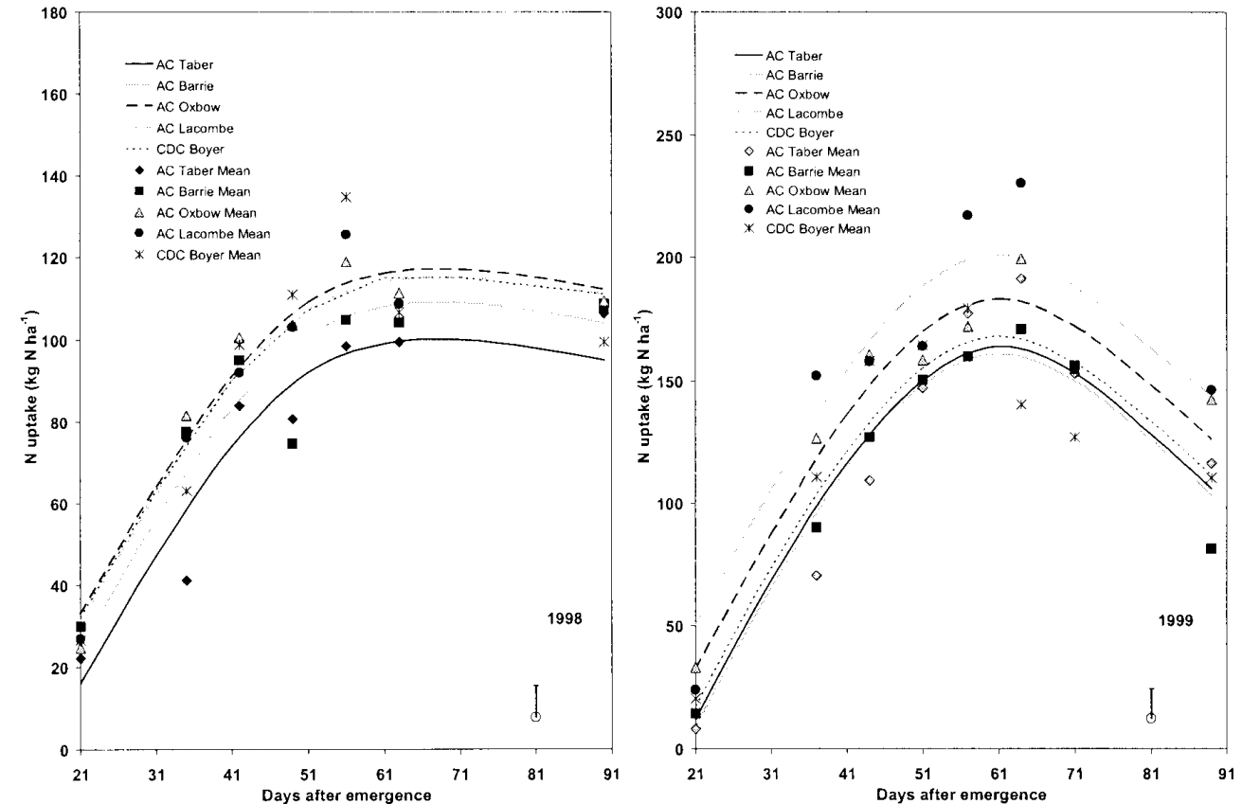
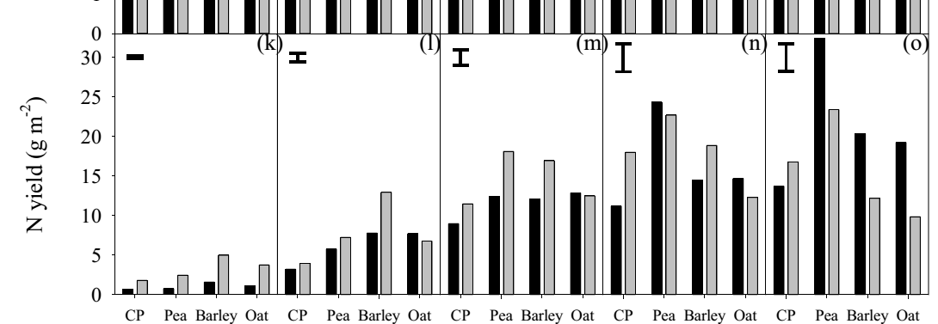
Source |  |  | Season | Yields (cumulative) | Planting date | Harvest Date | Season length | N application | Sampling Date | TIME |  |  |  | N UPTAKE |  |  | Overall Notes: Maximum biomass at ripening (~89-90 DAE) . Max rate of nutrient uptake @ tillering - stem elcongation (22-36 DAE), max aount flowering to med mil (61-75 DAE.
 | Variety | Location |  | Tons/acre |  |  | (days) | (lbs N/acre) |  | Unit | Value | % of season | Unit | Amount | % of max | Notes
Malhi et al., 2006 | CDC Boyer | Saskatchewan | 1998 |  | 1998-05-11 | 1998-08-24 | 105 | 105 | 0 | DAE | 0 | 0 | kg N/ha | 0 | 0
 |  |  |  |  |  |  |  |  | 1 |  | 21 | 23 |  | 26 | 20 | Tillering
 |  |  |  |  |  |  |  |  | 2 |  | 35 | 39 |  | 63 | 47 | Stem elongation
 |  |  |  |  |  |  |  |  | 3 |  | 42 | 47 |  | 99 | 74 | Booting
 |  |  |  |  |  |  |  |  | 4 |  | 49 | 54 |  | 111 | 83
 |  |  |  |  |  |  |  |  | 5 |  | 57 | 63 |  | 134 | 100 | Flowering
 |  |  |  |  |  |  |  |  | 6 |  | 64 | 70 |  | 106 | 79
 |  |  |  |  |  |  |  |  | 7 |  | 91 | 100 |  | 99 | 74 | Ripening |  |  | tillering-stem elongation | 22-36
 | CDC Boyer |  | 1999 |  | 1999-05-25 | 1999-09-08 | 106 |  | 0 |  | 0 | 0 |  | 0 | 0 | Yields, uptake lower in 1999 bc of hailstorm during heading |  |  | late boot | 46-47
 |  |  |  |  |  |  |  |  | 1 |  | 21 | 23 |  | 21 | 12 |  |  |  | flowering-med milk | 61-75
 |  |  |  |  |  |  |  |  | 2 |  | 37 | 41 |  | 111 | 62 |  |  |  | late milk-riperning | 80-90
 |  |  |  |  |  |  |  |  | 3 |  | 44 | 49 |  | 157 | 88 |  |  |  | ripening | 89-90
 |  |  |  |  |  |  |  |  | 4 |  | 51 | 57 |  | 164 | 92
 |  |  |  |  |  |  |  |  | 5 |  | 57 | 64 |  | 179 | 100 |  |  |  | max uptake occurred earlier than biomass
 |  |  |  |  |  |  |  |  | 6 |  | 65 | 72 |  | 139 | 78
 |  |  |  |  |  |  |  |  | 7 |  | 72 | 80 |  | 127 | 71 |  |  |  |  |  | 2.17 | 100
0 | 0
10
20 | 9
30 | 31
40 | 53
50 | 71
60 | 88
70 | 97
80 | 98
90 | 90
100 | 79
 |  |  |  |  |  |  |  |  | 8 |  | 90 | 100 |  | 110 | 62 |  |  |  |  |  | 0 | 0
Neugschwandtner et al., 2014 | 'Jumbo' | Austria |  |  | 2006-04-14 | 2006-04-14 |  | various, averaged | 0 | DAE | 0 | 0 |  | 0 | 0 |  |  |  |  |  | 10
 |  |  |  |  |  | 2006-05-05 |  |  | 1 |  | 16 | 17 |  | 13 | 7 |  |  |  |  |  | 20 | 9
 |  |  |  |  |  | 38859 |  |  | 2 |  | 33 | 34 |  | 79 | 41 |  |  |  |  |  | 30 | 31
 |  |  |  |  |  | 2006-06-09 |  |  | 3 |  | 51 | 53 |  | 129 | 67 |  |  |  |  |  | 40 | 53
 |  |  |  |  |  | 2006-06-27 |  |  | 4 |  | 69 | 72 |  | 147 | 76 |  |  |  |  |  | 50 | 71
 |  |  |  |  |  | 2006-07-24 |  |  | 5 |  | 96 | 100 |  | 192 | 100 |  |  |  |  |  | 60 | 88
 |  |  |  |  | 2007-04-11 | 2007-04-11 |  | various, averaged | 0 |  | 0 | 0 |  | 0 | 0 |  |  |  |  |  | 70 | 97
Tillering
 |  |  |  |  |  | 2007-05-14 |  |  | 1 |  | 28 | 29 |  | 38 | 31 |  |  |  |  |  | 80 | 98
 |  |  |  |  |  | 2007-05-31 |  |  | 2 |  | 45 | 46 |  | 68 | 55 |  |  |  |  |  | 90 | 90
 |  |  |  |  |  | 2007-06-14 |  |  | 3 |  | 59 | 60 |  | 125 | 100 |  |  |  |  |  | 100 | 79
 |  |  |  |  |  | 2007-06-26 |  |  | 4 |  | 71 | 72 |  | 123 | 98
 |  |  |  |  |  | 2007-07-23 |  |  | 5 |  | 98 | 100 |  | 100 | 80
Zhou et al., 2013 | 'Gosling' | Ottawa | 2006 |  | early May |  |  | 67 |  | DAS | 0 | 0 |  | 0 | 0
 |  |  |  |  |  |  |  |  | Tillering |  | 25 | 26 |  | 33 | 18
 |  |  |  |  |  |  |  |  |  |  | 33 | 34 |  | 79 | 43
 |  |  |  |  |  |  |  |  |  |  | 40 | 42 |  | 113 | 61
 |  |  |  |  |  |  |  |  |  |  | 56 | 58 |  | 182 | 98
 |  |  |  |  |  |  |  |  | Heading |  | 63 | 66 |  | 186 | 100 |  |  | All these are spring oats
 |  |  |  |  |  |  |  |  | Flowering |  | 69 | 72 |  | 186 | 100
 |  |  |  |  |  |  |  |  |  |  | 77 | 80 |  | 133 | 72
 |  |  |  |  |  |  |  |  |  |  | 84 | 88 |  | 136 | 73
 |  |  |  |  |  |  |  |  | Maturity |  | 96 | 100 |  | 164 | 88
 |  |  | 2007 |  |  |  |  |  |  |  | 0 | 0 |  | 0 | 0
 |  |  |  |  |  |  |  |  | Tillering |  | 27 | 28 |  | 19 | 10
 |  |  |  |  |  |  |  |  |  |  | 36 | 37 |  | 53 | 28
 |  |  |  |  |  |  |  |  |  |  | 43 | 44 |  | 66 | 35
 |  |  |  |  |  |  |  |  |  |  | 51 | 52 |  | 82 | 43
 |  |  |  |  |  |  |  |  | Heading |  | 64 | 65 |  | 115 | 60
 |  |  |  |  |  |  |  |  |  |  | 75 | 77 |  | 155 | 81
 |  |  |  |  |  |  |  |  |  |  | 82 | 84 |  | 179 | 93
 |  |  |  |  |  |  |  |  | Maturity |  | 98 | 100 |  | 192 | 100
 |  |  | 2008 |  |  |  |  |  |  |  | 0 | 0 |  | 0 | 0
 |  |  |  |  |  |  |  |  | Tillering |  | 33 | 32 |  | 27 | 22
 |  |  |  |  |  |  |  |  |  |  | 42 | 41 |  | 80 | 65
 |  |  |  |  |  |  |  |  |  |  | 54 | 53 |  | 105 | 85
 |  |  |  |  |  |  |  |  | Heading |  | 61 | 60 |  | 124 | 100
 |  |  |  |  |  |  |  |  | Flowering |  | 69 | 68 |  | 111 | 90
 |  |  |  |  |  |  |  |  |  |  | 75 | 74 |  | 77 | 62
 |  |  |  |  |  |  |  |  |  |  | 81 | 79 |  | 71 | 57
 |  |  |  |  |  |  |  |  |  |  | 88 | 86 |  | 80 | 65
 |  |  |  |  |  |  |  |  | Maturity |  | 102 | 100 |  | 64 | 52
 |  |  | 2006 |  |  |  |  | 134 |  | DAS | 0 | 0 |  | 0 | 0
 |  |  |  |  |  |  |  |  | Tillering |  | 25 | 26 |  | 25 | 11
 |  |  |  |  |  |  |  |  |  |  | 33 | 34 |  | 89 | 39
 |  |  |  |  |  |  |  |  |  |  | 40 | 42 |  | 134 | 59
 |  |  |  |  |  |  |  |  |  |  | 56 | 58 |  | 185 | 82
 |  |  |  |  |  |  |  |  | Heading |  | 63 | 66 |  | 227 | 100
 |  |  |  |  |  |  |  |  | Flowering |  | 69 | 72 |  | 185 | 82
 |  |  |  |  |  |  |  |  |  |  | 77 | 80 |  | 148 | 65
 |  |  |  |  |  |  |  |  |  |  | 84 | 88 |  | 135 | 60
 |  |  |  |  |  |  |  |  | Maturity |  | 96 | 100 |  | 176 | 78
 |  |  | 2007 |  |  |  |  |  |  |  | 0 | 0 |  | 0 | 0
 |  |  |  |  |  |  |  |  | Tillering |  | 27 | 28 |  | 17 | 8
 |  |  |  |  |  |  |  |  |  |  | 36 | 37 |  | 61 | 28
 |  |  |  |  |  |  |  |  |  |  | 43 | 44 |  | 87 | 40
 |  |  |  |  |  |  |  |  |  |  | 51 | 52 |  | 114 | 53
 |  |  |  |  |  |  |  |  | Heading |  | 64 | 65 |  | 123 | 57
 |  |  |  |  |  |  |  |  |  |  | 75 | 77 |  | 217 | 100
 |  |  |  |  |  |  |  |  |  |  | 82 | 84 |  | 200 | 92
 |  |  |  |  |  |  |  |  | Maturity |  | 98 | 100 |  | 209 | 96
 |  |  | 2008 |  |  |  |  |  |  |  | 0 | 0 |  | 0 | 0
 |  |  |  |  |  |  |  |  | Tillering |  | 33 | 32 |  | 25 | 15
 |  |  |  |  |  |  |  |  |  |  | 42 | 41 |  | 78 | 47
 |  |  |  |  |  |  |  |  |  |  | 54 | 53 |  | 132 | 79
 |  |  |  |  |  |  |  |  | Heading |  | 61 | 60 |  | 167 | 100
 |  |  |  |  |  |  |  |  | Flowering |  | 69 | 68 |  | 155 | 92
 |  |  |  |  |  |  |  |  |  |  | 75 | 74 |  | 97 | 58
 |  |  |  |  |  |  |  |  |  |  | 81 | 79 |  | 64 | 38
 |  |  |  |  |  |  |  |  |  |  | 88 | 86 |  | 107 | 64
 |  |  |  |  |  |  |  |  | Maturity |  | 102 | 100 |  | 47 | 28

References: |  | Malhi, S.S., Johnston, A.M., Schoenau, J.J., Wang, Z.H., Vera, C.L., 2012. Seasonal biomass accumulation and nutrient uptake of wheat, barley and oat on a Blank Chernozem soil in Saskatchewan. Canadian Journal of Plant Science 86, 1005-1014.

 |  | Neugschwandtner, R.,W., Wagentrist, H., Kaul, H.-P., 2014. Nitrogen concentrations and nitrogen yields of above-ground dry matter and chickpea during crop growth compared to pea, barley and oat in central Europe. Turkish Journal of Field Crops 19(1), 136-141.

 |  | Zhou, Q.-P., Biswas, D.K., Ma, B.-L., 2013. Comparisons among cultivars of wheat, hulless and hulled oats: dry matter, N and P accumulation and partitioning as affected by N supply. Journal of Plant Nutrition and Soil Science 176, 929-941.

Malhi et al., 2006 |  |  |  |  |  |  |  | Neughthiothekahgkds, 2014

Rye_Grain
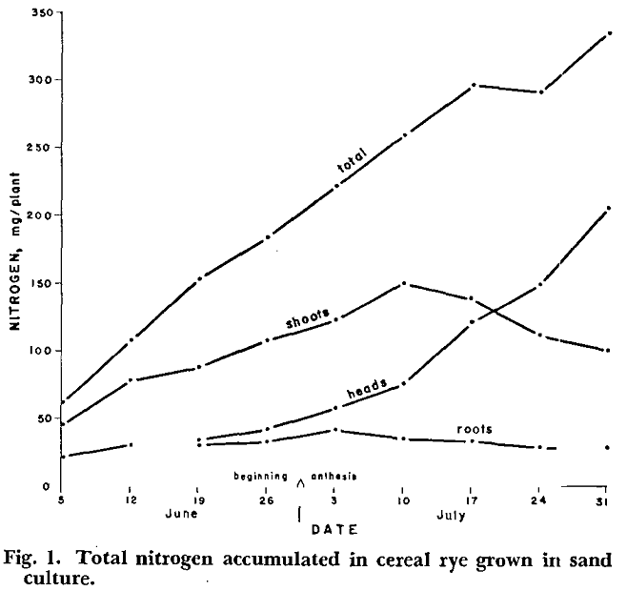
Source |  |  | Season | Yields (cumulative) | Planting date | Harvest Date | Season length | N application | Sampling Date | TIME |  |  | Time (normalized for CA |  |  |  | N UPTAKE |  |  | Overall Notes: No planting date give for Rumberg and Stuva paper; assume same amount of time between planting and "early jointing" as planting and "strongly erect" in Mugwira and Bishnoi paper . Used Califronia wheat timing, synced with growth stages in Mugwira and Bishnoi. Tillering ~20%-30% of season, stem extension/ jointing 40-60, flowering ~ 70-80
 | Variety | Location |  | Tons/acre |  |  | (days) | (lbs N/acre) |  | Unit | Value | % of season | Unit | Value | % of season | Unit | Amount | % of max | Notes
Rumberg and Sneva, 1970 |  | Oregon (Greenhouse) |  |  |  |  |  |  |  |  | 0 | 0 |  |  |  | mg/plant | 0 | 0
 |  |  |  |  |  |  |  | days after tillering | 0 | 0 | 160 | 74 |  |  |  |  | 63 | 19 | June 3rd=early jointing
 |  |  |  |  |  |  |  |  | 7 | 12 | 167 | 77 |  |  |  |  | 108 | 32
 |  |  |  |  |  |  |  |  | 14 | 25 | 174 | 80 |  |  |  |  | 153 | 45
 |  |  |  |  |  |  |  |  | 21 | 37 | 181 | 83 |  |  |  |  | 184 | 55
 |  |  |  |  |  |  |  |  | 28 | 49 | 188 | 87 |  |  |  |  | 221 | 66 | Anthesis begins ~30 days after early jointing
Heading
 |  |  |  |  |  |  |  |  | 35 | 62 | 195 | 90 |  |  |  |  | 258 | 77 |  |  |  |  |  |  |  |  | 0 | 0
Flowering
 |  |  |  |  |  |  |  |  | 42 | 74 | 202 | 93 |  |  |  |  | 295 | 88 |  |  |  |  |  |  |  |  | 10 | 0
Stem extension
 |  |  |  |  |  |  |  |  | 49 | 86 | 209 | 96 |  |  |  |  | 290 | 86 |  |  |  |  |  |  |  |  | 20 | 0
 |  |  |  | Feeekes est. | Original | CA |  |  | 57 | 100 | 217 | 100 |  |  |  |  | 336 | 100 |  |  |  |  |  |  |  |  | 30 | 2
Mugwira and Bishnoi, 1980 | 'Abruzzi' | Alabama |  | 0 | 1976-10-04 | 1976-11-15 |  | 170 | 0 |  | 0 | 0 | Days after planting | 0 | 0 | mg/plant | 0 | 0 |  |  |  |  |  |  |  |  | 40 | 5
 |  |  |  | 7 | 1977-03-13 | 1977-02-02 |  |  | 1 |  | 160 | 62 |  | 79 | 37 |  | 392 | 11 | Strongly erect |  |  |  |  |  |  |  | 50 | 10
 |  |  |  | 9 | 1977-03-27 | 1977-04-01 |  |  | 2 |  | 174 | 67 |  | 137 | 65 |  | 1002 | 29 | Stem extension |  |  |  |  |  |  |  | 60 | 17
 |  |  |  | 10.1 | 1977-04-10 | 1977-04-11 |  |  | 3 |  | 188 | 73 |  | 147 | 69 |  | 1278 | 37 | Heading |  |  |  |  |  |  |  | 70 | 35
Tillering
 |  |  |  | 10.5 | 1977-04-24 | 1977-04-15 |  |  | 4 |  | 202 | 78 |  | 151 | 71 |  | 1319 | 38 | Flowering |  |  |  |  |  |  |  | 80 | 82
 |  |  |  | 10.54 | 1977-05-08 | 1977-04-25 |  |  | 5 |  | 216 | 84 |  | 161 | 76 |  | 2706 | 79 | Flowering over |  |  |  |  |  |  |  | 90 | 100
 |  |  |  | 11.1 | 1977-05-22 | 1977-05-01 |  |  | 6 |  | 230 | 89 |  | 167 | 79 |  | 3441 | 100 | Ripening |  |  |  |  |  |  |  | 100 | 83
 |  |  |  | 11.3 | 1977-06-05 | 1977-06-01 |  |  | 7 |  | 244 | 95 |  | 198 | 93 |  | 2706 | 79 | Maturity
 |  |  |  | 11.4 | 1977-06-19 | 1977-06-15 |  |  | 8 |  | 258 | 100 |  | 212 | 100 |  | 2238 | 65 | Ripe for cutting
 |  |  |  |  |  |  |  | 100 | 0 |  | 0 | 0 |  | 0 | 0 |  | 0 | 0
 |  |  |  |  |  |  |  |  | 1 |  | 160 | 62 |  | 79 | 37 |  | 384 | 14
 |  |  |  |  |  |  |  |  | 2 |  | 174 | 67 |  | 137 | 65 |  | 777 | 28
 |  |  |  |  |  |  |  |  | 3 |  | 188 | 73 |  | 147 | 69 |  | 785 | 28
 |  |  |  |  |  |  |  |  | 4 |  | 202 | 78 |  | 151 | 71 |  | 1712 | 62 |  | From Small Grains Handbook
 |  |  |  |  |  | 1977-01-01 | 47 |  | 5 |  | 216 | 84 |  | 161 | 76 |  | 2330 | 84
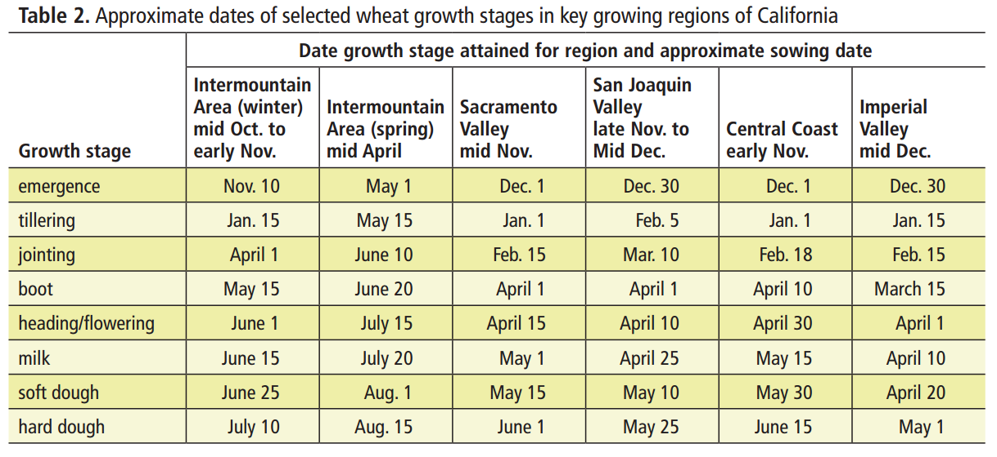
 |  |  |  |  |  |  |  |  | 6 |  | 230 | 89 |  | 167 | 79 |  | 2781 | 100
 |  |  |  |  |  |  |  |  | 7 |  | 244 | 95 |  | 198 | 93 |  | 2630 | 95
 |  |  |  |  |  |  |  |  | 8 |  | 258 | 100 |  | 212 | 100 |  | 2547 | 92
 |  |  |  |  |  |  |  | 66 | 0 |  | 0 | 0 |  | 0 | 0 |  | 0 | 0
 |  |  |  |  |  |  |  |  | 1 |  | 160 | 62 |  | 79 | 37 |  | 384 | 11
 |  |  |  |  |  |  |  |  | 2 |  | 174 | 67 |  | 137 | 65 |  | 501 | 14
 |  |  |  |  |  |  |  |  | 3 |  | 188 | 73 |  | 147 | 69 |  | 685 | 19
 |  |  |  |  |  |  |  |  | 4 |  | 202 | 78 |  | 151 | 71 |  | 810 | 23
 |  |  |  |  |  |  |  |  | 5 |  | 216 | 84 |  | 161 | 76 |  | 1921 | 53
 |  |  |  |  |  |  |  |  | 6 |  | 230 | 89 |  | 167 | 79 |  | 2171 | 60
 |  |  |  |  |  |  |  |  | 7 |  | 244 | 95 |  | 198 | 93 |  | 3591 | 100
 |  |  |  |  |  |  |  |  | 8 |  | 258 | 100 |  | 212 | 100 |  | 2380 | 66
Lithourgidis and Dordas, 2010 | 'Macedonia' | Greece |  | 2007-2009 |  | ~mid-May |  | days after tillering | 0 | 0 | 0 |  |  | 0 |  |  | 93 | 45
 |  |  |  |  |  |  |  |  | 27 | 43 | 21 |  |  | 21 |  |  | 174 | 85
 |  |  |  |  |  |  |  |  | 42 | 67 | 42 |  |  | 42 |  |  | 179 | 88
 |  |  |  |  |  |  |  |  | 63 | 100 | 63 |  |  | 63 |  |  | 205 | 100

 |  |  |  |  |  |  |  |  |  |  |  |  |  |  |  |  |  |  |  | Intermountain | 2017-11-10 |  |  | SJV | 2017-12-30
 |  |  |  |  |  |  |  |  |  |  |  |  |  |  |  |  |  |  |  |  | 2018-01-15 | 66 | days till tillering |  | 2018-02-05 | 37 | days till tillering
 |  |  |  |  |  |  |  |  |  |  |  |  |  |  |  |  |  |  |  |  | 2018-06-01 | 203 | days till flowering |  | 2018-04-10 | 101 | days till flowering
 |  |  |  |  |  |  |  |  |  |  |  |  |  |  |  |  |  |  |  |  | 2018-07-10 | 242 | days till ripe |  | 2018-05-25 | 146 | days till ripe
 |  |  |  |  |  |  |  |  |  |  |  |  |  |  |  |  |  |  |  |  | days to tillering | 0.27272727273 | % of season |  | days to tillering | 0.25342465753 | % of season
 |  |  |  |  |  |  |  |  |  |  |  |  |  |  |  |  |  |  |  |  | days to flowering | 0.83884297521 | % of season |  | days to flowering | 0.69178082192 | % of season

 |  |  |  |  |  |  |  |  |  |  |  |  |  |  |  |  |  |  |  |  | Not too much difference btween regions in days to tillering, more with days to flowering

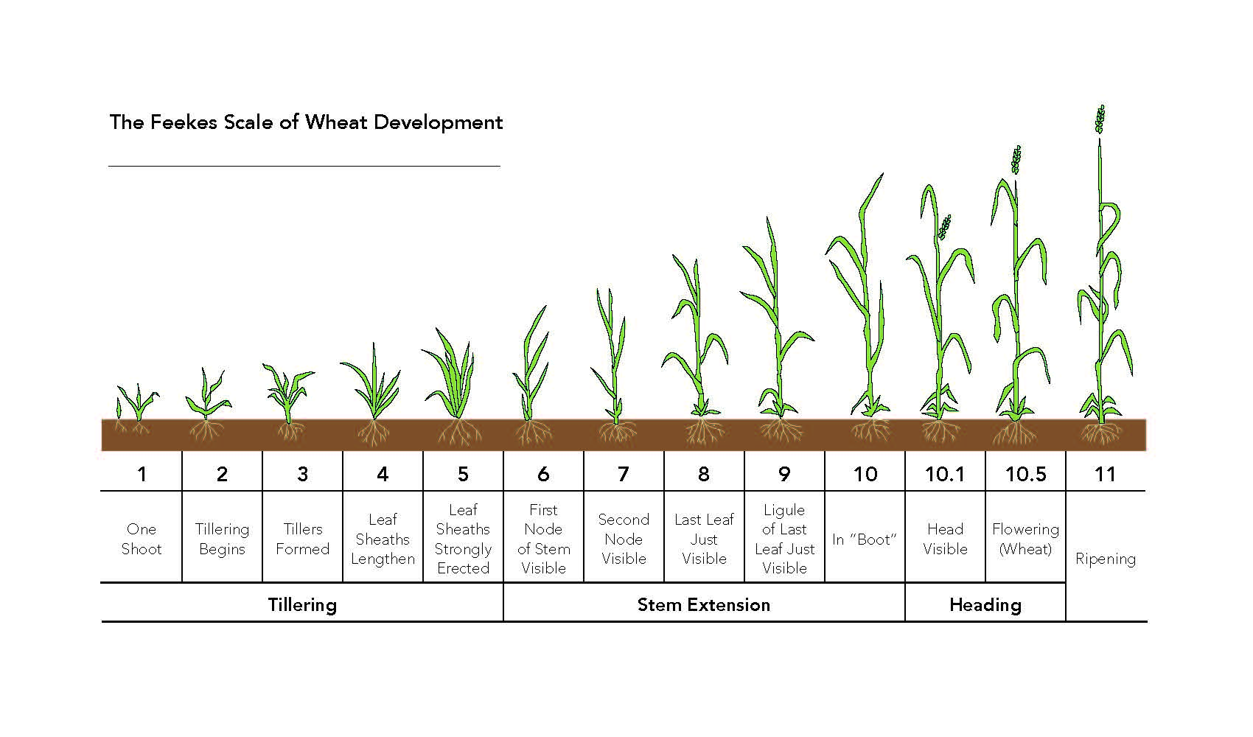

References: |  | Mugwira, L.M., Bishnoi, U.R., 1980. Triticale, wheat and rye growth rates and mineral accumulation at various growth stages. Communications in Soil Science and Plant Analysis 11, 1129-1146.

 |  | Rumberg and Sneva, 1970. Accumulation and loss of nitrogen during growth and maturation of cereal rye (Secale cereale). Agronomy Journal 62, 311-313.

 |  | Lithourgidis, A.S., Dordas, C.A., 2010. Forage yield, growth rate, and nitrogen uptake of faba bean intercrops with wheat, barley, and rye in three seeding ratios. Crop Science 50, 2148-2158.

Rumberg and Sneva, 1970 |  |  |  | Mugwira and Bishnoi, 1980 |  |  |  |  |  |  | Lithourgidis and Dordas, 2010 |  |  | Lithourgidis and Dordas, 2010
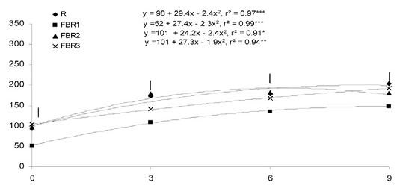
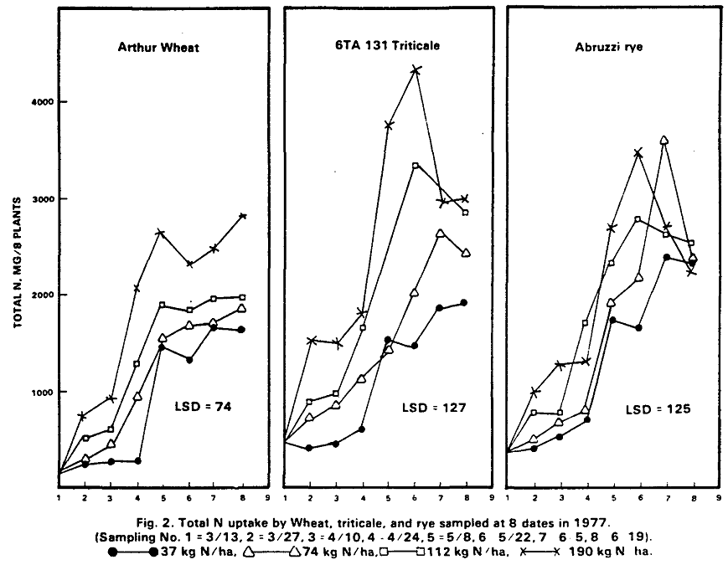
 |  |  |  |  |  |  |  |  |  |  |  |  |  |  |  |  |  |  |  | Feekes 11.0: Ripening. The last stage and further divided by the characteristics of the maturing grain. These subdivisions include: milk stage (11.1), mealy stage (11.2), hard kernel (11.3) and harvest ready (11.4). Temperature and daylength will determine how quickly a wheat crop moves through each stage.

Triticale_Grain
Source |  |  | Season | Yields (cumulative) | Planting date | Harvest Date | Season length | N application | Sampling Date | This study--TIME |  |  | California-adujsted --TIME |  |  |  | N UPTAKE |  |  | Overall Notes: Adjusted based on timing of wheat stages in California. Used Sacramento Valley
 | Variety | Location |  | Tons/acre |  |  | (days) | (lbs N/acre) |  | Unit | Value | % of season | Unit | Value | % of season | Unit | Amount | % of max | Notes
Mugwira and Bishnoi, 1980 | '6TA 131' | Alabama |  |  |  |  |  | 170 | 0 | DAP | 0 | 0 | DAP | 0 | 0 | mg/plant | 0 | 0 | Planting
 |  |  |  |  |  |  |  |  | 1 |  | 160 | 62 |  | 47 | 22 |  | 517 | 12 | Tillering
 |  |  |  |  |  |  |  |  | 2 |  | 174 | 67 |  | 92 | 43 |  | 1500 | 35 | Stem extension
 |  |  |  |  |  |  |  |  | 3 |  | 188 | 73 |  | 108 | 51 |  | 1483 | 34 | Strongly erect
 |  |  |  |  |  |  |  |  | 4 |  | 202 | 78 |  | 141 | 67 |  | 1792 | 42 | Strongly erect
 |  |  |  |  |  |  |  |  | 5 |  | 216 | 84 |  | 151 | 71 |  | 3742 | 87 | Heading
 |  |  |  |  |  |  |  |  | 6 |  | 230 | 89 |  | 167 | 79 |  | 4308 | 100 | Heading half complete
0 | 0 | 0 | 0 | 0 | 0 | 0 | 0
22 | 12 | 22 | 12 | 22 | 15 | 22 | 18
43 | 35 | 43 | 35 | 43 | 26 | 43 | 27
51 | 34 | 51 | 34 | 51 | 29 | 51 | 32
67 | 42 | 67 | 42 | 67 | 50 | 67 | 42
71 | 87 | 71 | 87 | 71 |  | 71 | 54
79 | 100 | 79 | 100 | 79 | 100 | 79 | 77
93 | 68 | 93 | 68 | 93 |  | 93 | 100
100 | 69 | 100 | 69 | 100 | 85 | 100 | 92
0 | 0
22 | 15
43 | 26
51 | 29
67 | 50
71
79 | 100
93
100 | 85
0 | 0
22 | 18
43 | 27
51 | 32
67 | 42
71 | 54
79 | 77
93 | 100
100 | 92
 |  |  |  |  |  |  |  |  | 7 |  | 244 | 95 |  | 198 | 93 |  | 2942 | 68 | Flowering over |  | 0 | 0
 |  |  |  | Feekes | This study | est. CA |  |  | 8 |  | 258 | 100 |  | 212 | 100 |  | 2983 | 69 | Maturity |  | 10 | 2
 |  |  |  | 0 | 1976-10-04 | 1976-11-15 |  | 100 | 0 |  | 0 | 0 |  | 0 | 0 |  | 0 | 0 | Planting |  | 20 | 10
 |  |  |  | 4 | 1977-03-13 | 1977-01-01 |  |  | 1 |  | 160 | 62 |  | 47 | 22 |  | 500 | 15 | Tillering |  | 30 | 17
 |  |  |  | 6 | 1977-03-27 | 1977-02-15 |  |  | 2 |  | 174 | 67 |  | 92 | 43 |  | 867 | 26 | Stem extension |  | 40 | 22
 |  |  |  | 7,8 | 1977-04-10 | 1977-03-03 |  |  | 3 |  | 188 | 73 |  | 108 | 51 |  | 967 | 29 | Strongly erect |  | 50 | 33
 |  |  |  | 8 | 1977-04-24 | 1977-04-05 |  |  | 4 |  | 202 | 78 |  | 141 | 67 |  | 1650 | 50 | Strongly erect |  | 60 | 56
Tillering
 |  |  |  | 10.1 | 1977-05-08 | 1977-04-15 |  |  | 5 |  | 216 | 84 |  | 151 | 71 |  |  |  | Heading |  | 70 | 80
 |  |  |  | 10.3 | 1977-05-22 | 1977-05-01 |  |  | 6 |  | 230 | 89 |  | 167 | 79 |  | 3333 | 100 | Heading half complete |  | 80 | 97
 |  |  |  | 10.54 | 1977-06-05 | 1977-06-01 |  |  | 7 |  | 244 | 95 |  | 198 | 93 |  |  |  | Flowering over |  | 90 | 100
 |  |  |  | 11.3 | 1977-06-19 | 1977-06-15 |  |  | 8 |  | 258 | 100 |  | 212 | 100 |  | 2842 | 85 | Maturity |  | 100 | 85
 |  |  |  |  |  |  |  | 66 | 0 |  | 0 | 0 |  | 0 | 0 |  | 0 | 0 | Planting
 |  |  |  |  |  |  |  |  | 1 |  | 160 | 62 |  | 47 | 22 |  | 475 | 18 | Tillering
 |  |  |  |  |  |  |  |  | 2 |  | 174 | 67 |  | 92 | 43 |  | 700 | 27 | Stem extension
 |  |  |  |  |  |  |  |  | 3 |  | 188 | 73 |  | 108 | 51 |  | 842 | 32 | Strongly erect
 |  |  |  |  |  |  |  |  | 4 |  | 202 | 78 |  | 141 | 67 |  | 1108 | 42 | Strongly erect
 |  |  |  |  |  |  |  |  | 5 |  | 216 | 84 |  | 151 | 71 |  | 1425 | 54 | Heading
 |  |  |  |  |  |  |  |  | 6 |  | 230 | 89 |  | 167 | 79 |  | 2017 | 77 | Heading half complete
 |  |  |  |  |  |  |  |  | 7 |  | 244 | 95 |  | 198 | 93 |  | 2625 | 100 | Flowering over
 |  |  |  |  |  |  |  |  | 8 |  | 258 | 100 |  | 212 | 100 |  | 2417 | 92 | Maturity

References: |  | Mugwira, L.M., Bishnoi, U.R., 1980. Triticale, wheat and rye growth rates and mineral accumulation at various growth stages. Communications in Soil Science and Plant Analysis 11, 1129-1146.

Mugwira and Bishnoi, 1980

Sorghum_Grain
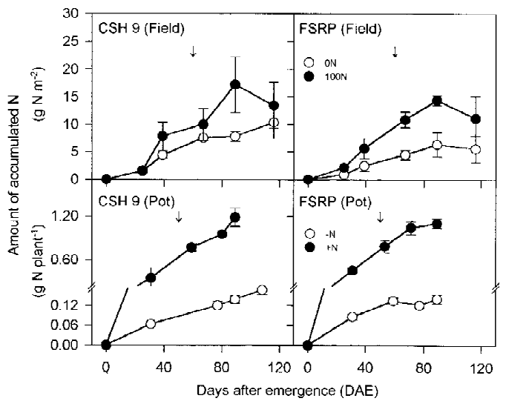
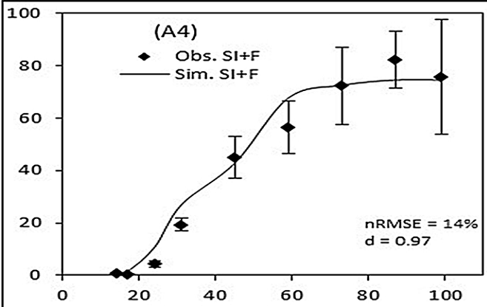
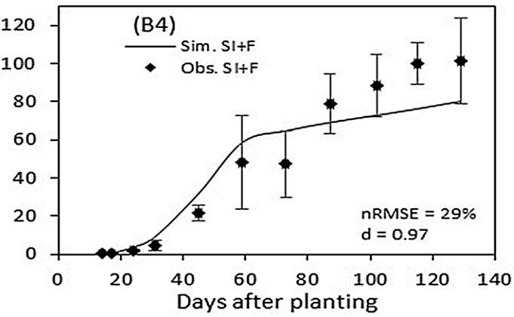
Source |  |  | Season | Yields (cumulative) | Planting date | Harvest Date | Season length | N application | Sampling Date | TIME |  |  |  | N UPTAKE |  |  | Overall Notes:
 | Variety | Location |  | Tons/acre |  |  | (days) | (lbs N/acre) |  | Unit | Value | % of season | Unit | Amount | % of max | Notes
Amouzou et al., 2018 | Local | Benin |  |  | 2015-06-25 |  |  | 39 | 0 | DAP | 0 | 0 | kg/ha | 0 | 0
 |  |  |  |  |  |  |  |  | 1 |  | 14 | 14 |  | 0 | 0
 |  |  |  |  |  |  |  |  | 2 |  | 17 | 17 |  | 1 | 1
 |  |  |  |  |  |  |  |  | 3 |  | 24 | 24 |  | 4 | 5
 |  |  |  |  |  |  |  |  | 4 |  | 31 | 31 |  | 19 | 23
 |  |  |  |  |  |  |  |  | 5 |  | 45 | 45 |  | 45 | 55
 |  |  |  |  |  |  |  |  | 6 |  | 59 | 60 |  | 57 | 69
 |  |  |  |  |  |  |  |  | 7 |  | 73 | 74 |  | 73 | 88
 |  |  |  |  |  |  |  |  | 8 |  | 87 | 88 |  | 82 | 100
 |  |  |  |  |  |  |  |  | 9 |  | 99 | 100 |  | 76 | 92
 |  |  |  |  |  |  |  | 39, irrigation | 0 |  | 0 | 0 |  | 0 | 0 |  |  | 0 | 0
 |  |  |  |  |  |  |  |  | 1 |  | 9 | 7 |  | 0 | 0 |  |  | 10 | 0
 |  |  |  |  |  |  |  |  | 2 |  | 17 | 13 |  | 1 | 1 |  |  | 20 | 6
 |  |  |  |  |  |  |  |  | 3 |  | 24 | 18 |  | 4 | 4 |  |  | 30 | 21
 |  |  |  |  |  |  |  |  | 4 |  | 31 | 24 |  | 5 | 5 |  |  | 40 | 38
 |  |  |  |  |  |  |  |  | 5 |  | 45 | 34 |  | 22 | 22 |  |  | 50 | 55
 |  |  |  |  |  |  |  |  | 6 |  | 59 | 45 |  | 49 | 48 |  |  | 60 | 73
 |  |  |  |  |  |  |  |  | 7 |  | 73 | 56 |  | 48 | 47 |  |  | 70 | 87
 |  |  |  |  |  |  |  |  | 8 |  | 87 | 67 |  | 78 | 77 |  |  | 80 | 97
 |  |  |  |  |  |  |  |  | 9 |  | 102 | 79 |  | 88 | 87 | Anthesis @92 DAP |  | 90 | 100
 |  |  |  |  |  |  |  |  | 10 |  | 115 | 89 |  | 100 | 99 |  |  | 100 | 93
 |  |  |  |  |  |  |  |  | 11 |  | 130 | 100 |  | 101 | 100 | Physiological maturity =123 DAP
Youngquist and Maranville, 1992 |  | Nebraska |  |  | 1988-07-07 |  |  | 0 | planting | DAP | 0 | 0 | g/plant | 0.00 | 0
 |  |  |  |  |  |  |  |  | Panicle initiation |  | 33 | 31 |  | 0.13 | 10
 |  |  |  |  |  |  |  |  | Pre-boot |  | 45 | 43 |  | 0.58 | 45
 |  |  |  |  |  |  |  |  | Anthesis |  | 66 | 63 |  | 1.14 | 89
 |  |  |  |  |  |  |  |  | Soft dough |  | 85 | 81 |  | 1.18 | 92
 |  |  |  |  |  |  |  |  | Black layer |  | 105 | 100 |  | 1.28 | 100
 |  |  |  |  |  |  |  | 75 |  |  | 0 | 0 |  | 0.00 | 0
 |  |  |  |  |  |  |  |  |  |  | 33 | 31 |  | 0.18 | 10
 |  |  |  |  |  |  |  |  |  |  | 45 | 43 |  | 0.77 | 41
 |  |  |  |  |  |  |  |  |  |  | 66 | 63 |  | 1.48 | 78
 |  |  |  |  |  |  |  |  |  |  | 85 | 81 |  | 1.61 | 85
 |  |  |  |  |  |  |  |  |  |  | 105 | 100 |  | 1.89 | 100
Nakamura et al., 2002 | CSH 9 | India |  |  | 1996-06-25 |  |  |  | 0 |  | 0 | 0 |  | 0 | 0
 |  |  |  |  |  |  |  |  | 1 |  | 26 | 23 |  | 15 | 9
 |  |  |  |  |  |  |  |  | 2 |  | 40 | 34 |  | 80 | 47
 |  |  |  |  |  |  |  |  | 3 |  | 68 | 58 |  | 98 | 57 | Booting around 60 DAE
 |  |  |  |  |  |  |  |  | 4 |  | 90 | 78 |  | 172 | 100
 |  |  |  |  |  |  |  |  | 5 |  | 116 | 100 |  | 131 | 76
 |  |  |  |  |  |  |  |  | 0 |  | 0 | 0 |  | 0 | 0
 |  |  |  |  |  |  |  |  | 1 |  | 26 | 23 |  | 22 | 15
 | FSRP |  |  |  |  |  |  |  | 2 |  | 40 | 34 |  | 57 | 41
 |  |  |  |  |  |  |  |  | 3 |  | 68 | 58 |  | 107 | 76
 |  |  |  |  |  |  |  |  | 4 |  | 90 | 78 |  | 142 | 100
 |  |  |  |  |  |  |  |  | 5 |  | 116 | 100 |  | 111 | 78

References: |  | Amouzou, K.A., Naab, J.B., Lamers, J.P.A., Becker, M., 2018. CERES-Maize and CERES-Sorghum for modeling growth, nitrogen and phosphorus uptake, and soil moisture dynamics in the dry savanna of West Africa. Field Crops Research 217, 134-149.

 |  | Youngquist, J.B., Maranville, J.W., 1992. Patterns of nitrogen mobilization in grain sorghum hybrids and the relationship to grain and dry matter production. Journal of Plant Nutrition 15, 445-455.

 |  | Nakamura, T., Adu-Gyamfi, J.J., Yamamoto, A., Ishikawa, S., Nakano, H., Ito, O., 2002. Varietal differences in root growth as related to nitrogen uptake by sorghum plants in low-nitrogen environment. Plant and Soil 245, 17-24.

Amouzou et al., 2018 |  |  | Nakamoto et al., 2002 (used 100 N field, only)

Hay_SmallGrain
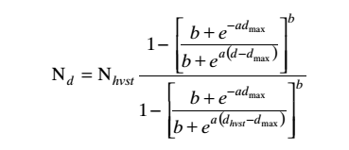
 |  |  | Nd=mass in crop @ thermal time D
 |  |  | b | 0.185
 |  |  | a (GDD-1) | 0.00455
 |  |  | dmax (GDD) | 974

 |  |  | Use "fit 4"-- same parameters for all cultivars

Source | Location | Season | Variety | Planting date | Nhvst | Dhvst | Sampling Date | TIME |  |  |  | N UPTAKE |  |  | Overall Notes: I took their equation for the N uptake at growing degree day, "Fit 4", which uses the same parameters for all cultivars. I used the values they gave for the total season GDD to create GDD for 0,20,40, 50, 60, 80 and 100% of the season and the equation to calculate the N uptake. I then did a best fit 3rd-order polynomial trendline through the average to get an average curve.
 |  |  |  |  | kg/ha | GDD |  | Unit | Value | % of season | Unit | Amount | % of max | Notes
Crohn et al., 2009 | Central Valley | Winter | Bartali Italian ryegrass |  | 157 | 1442 | 0 | GDD | 0 | 0 | kg/ha | 0 | 0
 |  |  |  |  |  |  | 1 |  | 288 | 20 |  | 9 | 6
 |  |  |  |  |  |  | 2 |  | 577 | 40 |  | 31 | 20
 |  |  |  |  |  |  | 3 |  | 721 | 50 |  | 50 | 32
 |  |  |  |  |  |  | 4 |  | 865 | 60 |  | 71 | 45
 |  |  |  |  |  |  | 5 |  | 1154 | 80 |  | 116 | 74
 |  |  |  |  |  |  | 6 |  | 1442 | 100 |  | 157 | 100
 |  |  | Big Daddy italian Ryegrass |  | 200 | 1442 | 0 |  | 0 | 0 |  | 0 | 0
 |  |  |  |  |  |  | 1 |  | 288 | 20 |  | 11 | 6
 |  |  |  |  |  |  | 2 |  | 577 | 40 |  | 40 | 20
 |  |  |  |  |  |  | 3 |  | 721 | 50 |  | 63 | 32
 |  |  |  |  |  |  | 4 |  | 865 | 60 |  | 90 | 45
 |  |  |  |  |  |  | 5 |  | 1154 | 80 |  | 148 | 74
 |  |  |  |  |  |  | 6 |  | 1442 | 100 |  | 200 | 100
 |  |  | Cayuse oat | 10/18/199 | 312 | 2376 | 0 |  | 0 | 0 |  | 0 | 0
 |  |  |  |  |  |  | 1 |  | 475 | 20 |  | 28 | 9
 |  |  |  |  |  |  | 2 |  | 950 | 40 |  | 109 | 35
 |  |  |  |  |  |  | 3 |  | 1188 | 50 |  | 157 | 50
 |  |  |  |  |  |  | 4 |  | 1426 | 60 |  | 200 | 64
 |  |  |  |  |  |  | 5 |  | 1901 | 80 |  | 267 | 86
 |  |  |  |  |  |  | 6 |  | 2376 | 100 |  | 312 | 100
 |  |  |  | 1999-11-05 | 312 | 2101 | 0 |  | 0 | 0 |  | 0 | 0
 |  |  |  |  |  |  | 1 |  | 420 | 20 |  | 24 | 8 |  |  | Note: This N uptake curve is based on data from a variety of representative small grain hay varieties and planting dates from several sites in the Central Valley.
 |  |  |  |  |  |  | 2 |  | 840 | 40 |  | 94 | 30
 |  |  |  |  |  |  | 3 |  | 1051 | 50 |  | 141 | 45
 |  |  |  |  |  |  | 4 |  | 1261 | 60 |  | 185 | 59
 |  |  |  |  |  |  | 5 |  | 1681 | 80 |  | 259 | 83
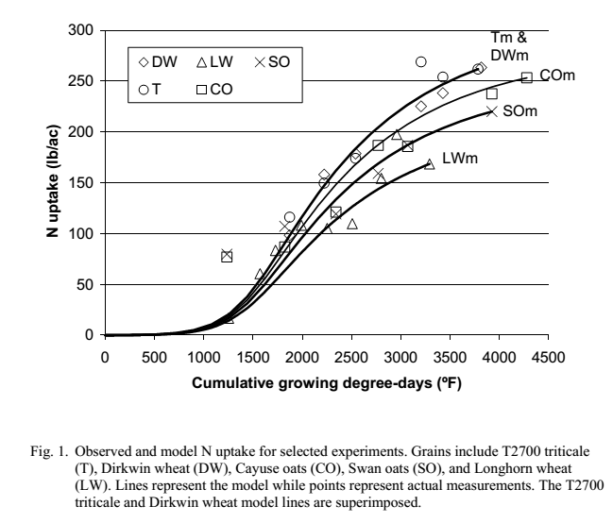
 |  |  |  |  |  |  | 6 |  | 2101 | 100 |  | 312 | 100
 |  |  |  | 1999-11-24 | 251 | 1996 | 0 |  | 0 | 0 |  | 0 | 0
 |  |  |  |  |  |  | 1 |  | 399 | 20 |  | 18 | 7
 |  |  |  |  |  |  | 2 |  | 798 | 40 |  | 71 | 28
 |  |  |  |  |  |  | 3 |  | 998 | 50 |  | 108 | 43
 |  |  |  |  |  |  | 4 |  | 1198 | 60 |  | 144 | 57
 |  |  |  |  |  |  | 5 |  | 1597 | 80 |  | 206 | 82
 |  |  |  |  |  |  | 6 |  | 1996 | 100 |  | 251 | 100
 |  |  |  | 2001-10-29 | 172 | 1442 | 0 |  | 0 | 0 |  | 0 | 0
 |  |  |  |  |  |  | 1 |  | 288 | 20 |  | 9 | 6
 |  |  |  |  |  |  | 2 |  | 577 | 40 |  | 34 | 20
 |  |  |  |  |  |  | 3 |  | 721 | 50 |  | 54 | 32
 |  |  |  |  |  |  | 4 |  | 865 | 60 |  | 78 | 45
 |  |  |  |  |  |  | 5 |  | 1154 | 80 |  | 128 | 74
 |  |  |  |  |  |  | 6 |  | 1442 | 100 |  | 172 | 100
 |  |  | Dirkwin wheat | 10/18/199 | 335 | 2376 | 0 |  | 0 | 0 |  | 0 | 0
 |  |  |  |  |  |  | 1 |  | 475 | 20 |  | 30 | 9
 |  |  |  |  |  |  | 2 |  | 950 | 40 |  | 117 | 35
 |  |  |  |  |  |  | 3 |  | 1188 | 50 |  | 169 | 50
 |  |  |  |  |  |  | 4 |  | 1426 | 60 |  | 215 | 64
 |  |  |  |  |  |  | 5 |  | 1901 | 80 |  | 287 | 86
 |  |  |  |  |  |  | 6 |  | 2376 | 100 |  | 335 | 100
 |  |  |  | 1999-11-05 | 326 | 2119 | 0 |  | 0 | 0 |  | 0 | 0
 |  |  |  |  |  |  | 1 |  | 424 | 20 |  | 25 | 8
 |  |  |  |  |  |  | 2 |  | 848 | 40 |  | 99 | 30
 |  |  |  |  |  |  | 3 |  | 1060 | 50 |  | 148 | 45
 |  |  |  |  |  |  | 4 |  | 1271 | 60 |  | 195 | 60
 |  |  |  |  |  |  | 5 |  | 1695 | 80 |  | 271 | 83
 |  |  |  |  |  |  | 6 |  | 2119 | 100 |  | 326 | 100
 |  |  |  | 1999-11-24 | 276 | 1996 | 0 |  | 0 | 0 |  | 0 | 0
 |  |  |  |  |  |  | 1 |  | 399 | 20 |  | 20 | 7
 |  |  |  |  |  |  | 2 |  | 798 | 40 |  | 78 | 28
 |  |  |  |  |  |  | 3 |  | 998 | 50 |  | 118 | 43
 |  |  |  |  |  |  | 4 |  | 1198 | 60 |  | 158 | 57
 |  |  |  |  |  |  | 5 |  | 1597 | 80 |  | 226 | 82
 |  |  |  |  |  |  | 6 |  | 1996 | 100 |  | 276 | 100
 |  |  |  | 2001-10-29 | 152 | 1442 | 0 |  | 0 | 0 |  | 0 | 0
 |  |  |  |  |  |  | 1 |  | 288 | 20 |  | 8 | 6
 |  |  |  |  |  |  | 2 |  | 577 | 40 |  | 30 | 20
 |  |  |  |  |  |  | 3 |  | 721 | 50 |  | 48 | 32
 |  |  |  |  |  |  | 4 |  | 865 | 60 |  | 69 | 45
 |  |  |  |  |  |  | 5 |  | 1154 | 80 |  | 113 | 74
 |  |  |  |  |  |  | 6 |  | 1442 | 100 |  | 152 | 100
 |  |  | Ensiler oat | 1998-11-04 | 267 | 1642 | 0 |  | 0 | 0 |  | 0 | 0
 |  |  |  |  |  |  | 1 |  | 328 | 20 |  | 16 | 6
 |  |  |  |  |  |  | 2 |  | 657 | 40 |  | 61 | 23
 |  |  |  |  |  |  | 3 |  | 821 | 50 |  | 95 | 36
 |  |  |  |  |  |  | 4 |  | 985 | 60 |  | 133 | 50
 |  |  |  |  |  |  | 5 |  | 1314 | 80 |  | 207 | 77
 |  |  |  |  |  |  | 6 |  | 1642 | 100 |  | 267 | 100
 |  |  | Longhorn wheat | 1999-10-30 | 190 | 1970 | 0 |  | 0 | 0 |  | 0 | 0
 |  |  |  |  |  |  | 1 |  | 394 | 20 |  | 13 | 7
 |  |  |  |  |  |  | 2 |  | 788 | 40 |  | 53 | 28
 |  |  |  |  |  |  | 3 |  | 985 | 50 |  | 81 | 42
 |  |  |  |  |  |  | 4 |  | 1182 | 60 |  | 108 | 57
 |  |  |  |  |  |  | 5 |  | 1576 | 80 |  | 155 | 82
 |  |  |  |  |  |  | 6 |  | 1970 | 100 |  | 190 | 100
 |  |  |  | 1998-11-04 | 224 | 1828 | 0 |  | 0 | 0 |  | 0 | 0
 |  |  |  |  |  |  | 1 |  | 366 | 20 |  | 15 | 7
 |  |  |  |  |  |  | 2 |  | 731 | 40 |  | 57 | 26
 |  |  |  |  |  |  | 3 |  | 914 | 50 |  | 88 | 39
 |  |  |  |  |  |  | 4 |  | 1097 | 60 |  | 121 | 54
 |  |  |  |  |  |  | 5 |  | 1462 | 80 |  | 179 | 80
 |  |  |  |  |  |  | 6 |  | 1828 | 100 |  | 224 | 100
 |  |  | Swan Oat | 1998-11-04 | 294 | 1642 | 0 |  | 0 | 0 |  | 0 | 0
 |  |  |  |  |  |  | 1 |  | 328 | 20 |  | 18 | 6
 |  |  |  |  |  |  | 2 |  | 657 | 40 |  | 67 | 23
 |  |  |  |  |  |  | 3 |  | 821 | 50 |  | 104 | 36
 |  |  |  |  |  |  | 4 |  | 985 | 60 |  | 146 | 50
 |  |  |  |  |  |  | 5 |  | 1314 | 80 |  | 227 | 77
 |  |  |  |  |  |  | 6 |  | 1642 | 100 |  | 294 | 100
 |  |  |  | 1999-10-18 | 280 | 2179 | 0 |  | 0 | 0 |  | 0 | 0
 |  |  |  |  |  |  | 1 |  | 436 | 20 |  | 22 | 8
 |  |  |  |  |  |  | 2 |  | 872 | 40 |  | 88 | 32
 |  |  |  |  |  |  | 3 |  | 1090 | 50 |  | 131 | 47
 |  |  |  |  |  |  | 4 |  | 1307 | 60 |  | 170 | 61
 |  |  |  |  |  |  | 5 |  | 1743 | 80 |  | 235 | 84
 |  |  |  |  |  |  | 6 |  | 2179 | 100 |  | 280 | 100
 |  |  |  | 1999-11-05 | 325 | 2101 | 0 |  | 0 | 0 |  | 0 | 0
 |  |  |  |  |  |  | 1 |  | 420 | 20 |  | 25 | 8
 |  |  |  |  |  |  | 2 |  | 840 | 40 |  | 98 | 30
 |  |  |  |  |  |  | 3 |  | 1051 | 50 |  | 146 | 45
 |  |  |  |  |  |  | 4 |  | 1261 | 60 |  | 193 | 59
 |  |  |  |  |  |  | 5 |  | 1681 | 80 |  | 270 | 83
 |  |  |  |  |  |  | 6 |  | 2101 | 100 |  | 325 | 100
 |  |  |  | 1999-11-24 | 272 | 1996 | 0 |  | 0 | 0 |  | 0 | 0
 |  |  |  |  |  |  | 1 |  | 399 | 20 |  | 19 | 7
 |  |  |  |  |  |  | 2 |  | 798 | 40 |  | 77 | 28
 |  |  |  |  |  |  | 3 |  | 998 | 50 |  | 117 | 43
 |  |  |  |  |  |  | 4 |  | 1198 | 60 |  | 156 | 57
 |  |  |  |  |  |  | 5 |  | 1597 | 80 |  | 223 | 82
 |  |  |  |  |  |  | 6 |  | 1996 | 100 |  | 272 | 100
 |  |  | Trical 2700 Triticale | 2001-10-29 | 203 | 1442 | 0 |  | 0 | 0 |  | 0 | 0
 |  |  |  |  |  |  | 1 |  | 288 | 20 |  | 11 | 6
 |  |  |  |  |  |  | 2 |  | 577 | 40 |  | 41 | 20
 |  |  |  |  |  |  | 3 |  | 721 | 50 |  | 64 | 32
 |  |  |  |  |  |  | 4 |  | 865 | 60 |  | 92 | 45
 |  |  |  |  |  |  | 5 |  | 1154 | 80 |  | 151 | 74
 |  |  |  |  |  |  | 6 |  | 1442 | 100 |  | 203 | 100
 |  |  |  | 1997-10-30 | 188 | 1880 | 0 |  | 0 | 0 |  | 0 | 0
 |  |  |  |  |  |  | 1 |  | 376 | 20 |  | 13 | 7
 |  |  |  |  |  |  | 2 |  | 752 | 40 |  | 50 | 26
 |  |  |  |  |  |  | 3 |  | 940 | 50 |  | 76 | 41
 |  |  |  |  |  |  | 4 |  | 1128 | 60 |  | 103 | 55
 |  |  |  |  |  |  | 5 |  | 1504 | 80 |  | 151 | 81
 |  |  |  |  |  |  | 6 |  | 1880 | 100 |  | 188 | 100
 |  |  |  | 1998-10-16 | 261 | 1515 | 0 |  | 0 | 0 |  | 0 | 0
 |  |  |  |  |  |  | 1 |  | 303 | 20 |  | 15 | 6
 |  |  |  |  |  |  | 2 |  | 606 | 40 |  | 55 | 21
 |  |  |  |  |  |  | 3 |  | 758 | 50 |  | 86 | 33
 |  |  |  |  |  |  | 4 |  | 909 | 60 |  | 122 | 47
 |  |  |  |  |  |  | 5 |  | 1212 | 80 |  | 197 | 75
 |  |  |  |  |  |  | 6 |  | 1515 | 100 |  | 261 | 100
 |  |  |  | 11/4/1998 Modesto | 197 | 1251 | 0 |  | 0 | 0 |  | 0 | 0
 |  |  |  |  |  |  | 1 |  | 250 | 20 |  | 10 | 5
 |  |  |  |  |  |  | 2 |  | 500 | 40 |  | 35 | 18
 |  |  |  |  |  |  | 3 |  | 626 | 50 |  | 56 | 28
 |  |  |  |  |  |  | 4 |  | 751 | 60 |  | 81 | 41
 |  |  |  |  |  |  | 5 |  | 1001 | 80 |  | 139 | 71
 |  |  |  |  |  |  | 6 |  | 1251 | 100 |  | 197 | 100
 |  |  |  | 11/4/1998 Hickman | 377 | 1642 | 0 |  | 0 | 0 |  | 0 | 0
 |  |  |  |  |  |  | 1 |  | 328 | 20 |  | 22 | 6
 |  |  |  |  |  |  | 2 |  | 657 | 40 |  | 85 | 23
 |  |  |  |  |  |  | 3 |  | 821 | 50 |  | 134 | 36
 |  |  |  |  |  |  | 4 |  | 985 | 60 |  | 188 | 50
 |  |  |  |  |  |  | 5 |  | 1314 | 80 |  | 292 | 77
 |  |  |  |  |  |  | 6 |  | 1642 | 100 |  | 377 | 100
 |  |  |  | 1998-11-20 | 186 | 1118 | 0 |  | 0 | 0 |  | 0 | 0
 |  |  |  |  |  |  | 1 |  | 224 | 20 |  | 10 | 5
 |  |  |  |  |  |  | 2 |  | 447 | 40 |  | 32 | 17
 |  |  |  |  |  |  | 3 |  | 559 | 50 |  | 49 | 27
 |  |  |  |  |  |  | 4 |  | 671 | 60 |  | 72 | 39
 |  |  |  |  |  |  | 5 |  | 894 | 80 |  | 127 | 68
 |  |  |  |  |  |  | 6 |  | 1118 | 100 |  | 186 | 100
 |  |  |  | 1999-10-18 | 310 | 2376 | 0 |  | 0 | 0 |  | 0 | 0
 |  |  |  |  |  |  | 1 |  | 475 | 20 |  | 27 | 9
 |  |  |  |  |  |  | 2 |  | 950 | 40 |  | 109 | 35
 |  |  |  |  |  |  | 3 |  | 1188 | 50 |  | 156 | 50
 |  |  |  |  |  |  | 4 |  | 1426 | 60 |  | 199 | 64
 |  |  |  |  |  |  | 5 |  | 1901 | 80 |  | 265 | 86
 |  |  |  |  |  |  | 6 |  | 2376 | 100 |  | 310 | 100
 |  |  |  | 1999-11-05 | 343 | 2101 | 0 |  | 0 | 0 |  | 0 | 0
 |  |  |  |  |  |  | 1 |  | 420 | 20 |  | 26 | 8
 |  |  |  |  |  |  | 2 |  | 840 | 40 |  | 103 | 30
 |  |  |  |  |  |  | 3 |  | 1051 | 50 |  | 155 | 45
 |  |  |  |  |  |  | 4 |  | 1261 | 60 |  | 204 | 59
 |  |  |  |  |  |  | 5 |  | 1681 | 80 |  | 285 | 83
 |  |  |  |  |  |  | 6 |  | 2101 | 100 |  | 343 | 100
 |  |  |  | 1999-11-24 | 286 | 1996 | 0 |  | 0 | 0 |  | 0 | 0
 |  |  |  |  |  |  | 1 |  | 399 | 20 |  | 20 | 7
 |  |  |  |  |  |  | 2 |  | 798 | 40 |  | 81 | 28
 |  |  |  |  |  |  | 3 |  | 998 | 50 |  | 123 | 43
 |  |  |  |  |  |  | 4 |  | 1198 | 60 |  | 164 | 57
 |  |  |  |  |  |  | 5 |  | 1597 | 80 |  | 234 | 82
 |  |  |  |  |  |  | 6 |  | 1996 | 100 |  | 286 | 100
 |  |  |  | 2001-10-29 | 211 | 1442 | 0 |  | 0 | 0 |  | 0 | 0
 |  |  |  |  |  |  | 1 |  | 288 | 20 |  | 12 | 6
 |  |  |  |  |  |  | 2 |  | 577 | 40 |  | 42 | 20
 |  |  |  |  |  |  | 3 |  | 721 | 50 |  | 67 | 32
 |  |  |  |  |  |  | 4 |  | 865 | 60 |  | 95 | 45
 |  |  |  |  |  |  | 5 |  | 1154 | 80 |  | 156 | 74
 |  |  |  |  |  |  | 6 |  | 1442 | 100 |  | 211 | 100

References: |  | Crohn, D.M., Mathews, M.C., Putnam, D.H., 1009. Nitrogen content curves for small grain forage crops. Transactions of the American Society of Agricultural and Biological Engineers 52, 459-467.

