BYPF_Lcr
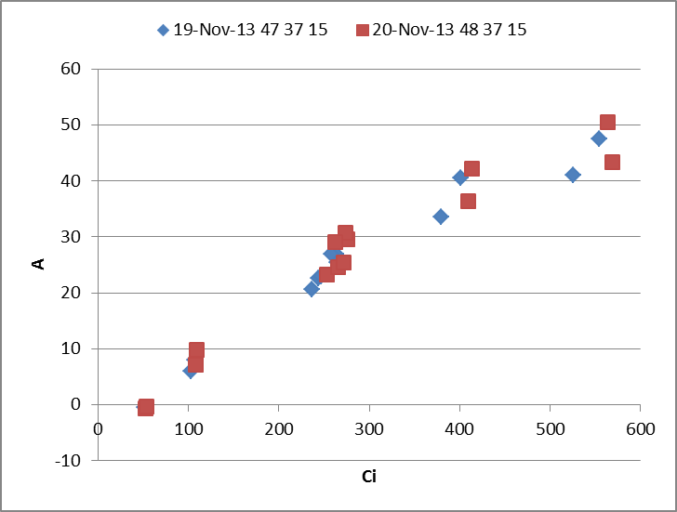
MtrxNb | Date | DAE | Plot | ENT | Plant | StageZ | Licor | Obs | HHMMSS | FTime | EBal? | MtrxCO2 | Photo_O | Cond_O | Ci_O | Trmmol
M34 | 18-Nov-13 | 46 | 45 | 6 | a | 51 | 4 | 2 | 11:55:49 | 415.00000123 | 0 | 50 | -0.14858605418 | 0.2693380596 | 49.743736327 | 3.7096757864
03/09/14 I solved for Espada, Drysdale, Hawk, Mace and Merinda. Be careful some curves have more points than others 250
I deleted curves from plot 37 ent 15 (on 19 nov) because there are no values of ASD nor LMA, etc... I repeated on 20 nov, so I keep those values.
I added MtrxNb and fluorescence name variables
Good
Cleaned for matrix in R
wrong values deleted
Head lines added
M34 | 18-Nov-13 | 46 | 45 | 6 | a | 51 | 4 | 3 | 11:57:50 | 536.00000121 | 0 | 150 | 6.5661404319 | 0.30920164693 | 103.42863037 | 4.1709582229
M34 | 18-Nov-13 | 46 | 45 | 6 | a | 51 | 4 | 4 | 11:59:51 | 656.50000122 | 0 | 400 | 21.872685783 | 0.32509994204 | 253.61560037 | 4.4484796296
M34 | 18-Nov-13 | 46 | 45 | 6 | a | 51 | 4 | 5 | 12:01:50 | 775.50000124 | 0 | 600 | 31.960612223 | 0.33628846456 | 388.93790606 | 4.5859066737
M34 | 18-Nov-13 | 46 | 45 | 6 | a | 51 | 4 | 6 | 12:04:04 | 910.00000123 | 0 | 800 | 39.545186514 | 0.34830749225 | 545.25811643 | 4.7155197012
M90 | 18-Nov-13 | 46 | 45 | 6 | b | 51 | 4 | 9 | 12:35:37 | 2803.0000012 | 0 | 50 | -0.32531596606 | 0.34602195721 | 48.93412743 | 5.2715057977
M90 | 18-Nov-13 | 46 | 45 | 6 | b | 51 | 4 | 10 | 12:37:36 | 2921.5000012 | 0 | 150 | 7.3197875285 | 0.33978434087 | 102.34305005 | 5.2015724081
M90 | 18-Nov-13 | 46 | 45 | 6 | b | 51 | 4 | 11 | 12:39:36 | 3042.0000012 | 0 | 400 | 24.751498893 | 0.35179917999 | 247.55053982 | 5.3329913788
M90 | 18-Nov-13 | 46 | 45 | 6 | b | 51 | 4 | 12 | 12:41:38 | 3163.5000012 | 0 | 600 | 36.547742435 | 0.36269848982 | 379.44951327 | 5.3899827569
M90 | 18-Nov-13 | 46 | 45 | 6 | b | 51 | 4 | 13 | 12:43:38 | 3284.0000012 | 0 | 800 | 43.433764389 | 0.34484739897 | 526.10304012 | 5.114749866
M39 | 18-Nov-13 | 46 | 61 | 13 | a | 45 | 4 | 16 | 12:58:49 | 4194.5000012 | 0 | 50 | -0.56734983402 | 0.14066656006 | 53.922932015 | 2.8956748782
M39 | 18-Nov-13 | 46 | 61 | 13 | a | 45 | 4 | 17 | 13:00:56 | 4322.0000012 | 0 | 150 | 4.2700394127 | 0.14957897722 | 94.684374074 | 2.9289939303
M39 | 18-Nov-13 | 46 | 61 | 13 | a | 45 | 4 | 18 | 13:03:07 | 4452.500001 | 0 | 400 | 17.788003242 | 0.17248199341 | 204.00573185 | 3.1977713892
M39 | 18-Nov-13 | 46 | 61 | 13 | a | 45 | 4 | 19 | 13:05:08 | 4574.0000012 | 0 | 600 | 26.91622291 | 0.18557958883 | 322.04454154 | 3.3796318841
M39 | 18-Nov-13 | 46 | 61 | 13 | a | 45 | 4 | 20 | 13:07:07 | 4692.5000012 | 0 | 800 | 33.353326259 | 0.18538421055 | 453.25929485 | 3.2912145116
...
 |  | 54 | 46 | 40 | b | 51 | 4 | 52 | 14:07:06 | 12348.5 | 0 | 50 | -0.58783772699 | 0.39099729573 | 51.494442712 | 7.0012554352 | 1.8224822373 | 26.4438591 | 3.9 | 1.881087026 | 1
 |  | 54 | 46 | 40 | b | 51 | 4 | 53 | 14:09:06 | 12468 | 0 | 150 | 9.1184342822 | 0.40610530789 | 99.299520798 | 7.1788398941 | 1.8056367987 | 26.400922775 | 3.9 | 1.881087026 | 1
 |  | 54 | 46 | 40 | b | 51 | 4 | 54 | 14:11:06 | 12587.5 | 0 | 250 | 18.422463933 | 0.43303957913 | 153.25126444 | 7.4058588797 | 1.7582720057 | 26.23938179 | 3.9 | 1.881087026 | 1
 |  | 54 | 46 | 40 | b | 51 | 4 | 55 | 14:13:06 | 12708 | 0 | 400 | 31.402868933 | 0.4587127185 | 242.73006514 | 7.8214826103 | 1.7633528523 | 26.345392227 | 3.9 | 1.881087026 | 1
 |  | 54 | 46 | 40 | b | 51 | 4 | 56 | 14:15:16 | 12837.5 | 0 | 600 | 45.312906477 | 0.4709946256 | 376.27256594 | 8.0006449714 | 1.7617346801 | 26.362071991 | 3.9 | 1.881087026 | 1
 |  | 54 | 46 | 40 | b | 51 | 4 | 57 | 14:17:16 | 12958 | 0 | 800 | 53.625429246 | 0.45584386143 | 525.6160908 | 7.7748340957 | 1.7627547189 | 26.318170547 | 3.9 | 1.881087026 | 1

