RWKV7_OP
T | 3
C | 4
H | 2
N | 2

 | out | t=0 | N |  |  |  |  |  |  |  |  |  |  |  |  | r | t=0 | N |  |  |  |  |  |  |  |  |  | k | t=0 | N |  |  |  |  |  |  |  | v | t=0 | N |  |  |  |  |  |  |  | a | t=0 | N |  |  |  |  |  |  |  | b | t=0 | N |  |  |  |  |  |  |  | w | t=0 | N |  |  | w | t=0 | N
 |  | H | 0 | 0 |  | state | H=0 | N |  | r | C |  |  |  |  |  | H | 0.0032529461086 | 0.0038213212701 |  |  | k | C |  |  |  |  |  | H | -0.0093304176462 | -0.033642231749 | v | C |  |  |  |  |  | H | 0.0024949472849 | -0.00085669639417 | a | C |  |  |  |  |  | H | 0.22788777198 | 0.97368740537 | b | C |  |  |  |  |  | H | -0.12825830836 | -0.36433389109 | w | C |  |  |  |  |  | H | -2.5581937589 | -2.7707345064 |  |  | H | 0.92547838922 | 0.93930410098
 |  |  | 0 | 0 |  |  | N | 0 | 0 | T | 0.0032529461086 | 0.0038213212701 | -0.019029162166 | -0.0086623801768 | view |  |  | -0.019029162166 | -0.0086623801768 |  |  | T | -0.0093304176462 | -0.033642231749 | 0.011163428837 | 0.065739451196 | view |  |  | 0.011163428837 | 0.065739451196 | T | 0.0024949472849 | -0.00085669639417 | -0.0015774576459 | -0.0010704468912 | view |  |  | -0.0015774576459 | -0.0010704468912 | T | 0.22788777198 | 0.97368740537 | -0.87153104686 | -0.49034032504 | view |  |  | -0.87153104686 | -0.49034032504 | T | -0.12825830836 | -0.36433389109 | 0.3173657967 | 0.17571040514 | view |  |  | 0.3173657967 | 0.17571040514 | T | -2.5581937589 | -2.7707345064 | -2.2285052143 | -2.36765266 | view |  |  | -2.2285052143 | -2.36765266 |  |  |  | 0.89790654856 | 0.91055551009
 |  | t=1 | N |  |  |  |  | 0 | 0 |  | -0.00066390835593 | -0.0011126297348 | 0.0030443737063 | 0.00045631237118 |  |  | t=1 | N |  |  |  |  | 0.00414034516 | 0.0045141193833 | -0.0031013100483 | -0.0070304797374 |  |  | t=1 | N |  |  | -0.0015253693343 | 1.0074274215E-05 | 0.0012752357248 | 0.00065410275576 |  |  | t=1 | N |  |  | -0.61208430352 | -0.79079251728 | 0.97733988893 | 0.2116760296 |  |  | t=1 | N |  |  | 0.27533243791 | 0.41403377083 | -0.15704190085 | -0.075785279408 |  |  | t=1 | N |  |  | -2.5116767187 | -2.6559899525 | -2.373733416 | -2.3184892871 |  |  | t=1 | N |  |  |  | t=1 | N
 |  | H | 0 | 0 |  |  | H=1 | N |  |  | 0.0017364090376 | -0.0015098032823 | 0.0017167670267 | 0.0049195881807 |  |  | H | -0.00066390835593 | -0.0011126297348 |  |  |  | -0.0062586701657 | 0.0017630134223 | 0.0035327251533 | -0.0048565852954 |  |  | H | 0.00414034516 | 0.0045141193833 |  | -0.0012663473592 | -0.00017118742317 | 0.001607461693 | 0.00043599995919 |  |  | H | -0.0015253693343 | 1.0074274215E-05 |  | 0.94854997119 | -0.31662746588 | -0.99148450622 | 0.13022470548 |  |  | H | -0.61208430352 | -0.79079251728 |  | -0.45049393325 | 0.15672098953 | 0.17657709297 | -0.04245522747 |  |  | H | 0.27533243791 | 0.41403377083 |  | -2.4524315442 | -2.5207764703 | -2.2185722437 | -2.3371528154 |  |  | H | -2.5116767187 | -2.6559899525 | exp |  | H | 0.92207188744 | 0.93218006461
 |  |  | 0 | 0 |  |  | N | 0 | 0 |  |  |  |  |  |  |  |  | 0.0030443737063 | 0.00045631237118 |  |  |  |  |  |  |  |  |  |  | -0.0031013100483 | -0.0070304797374 |  |  |  |  |  |  |  |  | 0.0012752357248 | 0.00065410275576 |  |  |  |  |  |  |  |  | 0.97733988893 | 0.2116760296 |  |  |  |  |  |  |  |  | -0.15704190085 | -0.075785279408 |  |  |  |  |  |  |  |  | -2.373733416 | -2.3184892871 |  |  |  | 0.91107288949 | 0.90626623275
 |  | t=2 | N |  |  |  |  | 0 | 0 |  |  |  |  |  |  |  | t=2 | N |  |  |  |  |  |  |  |  |  |  | t=2 | N |  |  |  |  |  |  |  |  | t=2 | N |  |  |  |  |  |  |  |  | t=2 | N |  |  |  |  |  |  |  |  | t=2 | N |  |  |  |  |  |  |  |  | t=2 | N |  |  |  | t=2 | N
 |  | H | 0 | 0 |  |  |  |  |  |  |  |  |  |  |  |  | H | 0.0017364090376 | -0.0015098032823 |  |  |  |  |  |  |  |  |  | H | -0.0062586701657 | 0.0017630134223 |  |  |  |  |  |  |  | H | -0.0012663473592 | -0.00017118742317 |  |  |  |  |  |  |  | H | 0.94854997119 | -0.31662746588 |  |  |  |  |  |  |  | H | -0.45049393325 | 0.15672098953 |  |  |  |  |  |  |  | H | -2.4524315442 | -2.5207764703 |  |  | H | 0.91751714303 | 0.92274979752
 |  |  | 0 | 0 |  |  |  |  |  |  |  |  |  |  |  |  |  | 0.0017167670267 | 0.0049195881807 |  |  |  |  |  |  |  |  |  |  | 0.0035327251533 | -0.0048565852954 |  |  |  |  |  |  |  |  | 0.001607461693 | 0.00043599995919 |  |  |  |  |  |  |  |  | -0.99148450622 | 0.13022470548 |  |  |  |  |  |  |  |  | 0.17657709297 | -0.04245522747 |  |  |  |  |  |  |  |  | -2.2185722437 | -2.3371528154 |  |  |  | 0.89694181351 | 0.90791702056

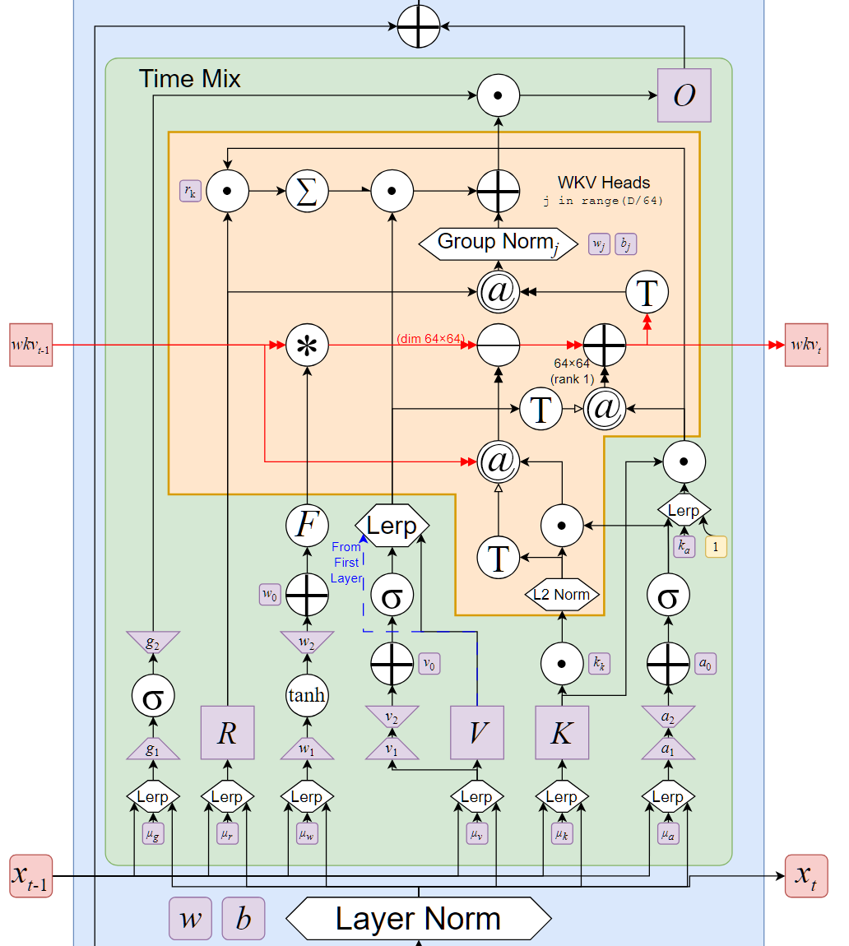
 |  |  |  |  |  |  |  |  |  | t=0 |  |  |  |  | t=0
 |  |  |  |  |  |  |  |  |  | w[: , t, :, None, :] | H=0 | N |  |  | state * w[: , t, :, None, :] | H=0 | N |  |  | state @ aa @ bb | H=0 | N |  |  | vv @ kk | H=0 | N
 |  |  |  |  |  |  |  |  |  |  | N | 0.92547838922 | 0.93930410098 |  |  | N | 0 | 0 |  |  | N | 0 | 0 |  |  | N | -2.3278900174E-05 | -8.3935594761E-05
 |  |  |  |  |  |  |  |  |  |  |  | 0.92547838922 | 0.93930410098 |  |  |  | 0 | 0 |  |  |  | 0 | 0 |  |  |  | 7.9933351537E-06 | 2.8821178631E-05
 |  |  |  |  |  |  |  |  |  |  | H=1 | N |  |  |  | H=1 | N |  |  |  | H=1 | N |  |  |  | H=1 | N
 |  |  |  |  |  |  |  |  |  |  | N | 0.89790654856 | 0.91055551009 |  |  | N | 0 | 0 |  |  | N | 0 | 0 |  |  | N | -1.7609836174E-05 | -0.00010370119993
 |  |  |  |  |  |  |  |  |  |  |  | 0.89790654856 | 0.91055551009 |  |  |  | 0 | 0 |  |  |  | 0 | 0 |  |  |  | -1.1949857695E-05 | -7.0370591164E-05

 | out | t=0 | N |  |  | state | H=0 | N
 |  | H | -3.9646988131E-07 | 1.3613687142E-07 |  |  | N | -2.3278900174E-05 | -8.3935594761E-05
 |  |  | 1.2333996468E-06 | 8.3697259387E-07 |  |  |  | 7.9933351537E-06 | 2.8821178631E-05
 |  |  |  |  |  |  | H=1 | N
 |  |  |  |  |  |  | N | -1.7609836174E-05 | -0.00010370119993 | t=1 |  |  |  |  | t=1
 |  |  |  |  |  |  |  | -1.1949857695E-05 | -7.0370591164E-05 | w[: , t, :, None, :] | H=0 | N |  |  | state * w[: , t, :, None, :] | H=0 | N |  |  | state @ aa @ bb | H=0 | N |  |  | vv @ kk | H=0 | N
 |  |  |  |  |  |  |  |  |  |  | N | 0.92207188744 | 0.93218006461 |  |  | N | -2.1464819421E-05 | -7.8243088147E-05 |  |  | N | 2.219848223E-05 | 3.3381178672E-05 |  |  | N | -6.3155555406E-06 | -6.8856992789E-06
 |  |  |  |  |  |  |  |  |  |  |  | 0.92207188744 | 0.93218006461 |  |  |  | 7.3704296321E-06 | 2.6866528159E-05 |  |  |  | -7.6223492967E-06 | -1.1462180213E-05 |  |  |  | 4.1710972486E-08 | 4.5476476507E-08
 |  |  |  |  |  |  |  |  |  |  | H=1 | N |  |  |  | H=1 | N |  |  |  | H=1 | N |  |  |  | H=1 | N
 |  |  |  |  |  |  |  |  |  |  | N | 0.91107288949 | 0.90626623275 |  |  | N | -1.6043844326E-05 | -9.3980895789E-05 |  |  | N | 6.1500519295E-06 | 2.9678920169E-06 |  |  | N | -3.9549013672E-06 | -8.9655189233E-06
 |  |  |  |  |  |  |  |  |  |  |  | 0.91107288949 | 0.90626623275 |  |  |  | -1.0887191379E-05 | -6.3774490551E-05 |  |  |  | 4.1733633775E-06 | 2.0139816693E-06 |  |  |  | -2.0285754491E-06 | -4.5986561706E-06
 | out | t=1 | N |  |  | state | H=0 | N
 |  | H | 6.1281793432E-08 | -1.7050374743E-08 |  |  | N | -5.5818927315E-06 | -5.1747608754E-05
 |  |  | -8.778203592E-08 | -5.6895651149E-08 |  |  |  | -2.1020869208E-07 | 1.5449824422E-05
 |  |  |  |  |  |  | H=1 | N
 |  |  |  |  |  |  | N | -1.3848693764E-05 | -9.9978522695E-05
 |  |  |  |  |  |  |  | -8.7424034504E-06 | -6.6359165052E-05
 |  |  |  |  |  |  |  |  |  | t=2 |  |  |  |  | t=2
 |  |  |  |  |  |  |  |  |  | w[: , t, :, None, :] | H=0 | N |  |  | state * w[: , t, :, None, :] | H=0 | N |  |  | state @ aa @ bb | H=0 | N |  |  | vv @ kk | H=0 | N
 |  |  |  |  |  |  |  |  |  |  | N | 0.91751714303 | 0.92274979752 |  |  | N | -5.1214822717E-06 | -4.7750095499E-05 |  |  | N | -4.9959822408E-06 | 1.7380373466E-06 |  |  | N | 7.9256504366E-06 | -2.2325873916E-06
 | out | t=2 | N |  |  | state | H=0 | N |  |  |  | 0.91751714303 | 0.92274979752 |  |  |  | -1.928700786E-07 | 1.4256322357E-05 |  |  |  | 2.2935692207E-06 | -7.9790294891E-07 |  |  |  | 1.0714056182E-06 | -3.0180572479E-07
 |  | H | 6.9034038424E-08 | -1.4355827149E-08 |  |  | N | -2.1918140759E-06 | -4.8244645544E-05 |  | H=1 | N |  |  |  | H=1 | N |  |  |  | H=1 | N |  |  |  | H=1 | N
 |  |  | -5.0426139087E-07 | -3.2278171237E-07 |  |  |  | 3.1721047602E-06 | 1.3156613683E-05 |  | N | 0.91751714303 | 0.92274979752 |  |  | N | -1.2706413937E-05 | -9.2255161573E-05 |  |  | N | 1.2556249218E-07 | -3.018955674E-08 |  |  | N | 5.6787203557E-06 | -7.806774821E-06
 |  |  |  |  |  |  | H=1 | N |  |  |  | 0.91751714303 | 0.92274979752 |  |  |  | -8.021305037E-06 | -6.1232906115E-05 |  |  |  | 4.6536616182E-09 | -1.1189008679E-09 |  |  |  | 1.5402680227E-06 | -2.1174709906E-06
 |  |  |  |  |  |  | N | -6.9021310893E-06 | -0.00010009212595
 |  |  |  |  |  |  |  | -6.4763833527E-06 | -6.3351496007E-05

 | out | t=0 | N
 |  | H | -3.9646988131E-07 | 1.3613687142E-07
 |  |  | 1.2333996468E-06 | 8.3697259387E-07
 |  | t=1 | N
 |  | H | 6.1281793432E-08 | -1.7050374743E-08
 |  |  | -8.778203592E-08 | -5.6895651149E-08
 |  | t=2 | N
 |  | H | 6.9034038424E-08 | -1.4355827149E-08
 |  |  | -5.0426139087E-07 | -3.2278171237E-07

 |  |  | view

 | out | C
 | T | -3.9646988131E-07 | 1.3613687142E-07 | 1.2333996468E-06 | 8.3697259387E-07
 |  | 6.1281793432E-08 | -1.7050374743E-08 | -8.778203592E-08 | -5.6895651149E-08
 |  | 6.9034038424E-08 | -1.4355827149E-08 | -5.0426139087E-07 | -3.2278171237E-07

