RWKV7_OP
T | 3
C | 4
H | 2
N | 2

 | out | t=0 | N |  |  |  |  |  |  |  |  |  |  |  |  | r | t=0 | N |  |  |  |  |  |  |  |  |  | k | t=0 | N |  |  |  |  |  |  |  | v | t=0 | N |  |  |  |  |  |  |  | a | t=0 | N |  |  |  |  |  |  |  | b | t=0 | N |  |  |  |  |  |  |  | w | t=0 | N |  |  | w | t=0 | N
 |  | H | 0 | 0 |  | state | H=0 | N |  | r | C |  |  |  |  |  | H | -0.040618896484 | 0.18436574936 |  |  | k | C |  |  |  |  |  | H | 0.054100036621 | -0.56853866577 | v | C |  |  |  |  |  | H | 0.056375026703 | -0.0097291469574 | a | C |  |  |  |  |  | H | -0.08004367154 | 0.99679135763 | b | C |  |  |  |  |  | H | 0.079966821305 | -2.0798048091E-06 | w | C |  |  |  |  |  | H | -2.729158363 | -3.3824758722 |  |  | H | 0.9368105512 | 0.96660701533
 |  |  | 0 | 0 |  |  | N | 0 | 0 | T | -0.040618896484 | 0.18436574936 | -0.38968127966 | -0.31466293335 | view |  |  | -0.38968127966 | -0.31466293335 |  |  | T | 0.054100036621 | -0.56853866577 | 0.12559127808 | 1.1313157082 | view |  |  | 0.12559127808 | 1.1313157082 | T | 0.056375026703 | -0.0097291469574 | -0.044585227966 | -0.023031294346 | view |  |  | -0.044585227966 | -0.023031294346 | T | -0.08004367154 | 0.99679135763 | -0.7579534356 | -0.65230866118 | view |  |  | -0.7579534356 | -0.65230866118 | T | 0.079966821305 | -2.0798048091E-06 | 0.75795334277 | 0.63372590252 | view |  |  | 0.75795334277 | 0.63372590252 | T | -2.729158363 | -3.3824758722 | -1.9966436961 | -2.5237421462 | view |  |  | -1.9966436961 | -2.5237421462 |  |  |  | 0.87302571063 | 0.92296951075
 |  | t=1 | N |  |  |  |  | 0 | 0 |  | 0.002100944519 | 0.052535533905 | -0.34351217747 | -0.14700889587 |  |  | t=1 | N |  |  |  |  | 0.12896490097 | -0.23669052124 | 0.18635654449 | 0.88644695282 |  |  | t=1 | N |  |  | 0.021062374115 | -0.029067516327 | 0.00088262557983 | -0.0023032426834 |  |  | t=1 | N |  |  | -0.4177610889 | 0.90855691765 | -0.91039624165 | -0.41373745683 |  |  | t=1 | N |  |  | 0.41259626479 | -0.0050131473237 | 0.91032980151 | 0.12598260675 |  |  | t=1 | N |  |  | -2.5597760718 | -2.8267899573 | -1.7656848849 | -2.2694183741 |  |  | t=1 | N |  |  |  | t=1 | N
 |  | H | 0 | 0 |  |  | H=1 | N |  |  | 0.035403251648 | 0.13054609299 | -0.2386777401 | -0.013460159302 |  |  | H | 0.002100944519 | 0.052535533905 |  |  |  | -0.2583489418 | -0.2290096283 | 0.33194065094 | 0.39356613159 |  |  | H | 0.12896490097 | -0.23669052124 |  | -0.084407329559 | -0.059992790222 | 0.13933610916 | 0.01060295105 |  |  | H | 0.021062374115 | -0.029067516327 |  | 0.68951145928 | 0.7242747735 | -0.99364519946 | -0.11255761894 |  |  | H | -0.4177610889 | 0.90855691765 |  | -0.68031145562 | -0.00025391719485 | 0.65122408485 | 2.705958731E-05 |  |  | H | 0.41259626479 | -0.0050131473237 |  | -2.4935287787 | -2.5960348873 | -1.7886474972 | -2.3515853665 |  |  | H | -2.5597760718 | -2.8267899573 | exp |  | H | 0.92559171593 | 0.94251580382
 |  |  | 0 | 0 |  |  | N | 0 | 0 |  |  |  |  |  |  |  |  | -0.34351217747 | -0.14700889587 |  |  |  |  |  |  |  |  |  |  | 0.18635654449 | 0.88644695282 |  |  |  |  |  |  |  |  | 0.00088262557983 | -0.0023032426834 |  |  |  |  |  |  |  |  | -0.91039624165 | -0.41373745683 |  |  |  |  |  |  |  |  | 0.91032980151 | 0.12598260675 |  |  |  |  |  |  |  |  | -1.7656848849 | -2.2694183741 |  |  |  | 0.84276292913 | 0.90179118621
 |  | t=2 | N |  |  |  |  | 0 | 0 |  |  |  |  |  |  |  | t=2 | N |  |  |  |  |  |  |  |  |  |  | t=2 | N |  |  |  |  |  |  |  |  | t=2 | N |  |  |  |  |  |  |  |  | t=2 | N |  |  |  |  |  |  |  |  | t=2 | N |  |  |  |  |  |  |  |  | t=2 | N |  |  |  | t=2 | N
 |  | H | 0 | 0 |  |  |  |  |  |  |  |  |  |  |  |  | H | 0.035403251648 | 0.13054609299 |  |  |  |  |  |  |  |  |  | H | -0.2583489418 | -0.2290096283 |  |  |  |  |  |  |  | H | -0.084407329559 | -0.059992790222 |  |  |  |  |  |  |  | H | 0.68951145928 | 0.7242747735 |  |  |  |  |  |  |  | H | -0.68031145562 | -0.00025391719485 |  |  |  |  |  |  |  | H | -2.4935287787 | -2.5960348873 |  |  | H | 0.92070287023 | 0.92814373999
 |  |  | 0 | 0 |  |  |  |  |  |  |  |  |  |  |  |  |  | -0.2386777401 | -0.013460159302 |  |  |  |  |  |  |  |  |  |  | 0.33194065094 | 0.39356613159 |  |  |  |  |  |  |  |  | 0.13933610916 | 0.01060295105 |  |  |  |  |  |  |  |  | -0.99364519946 | -0.11255761894 |  |  |  |  |  |  |  |  | 0.65122408485 | 2.705958731E-05 |  |  |  |  |  |  |  |  | -1.7886474972 | -2.3515853665 |  |  |  | 0.84604211733 | 0.90917463375

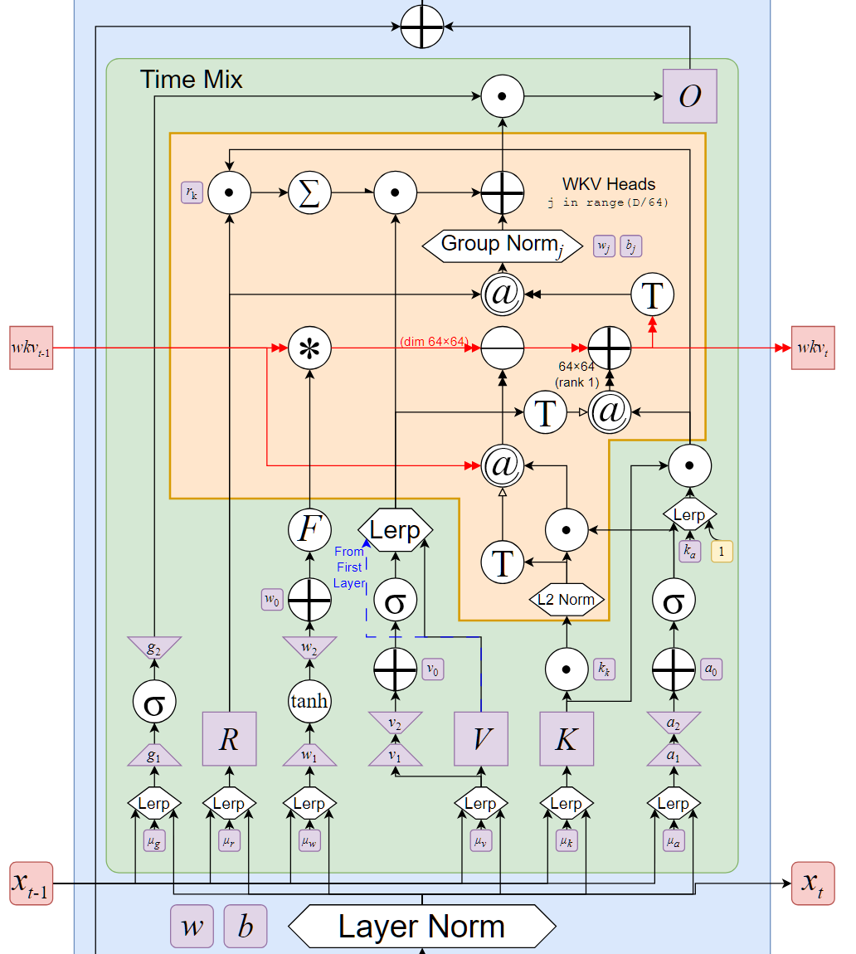
 |  |  |  |  |  |  |  |  |  | t=0 |  |  |  |  | t=0
 |  |  |  |  |  |  |  |  |  | w[: , t, :, None, :] | H=0 | N |  |  | state * w[: , t, :, None, :] | H=0 | N |  |  | state @ aa @ bb | H=0 | N |  |  | vv @ kk | H=0 | N
 |  |  |  |  |  |  |  |  |  |  | N | 0.9368105512 | 0.96660701533 |  |  | N | 0 | 0 |  |  | N | 0 | 0 |  |  | N | 0.0030498910091 | -0.032051382464
 |  |  |  |  |  |  |  |  |  |  |  | 0.9368105512 | 0.96660701533 |  |  |  | 0 | 0 |  |  |  | 0 | 0 |  |  |  | -0.00052634720669 | 0.0055313962303
 |  |  |  |  |  |  |  |  |  |  | H=1 | N |  |  |  | H=1 | N |  |  |  | H=1 | N |  |  |  | H=1 | N
 |  |  |  |  |  |  |  |  |  |  | N | 0.87302571063 | 0.92296951075 |  |  | N | 0 | 0 |  |  | N | 0 | 0 |  |  | N | -0.0055995157636 | -0.05043996875
 |  |  |  |  |  |  |  |  |  |  |  | 0.87302571063 | 0.92296951075 |  |  |  | 0 | 0 |  |  |  | 0 | 0 |  |  |  | -0.0028925296926 | -0.026055665073

 | out | t=0 | N |  |  | state | H=0 | N
 |  | H | -0.0060330603533 | 0.0010411796537 |  |  | N | 0.0030498910091 | -0.032051382464
 |  |  | 0.018053614993 | 0.0093259166742 |  |  |  | -0.00052634720669 | 0.0055313962303
 |  |  |  |  |  |  | H=1 | N
 |  |  |  |  |  |  | N | -0.0055995157636 | -0.05043996875 | t=1 |  |  |  |  | t=1
 |  |  |  |  |  |  |  | -0.0028925296926 | -0.026055665073 | w[: , t, :, None, :] | H=0 | N |  |  | state * w[: , t, :, None, :] | H=0 | N |  |  | state @ aa @ bb | H=0 | N |  |  | vv @ kk | H=0 | N
 |  |  |  |  |  |  |  |  |  |  | N | 0.92559171593 | 0.94251580382 |  |  | N | 0.0028229538525 | -0.030208934507 |  |  | N | -0.01254071124 | 0.00015237276329 |  |  | N | 0.0027163069919 | -0.0049852643078
 |  |  |  |  |  |  |  |  |  |  |  | 0.92559171593 | 0.94251580382 |  |  |  | -0.00048718261421 | 0.0052134283642 |  |  |  | 0.0021642636773 | -2.6296342424E-05 |  |  |  | -0.0037486893646 | 0.0068800055906
 |  |  |  |  |  |  |  |  |  |  | H=1 | N |  |  |  | H=1 | N |  |  |  | H=1 | N |  |  |  | H=1 | N
 |  |  |  |  |  |  |  |  |  |  | N | 0.84276292913 | 0.90179118621 |  |  | N | -0.0047190643067 | -0.045486319251 |  |  | N | 0.023638244926 | 0.00327135035 |  |  | N | 0.00016448305314 | 0.00078240075572
 |  |  |  |  |  |  |  |  |  |  |  | 0.84276292913 | 0.90179118621 |  |  |  | -0.0024377167964 | -0.023496769113 |  |  |  | 0.012210756825 | 0.001689874343 |  |  |  | -0.00042922434761 | -0.0020417024583
 | out | t=1 | N |  |  | state | H=0 | N
 |  | H | -0.0018556506995 | 0.00062960118306 |  |  | N | -0.0070014503953 | -0.035041826052
 |  |  | -0.00046451476574 | 0.00029624147614 |  |  |  | -0.0020716083014 | 0.012067137612
 |  |  |  |  |  |  | H=1 | N
 |  |  |  |  |  |  | N | 0.019083663672 | -0.041432568146
 |  |  |  |  |  |  |  | 0.0093438156814 | -0.023848597229
 |  |  |  |  |  |  |  |  |  | t=2 |  |  |  |  | t=2
 |  |  |  |  |  |  |  |  |  | w[: , t, :, None, :] | H=0 | N |  |  | state * w[: , t, :, None, :] | H=0 | N |  |  | state @ aa @ bb | H=0 | N |  |  | vv @ kk | H=0 | N
 |  |  |  |  |  |  |  |  |  |  | N | 0.92070287023 | 0.92814373999 |  |  | N | -0.0064462554747 | -0.032523851487 |  |  | N | 0.020550502109 | 7.6702013543E-06 |  |  | N | 0.021806544272 | 0.019330091168
 | out | t=2 | N |  |  | state | H=0 | N |  |  |  | 0.92070287023 | 0.92814373999 |  |  |  | -0.0019073357091 | 0.011200038234 |  |  |  | -0.0049741146904 | -1.8565220953E-06 |  |  |  | 0.01549907387 | 0.013738926589
 |  | H | -0.0004500337794 | 0.0035605339515 |  |  | N | 0.035910790906 | -0.013186090118 |  | H=1 | N |  |  |  | H=1 | N |  |  |  | H=1 | N |  |  |  | H=1 | N
 |  |  | -0.013230819754 | -0.001625709777 |  |  |  | 0.0086176234702 | 0.024937108302 |  | N | 0.92070287023 | 0.92814373999 |  |  | N | 0.017570383917 | -0.038455378756 |  |  | N | -0.0093117487193 | -3.8692069802E-07 |  |  | N | 0.046251318774 | 0.054837973474
 |  |  |  |  |  |  | H=1 | N |  |  |  | 0.92070287023 | 0.92814373999 |  |  |  | 0.0086028779168 | -0.022134926225 |  |  |  | -0.0042981416582 | -1.7859588147E-07 |  |  |  | 0.0035195504734 | 0.0041729624281
 |  |  |  |  |  |  | N | 0.054509953973 | 0.016382207797
 |  |  |  |  |  |  |  | 0.0078242867319 | -0.017962142393

 | out | t=0 | N
 |  | H | -0.0060330603533 | 0.0010411796537
 |  |  | 0.018053614993 | 0.0093259166742
 |  | t=1 | N
 |  | H | -0.0018556506995 | 0.00062960118306
 |  |  | -0.00046451476574 | 0.00029624147614
 |  | t=2 | N
 |  | H | -0.0004500337794 | 0.0035605339515
 |  |  | -0.013230819754 | -0.001625709777

 |  |  | view

 | out | C
 | T | -0.0060330603533 | 0.0010411796537 | 0.018053614993 | 0.0093259166742
 |  | -0.0018556506995 | 0.00062960118306 | -0.00046451476574 | 0.00029624147614
 |  | -0.0004500337794 | 0.0035605339515 | -0.013230819754 | -0.001625709777

