Site Layout Mockup
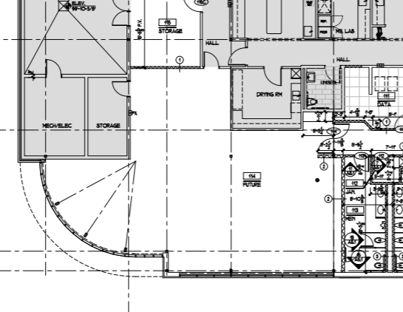
DDGS Site Layout Mockup (concept)
Assumptions: the area labeled 'Future' is available for DDGS buildout; the adjacent greyed 'Prep Lab' and 'Lab' already contain the existing LCMS, ICP-OES, and microwave. Use one-way flow from sample receipt -> coarse prep -> fine prep/dividing -> wet chemistry / extraction -> clean instruments -> reporting / retain storage.

Recommended zones
Zone | Suggested location within FUTURE area | Main equipment / activity | Why this location / adjacency | Shared site prep
1. Receiving / login | Near entrance edge of FUTURE area, closest to traffic path | Sample intake, labeling, initial photo/log, short-term hold | Keeps dirty incoming material from crossing clean zones | Bench, computer, shelving, carts
2. Retain / bulk storage | West / northwest side near existing Storage room | Bulk sample storage, retains, consumables overflow | Close to receiving and away from clean instruments | Shelving, pallets, environmental monitoring as needed
3. Dirty prep / primary grinding | West to southwest side of FUTURE area | Primary mill, bag opening, large sample reduction | Best place for dust/noise control and nearest retain storage | Dust collection, heavy Uline benches, floor clearance
4. Fine grinding / dividing / sieve check | Center-west or center of FUTURE area | Fine mill, rotary/sample divider, sieve shaker | Logical step after primary grind and before routing aliquots to all test lanes | Heavy benches, dust collection, nearby balance
5. Wet chemistry prep | North / northeast side adjacent to drying room and closest practical utility runs | Reagent prep, starch kit work, phosphorus wet chemistry, amino-acid hydrolysis prep | Clusters sinks, drains, acid/base handling, and close access to ovens/drying room | Sink, acid-resistant bench, hood access
6. Solvent extraction cluster | Along north/east wall of FUTURE area | Soxtec / solvent extractor and possibly fiber cold extractor | Groups solvent-heavy equipment together for common ventilation and flammables control | Exhaust/hood-adjacent siting, solvent storage/waste
7. Fiber / drying / ash cluster | Near solvent extraction and drying room | FIWE/Fibertec crucible systems, reference oven, muffle furnace and desiccators | Shared relationship to drying/ashing and wet chemistry workflow | Water/drain for fiber analyzer, heat-safe area, desiccator bench
8. Clean general bench | Center-east side of FUTURE area | UV-Vis, polarimeter, Hunter color, density tester and balances | These instruments benefit from lower dust and easy access from multiple test lanes | Clean Uline benches, low vibration
9. Clean instrument zone | East side nearest existing Prep Lab / Lab | LECO 828P and amino acid analyzer | Closest to existing instrument rooms, utilities, and data network; separates them from grind dust | Dedicated power, clean HVAC, gas bottles/generators as needed
10. Existing instrument room interface | Existing Prep Lab / Lab | Existing LCMS-8040RX, ICP-OES, Multiwave 5000 | Leave these in their current controlled location and route prepared aliquots in | Already installed utilities

Suggested one-way workflow
Receive sample -> store/retain -> coarse grind -> fine grind/divide -> send aliquots to (a) mycotoxins / minerals in existing Prep Lab/Lab, (b) fat/fiber/moisture/ash lane, (c) color/density/starch lane, and (d) amino acid prep/analyzer -> review/report -> archive retain.

Clustering advice
Shared exhaust / hood-adjacent | Soxtec/SER, solvent handling, amino-acid acid hydrolysis prep
Shared water / drain | Fiber analyzer, wet chemistry bench, sink-based reagent prep
Shared heat / drying | reference moisture oven, muffle furnace and desiccator bench
Clean low-dust benching | UV-Vis, Hunter color, density tester, amino acid analyzer, LECO 828P
Dirty/noisy zone | Primary mill, fine mill, divider, sieves, bag opening and sample reduction

