Foaie1
a | b | c | d | e | f | g | h | z | a0 | a1 | b0 | b1 | c0 | c1 | d0 | d1 | e0 | e1 | f0 | f1 | g0 | g1 | h0 | h1 | z0 | z1
0 | 0 | 0 | FALSE | FALSE | FALSE | TRUE | FALSE | TRUE | TRUE | TRUE | TRUE | TRUE | TRUE | FALSE | TRUE | TRUE | TRUE | TRUE | TRUE | FALSE | TRUE | TRUE | TRUE | FALSE | FALSE | TRUE
0 | 0 | 1 | FALSE | FALSE | FALSE | TRUE | TRUE | FALSE | FALSE | FALSE | FALSE | FALSE | TRUE | FALSE | FALSE | TRUE | TRUE | TRUE | TRUE | FALSE | TRUE | TRUE | TRUE | FALSE | FALSE | TRUE
0 | 1 | 0 | FALSE | FALSE | FALSE | TRUE | FALSE | TRUE | TRUE | TRUE | TRUE | TRUE | TRUE | FALSE | TRUE | TRUE | TRUE | TRUE | TRUE | FALSE | TRUE | TRUE | TRUE | FALSE | FALSE | TRUE
0 | 1 | 1 | FALSE | FALSE | FALSE | TRUE | TRUE | FALSE | FALSE | TRUE | FALSE | FALSE | TRUE | FALSE | FALSE | TRUE | TRUE | TRUE | TRUE | FALSE | TRUE | TRUE | TRUE | FALSE | FALSE | TRUE
1 | 0 | 0 | FALSE | FALSE | FALSE | TRUE | FALSE | TRUE | TRUE | TRUE | TRUE | TRUE | TRUE | FALSE | TRUE | TRUE | TRUE | TRUE | TRUE | FALSE | TRUE | TRUE | TRUE | FALSE | FALSE | TRUE
1 | 0 | 1 | FALSE | FALSE | FALSE | TRUE | TRUE | FALSE | FALSE | FALSE | FALSE | TRUE | TRUE | FALSE | FALSE | TRUE | TRUE | TRUE | TRUE | FALSE | TRUE | TRUE | TRUE | FALSE | FALSE | TRUE
1 | 1 | 0 | TRUE | TRUE | TRUE | FALSE | TRUE | TRUE | TRUE | TRUE | TRUE | TRUE | TRUE | TRUE | FALSE | TRUE | FALSE | TRUE | FALSE | FALSE | TRUE | FALSE | TRUE | FALSE | FALSE | TRUE
1 | 1 | 1 | TRUE | TRUE | TRUE | FALSE | TRUE | TRUE | FALSE | TRUE | FALSE | TRUE | TRUE | TRUE | FALSE | TRUE | FALSE | TRUE | TRUE | TRUE | TRUE | FALSE | TRUE | TRUE | FALSE | TRUE

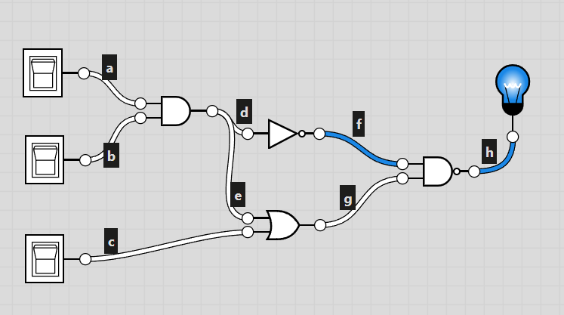
 |  |  |  |  |  |  |  |  |  |  |  |  |  |  |  |  |  |  |  |  | s
 | Seturi de echivalenta: |  |  |  | Needed Integrated Circuits:
 | F1 = {a0, b0} |  |  |  | NOT | CD4049
 | F2 = {c0, d1, e1, g0, h0, z1} |  |  |  | AND | CD4081
 | F3 = {c1, f1, h1} |  |  |  | OR | CD4071
 | F4 = {d0, f1} |  |  |  | NAND | CD4011
 | F5 = {a1}
 | F6 = {b1}
 | F7 = {z0}

a | b | c | F1 | F2 | F3 | F4 |  | F5 | F6 | F7
0 | 0 | 0 |  |  | X |  |  |  |  | X
0 | 0 | 1 |  | X
0 | 1 | 0 |  |  | X |  |  |  |  | X
0 | 1 | 1 |  | X |  |  |  | X
1 | 0 | 0 |  |  | X |  |  |  |  | X
1 | 0 | 1 |  | X |  |  |  |  | X
1 | 1 | 0 |  |  |  | X |  |  |  | X
1 | 1 | 1 | X |  |  | X |  |  |  | X

 | Teste esentiale:
 | 011
 | 101
 | 111

