Raw data
tokenizer=gpt_tokenize, ngram_range=(1, 1)), scaler, LogisticRegression( max_iter = 1000, solver='saga',penalty='l2')) | precision | recall | f1-score | support | temps en min | précision en moy
country | 0.090909090909 | 0.011111111111 | 0.019801980198 | 180 | 5 | 0.64
pop | 0.59835566382 | 0.71195652174 | 0.65023163468 | 2760
rap | 0.79396728016 | 0.8156512605 | 0.80466321244 | 1904
rb | 0.19512195122 | 0.051612903226 | 0.081632653061 | 310
rock | 0.42286245353 | 0.35939968404 | 0.38855678907 | 1266
accuracy | 0.62165109034 | 0.62165109034 | 0.62165109034 | 0.62165109034
macro avg | 0.42024328793 | 0.38994629612 | 0.38897725389 | 6420
weighted avg | 0.58806396277 | 0.62165109034 | 0.59929929004 | 6420

tokenizer=byte_tokenize, ngram_range=(1, 1)), scaler, LogisticRegression( max_iter = 1000, solver='saga',penalty='l2'))
 | precision | recall | f1-score | support | temps en min | précision en moy
country | 0 | 0 | 0 | 180 | 5 | 0.59
pop | 0.5751014885 | 0.76992753623 | 0.65840433772 | 2760
rap | 0.68579234973 | 0.79096638655 | 0.73463414634 | 1904
rb | 0.13461538462 | 0.022580645161 | 0.038674033149 | 310
rock | 0.43815513627 | 0.16508688784 | 0.23981640849 | 1266
accuracy | 0.5992211838 | 0.5992211838 | 0.5992211838 | 0.5992211838
macro avg | 0.36673287182 | 0.34971229116 | 0.33430578514 | 6420
weighted avg | 0.54353020465 | 0.5992211838 | 0.55008347511 | 6420

tokenizer=word_tokenize, ngram_range=(1, 1)), scaler, LogisticRegression( max_iter = 1000, solver='saga',penalty='l2')) |  |  |  |  | temps en min | précision en moy
 | precision | recall | f1-score | support | 5 | 0.6
country | 0.125 | 0.022222222222 | 0.037735849057 | 180
pop | 0.58050603795 | 0.73152173913 | 0.64732285989 | 2760
rap | 0.79839142091 | 0.78203781513 | 0.79013000796 | 1904
rb | 0.17142857143 | 0.038709677419 | 0.063157894737 | 310
rock | 0.39897435897 | 0.30726698262 | 0.34716644355 | 1266
accuracy | 0.60950155763 | 0.60950155763 | 0.60950155763 | 0.60950155763
macro avg | 0.41486007785 | 0.3763516873 | 0.37710261104 | 6420
weighted avg | 0.57680347753 | 0.60950155763 | 0.58518734364 | 6420

df = pd.read_csv("song_lyrics.csv", skiprows=lambda i: i % 10 != 0)
tokenizer=word_tokenize, ngram_range=(1, 1)), scaler, LogisticRegression( max_iter = 1000, solver='saga')
 |  |  |  |  | temps en min | précision en moy
 | precision | recall | f1-score | support | > 1h | 0.65
country | 0.32409972299 | 0.070652173913 | 0.116013882 | 1656
pop | 0.61792237443 | 0.77887693802 | 0.6891261796 | 27799
rap | 0.82628119544 | 0.83265200517 | 0.82945436738 | 19325
rb | 0.33412604043 | 0.090324654452 | 0.14220647773 | 3111
rock | 0.47907341092 | 0.33547527623 | 0.3946167673 | 12761
accuracy | 0.65615912887 | 0.65615912887 | 0.65615912887 | 0.65615912887
macro avg | 0.51630054884 | 0.42159620956 | 0.4342835348 | 64652
weighted avg | 0.63161447811 | 0.65615912887 | 0.63194413513 | 64652

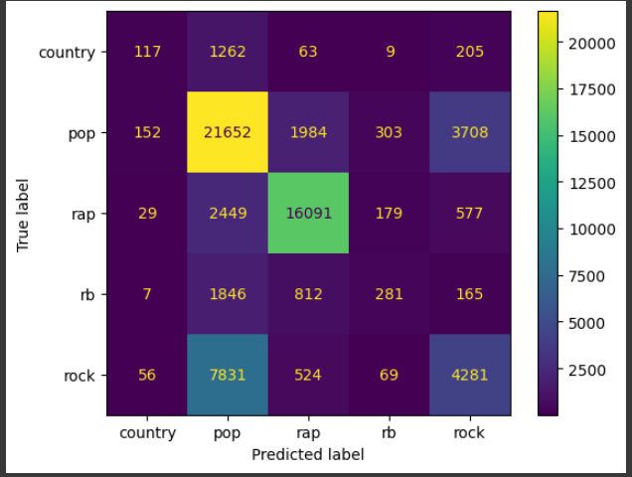

tokenizer=lemma_tokenize, ngram_range=(1, 1)), scaler, LogisticRegression( max_iter = 1000, solver='saga') |  |  |  |  | temps en min | précision en moy
Exactement pareil que celui d'en haut |  |  |  |  | > 1 h | 0.6563447379818103
 | precision | recall | f1-score | support
country | 0.337988827 | 0.073067633 | 0.120158888 | 1656
pop | 0.619627158 | 0.778373323 | 0.689987245 | 27799
rap | 0.826377124 | 0.832962484 | 0.829656736 | 19325
rb | 0.324601367 | 0.091610415 | 0.142892956 | 3111
rock | 0.476153505 | 0.336415641 | 0.394269183 | 12761
accuracy | 0.656344738 | 0.656344738 | 0.656344738 | 0.656344738
macro avg | 0.516949596 | 0.422485899 | 0.435393002 | 64652
weighted avg | 0.63169728 | 0.656344738 | 0.632445462 | 64652

avec stop words english
0.6497092123986884
tmps : 1h pile

Avec CV
model = make_pipeline(CountVectorizer(), LogisticRegression(random_state=42, class_weight='balanced', solver='liblinear'))
param_grid = {
'logisticregression__C': [0.001, 0.01, 0.1, 1, 10, 100],
'logisticregression__penalty': ['l1', 'l2']
}
cv=3

logisticregression__C | 0.01
logisticregression__penalty | l2

Best cross-validation score: | 0.63
Test set score: | 0.625

voting_clf = VotingClassifier(estimators=[('lr', log_clf), ('nb', nb_clf)], voting='soft')

nb_clf = MultinomialNB()
log_clf = LogisticRegression(random_state=42, max_iter=1000)

model = make_pipeline(CountVectorizer(), voting_clf)
scoring = 'accuracy' | 0.65
scores = cross_val_score(model, X, Y, cv=5, scoring=scoring, n_jobs = -1)

naive_bayes (multinomial NB)
model = make_pipeline(CountVectorizer(ngram_range=(1,1)), MultinomialNB(alpha=1)) | precision | recall | f1-score
country | 0.1 | 0.01 | 0.01
misc | 0.48 | 0.61 | 0.53
pop | 0.58 | 0.69 | 0.63
rap | 0.81 | 0.81 | 0.81
rb | 0.25 | 0.05 | 0.08
rock | 0.43 | 0.38 | 0.4

accuracy | 0.62
macro avg | 0.44 | 0.42 | 0.41
weighted avg | 0.59 | 0.62 | 0.6

pipeline = Pipeline([
('vectorizer', CountVectorizer(tokenizer=gpt_tokenize, stop_words=list(en_stop))),
('classifier', MultinomialNB(force_alpha=True))
])

param_grid = {
'vectorizer__ngram_range': [(1, 1), (1, 2)],
'classifier__alpha': [0.1, 0.5, 1.0]
}

 | precision | recall | f1-score
country
misc
pop
rap
rb
rock

accuracy | 0.56
macro avg | 0.46
weighted avg | 0.575

